Sheet1




Sheet2
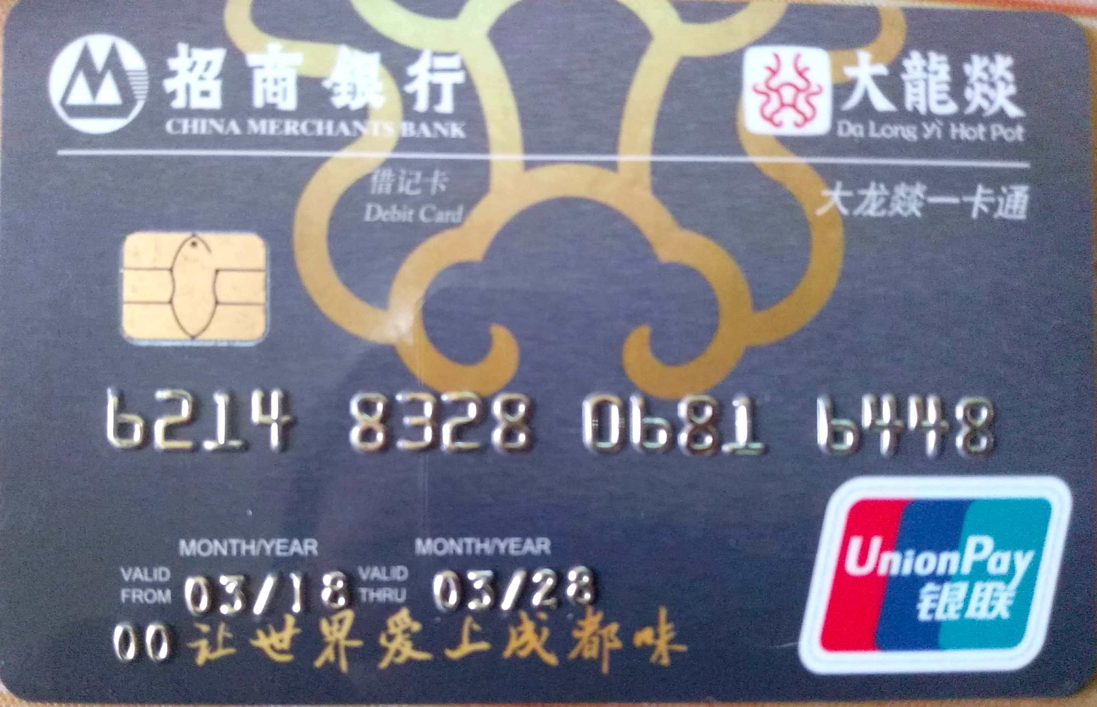

Sheet3
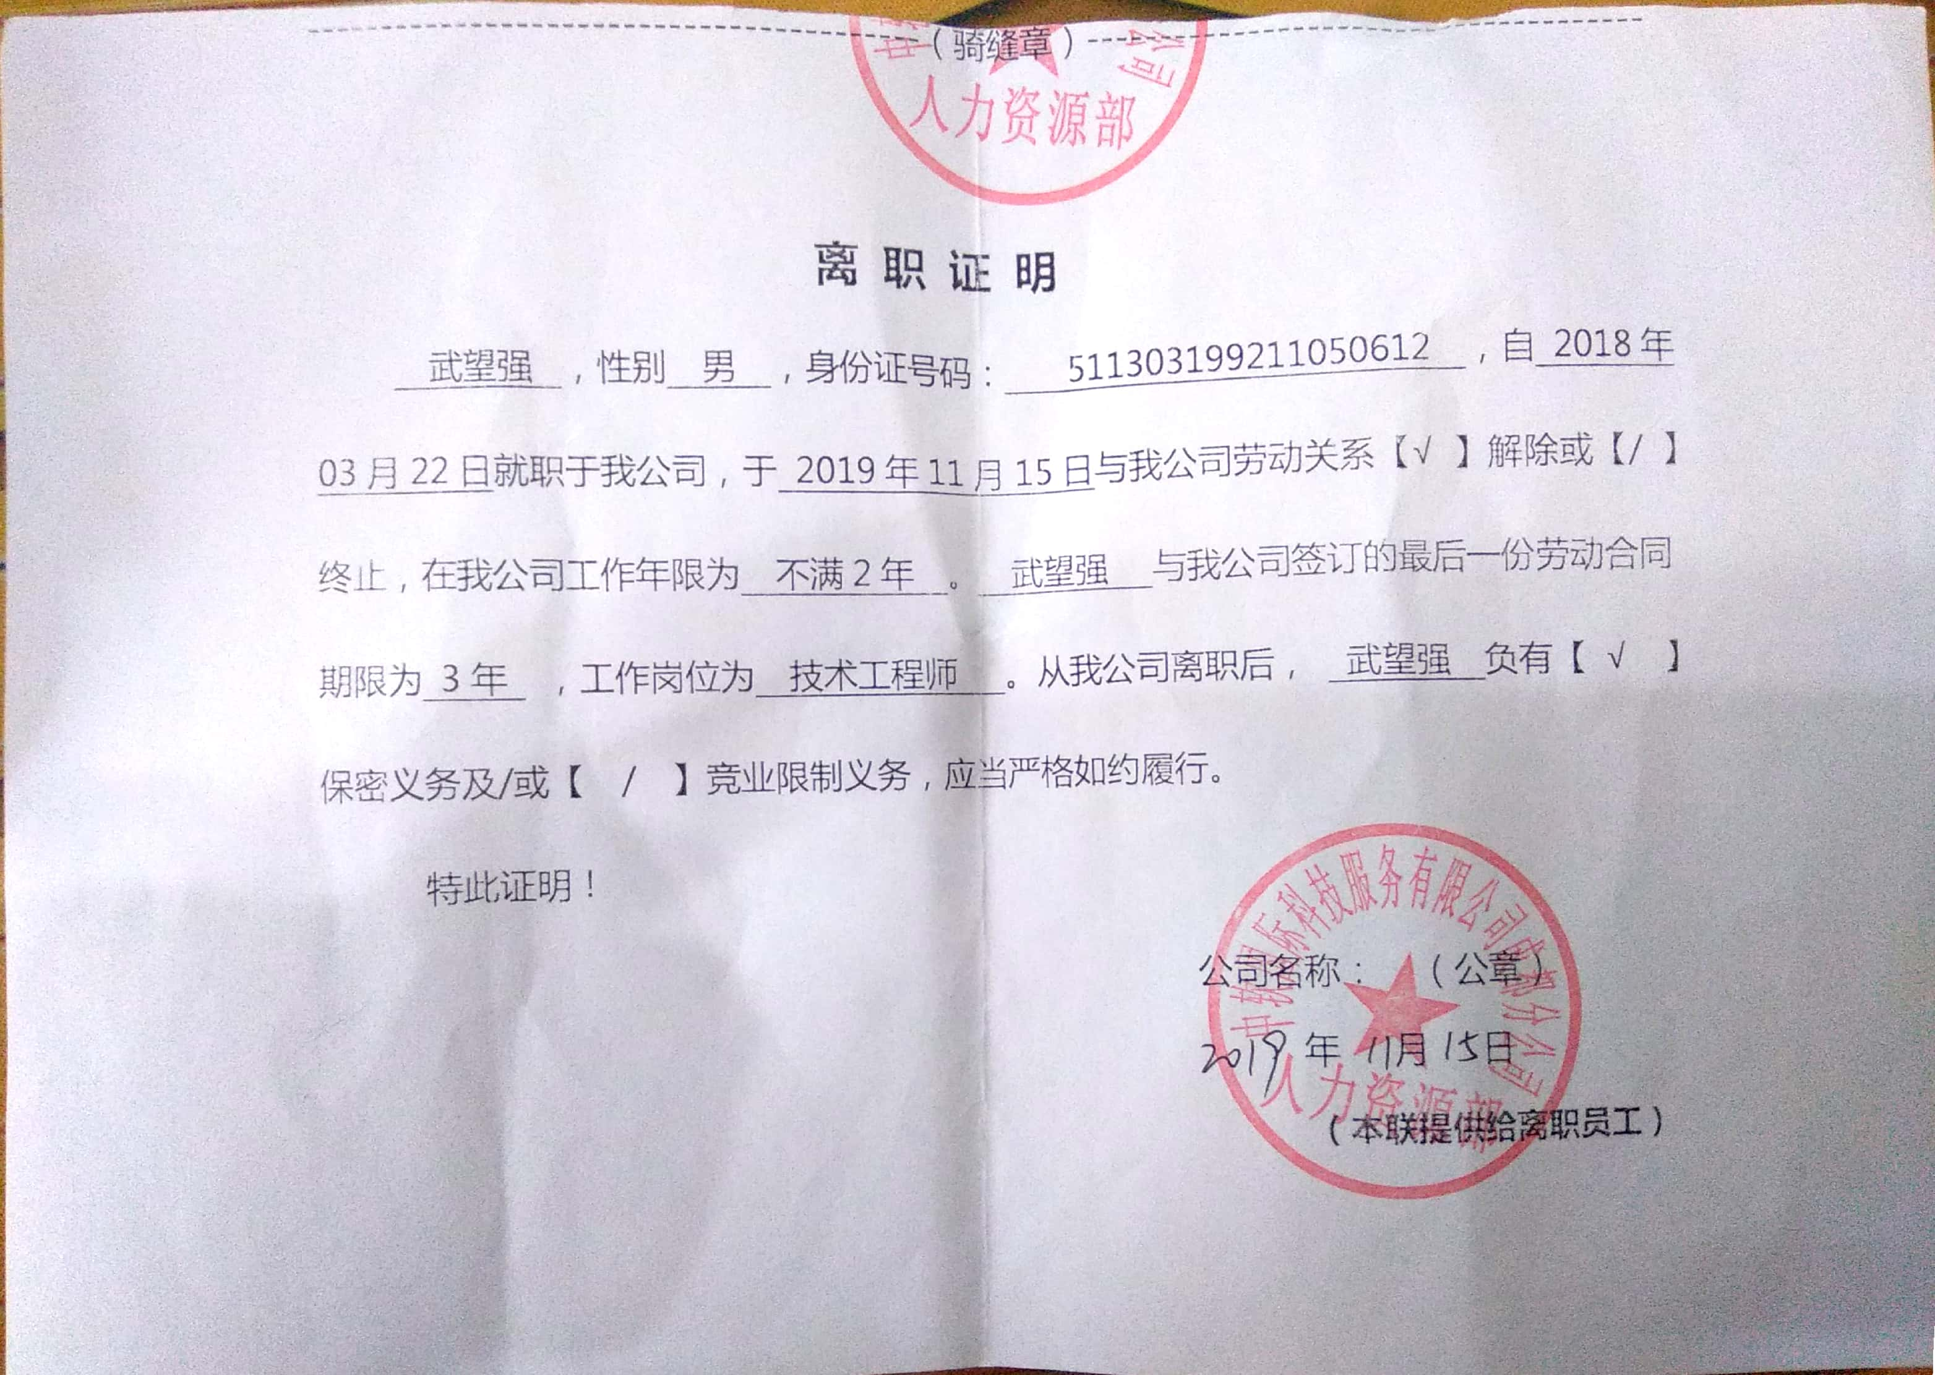

Sheet4


Sheet5


