Sheet1
R3 进 R1

 | Windows 本身没有使用R1，需要自己构建 R1的 cs、ss、fs，esp即R1的堆栈，fs不修改 可能也不会蓝屏
 | 主要是将 cs、ss、fs对应的段描述符的dpl置为1，可直接将R3/R1的修改复制即可。

 | #include "stdafx.h"
 | #include <stdio.h>
 | #include <windows.h>

 | UCHAR stack0[0x2000] = {0};
 | UCHAR stack3[0x2000] = {0};
 | UINT cr3 = 0;
 | USHORT csv = 0;

 | void __declspec(naked)TestTSS()
 | {
 | _asm{
 | // 记录当前段选择子状态
 | mov csv,cs;
 | iretd;
 | }
 | }

 | typedef struct _KTSS
 | {
 | USHORT Backlink; //0x0
 | USHORT Reserved0; //0x2
 | ULONG Esp0; //0x4
 | USHORT Ss0; //0x8
 | USHORT Reserved1_; //0xa //0x2
 | ULONG Esp1; //0x4
 | USHORT Ss1; //0x8
 | USHORT Reserved2_; //0xa //0x2
 | ULONG Esp2; //0x4
 | USHORT Ss2; //0x8
 | USHORT Reserved3_; //0xa
 | //ULONG NotUsed1[4]; //0xc
 | ULONG CR3; //0x1c
 | ULONG Eip; //0x20
 | ULONG EFlags; //0x24
 | ULONG Eax; //0x28
 | ULONG Ecx; //0x2c
 | ULONG Edx; //0x30
 | ULONG Ebx; //0x34
 | ULONG Esp; //0x38
 | ULONG Ebp; //0x3c
 | ULONG Esi; //0x40
 | ULONG Edi; //0x44
 | USHORT Es; //0x48
 | USHORT Reserved2; //0x4a
 | USHORT Cs; //0x4c
 | USHORT Reserved3; //0x4e
 | USHORT Ss; //0x50
 | USHORT Reserved4; //0x52
 | USHORT Ds; //0x54
 | USHORT Reserved5; //0x56
 | USHORT Fs; //0x58
 | USHORT Reserved6; //0x5a
 | USHORT Gs; //0x5c
 | USHORT Reserved7; //0x5e
 | USHORT LDT; //0x60
 | USHORT Reserved8; //0x62
 | USHORT Flags; //0x64
 | USHORT IoMapBase; //0x66
 | //... do't care
 | }KTSS;
 |  | 修改GDT
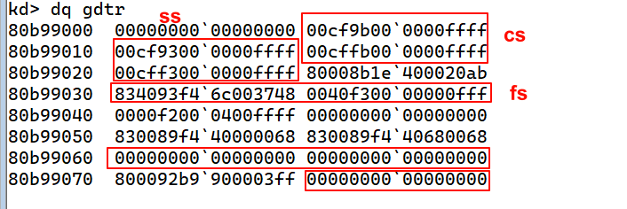
 | KTSS tss = {0};

 | int main()
 | {
 | memset(stack0,0,0x2000);
 | memset(stack3,0,0x2000);
 | // 1.构造TSS
 | tss.Cs = 0x61; // eq 80b99060 00cfbb00`0000ffff
 | tss.Ss = 0x69; // eq 80b99068 00cfb300`0000ffff
 | tss.Esp = (ULONG)&stack0[0x1ff0];
 | tss.Ss1 = 0x69;
 | tss.Esp1 = (ULONG)&stack0[0x1ff0]; | cs: eq 80b99060 00cfbb00`0000ffff
 | tss.Es = 0x23; | ss: eq 80b99068 00cfb300`0000ffff
 | tss.Fs = 0x79; // eq 80b99078 0040b300`00000fff | fs: eq 80b99078 0040b300`00000fff
 | tss.Ds = 0x23;
 | tss.Eip = (ULONG)&TestTSS;
 | tss.EFlags = 2;
 | tss.IoMapBase = 0x20ac;
 |  | CR3
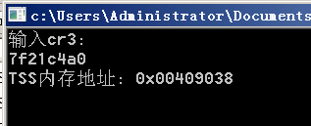
 | printf("输入cr3:\n"); // !process 0 0 查看cr3
 | scanf("%x",&cr3);
 | tss.CR3 = cr3;

 | // 2.构造TSS段描述符,并写入GDT
 | // eq 80b99048 0000E940`90380100
 | printf("TSS内存地址: 0x%08x\n",&tss);
 | system("pause > nul");

 | // 3. 切换任务
 | UCHAR go[6] = {0,0,0,0,0x48,0};
 | _asm{
 | call fword ptr go;

 | }
 | printf("%x\n",csv);
 | getchar();

 | return 0;
 | }

