A_B.report_out
Gene | A1_count | A2_count | A_normalize | B1_count | B2_count | B_normalize | FoldChange | Log2FoldChange | pval | padj | Up/Down | Significant | target
1700021N21Rik | 0 | 2 | 0.95618162647 | 16 | 19 | 17.54518794 | 0.054498226506 | -4.1976469076 | 0.0040980431358 | 0.015418235964 | down | yes | TRUE
1700028I16Rik | 29 | 43 | 35.311756372 | 102 | 119 | 110.89719387 | 0.31841884489 | -1.6510023739 | 1.96E-08 | 2.36E-07 | down | yes | TRUE
1700030C10Rik | 320 | 327 | 319.13681486 | 623 | 750 | 687.73636774 | 0.46403946313 | -1.1076805938 | 1.41E-23 | 9.65E-22 | down | yes | TRUE
1700057H21Rik | 3 | 5 | 3.9167145562 | 41 | 63 | 51.380833778 | 0.076229096886 | -3.7135144057 | 2.42E-15 | 7.54E-14 | down | yes | TRUE
2310069B03Rik | 12 | 10 | 10.885950092 | 73 | 66 | 70.768492536 | 0.15382481246 | -2.7006398613 | 9.36E-14 | 2.44E-12 | down | yes | TRUE
2810013P06Rik | 177 | 199 | 185.18944074 | 316 | 437 | 374.22154132 | 0.49486579551 | -1.0148907665 | 6.43E-14 | 1.70E-12 | down | yes | TRUE
...
4930478L05Rik | 0 | 0 | 0 | 2 | 5 | 3.3708522768 | #NAME? | #NAME? | 0.02975576635 | 0.083235892495 | down | yes | TRUE
4930524B15Rik | 7 | 16 | 11.210727488 | 106 | 112 | 110.01186439 | 0.10190471319 | -3.2947073158 | 2.80E-10 | 4.39E-09 | down | yes | TRUE
4930556M19Rik | 30 | 20 | 24.824421165 | 45 | 58 | 51.392802422 | 0.48303303176 | -1.0498062451 | 0.0078254338492 | 0.026838849956 | down | yes | TRUE
4930558C23Rik | 4 | 1 | 2.5131047999 | 13 | 16 | 14.507830298 | 0.17322402787 | -2.529289035 | 0.011127749465 | 0.036276968081 | down | yes | TRUE
4931440P22Rik | 31 | 49 | 39.197808245 | 70 | 91 | 80.293308592 | 0.48818275062 | -1.0345067748 | 0.0020553837075 | 0.0084625282543 | down | yes | TRUE
4933413J09Rik | 8 | 13 | 10.285208545 | 16 | 28 | 21.583029486 | 0.47654146754 | -1.0693263353 | 0.027132583594 | 0.077142110287 | down | yes | TRUE
...
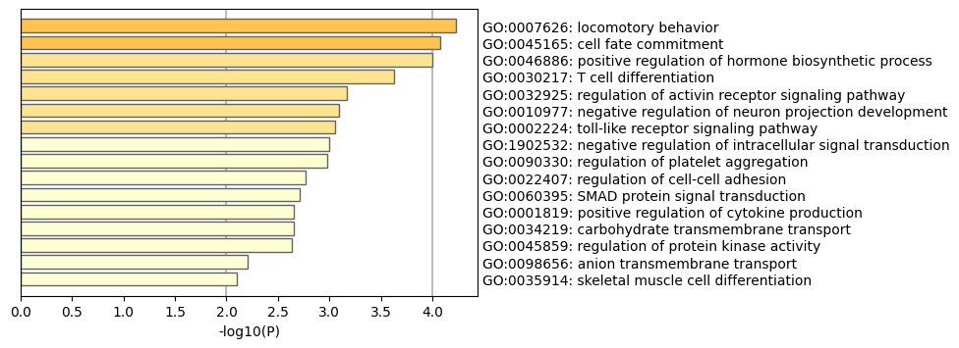
Aspa | 1 | 0 | 0.50875349666 | 10 | 17 | 13.265068899 | 0.038352872537 | -4.7045215537 | 9.49E-06 | 6.87E-05 | down | yes | TRUE
B3gnt5 | 334 | 362 | 342.99254228 | 556 | 849 | 694.37779113 | 0.49395667122 | -1.0175435975 | 1.17E-19 | 5.66E-18 | down | yes | TRUE
...

