交易历史
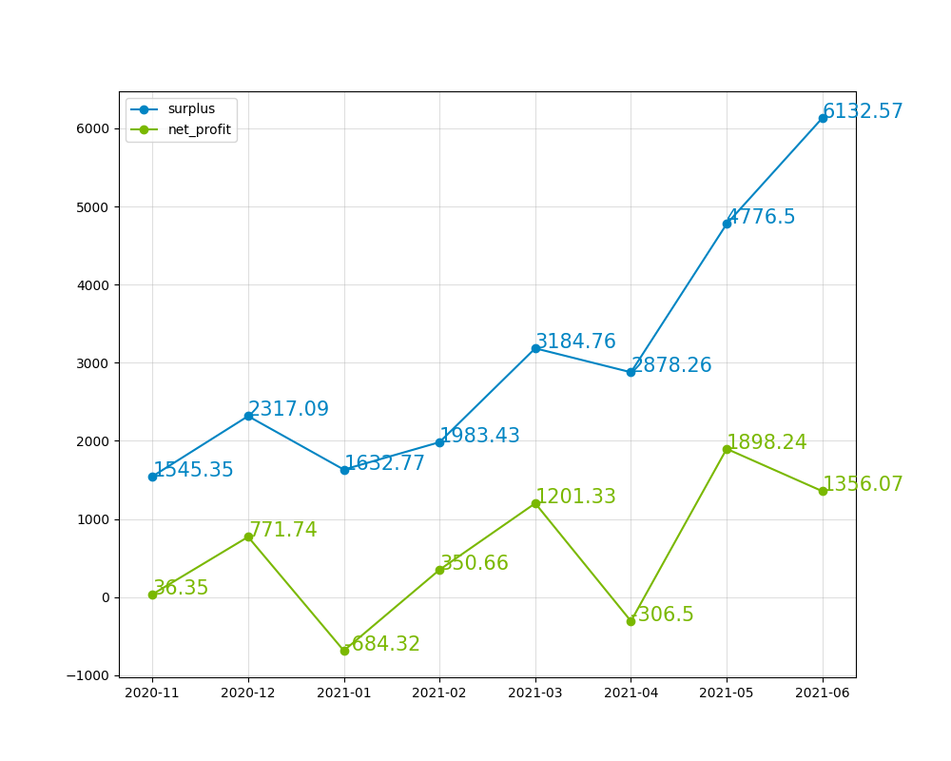
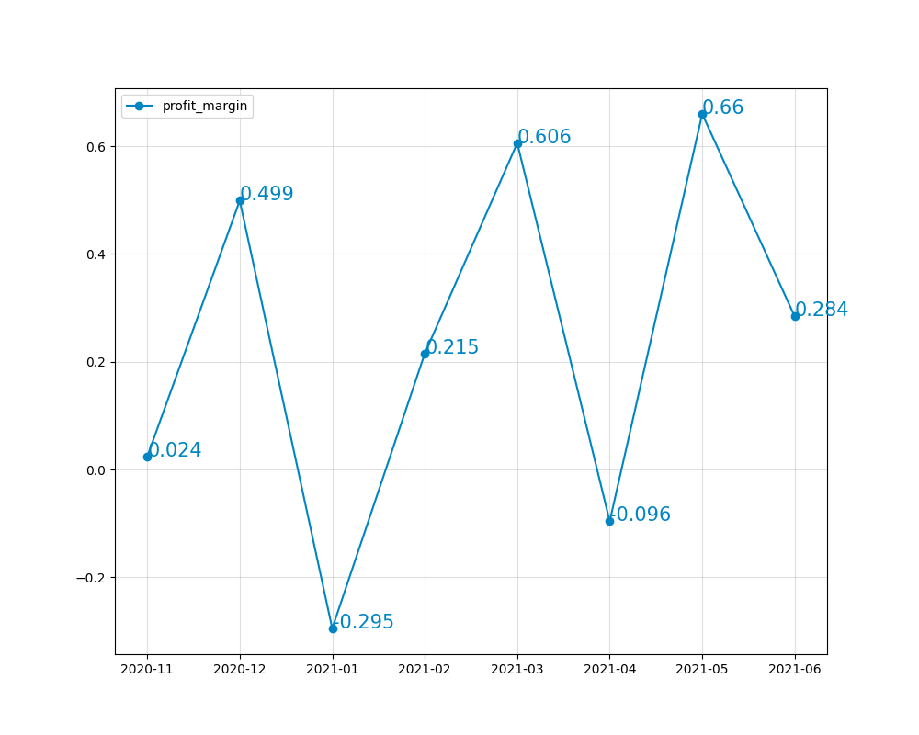
初始净值 | 1509
交易时间 | 交易品种 | 类型 | 交易量 | 交易价位 | 平仓时间 | 平仓价位 | 手续费 | 库存费 | 预付款 | 净利润 | 期间最高价 | 期间最低价 | 极限利润 | 极限亏损 | 名义利润率 | 总利润率 | 利润出金比例 | 净值结余 | 月度利润率 | 季度利润率 | 年度利润率 | 历史总利润率 | 备注
2020-11-09 20:36:18 | XAUUSD | sell | 0.02 | 1856.82 | 2020-11-09 21:12:34 | 1864.34 | -0.14 | 0 | 7.42728 | -15.18 | 1867.65 | 1860.49 | -7.48 | -21.8 | -51.94% | -1.02% | 0 | 1493.82 | 2.41% | 9.11% | 9.11% | 306.40%
2020-11-09 20:44:24 | XAUUSD | sell | 0.01 | 1858.01 | 2020-11-09 21:12:34 | 1864.31 | -0.08 | 0 | 3.71602 | -6.38 | 1867.65 | 1860.49 | -2.56 | -9.72 | -47.48% | -0.43% | 0 | 1487.44
2020-11-11 04:14:52 | XAUUSD | buy | 0.05 | 1880.16 | 2020-11-18 02:59:59 | 1881.23 | -0.36 | -0.66 | 18.8016 | 4.33 | 1899.06 | 1856.45 | 93.48 | -119.57 | 3.13% | 0.29% | 0 | 1491.77
2020-11-11 13:03:00 | XAUUSD | buy | 0.05 | 1874.34 | 2020-11-18 03:00:00 | 1881.07 | -0.36 | -0.66 | 18.7434 | 32.63 | 1899.06 | 1856.45 | 122.58 | -90.47 | 29.88% | 2.19% | 0 | 1524.4
2020-11-24 07:48:54 | XAUUSD | sell | 0.01 | 1829.03 | 2020-11-25 05:12:35 | 1808 | -0.08 | 0 | 3.65806 | 20.95 | 1832.95 | 1800.21 | 28.74 | -4 | 273.57% | 1.37% | 0 | 1545.35
2020-12-02 05:08:38 | XAUUSD | buy | 0.05 | 1810.84 | 2020-12-10 02:56:13 | 1836.32 | -0.36 | -0.94 | 18.1084 | 126.1 | 1875.29 | 1807.46 | 320.95 | -18.2 | 347.30% | 8.16% | 0 | 1671.45 | 6.55%
2020-12-03 17:00:39 | XAUUSD | buy | 0.05 | 1830.02 | 2020-12-10 02:56:09 | 1836.33 | -0.36 | -0.67 | 18.3002 | 30.52 | 1875.29 | 1822.07 | 225.32 | -40.78 | 51.66% | 1.83% | 0 | 1701.97
2020-12-10 05:21:45 | XAUUSD | sell | 0.05 | 1839.61 | 2020-12-16 03:24:56 | 1852.35 | -0.36 | -0.04 | 18.3961 | -64.1 | 1855.39 | 1819.51 | 100.1 | -79.3 | -65.61% | -3.77% | 0 | 1637.87
2020-12-10 15:35:21 | XAUUSD | sell | 0.05 | 1842.64 | 2020-12-16 03:25:00 | 1852.34 | -0.36 | -0.04 | 18.4264 | -48.9 | 1855.39 | 1819.51 | 115.25 | -64.15 | -59.22% | -2.99% | 0 | 1588.97
2020-12-10 16:01:41 | XAUUSD | sell | 0.05 | 1846.88 | 2020-12-16 03:25:04 | 1852.34 | -0.36 | -0.04 | 18.4688 | -27.7 | 1855.39 | 1819.51 | 136.45 | -42.95 | -45.10% | -1.74% | 0 | 1561.27
2020-12-16 03:54:15 | XAUUSD | buy | 0.1 | 1851.51 | 2020-12-22 03:05:35 | 1877.52 | -0.7 | -1.45 | 37.0302 | 257.95 | 1906.74 | 1844.74 | 550.15 | -69.85 | 241.34% | 16.52% | 0 | 1819.22
2020-12-18 10:13:43 | XAUUSD | buy | 0.05 | 1878.48 | 2020-12-22 03:05:31 | 1877.28 | -0.36 | -0.28 | 18.7848 | -6.64 | 1906.74 | 1855.04 | 140.66 | -117.84 | -4.86% | -0.36% | 0 | 1812.58
2020-12-23 02:32:37 | XAUUSD | sell | 0.1 | 1863.29 | 2020-12-24 03:07:32 | 1875.51 | -0.7 | 0.09 | 37.2658 | -122.81 | 1878.51 | 1857.02 | 62.09 | -152.81 | -64.61% | -6.78% | 0 | 1689.77
2020-12-23 03:03:48 | XAUUSD | sell | 0.05 | 1866.92 | 2020-12-24 03:07:33 | 1875.51 | -0.36 | 0.05 | 18.6692 | -43.26 | 1878.51 | 1857.02 | 49.19 | -58.26 | -56.23% | -2.56% | 0 | 1646.51
2020-12-28 07:31:55 | XAUUSD | buy | 0.05 | 1893.1 | 2021-01-04 10:01:14 | 1927.38 | -0.36 | -0.98 | 18.931 | 170.06 | 1935.19 | 1869.17 | 209.11 | -120.99 | 121.54% | 10.33% | 0 | 1816.57 | -0.83% | 93.42% | 272.46%
2020-12-28 12:27:37 | XAUUSD | buy | 0.05 | 1881.63 | 2021-01-04 10:01:14 | 1927.38 | -0.36 | -0.98 | 18.8163 | 227.41 | 1935.19 | 1869.17 | 266.46 | -63.64 | 275.79% | 12.52% | 0 | 2043.98
2020-12-28 13:55:09 | XAUUSD | buy | 0.05 | 1872.49 | 2021-01-04 10:01:14 | 1927.38 | -0.36 | -0.98 | 18.7249 | 273.11 | 1935.19 | 1871.14 | 312.16 | -8.09 | 1018.50% | 13.36% | 0 | 2317.09
2021-01-06 03:18:59 | XAUUSD | buy | 0.05 | 1948.47 | 2021-01-08 04:05:58 | 1911.07 | -0.36 | -0.89 | 19.4847 | -188.25 | 1959.35 | 1900.8 | 53.15 | -239.6 | -72.66% | -8.12% | 0 | 2128.84
2021-01-06 04:57:48 | XAUUSD | buy | 0.1 | 1942.97 | 2021-01-08 04:05:56 | 1911.07 | -0.7 | -1.79 | 38.8594 | -321.49 | 1959.35 | 1900.8 | 161.31 | -424.19 | -69.43% | -15.10% | 0 | 1807.35
2021-01-11 05:49:27 | XAUUSD | sell | 0.05 | 1831.26 | 2021-01-13 03:15:56 | 1855.34 | -0.36 | 0.05 | 18.3126 | -120.71 | 1863.8 | 1827.07 | 20.64 | -163.01 | -66.57% | -6.68% | 0 | 1686.64
2021-01-12 08:28:21 | XAUUSD | sell | 0.05 | 1857.34 | 2021-01-13 03:16:00 | 1855.11 | -0.36 | -0.02 | 18.5734 | 10.77 | 1863.8 | 1836.63 | 103.17 | -32.68 | 21.01% | 0.64% | 0 | 1697.41
2021-01-21 02:54:34 | XAUUSD | buy | 0.04 | 1869.43 | 2021-01-25 03:02:18 | 1858.04 | -0.28 | -0.2 | 14.95544 | -46.04 | 1875.13 | 1837.31 | 22.32 | -128.96 | -31.99% | -2.71% | 0 | 1651.37
2021-01-21 15:01:36 | XAUUSD | buy | 0.04 | 1863.99 | 2021-01-25 03:02:23 | 1857.96 | -0.28 | -0.2 | 14.91192 | -24.6 | 1871.51 | 1837.31 | 29.6 | -107.2 | -20.15% | -1.49% | 0 | 1626.77
2021-01-22 05:07:36 | XAUUSD | buy | 0.04 | 1861.52 | 2021-01-25 03:02:27 | 1857.95 | -0.28 | -0.1 | 14.89216 | -14.66 | 1864.22 | 1837.31 | 10.42 | -97.22 | -13.08% | -0.90% | 0 | 1612.11
2021-01-22 13:09:38 | XAUUSD | buy | 0.01 | 1852.49 | 2021-01-25 03:02:33 | 1857.89 | -0.08 | -0.02 | 3.70498 | 5.3 | 1860.01 | 1837.31 | 7.42 | -15.28 | 27.92% | 0.33% | 0 | 1617.41
2021-01-22 14:56:38 | XAUUSD | buy | 0.01 | 1842.49 | 2021-01-25 03:02:38 | 1857.95 | -0.08 | -0.02 | 3.68498 | 15.36 | 1860.01 | 1837.31 | 17.42 | -5.28 | 171.33% | 0.95% | 0 | 1632.77
2021-02-03 02:17:58 | XAUUSD | sell | 0.04 | 1837.41 | 2021-02-04 16:13:35 | 1796.01 | -0.28 | -0.13 | 14.69928 | 165.19 | 1844.98 | 1785.37 | 207.75 | -30.69 | 363.94% | 10.12% | 0 | 1797.96 | 21.48%
2021-02-03 04:30:46 | XAUUSD | sell | 0.04 | 1844.98 | 2021-02-04 16:13:35 | 1796.01 | -0.28 | -0.13 | 14.75984 | 195.47 | 1842.88 | 1785.37 | 238.03 | 7.99 | 859.21% | 10.87% | 0 | 1993.43
2021-02-18 04:36:28 | XAUUSD | sell | 0.05 | 1783.19 | 2021-02-22 02:25:26 | 1785.09 | -0.36 | -0.14 | 17.8319 | -10 | 1791.63 | 1760.64 | 112.25 | -42.7 | -16.52% | -0.50% | 0 | 1983.43
2021-03-01 02:37:29 | XAUUSD | sell | 0.04 | 1741.33 | 2021-03-03 01:56:18 | 1736.59 | -0.28 | -0.1 | 13.93064 | 18.58 | 1759.83 | 1707.21 | 136.1 | -74.38 | 21.04% | 0.94% | 0 | 2002.01 | 60.57%
2021-03-01 04:41:09 | XAUUSD | sell | 0.04 | 1748.29 | 2021-03-03 01:56:20 | 1736.59 | -0.28 | -0.1 | 13.98632 | 46.42 | 1759.83 | 1707.21 | 163.94 | -46.54 | 76.69% | 2.32% | 0 | 2048.43
2021-03-01 09:36:11 | XAUUSD | sell | 0.04 | 1759.6 | 2021-03-03 01:56:20 | 1736.59 | -0.28 | -0.1 | 14.0768 | 91.66 | 1754.89 | 1707.21 | 209.18 | 18.46 | 281.71% | 4.47% | 0 | 2140.09
2021-03-05 16:19:29 | XAUUSD | sell | 0.04 | 1704.81 | 2021-03-11 13:50:12 | 1733.64 | -0.28 | -0.13 | 13.63848 | -115.73 | 1739.86 | 1676.81 | 111.59 | -140.61 | -75.03% | -5.41% | 0 | 2024.36
2021-03-17 03:55:58 | XAUUSD | sell | 0.05 | 1731.28 | 2021-03-30 13:50:29 | 1693.63 | -0.36 | -0.15 | 17.3128 | 187.74 | 1755.51 | 1692.94 | 191.19 | -121.66 | 135.09% | 9.27% | 0 | 2212.1
2021-03-17 21:01:05 | XAUUSD | sell | 0.1 | 1738.89 | 2021-03-30 13:50:29 | 1693.63 | -0.7 | -0.37 | 34.7778 | 451.53 | 1755.51 | 1692.94 | 458.43 | -167.27 | 223.48% | 20.41% | 0 | 2663.63
2021-03-17 21:38:43 | XAUUSD | sell | 0.1 | 1745.85 | 2021-03-30 13:50:29 | 1693.63 | -0.7 | -0.37 | 34.917 | 521.13 | 1755.51 | 1692.94 | 528.03 | -97.67 | 393.05% | 19.56% | 0 | 3184.76
2021-04-13 15:44:25 | XAUUSD | sell | 0.2 | 1740.29 | 2021-04-14 03:30:18 | 1745.85 | -1.4 | -0.04 | 69.6116 | -112.64 | 1748.95 | 1736.4 | 76.36 | -174.64 | -46.12% | -3.54% | 0 | 3072.12 | -9.62% | 92.56%
2021-04-13 16:47:44 | XAUUSD | sell | 0.2 | 1747.3 | 2021-04-14 03:30:19 | 1745.85 | -1.4 | -0.04 | 69.892 | 27.56 | 1748.75 | 1740.28 | 138.96 | -30.44 | 27.47% | 0.90% | 0 | 3099.68
2021-04-29 09:15:11 | XAUUSD | buy | 0.1 | 1781.02 | 2021-04-30 12:42:50 | 1767.36 | -0.7 | -0.18 | 35.6204 | -137.48 | 1781.65 | 1756.09 | 5.42 | -250.18 | -48.10% | -4.44% | 0 | 2962.2
2021-04-29 13:01:42 | XAUUSD | buy | 0.1 | 1774.64 | 2021-04-30 12:42:48 | 1767.27 | -0.7 | -0.18 | 35.4928 | -74.58 | 1781.42 | 1756.09 | 66.92 | -186.38 | -33.61% | -2.52% | 0 | 2887.62
2021-04-29 16:16:09 | XAUUSD | buy | 0.2 | 1767.71 | 2021-04-30 12:42:49 | 1767.33 | -1.4 | -0.36 | 70.7084 | -9.36 | 1774.94 | 1756.09 | 142.84 | -234.16 | -3.07% | -0.32% | 0 | 2878.26
2021-05-07 11:19:25 | XAUUSD | buy | 0.01 | 1820.02 | 2021-05-18 04:43:06 | 1872.78 | -0.08 | -0.29 | 3.64004 | 52.39 | 1873.82 | 1808.75 | 53.43 | -11.64 | 342.87% | 1.82% | 0 | 2930.65 | 65.95%
2021-05-10 03:09:41 | XAUUSD | buy | 0.01 | 1832.83 | 2021-05-18 04:43:06 | 1872.78 | -0.08 | -0.25 | 3.66566 | 39.62 | 1873.82 | 1808.75 | 40.66 | -24.41 | 141.12% | 1.35% | 0 | 2970.27
2021-05-11 05:19:30 | XAUUSD | buy | 0.01 | 1835.65 | 2021-05-18 04:43:06 | 1872.78 | -0.08 | -0.21 | 3.6713 | 36.84 | 1873.82 | 1808.75 | 37.88 | -27.19 | 119.37% | 1.24% | 0 | 3007.11
2021-05-11 15:57:51 | XAUUSD | buy | 0.01 | 1828.7 | 2021-05-18 04:43:06 | 1872.78 | -0.08 | -0.21 | 3.6574 | 43.79 | 1873.82 | 1808.75 | 44.83 | -20.24 | 183.24% | 1.46% | 0 | 3050.9
2021-05-11 16:19:34 | XAUUSD | buy | 0.01 | 1821.73 | 2021-05-18 04:43:06 | 1872.78 | -0.08 | -0.21 | 3.64346 | 50.76 | 1873.82 | 1808.75 | 51.8 | -13.27 | 300.12% | 1.66% | 0 | 3101.66
2021-05-19 03:47:11 | XAUUSD | buy | 0.05 | 1871.41 | 2021-05-26 10:48:25 | 1908.77 | -0.36 | -1.06 | 18.7141 | 185.38 | 1910.21 | 1852.23 | 192.58 | -97.32 | 159.76% | 5.98% | 0 | 3287.04
2021-05-19 11:46:25 | XAUUSD | buy | 0.1 | 1863.27 | 2021-05-26 10:48:25 | 1908.77 | -0.7 | -2.16 | 37.2654 | 452.14 | 1910.21 | 1852.23 | 466.54 | -113.26 | 300.37% | 13.76% | 0 | 3739.18
2021-05-19 13:19:22 | XAUUSD | buy | 0.2 | 1856.62 | 2021-05-26 10:48:25 | 1908.77 | -1.4 | -4.28 | 74.2648 | 1037.32 | 1910.21 | 1852.23 | 1066.12 | -93.48 | 618.39% | 27.74% | 0 | 4776.5
2021-06-08 07:17:04 | XAUUSD | sell | 0.01 | 1895.83 | 2021-06-14 15:09:10 | 1850.66 | -0.08 | -0.11 | 3.79166 | 44.98 | 1903.64 | 1844.76 | 50.88 | -8 | 381.46% | 0.94% | 0 | 4821.48 | 28.39%
2021-06-15 04:31:19 | XAUUSD | sell | 0.05 | 1861.36 | 2021-06-21 04:02:43 | 1773.11 | -0.36 | -0.35 | 18.6136 | 440.54 | 1869.16 | 1760.87 | 501.74 | -39.71 | 755.34% | 9.14% | 0 | 5262.02
2021-06-17 04:22:22 | XAUUSD | sell | 0.1 | 1819.05 | 2021-06-21 04:02:39 | 1773.14 | -0.7 | -0.22 | 36.381 | 458.18 | 1825.3 | 1760.87 | 580.88 | -63.42 | 459.09% | 8.71% | 0 | 5720.2
2021-06-18 04:17:27 | XAUUSD | sell | 0.1 | 1780.39 | 2021-06-21 04:02:35 | 1773.36 | -0.7 | -0.11 | 35.6078 | 69.49 | 1797.13 | 1760.87 | 194.39 | -168.21 | 34.09% | 1.21% | 0 | 5789.69
2021-06-18 07:20:19 | XAUUSD | sell | 0.2 | 1787.08 | 2021-06-21 04:02:31 | 1773.22 | -1.4 | -0.22 | 71.4832 | 275.58 | 1797.13 | 1760.87 | 522.58 | -202.62 | 100.54% | 4.76% | 0 | 6065.27
2021-06-21 08:31:28 | XAUUSD | buy | 0.1 | 1768.05 | 2021-06-24 06:16:30 | 1774.98 | -0.7 | -1.3 | 35.361 | 67.3 | 1794.94 | 1772.44 | 266.9 | 41.9 | 87.11% | 1.11% | 0 | 6132.57 |  |  |  |  | volume不足信号买入，但错误提早平仓，应等待趋势信号出现再平仓

