Sheet1
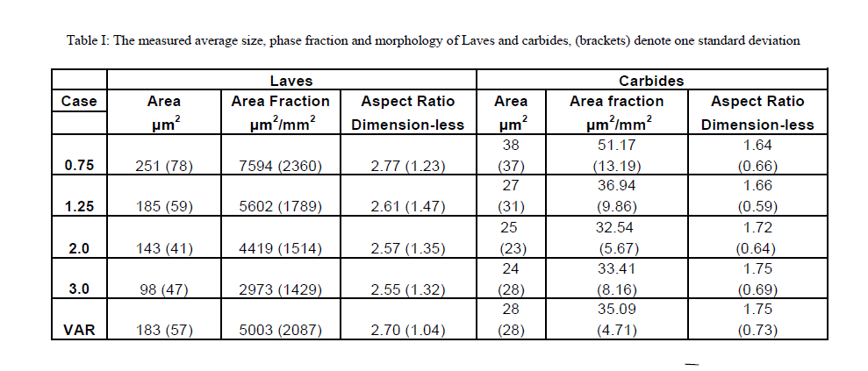
研究目标：研究堆垛错能对动态应变时效(dynamic straub aging)的影响
研究对象：table1中的金属
研究方式：实验观测
给定数据：成分(实验)、活化能(计算)、剪切模量(实验)、层错宽度(实验)、泊松比(实验)
31 | DYNAMIC STRAIN AGING IN Ni BASE ALLOYS WITH DIFFERENT STACKING FAULT ENERGY |  |  |  |  |  |  |  |  | 镍基合金在不同堆垛层错能下的动态应变时效

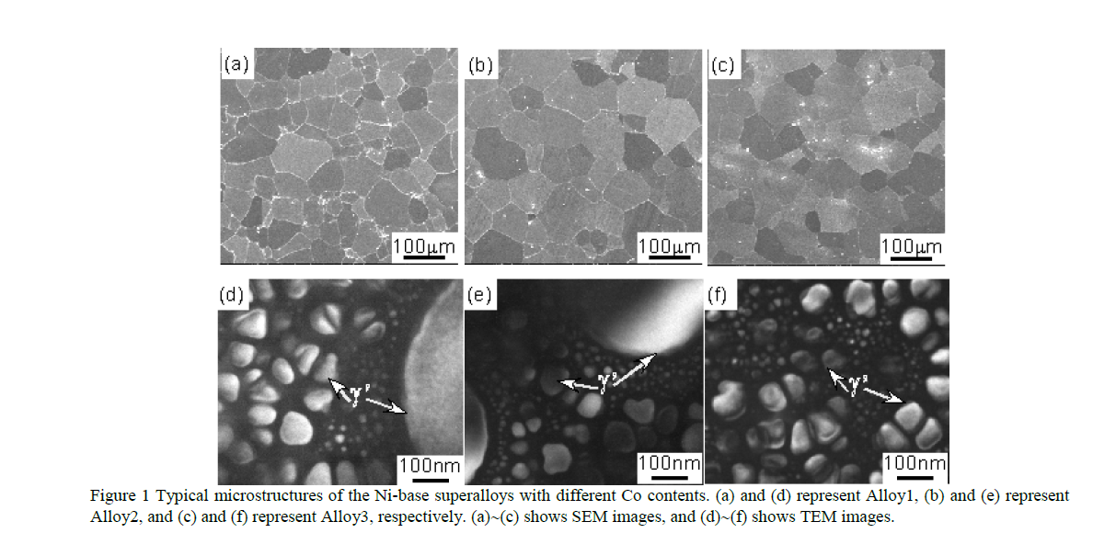
Table I Nominal chemical composition of the Ni base superalloys with different Co contents (wt.%).
 | Cr | Co | Mo | W | Ti | Al | B | Zr | C | Ce | Ni
Alloy1 | 14 | 5 | 2.8 | 1.2 | 5.6 | 2.3 | 0.015 | 0.03 | 0.02 | 0.01 | Bal.
Alloy2 | 14 | 15 | 2.8 | 1.2 | 5.6 | 2.3 | 0.015 | 0.03 | 0.02 | 0.01 | Bal.
Alloy3 | 14 | 23 | 2.8 | 1.2 | 5.6 | 2.3 | 0.015 | 0.03 | 0.02 | 0.01 | Bal.

γ'相中的成分(通过TEM-EDS得到)
Table II The chemical composition of the γ′ phase analyzed by TEM-EDS (wt.%).
 | Cr | Co | Ti | Al | Ni
Alloy1 | 2.8 | 2.9 | 11.5 | 6.4 | 72.4
Alloy2 | 3.2 | 9.4 | 12.2 | 4.2 | 70.8
Alloy3 | 3.7 | 15.7 | 12.5 | 4.2 | 63.1

用于计算和SFE中的参数设置（ASTM E1876-09 方法实验得出）
G：剪切模量
ν：泊松比
d：D是两个部分的分离宽度(SF宽度)
γSF：堆垛层错能
Table III Parameters used for calculation and SFE in the tested alloys
Alloy | G(GPa) | ν | Stacking fault width |  | γSF mJ/m2
 |  |  | d1 | d2
Alloy1 | 86.4 | 0.28 | 3.2 | 5.2 | 40.1±1.2
Alloy2 | 87.7 | 0.26 | 4 | 3.8 | 33.3±0.9
Alloy3 | 89.6 | 0.23 | 5.6 | 8.2 | 24.9±0.5

三种合金serrated曲线的温度范围、serration 类型和活化能。
Normal and Inverse DSA(dynamic strain aging) behaviors
serration type: The starting temperature for serration improved from 200°C to 300°C
Table IV Temperature range of the serrated curve, serration type and activation energy of three alloys.
 | Temperature range | Serration type | Q(kJ/mol)
Alloy1 | 200∼400°C | A,B | Normal | 44
Inverse |  |  | Inverse | 104
Alloy2 | 250∼450°C | A,B,C | Normal | 40
Inverse |  |  | Inverse | 113
Alloy3 | 300∼500°C | A,B,C | Normal | 60
Inverse |  |  | Inverse | 105
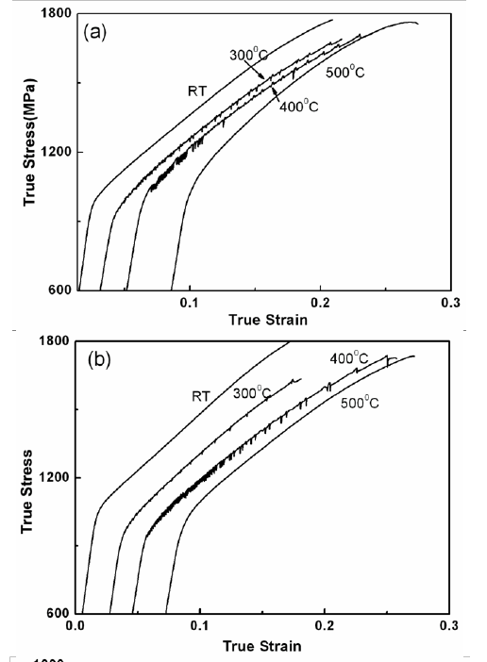
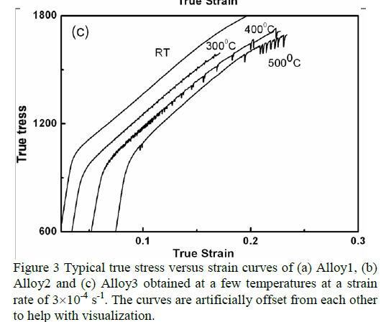

32 | EFFECT OF OFF-STOICHIOMETRY AND TERNARY ADDITIONS ON PLANAR FAULT ENERGIES IN Ni3Al

研究目标：EFFECT OF OFF-STOICHIOMETRY AND TERNARY ADDITIONS ON PLANAR FAULT ENERGIES IN Ni3Al
研究对象：不同的三元组合金
研究方式：用第一性原理计算
给定数据：高温合金中有序γ΄(L12)沉淀的层错能数据(计算)、内聚能(计算)、晶格参数(计算)

在γ'相中的堆垛层错能
APB：Anti-Phase Boundaries(反相边界)
CSF：Complex Stacking Fault
SISF：Superlattice Intrinsic Stacking Fault
Table 1. A summary of stacking fault energies in Ni3(Al1-(x+δ)XxNiδ) reported in literature (in mJ/m2).
Composition | Type of calculation | APB(111) | APB(001) | CSF(111) | SISF(111) | References
Ni3Al | ab-initio | 240 | 137 | 308 | 147 | [14]
 |  | 175 | 140 | 225 | 40 | [15]
 | EAM | 142 | 83 | 121 | 13 | [16]
 |  | 252 | 80 | 202 | 51 | [17]
 | exp. | 111±15 | 90±15 |  | 10±5 | [18]
 |  | 195±13 | 160±20 | 236±29 |  | [19]
Ni-22.9Al | exp. | 169±19 | 104±8 |  |  | [21]
Ni-24Al | exp. | 176±11 | 135±18 | 206±27 |  | [19]
Ni-24.2Al | exp. | 163±21 | 122±11 |  |  | [21]
Ni-25.9Al | exp. | 190±26 | 170±21
Ni-26Al | exp. | 219±17 | 184±16 | 277±49 |  | [19]
Ni3Ti | ab-initio | 550 | -160 |  |  | [15]
Ni-17.4Al-6.2Ti | exp. | 250±30 | 250±30 |  |  | [22]
Ni-16.67Al-8.33Ti | ab-initio | 476 |  |  |  | [23]
Ni-12.5Al-12.5Ti | ab-initio | 633
Ni-8.33Al-16.67Ti | ab-initio | 624
Ni-24.7Al-1Ta | exp. | 237±30 | 200±25 |  |  | [24]
 |  | 352±50 |  |  |  | [25]
Ni-16.67Al-8.33Ta | ab-initio | 540 |  |  |  | [23]
Ni-12.5Al-12.5Ta | ab-initio | 443
Ni-8.33Al-16.67Ta | ab-initio | 238

Table 2. A summary of fault energies (in mJ/m2) calculated in this study for the various compositions. Experimental values for γ΄ with
similar composition are also indicated in brackets where available. The reference for the experimental data is also shown.
Composition | CSF(111) | APB(111) | APB(001) | SISF(111) | Ratio of APB(111) to APB(001) | Reference
在γ'相中的堆垛层错能
APB：Anti-Phase Boundaries(反相边界)
CSF：Complex Stacking Fault
SISF：Superlattice Intrinsic Stacking Fault
Ni3Al | 170(236) | 152(195) | 58(160) | 39 | 2.62 | [19]
Ni3Al0.917Ni0.083 | 138 | 98(169) | 7(104) | 20 | 14 | [21]
Ni3Al0.833Ni0.167 | 109 | 45 | -6 | 11 | -
Ni3.083Al0.833Ta0.083 | 174 | 145 | 42 | 37 | 3.45
 | 181 | 140 | 56 | 49 | 2.5
Ni3.083Al0.833Ti0.083 | 167 | 142 | 37 | 47 | 3.84
 | 168 | 127 | 56 | 55 | 2.27
Ni3Al0.917Ta0.083 | 227 | 210 | 144 | 90 | 1.46
Ni3Al0.833Ta0.167 | 295 | 281 | 230 | 147 | 1.22
Ni3Al0.75Ta0.25 | 388 | 378 | 306 | 203 | 1.24
 | 376 | 370 | 298 | 196 | 1.24
 | 396 | 326 | 344 | 194 | 0.95
Ni3Al0.5Ta0.5 | 608 | 473 | 332 | 73 | 1.42
 | 599 | 476 | 288 | 127 | 1.65
Ni3Al0.25Ta0.75 | 106 | -61 | -521 | -465 | 0.12
Ni3Ta | -450 | -691 | -1204 | -1166 | 0.57
Ni3Al0.917Ti0.083 | 213 | 194 | 135 | 91 | 1.44
Ni3Al0.833Ti0.167 | 246 | 217 | 204 | 130 | 1.06
Ni3Al0.75Ti0.25 | 298 | 249 | 244 | 174 | 1.02
 | 313 | 300 | 243 | 176 | 1.24
 | 299 | 242(250) | 254(250) | 159 | 0.95 | [22]
Ni3Al0.5Ti0.5 | 444 | 529 | 370 | 232 | 1.43
 | 451 | 404 | 394 | 221 | 1.02
Ni3Al0.25Ti0.75 | 602 | 578 | 379 | 161 | 1.52
 | 631 | 527 | 377 | 155 | 1.4
Ni3Ti | 468 | 360 | 51 | -127 | 7.12

改变能带距离带来的层错能变化
APB：Anti-Phase Boundaries(反相畴界)
CSF：Complex Stacking Fault
SISF：Superlattice Intrinsic Stacking Fault (超晶特性的堆垛层错)
FNN：first nearest neighbors
SNN: second nearest neighbors
TNN:third nearest neighbors
Table 3. Average change in bonding environment per atom on the
fault plane in stoichiometric Ni3Al
Distance | Type | SISF(111) | APB(001) | APB(111) | CSF(111)
a/√2 (FNN) | (Al-Al) | – | – | 0.125 | 0.125
 | (Ni-Al) |  |  | -0.25 | -0.25
 | (Ni-Ni) |  |  | 0.125 | 0.125
a (SNN) | (Al-Al) | – | -0.125 | -0.375 | -0.375
 | (Ni-Al) |  | 0.25 | 0.75 | 0.75
 | (Ni-Ni) |  | -0.125 | -0.375 | -0.375
2a/√3 (TNN) | (Al-Al) | 0.125 | – | – | 0
 | (Ni-Al) | 0 |  |  | 0.25
 | (Ni-Ni) | 0.375 |  |  | 0.25

Table 4. Coefficients for lattice parameter, cohesive energy and
fault energies derived from pseudobinary data in the dilute
solution range. The linear coefficients are in units per (at.frac).
The second order coefficients are in units per (at.frac)2
Property | Ternary addition | Coefficients
 |  | a0(Å) | αM
Lattice parameter | Ni | 3.5662 | -0.05
 | Ti |  | 0.0416
 | Ta |  | 0.1076
 |  | Ec0(eV/atom) | βM
Cohesive energy | Ni | -4.9353 | 0.1845
 | Ti |  | -0.5536
 | Ta |  | -1.252
 |  | γ 0 (mJ/m2) | ( χ1,M) | ( χ2,M)
CSF(111) | Ni | 170 | -402 | 216
 | Ti |  | 439 | 269
 | Ta |  | 552 | 1269
APB(111) | Ni | 152 | -654 | 72
 | Ti |  | 485 | -413
 | Ta |  | 556 | 1379
APB(001) | Ni | 58 | -840 | 2736
 | Ti |  | 1072 | -1292
 | Ta |  | 1079 | -341
SISF(111) | Ni | 39 | -288 | 720
 | Ti |  | 617 | -322
 | Ta |  | 609 | 193

Table 5. Comparison of cohesive energies (eV/atom) of Ni3Al,
Ni3Ti, Ni3Ta in various geometrically close packed structures.
Compositions | Structure
 | L12 | DO22 | DO24 | DO19 | DOa
Ni3Al | -4.9363 | -4.9158 | -4.9203 | -4.9256 | -4.9129
NI3Ti | -5.4453 | -5.4098 | -5.4583 | -5.4458 | -5.4031
Ni3Ta | -5.9172 | -6.0888 | -6.0027 | -6.0648 | -6.0718

33 | EFFECT OF THE PRIOR MICROSTRUCTURE DEGRADATION ON THE HIGH TEMPERATURE/LOW STRESS NON-ISOTHERMAL CREEP BEHAVIOR OF CMSX-4® NI-BASED SINGLE CRYSTAL SUPERALLOY
研究目标：早期显微组织退化对CMSX-4单晶高温合金高温低应力非等温蠕变行为的影响
研究对象：表1中的合金
研究方式：实验
给定数据：成分外部温度应力(实验)、蠕变断裂时间和断裂应变(实验)

 |  |  | c

Table I. Chemical compositions of MC2 and CMSX-4® alloys
 | Cr | Co | Al | W | Ta | Ti | Mo | Re | Hf | Ni
MC2 | 8 | 5 | 5 | 8 | 6 | 1.5 | 2 | bal
CMSX-4® | 6.4 | 9.7 | 5.64 | 6.4 | 6.5 | 1.05 | 0.6 | 2.9 | 0.1 | bal

不同条件早期和晚期的蠕变应变
N-type: γ'筏化 垂直结构
P-tpye:γ'筏化 平行结构
temperature:外部 温度
stress:外部应力
time:时间
Accumulated plastic strain:累计的应变
Table II. Investigated prior creep degradation and prior creep strains at the end of the degradation
 | Temperature (°C) | Stress (MPa) | Time (h) | Accumulated plastic strain (%)
N-type | 1050 | 120 | 100 | 0.21
 | 1050 | 120 | 300 | 0.29
 | 1050 | 120 | 1170 | 3.4
P-type | 1050 | -140 | 140 | -0.19
 | 1050 | -141 | 113 | -0.27
 | 1050 | -141 | 113 | -0.39

34 | EFFECT OF THERMAL CYCLING ON HIGH TEMPERATURE CREEP OF COATED CMSX-4

研究目标：热循环对CMSX-4涂层高温蠕变的影响
研究对象：表1中的合金，添加了表格2中的涂层
研究方式：实验观测
给定数据：合金成分 外部温度应力(实验)、涂层组成(实验)，涂层和扩散区厚度(实验)c

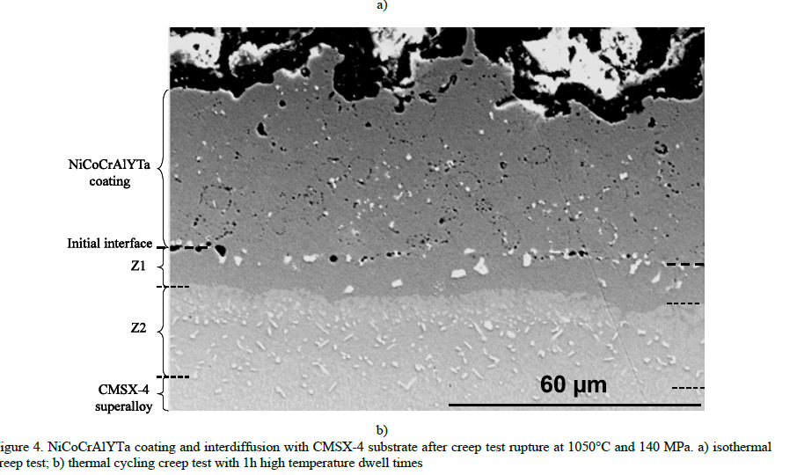
Table I. Nominal composition of the CMSX-4 single crystal superalloy used in this study (in wt.%)
Ni | Al | Co | Cr | Hf | Mo | Re | Ta | Ti | W
Bal. | 5.6 | 9.6 | 6.4 | 0.1 | 0.6 | 3 | 6.5 | 1 | 6.4

Table II. Composition of NiCoCrAlYTa coating (in wt.%)
Ni | Co | Cr | Al | Y | Ta
Bal. | 23 | 20 | 8.5 | 0.6 | 4.5

合金在试验后涂层和扩散区的厚度和寿命比
Z1,Z2: 如图所示，为涂层和扩散区的厚度
Ztot: 总的厚度
tcyc/tiso: 寿命比(热循环/等温)
Table III. Microstructure observations of coating/substrate interdiffusion zones (Z1 and Z2) after isothermal and thermal cycling creep tests
at 1050°C-140 MPa, 1150°C-140 MPa and 1150°C-80 MPa. Ztot: total interdiffusion zone thickness, tcyc/tiso: lifetime ratios (thermal
cycling/isothermal) of observed samples
 |  | Quantity of TCP | Z1 (μm) | Z2 (μm) | Ztot (μm) | tcyc/tiso
1050°C-140 MPa | Isothermal | intermediate | 9 | 15 | 24 | -
 | Thermal cycling | numerous | 9 | 26 | 35 | 0,79
1150°C-140 MPa | Isothermal | numerous but small | 23(+β) | 5 | 28 | -
 | Thermal cycling | numerous but very small | 14(+β) | 13.5 | 27.5 | 0,78
1150°C-80 Mpa | Isothermal | very few | 45.5 | - | 45.5 | -
 | Thermal cycling | very few | 23 | 20 | 43 | 0,37

36 | EFFECTS OF HAMMER PEENING AND AGING TREATMENT ON MICROSTRUCTURE, MECHANICAL PROPERTIES AND CORROSION RESISTANCE OF OIL-GRADE ALLOY 718
研究目标：锤击和时效处理对油级合金718组织、力学性能和耐蚀性的影响
研究对象：表1中的合金经过表2中的处理
研究方式：实验观测
给定数据：合金成分 (实验)、硬度(实验)、Residual Stress(实验)、Roughness(实验)

Table 1 Chemical compositions of oil-grade alloy 718
Element | C | Ni | Cr | Fe | Nb | Mo | Ti | Al
wt% | 0.02 | 52.6 | 18.5 | Balance | 5.1 | 3 | 1 | 0.5

Table 2 Surface treatment and aging treatment conditions
1 | 1032℃ (1890°F)/2h + Milling
2 | 1032℃ (1890°F)/2h + Milling +760℃ (1400°F)/4~5h + 650℃ (1202°F)/4~5h
3 | 1032℃ (1890°F)/2h + Milling + Hammer Peening
4 | 1032℃ (1890°F)/2h + Milling + Hammer Peening + 760℃ (1400°F)/4~5h + 650℃ (1202°F)/4~5h

Table 3 Surface conditions of oil-grade alloy 718
Samples | Hardness(HV) | Residual Stress (MPa) | Roughness(μm)
1# | 260 | -190 | 43.61
2# | 420 | -95 | 23.68
3# | 340 | -730 | 9.04
4# | 450 | -115 | 9.66

Table 4 Atomic concentration (%) of chemical species in the
surface oxide layers of hammer-peened oil-grade alloy 718
Samples | Cr | Fe | Ni | Nb | Mo | Ti
3# | 64.2 | 0 | 0 | 16.4 | 19.4 | 0
4# | 51.2 | 0 | 0 | 12.7 | 7.4 | 28.7

Table 5 Potentiodynamic polarization results of surface-treated
oil-grade alloy 718 before grinding in 3.5 wt% NaCl at RT
Samples | Ecorr (VSCE) | Icorr (A/cm2) | Ipass (A/cm2) | Epit (VSCE)
1# | -0.272 | 1.70E-07 | 1.25E-06 | 0.298 | c
2# | -0.232 | 9.20E-08 | 9.16E-07 | 0.298
3# | -0.249 | 9.68E-08 | 6.68E-07 | 0.494
4# | -0.219 | 9.86E-08 | 4.13E-07 | 0.457

37 | EFFECTS OF Y AND La ADDITIONS ON THE PROCESSING AND PROPERTIES OF A SECOND GENERATION SINGLE CRYSTAL NICKEL-BASE SUPERALLOY CMSX-4®
研究目标：Y元素和La元素对二代合金CMSX-4的影响
研究对象：表1中的合金
研究方式：实验观测
给定数据：合金成分 (实验)、

i

Table I: Nominal Composition (wt. %) of Ni-base Superalloy CMSX-4, Balance Ni [1]
Al | Ti | Cr | Co | Mo | Hf | Ta | W | Re
5.6 | 1 | 6.5 | 9.6 | 0.6 | 0.1 | 6.5 | 6.4 | 3

38 | ENVIRONMENTAL AND DWELL EFFECTS ON THE DAMAGE TOLERANCE PROPERTIES OF ATI 718PLUS® ALLOY
Table I: Nominal alloy compositions for 718Plus and Waspaloy used in this study (wt.%).
Alloy | Ni | Co | Cr | Fe | Ti | Al | Nb | Mo | W | C | P | B
718Plus® | bal. | 8.99 | 17.81 | 9.59 | 0.75 | 1.49 | 5.52 | 2.71 | 1.01 | 0.022 | 0.0056 | 0.0044
Waspaloy | bal. | 13.35 | 19.58 | 0.91 | 3.05 | 1.38 | 0.02 | 4.18 | 0.04 | 0.036 | 0.0018 | 0.0073

Table II: Heat treatment conditions of 718Plus and Waspaloy
Alloy | ID | Heat treatment details (°C)
718Plus® | HT1 | 968°C 0.5 h, RAC
 |  | 788°C 8 h, FC @ 38°C/h
 |  | 704°C 8 h, AC
 | HT2 | HT1 + 732°C 1000 h, AC
Waspaloy | W1 | 1018°C 1 h, WQ
 |  | 843°C 4 h, AC
 |  | 760°C 16 h, AC
where: (RAC) rapid air cooling, (FC) furnace cooling,
(AC) air cooling, (WQ) water quench

Table III: Summary of microstructural features for 718Plus and Waspaloy material conditions
Alloy | ID | δ fraction |  | γ′size(nm)
 |  | Af | std. dev. | secondary | tertiary
718Plus | HT1 | 0.065 | ±0.01 | n/a | 27.6
 | HT2 | 0.059 | ±0.009 | n/a | 59.6
Waspaloy | W1 | n/a | n/a | 144.4 | 40.5
Grain size: H.t. 718Plus bullet, 24 to 61 um(Astm 5 to 7.5)
 | H.t. Waspaloy bullet, 20 to 24 um(Astm 7.5 to 7.8)

40 | EXPERIMENTAL DETERMINATION OF TTT DIAGRAM FOR ALLOY 718PLUS®

Table I. Measured composition (wt%) of 718Plus compared to nominal 718 [6]
Alloy* | Cr | Mo | W | Co | Fe | Nb | Ti | Al
718Plus | 17.87 | 2.68 | 1.12 | 9.2 | 9.59 | 5.55 | 0.83 | 1.39
718 | 18.1 | 2.9 | - | - | 18 | 5.4 | 1 | 0.45

Table 2. Semiquantitative EDS chemistry of baseline extracts.
Element | σ and carbides (Atom %) |  (Atom %)
Al | - | 4.2
Ti | 5.15 | 4.5
Cr | 1.62 | 2
Fe | 1.99 | 3.2
Co | 0.7 | 2.4
Ni | 71.85 | 69.3
Nb | 18.69 | 10.2

41 | FATIGUE CRACK PROPAGATION IN THIN-WALL SUPERALLOYS COMPONENT; EXPERIMENTAL INVESTIGATION VIA MINIATURE CT SPECIMEN
Table 1 Chemical compositions and heat
treatments for superalloys employed in this study
Al | Ti | Ta | Mo | W | Re | Hf | Cr | Co | Ni
5.7 | 1 | 6.5 | 0.6 | 6.4 | 2.9 | 0.1 | 6.4 | 9.7 | Bal.
Solution treatment: 1277°C×2h + 1296°C×2h + 1304°C×3h+1313°C×3h+ 1316°C×3h + 1321°C×3h Aging treatment: 1080°C×4h+880°C×20h
Cr | Co | C | W | Ti | Al | Nb | Ta | Zr | B | Ni
22.4 | 19 | 0.15 | 2 | 3.7 | 1.9 | 1 | 1.4 | 0.1 | 0.01 | Bal.
Solution treatment: 1160°C×4h/RAC+1000°C×6h/RAC Aging treatment: 900°C×24h/AC + 700°C×16h/AC

Table 2 Tested specimens of as-cast CMSX-4
Specimen | Loading axis, L | T axis | P axis | Angle, θ (degree) | Angle, η (degree) | Fracture surface
100-1 | [100] | [001] | [010] | 45 | 45 | (-11-1)
100-2 | [100] | [001] | [010] | 45 | 45 | (-11-1)
110-1 | [221] | [-110] | [114] | 55 | 0 | (-1-11)
110-2 | [110] | [-11-2] | [-111] | 22 | 58 | (-1-11)
110-3 | [110] | [00-1] | [-110] | 0 | 35 | (-1-11)
111-1 | [111] | [-1-12] | [1-10] | 68 | 55 | (1-11)
111-2 | [111] | [-1-12] | [1-10] | 68 | 55 | (-111)
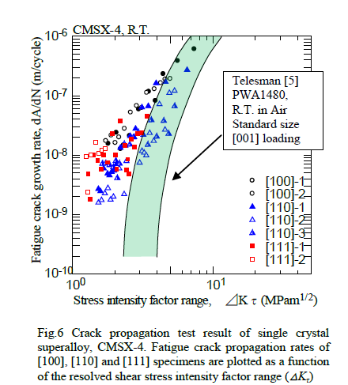
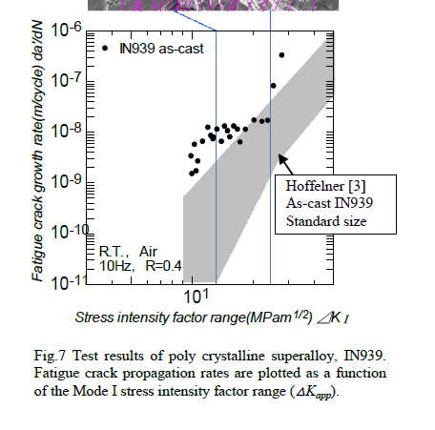

42 | FATIGUE FAILURE MODES OF THE GRAIN SIZE TRANSITION ZONE IN A DUAL MICROSTRUCTURE DISK

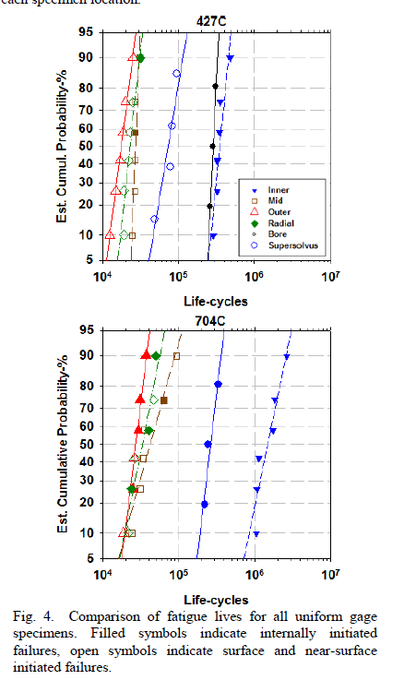
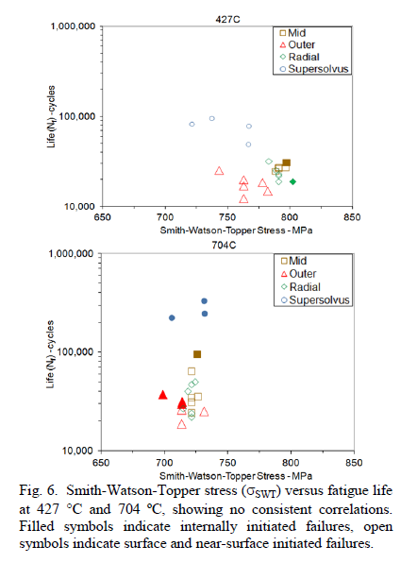
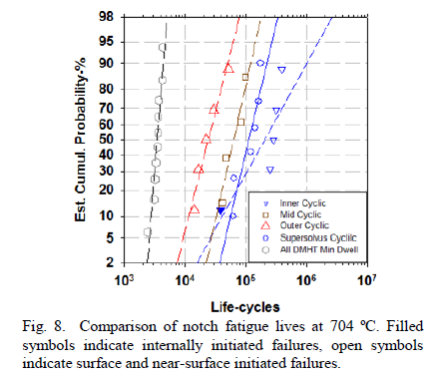
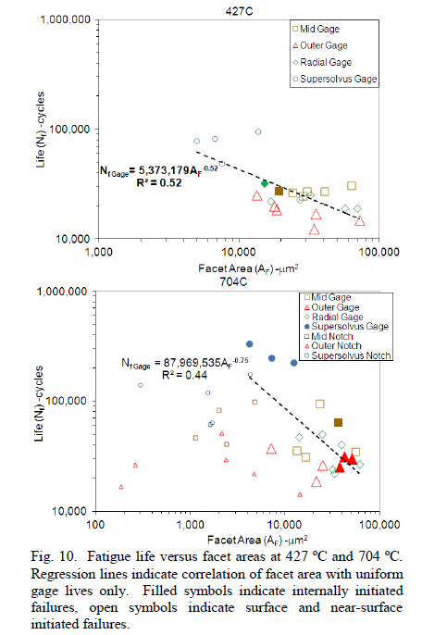
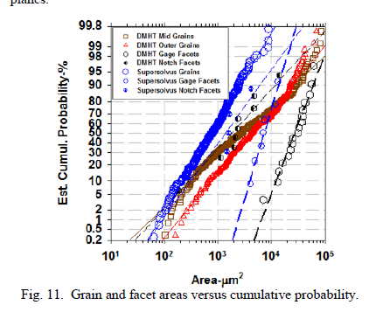

43 | GRAIN BOUNDARY DEFORMATION AND FRACTURE MECHANISMS IN DWELL FATIGUE CRACK GROWTH IN TURBINE DISK SUPERALLOY ME3
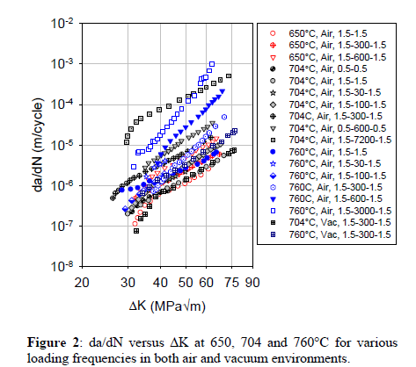

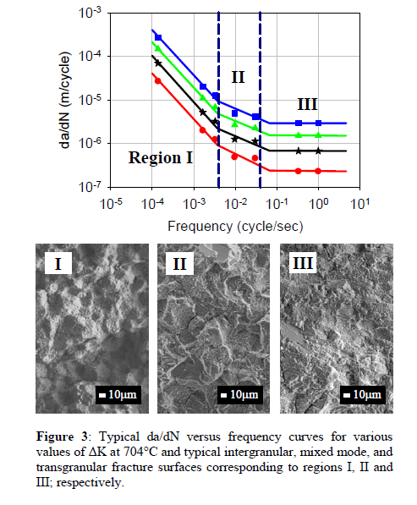
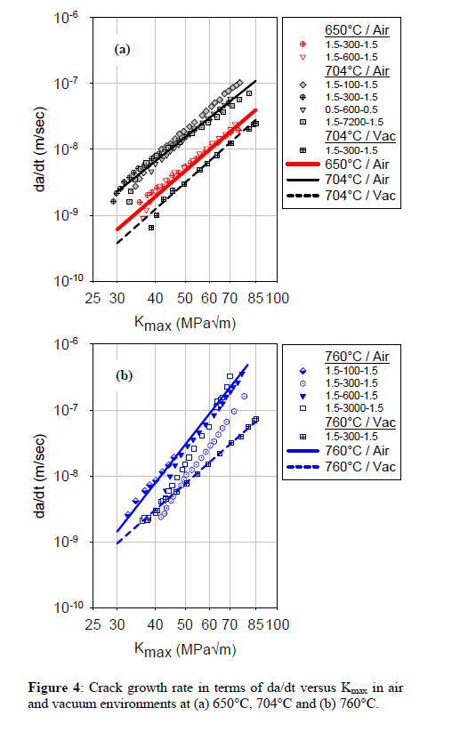
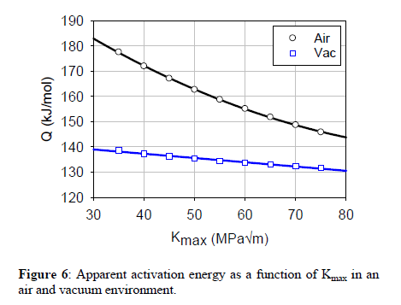
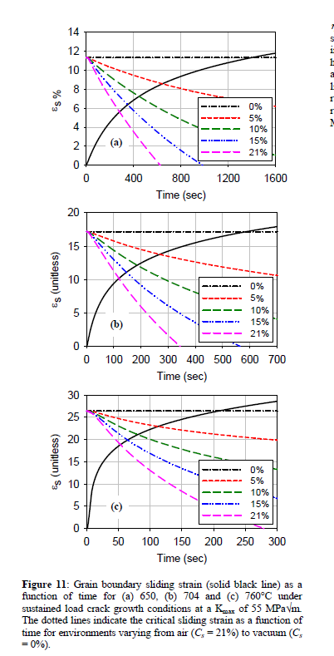
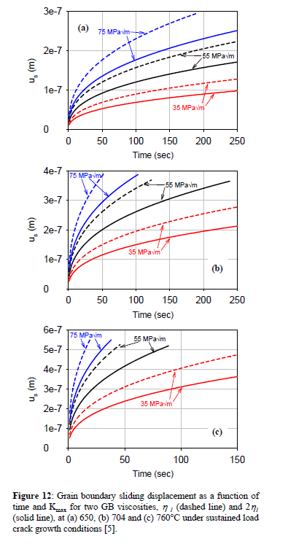

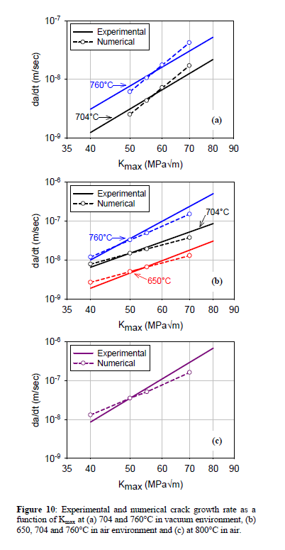

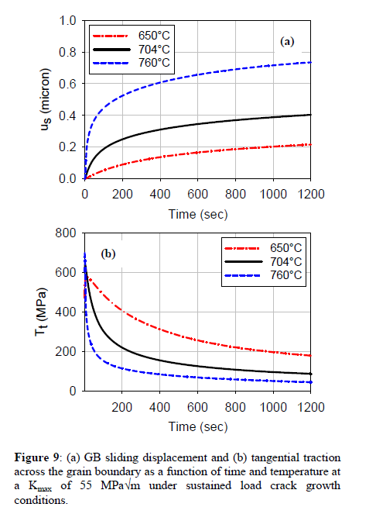

44 | Grain Boundary Engineering Alloy 706 for Improved High Temperature Performance

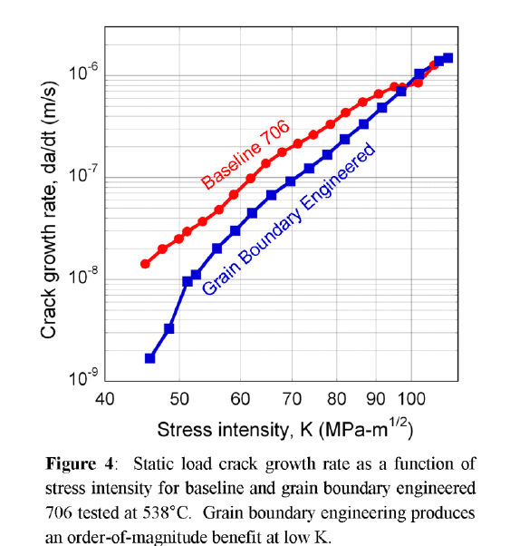

45 | GRAIN SCALE CRYSTAL PLASTICITY MODEL WITH SLIP AND MICROTWINNING FOR A THIRD GENERATION NI-BASE DISK ALLOY

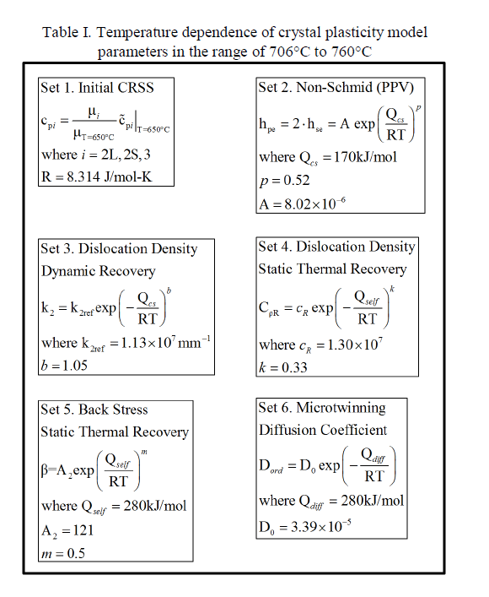
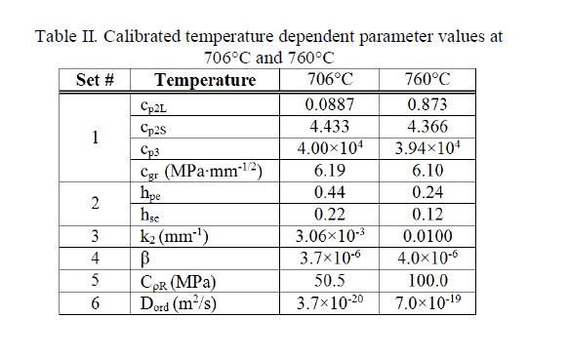
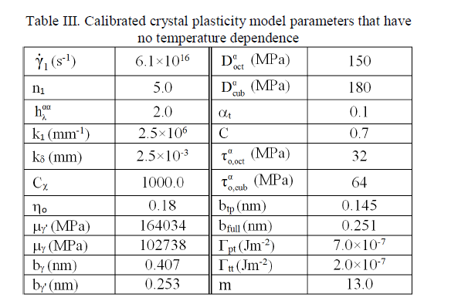

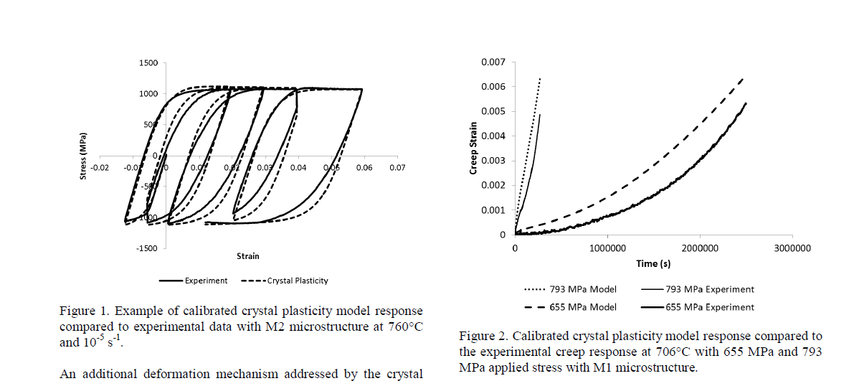

46 | High Temperature Creep of New L12-containing Cobalt-base Superalloys

Table 1: Compositions in at.% of Co-base alloys investigated.
Alloy | Co | Al | W | Ta | Cr | Ti
Ternary | 79.9 | 9.4 | 10.7 | - | - | -
2Ta | 79.4 | 8.8 | 9.8 | 2 | - | -
CrTa | 78.4 | 7.8 | 7.8 | 1.5 | 4.5 | -
6Ti | 79 | 6.7 | 8.1 | - | - | 6.2

Table 2: Heat treatment schedules of investigated alloys.
Alloy | Solution | Age
Ternary | 1350C/12hrs | 950C/120hrs
2Ta | 1350C/12hrs | 1000C/100hrs
CrTa | 1300C/6hrs | 900C/150hrs
6Ti | 1225C/60hrs | 1000C/100hrs

Table 3: Constant load tensile creep test conditions.
Sample | Temp. | Stress | End of Test
Ternary | 900 | 310 | Rupture
 |  | 345 | Int. at 2%
2Ta | 900 | 310 | Rupture
 |  | 345 | Int. at 2%
CrTa | 900 | 310 | Int. at 2%
 |  | 275 | Rupture
6Ti | 900 | 310 | Int. at 2%
 |  | 379 | Rupture

Table 4: Overview of creep properties of investigated alloys.
Sample | Temp. | Stress | Min. Creep Rate | Time to 2% (hrs) | Final Creep Strain (%) | Time to Rupture | Rafting Direction | Initial Precipitate Shape
Ternary | 900 | 310 | 0.6 | 175 | 12 | 209 | Parallel | Cuboidal
 |  | 345 | 0.8 | 80 | 2.1 | - |  | Cuboidal
2Ta | 900 | 310 | 0.5 | 295 | 7.4 | 468 | Parallel | Cuboidal
 |  | 345 | 0.7 | 190 | 1.98 | - |  | Cuboidal
CrTa | 900 | 310 | 1.4 | 65 | 2.2 | - |  | Cuboidal
 |  | 275 | 0.4 | 133 | 9.7 | 213 | Parallel | Cuboidal
6Ti | 900 | 310 | 0.5 | 356 | 2.3 | - |  | Cuboidal
 |  | 379 | 0.6 | 107 | 24.1 | 321 | Parallel | Cuboidal

47 | INCONEL 718 SINGLE AND MULTIPASS MODELLING OF HOT FORGING
Table 1: Quantitative results obtained from EBSD data
 | Grain Size (μm) | Sub-boundary ratio (%) | Twin ratio (%)
As received | 15 | 25 | 30
Initial (Dwell) | 95 | 5 | 55
SP process | 25 | 25 | 15
MPQ process | 55 | 35 | 15
MPD process | 20 | 10 | 25

Table 2: Material parameters identified in this study taken from Cristal_ECP and CA_ReX
 | b (nm) | ast | v | E (GPa) | m | D (μm) | τ0 (MPa) | gc (nm) | ρ0 (mm-2) | K | γ● | Mm (m4.J-1.s-1) | γm (J.m-2) | ρg (mm-2) | ρn (mm-2) | n
γmatrix | 0.26 | 8.00E-03 | 0.3 | 105 | 0.23 | 44 | 5 | 28 | 1.00E+07 | 21 | 1.30E-04 | 2.00E-10 | 0.05 | 1.30E+08 | 2.50E+08 | 7.5

48 | INFLUENCE OF g' PRECIPITATE SIZE AND DISTRIBUTION ON LCF BEHAVIOR OF A PM DISK SUPERALLOY
Table I. Composition of the N18 superalloy in wt%
Ni | Co | Cr | Mo | Al | Ti | Hf
Bal. | 15.4 | 11.25 | 6.5 | 4.42 | 4.35 | 0.48
B | C | Zr
0.016 | 0.016 | 0.028

Table II. Heat treatments applied to N18 alloy and resulting experimental and calculated microstructural data
Microstructure designation | Solution heat treatment | Aging treatment | γ'II mean edge (nm) | γ'III mean diameter (nm) | γ'II mean edge (nm)
“reference” | 1200°C/2h/AC | 700°C/24h/AC + 800°C/4h/AC | 164 | 25 | 201
“no g'III” | 1200°C/2h/AC | 900°C/1h/AC | 174 | - | 206
“fine g'II” | 1200°C/2h/WQ | 700°C/24h/AC + 800°C/4h/AC | 113 | 25 | 124
“coarse g'II” | 1200°C/2h/4°C·min-1 cooling 1000°C then 1°C·min-1 cooling 900°C/AC | 700°C/24h/AC | 1000-4000 | - | 1450
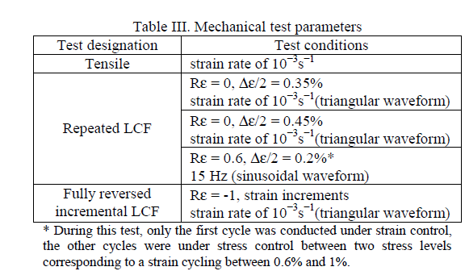

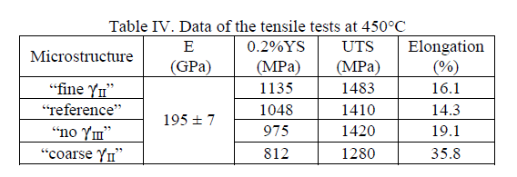

49 | INFLUENCE OF CRYSTALLOGRAPHIC ORIENTATION ON CREEP BEHAVIOR OF ALUMINIZED NI-BASE SINGLE CRYSTAL SUPERALLOYS
Table I. Chemical Composition of Alloys (in Mass%)
 | Co | Cr | Mo | W | Al | Ti | Ta | Re | Hf | Ni
PWA 1480 | 5.2 | 10 | - | 4 | 5 | 1.4 | 12.1 | - | - | bal
CMSX-4 | 9.6 | 6.4 | 0.6 | 6.4 | 5.7 | 1 | 6.5 | 2.9 | 0.1 | bal
TMS-75 | 12 | 2.9 | 2 | 6 | 6.1 | - | 6.1 | 5 | 0.1 | bal

Table III. Creep Life Ratio of (110) to (100) Specimens
 | Creep Life (h) |  | Ratio of (110) to
 | 。(100) | 。(110) | 。(100)
PWA 1480 | 76 | 67 | 0.88
CMSX-4 | 260 | 242 | 0.93
TMS-75 | 525 | 428 | 0.81
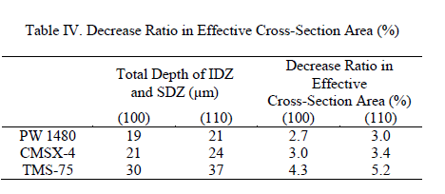

50 | INFLUENCE OF RUTHENIUM ON TOPOLOGICALLY CLOSE PACKED PHASE PRECIPITATION IN SINGLE-CRYSTAL NI-BASED SUPERALLOYS: NUMERICAL EXPERIMENTS AND VALIDATION

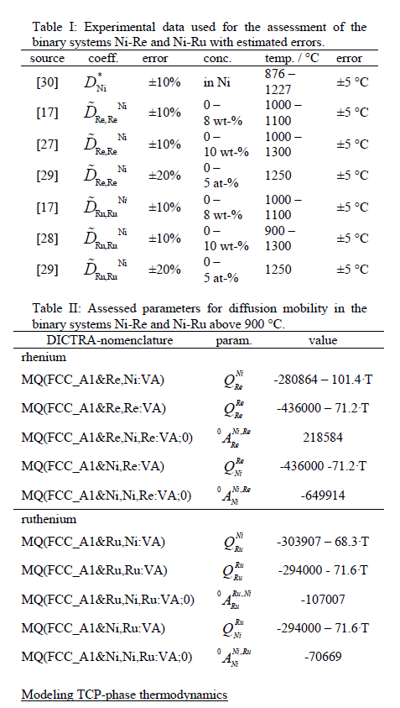

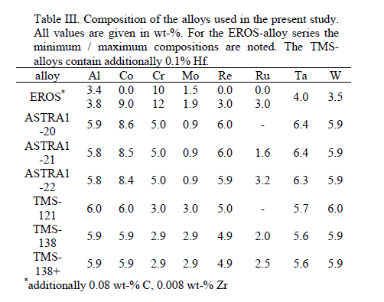

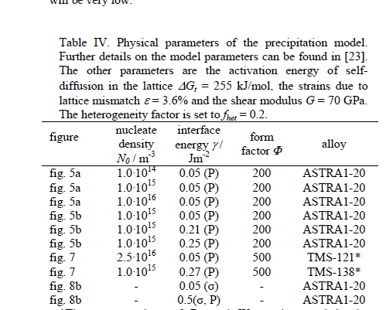

53 | Laser Powder Bed Fabrication of Nickel-Base Superalloys: Influence of Parameters; Characterisation, Quantification and Mitigation of Cracking
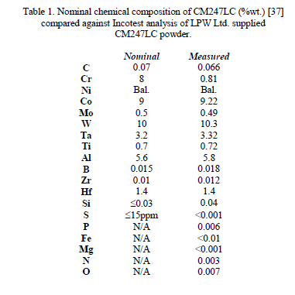

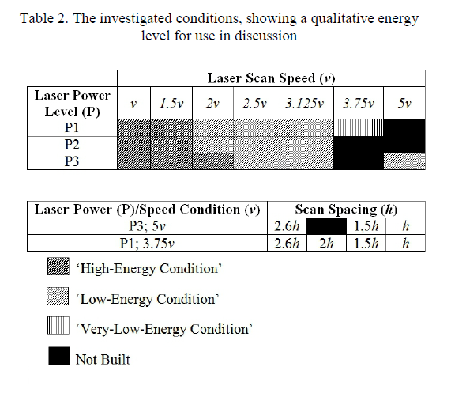

54 | LOCAL FRACTURE TOUGHNESS AND RESIDUAL STRESS MEASUREMENTS ON NiAl BOND COATS BY MICRO CANTILEVER AND FIB-BASED BAR MILLING TESTS

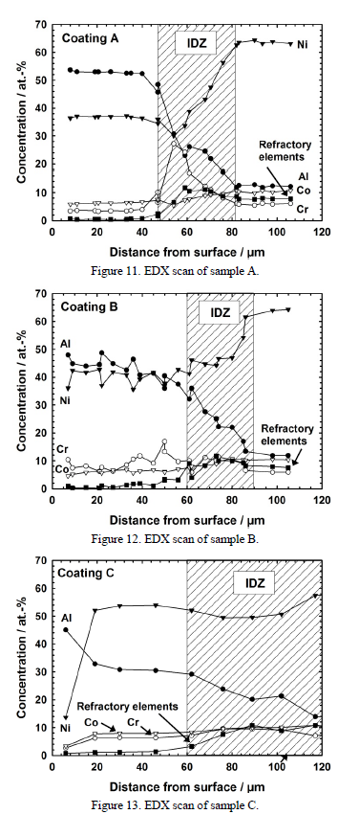
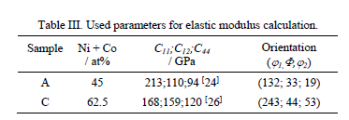

55 | LOW CYCLE FATIGUE BEHAVIOR OF A NEW WROUGHT Ni-Co-BASE DISK SUPERALLOY TMW-4M3

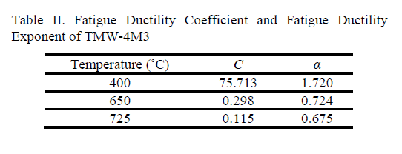

56 | LOW CYCLE FATIGUE OF CMSX-4 IN OFF-AXIS ORIENTATIONS AND THE EFFECT OF A MULTI-AXIAL STRESS STATE
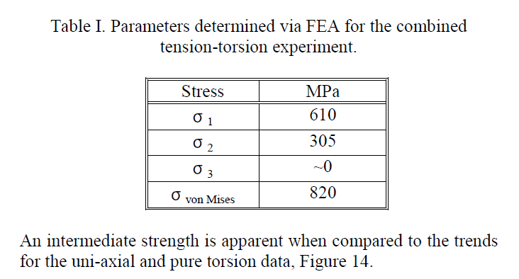

57 | MECHANICAL BEHAVIOR AND DAMAGE PROCESSES OF UDIMET 720Li: INFLUENCE OF LOCALIZED PLASTICITY AT GRAIN BOUDARIES

58 | MICROSTRUCTURAL CHARACTERISATION OF HIGH TEMPERATURE OXIDATION OF NICKEL BASE SUPERALLOY RR1000 AND THE EFFECT OF SHOT-PEENING

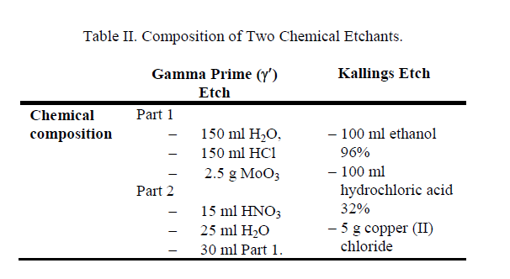

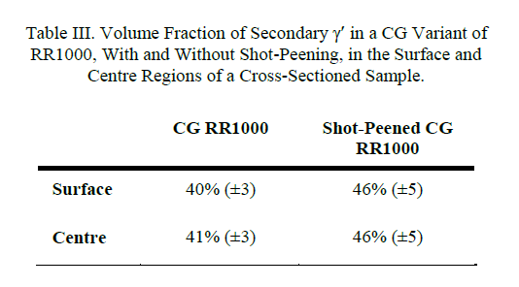

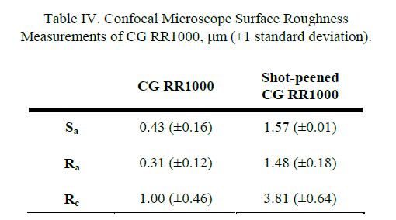

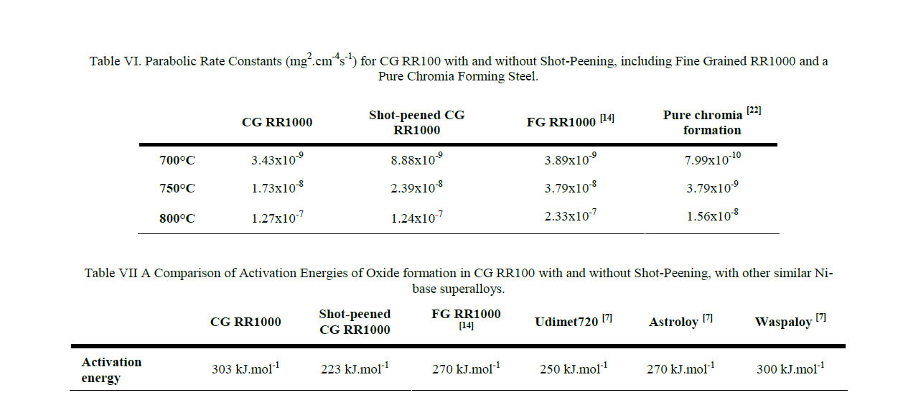

59 | MICROSTRUCTURAL EVOLUTION OF SINGLE CRYSTAL AND DIRECTIONALLY SOLIDIFIED REJUVENATED NICKEL SUPERALLOYS

Table I. Nominal chemical composition in weight percent of the nickel based superalloys and coating used.
Element | Al | Ti | Cr | Co | Nb | Mo | Hf | Ta | W | Re | Y | Ni
CMSX4 | 5.6 | 1 | 6.5 | 9.8 | - | 0.6 | 0.1 | 6.5 | 6.4 | 3 | - | Balance
PWA1483 | 3.6 | 4 | 12.1 | 9.1 | - | 1.9 | - | 5 | 3.8 | - | - | Balance
CM247LC | 5.6 | 0.7 | 8.2 | 9.3 | - | 0.52 | 1.5 | 3.2 | 9.5 | - | - | Balance
IN6203 | 2.3 | 3.5 | 21.5 | 19 | 0.8 | - | 1 | 1.1 | 2 | - | - | Balance
NiCoCrAlY | 12.5 | - | 17 | 22 | - | - | 0.25 | - | - | - | 0.6 | Balance

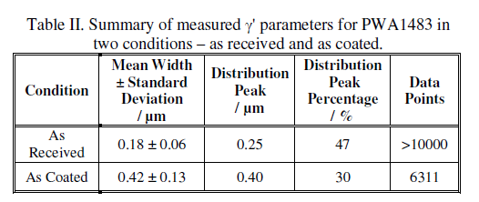

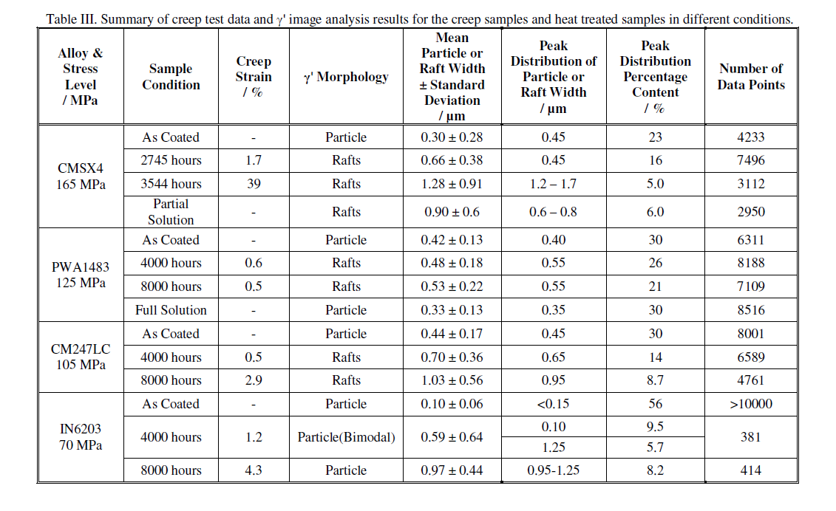

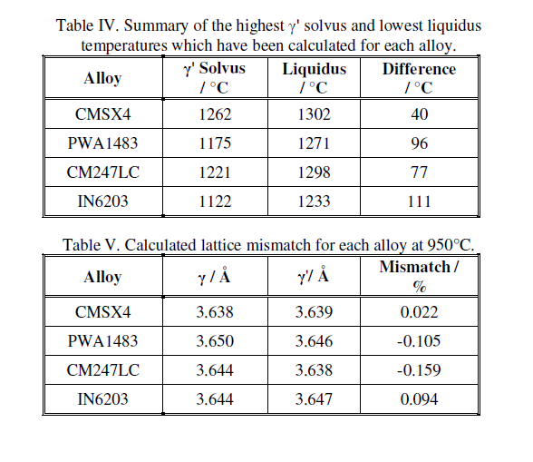

60 | MICROSTRUCTURE DEVELOPMENT DURING CONTROLLED DIRECTIONAL SOLIDIFICATION IN ALLOY 718

