Sheet1
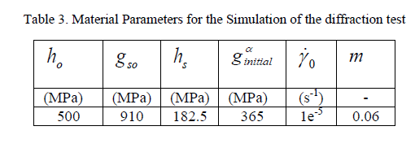
21 | THE EFFECT OF WATER VAPOR AND SUPERALLOY COMPOSITION ON THERMAL BARRIER COATING LIFETIME

22 | The Effect of Crystal Orientation and Temperature on Fatigue Crack Growth of Ni-based Single Crystal Superalloy
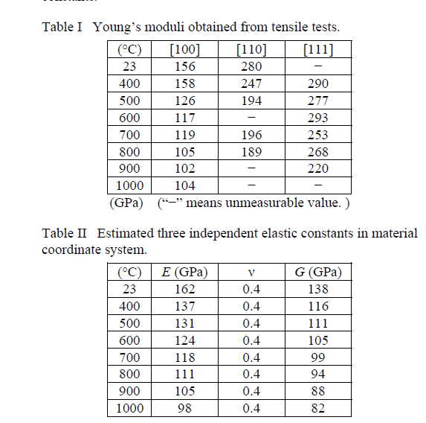
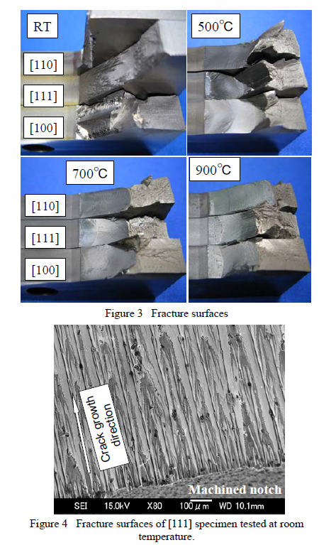
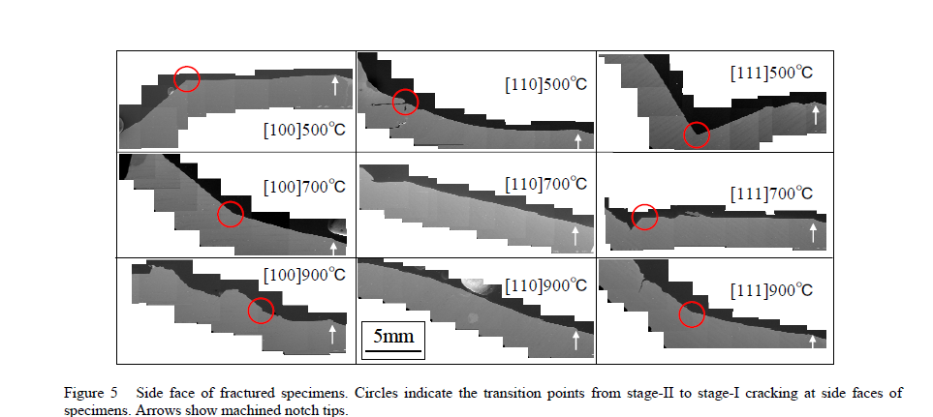

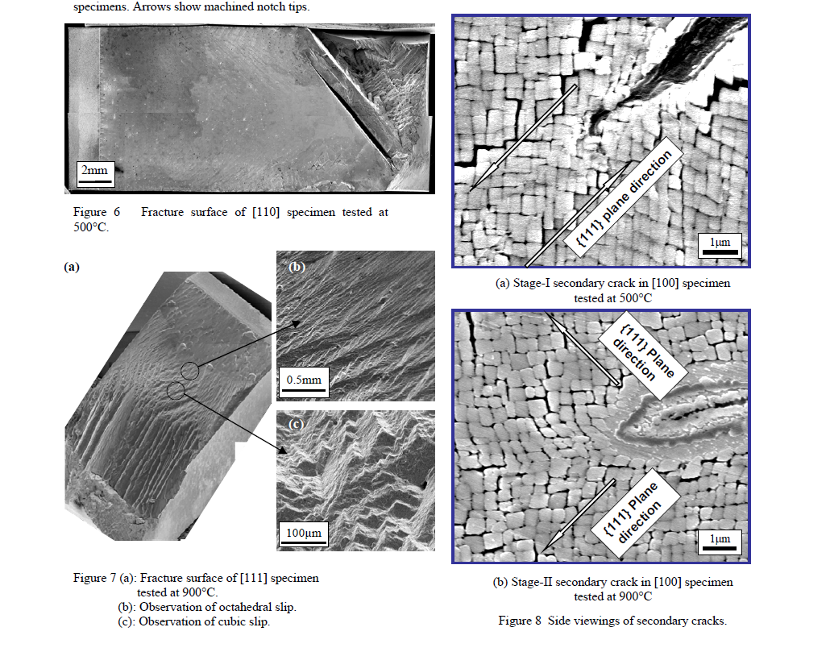
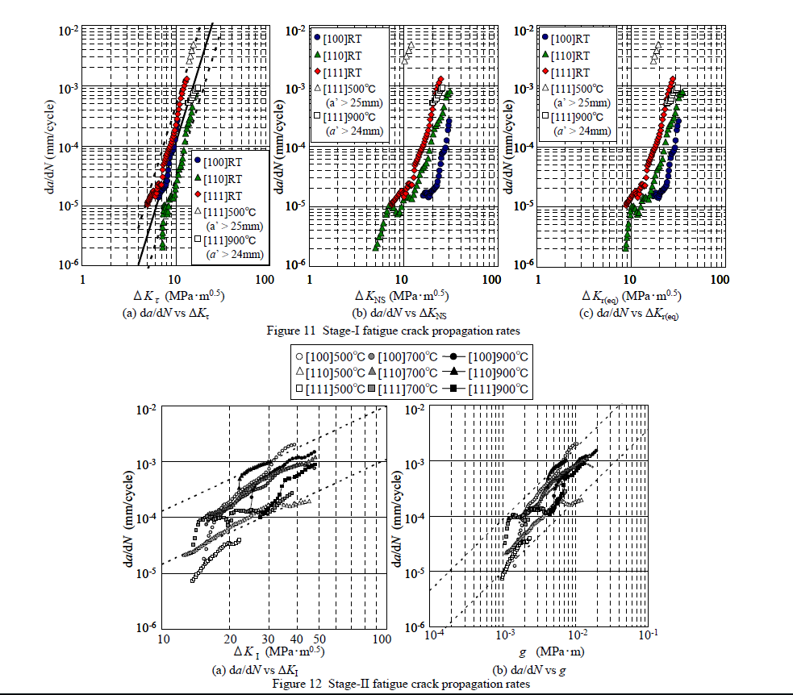

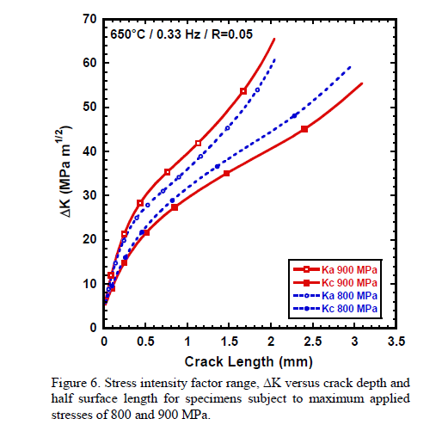
23 | THE VARIABILITY OF FATIGUE IN NOTCHED BARS OF IN100

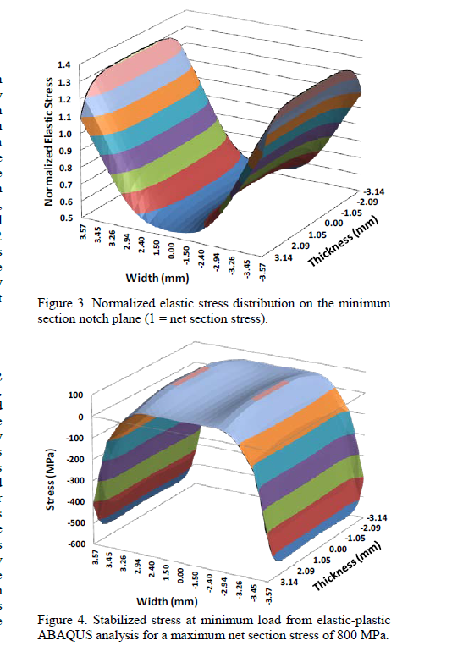

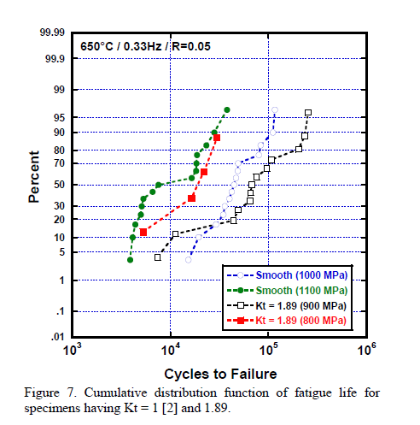

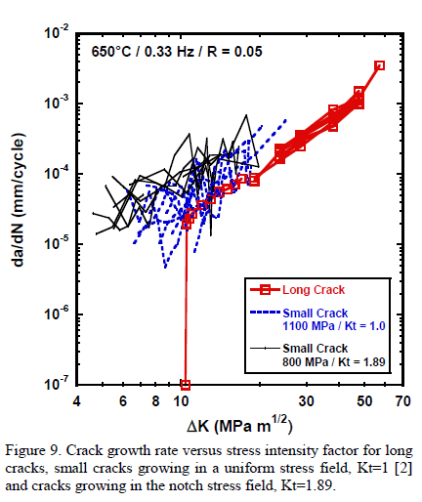

24 | WELD SOLIDIFICATION BEHAVIOR OF NI-BASE SUPERALLOYS FOR USE IN ADVANCED SUPERCRITICAL COAL-FIRED POWER PLANTS

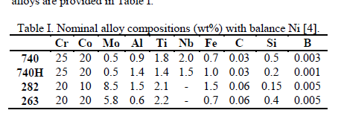

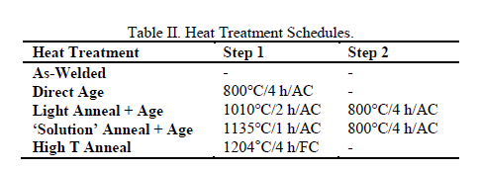

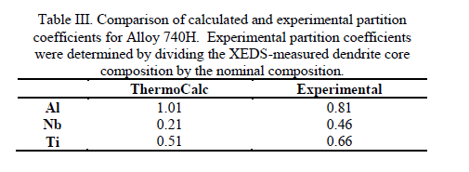

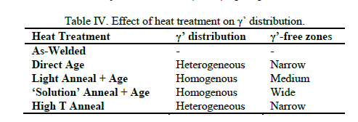

25 | THE LOCALIZATION OF STRAIN IN LOW SOLVUS HIGH REFRACTORY (LSHR) NICKEL SUPERALLOY

26 | UNDERSTANDING AND MODELING OF GRAIN BOUNDARY PINNING IN INCONEL 718
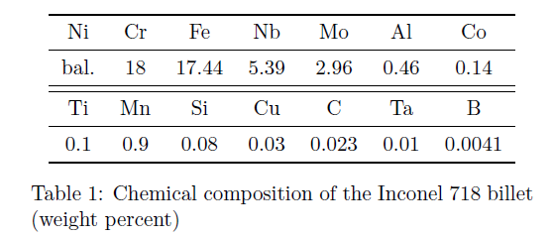

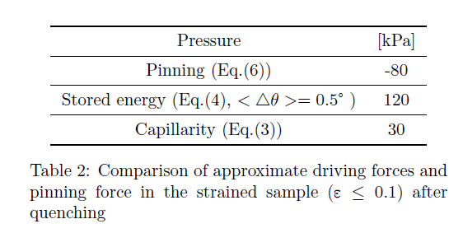

27 | TWO INTEGRATED EXPERIMENTAL AND MODELING APPROACHES TO STUDY STRAIN DISTRIBUTIONS IN NICKEL AND NICKEL-BASE SUPERALLOY POLYCRYSTALS
Table 1. Composition of LSHR in weight % - balance nickel
Co | Cr | Al | Ti | W | Mo | Ta | Nb | C | B | Zr
21 | 13 | 3.5 | 3.5 | 4.3 | 2.7 | 1.6 | 1.5 | 0.03 | 0.03 | 0.05

