Sheet1
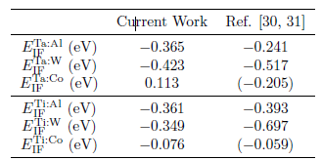
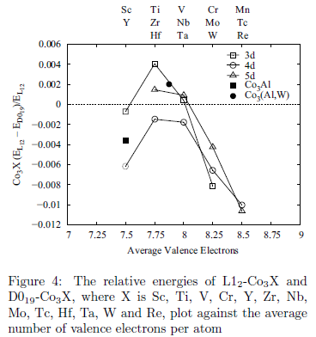
1.APPLICATION OF MATERIALS AND PROCESS MODELING TO THE DESIGN, DEVELOPMENT AND SUSTAINMENT OF ADVANCED TURBINE ENGINES
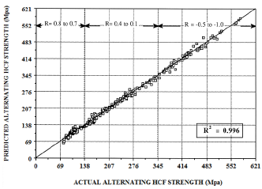
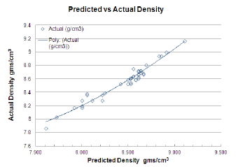

2.DEFORMATION MECHANISMS COUPLED WITH PHASE FIELD AND CRYSTAL PLASTICITY MODELING IN A HIGH TEMPERATURE POLYCRYSTALLINE NI-BASED SUPERALLOY
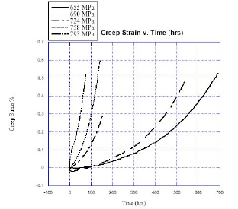
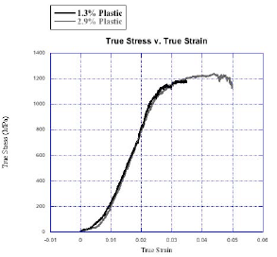

 | ISF energy | High | a/2<110> dislocation shearing
 |  | Low | ISF shearing of γ and SESF shearing of γ’ (microtwin)
 | γ-channel width | Low | a/2<110> dislocation shearing
 |  | Narrow | ISF shearing of γ and SESF shearing of γ’ (microtwin)
 | Load magnitude | High | a/2<110>dislocation shearing
 |  | Low | ISF shearing of γ and SESF shearing of γ’ (microtwin)
 | Table I. Factors Affecting Deformation Mechanisms
 | 影响形变机制的因素
3.CONTROLLING THE DEFORMATION MECHANISM IN DISK SUPERALLOYS AT LOW AND INTERMEDIATE TEMPERATURES

Alloy | Ni | Cr | Mo | W | Co | Ti | Al | C | B | Zr
TMW-4M3 | Bal. | 13.5 | 2.8 | 1.2 | 25 | 6.2 | 2.3 | 0.03 | 0.02 | 0.03
U720Li | Bal. | 16.3 | 3.1 | 1.3 | 14.8 | 4.8 | 2.4 | 0.03 | 0.02 | 0.03
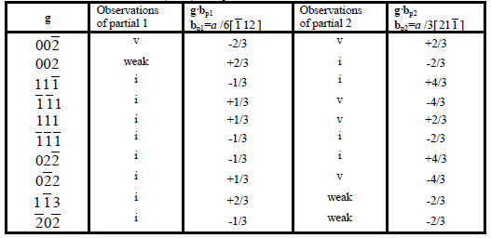
Chemical Compositions（各元素的质量分数） of TMW-4M3 and U720Li
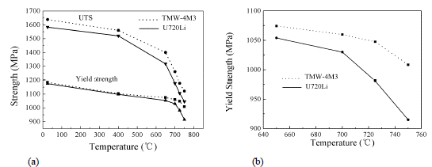

 | Standard | Serrated |  |  | # boundaries | #Σ3/Σn | εGBS(%) | % ofεt
grain size (μm) | 22±7.8 | 23±8 |  | Standard
HAGB (%) | 53 | 48 |  | 1100 MPa | 63 | 11/9 | 0.82 | 22.2
Σ3 (%) | 45 | 44 |  | 1000 Mpa | 24 | 0.5 | 0.44 | 26.3
Σn n>3 (%) | 2 | 7 |  | Serrated
intragranular cuboidal γ′(nm) | 114±82 | 69±50 |  | 1100 MPa | 28 | 1.25 | 0.86 | 28.4
γ channel width(nm) | 38,74 | 35,55
intergranular γ′(μm) | ~ | 2.3±1.5

5.Coupled Analysis of Microstructure Evolution with Creep Deformation in Nickel-Based Superalloys by the Phase-Field Method
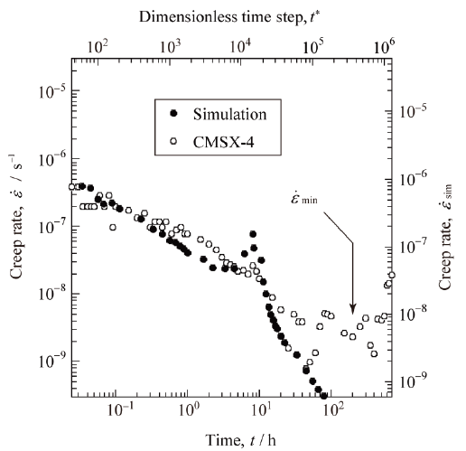

6.DEVELOPMENT OF AN OXIDATION-RESISTANT HIGH-STRENGTH SIXTHGENERATION SINGLE-CRYSTAL SUPERALLOY TMS-238

Alloy | Co | Cr | Mo | W | Al | Ti | Ta | Hf | Re | Ru
CMSX-4 | 9.6 | 6.4 | 0.6 | 6.4 | 5.6 | 1 | 6.5 | 0.1 | 3 | 0
MX-4/PWA1497 | 16.5 | 2 | 2 | 6 | 5.55 | 0 | 8.25 | 0.15 | 5.95 | 3
TMS-138A | 5.8 | 3.2 | 2.8 | 5.6 | 5.7 | 0 | 5.6 | 0.1 | 5.8 | 3.6
TMS-196 | 5.6 | 4.6 | 2.4 | 5 | 5.6 | 0 | 5.6 | 0.1 | 6.4 | 5
TMS-238 | 6.5 | 4.6 | 1.1 | 4 | 5.9 | 0 | 7.6 | 0.1 | 6.4 | 5

Alloy | 400°C |  | 750°C
 | 0.2% yield | UTS | 0.2%yield | UTS
CMSX-4 | 860 | 950 | 950 | 1150
TMS-138A | 830 | 906 | 868 | 1241
TMS-196 | 879 | 1214 | 845 | 1308
TMS-238 | 925 | 1373 | 1041 | 1348

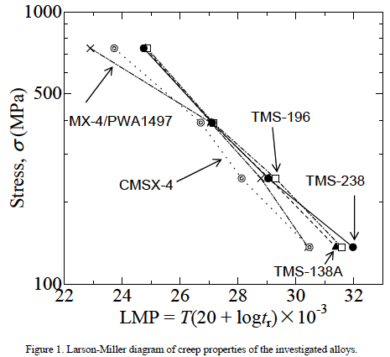
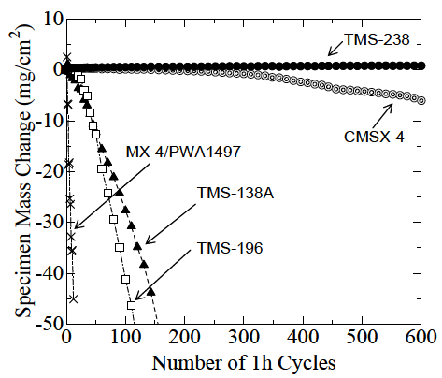
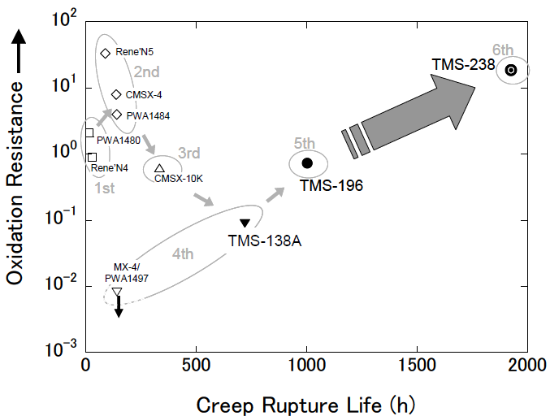

7.A NEW SINGLE CRYSTAL SUPERALLOY FOR POWER GENERATION APPLICATIONS
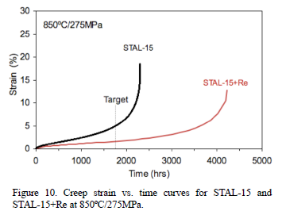
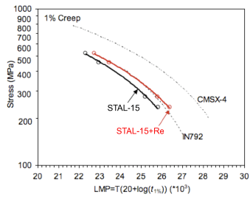

8.DEFORMATION AND DAMAGE MECHANISMS DURING THERMOMECHANICAL FATIGUE OF A SINGLE-CRYSTAL SUPERALLOY IN THE <001> AND <011> DIRECTIONS

9.COMPARISON OF THE MECHANICAL BEHAVIOUR AND EVALUATION OF DIFFERENT DAMAGE MECHANISMS IN AN EQUIAXED AND A SINGLE CRYSTAL SUPERALLOYS SUBJECTED TO CREEP, LCF AND TMF
Element | Ni | Cr | Co | Al | Ti | W | Mo | Ta | C | Zr | B
René80 | Bal. | 14 | 9.5 | 3 | 5 | 4 | 4 | - | 0.17 | 0.05 | 0.02
PWA1483SX | Bal. | 12.2 | 9 | 3.6 | 4.08 | 3.8 | 1.9 | 5 | 0.07 | - | -
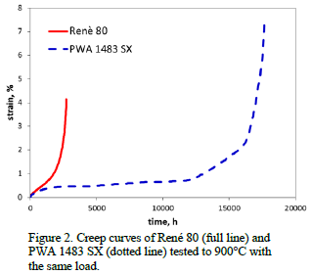
Table I. Chemical composition (wt%) of the two superalloys.

Material | Heat Treatment Plan
René 80 | 1204°C/2h,1095°C/4h,1080°C/4h,870°C/12h
PWA 1483 SX | 1260°C/2h,1080°C/6h
Heat treatment plan for the two superalloys

10.DEVELOPMENT OF NI-BASED DS SUPERALLOY WITH EXCELLENT OXIDATION RESISTANCE AND LCF PROPERTIES FOR POWER-GENERATION GAS TURBINES

Alloy | Ti | Cr | Co | Ni | Ru | Mo | Ta | W | Re | Al | Hf | Nb | C | B | Zr | Mo | Bo
A | 1.4 | 8.2 | 11 | Bal. | - | - | 3.6 | 9.2 | 1 | 5.2 | 1.4 | - | 0.07 | 0.015 | 0.015 | 0.9889 | 0.6793
B | 1.4 | 8.2 | 11 | Bal. | 0.6 | - | 3.6 | 9.2 | 1 | 5.2 | 1.4 | - | 0.07 | 0.015 | 0.015 | 0.9907 | 0.6826
C | 1.4 | 8.2 | 11 | Bal. | 1 | - | 3.6 | 9.2 | 1 | 5.2 | 1.4 | - | 0.07 | 0.015 | 0.015 | 0.9919 | 0.6849
SR | 0.7 | 8.3 | 9.2 | Bal. | - | 0.5 | 3.2 | 9.5 | - | 5.5 | 1.5 | - | 0.08 | 0.015 | 0.01 | 0.9811 | 0.6703
LR | 0.7 | 6.2 | 9.3 | Bal. | - | 0.5 | 3.5 | 8.5 | 2.9 | 5.7 | 1.4 | - | 0.07 | 0.015 | 0.005 | 0.9828 | 0.6621
HR | 2.7 | 14 | 10 | Bal. | - | 1.5 | 4.7 | 4.3 | - | 4 | - | - | 0.07 | 0.015 | - | 0.9869 | 0.7175
IR | 4.9 | 14 | 9.5 | Bal. | - | 1.5 | 2.8 | 3.8 | - | 3 | - | - | 0.1 | 0.01 | - | 0.9894 | 0.7209
JR | 1.4 | 14 | 11 | Bal. | - | - | 4 | 5 | 1 | 5.4 | 1.4 | - | 0.07 | 0.015 | 0.015 | 1.0015 | 0.7085
NR | 1.4 | 6.5 | 11 | Bal. | 1.4 | - | 6.8 | 6 | 4.8 | 5.4 | 1.4 | - | 0.07 | 0.015 | 0.015 | 1.0108 | 0.6909
Table 1. Chemical compositions and alloying parameters of experimental alloys (wt %).
Md是合金元素的d轨道能量级，而Bo是合金元素和Ni原子之间的键序。这一概念的优点之一是，它能够精确地预测耐火元素在相位稳定性方面的合金限制，即使是在含有高水平Re元素的高温合金中也是如此。这种预测方法被称为新phacomp。此外，通过这些参数，合金的“相位”的体积分数是可以预测的。

Alloy | Solution | 1st Step aging | 2nd Step aging
A | 1513K/4h | 1393K/4h,AC | 1144K/20h,AC
B | 1513K/5h | 1393K/5h,AC | 1144K/21h,AC
C | 1513K/6h | 1393K/6h,AC | 1144K/22h,AC
SR | 1503K/2h+1523K/2h | 1353K/4h,AC | 1144K/20h,AC
LR | non | 353K/4h,AC | 1144K/21h,AC
HR | 1473K/4h | 1394K/2h,AC | 1123K/24hr,AC
IR | non | 1394K/4h,AC | 1116K/24hr,AC
JR | 1473K/4h | 1393K/4h,AC | 1144K/20h,AC
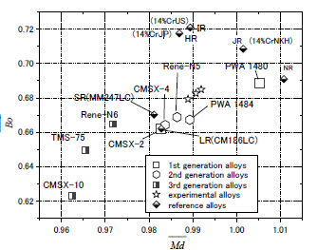
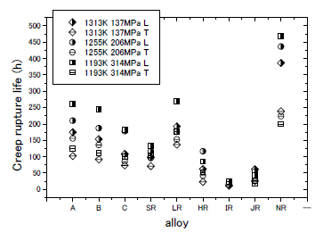
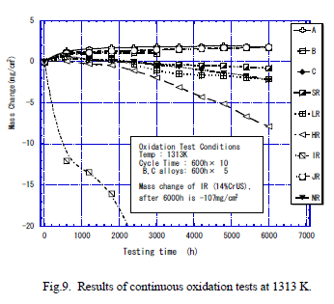

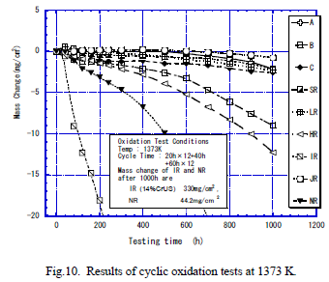
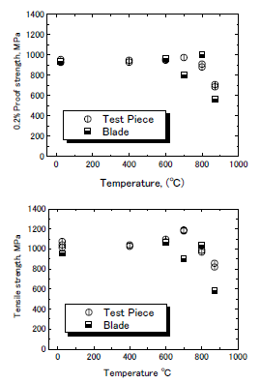

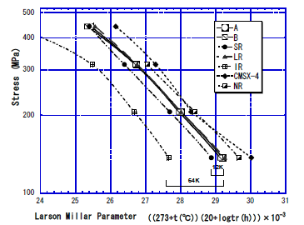

11.A Proposal on Quantitative Treatment of Multiple Cracks Nucleating in Single Crystal Superalloys
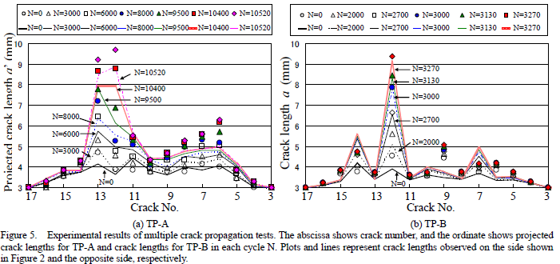

12.ANALYSIS OF DEFORMATION SUBSTRUCTURES IN A NOTCHED LCF SAMPLE UNDER DWELL CONDITION IN A Ni-BASED SUPERALLOY
无
13.AN ANALYSIS OF FATIGUE CRACK INITIATION USING 2D ORIENTATION MAPPING AND FULL-FIELD SIMULATION OF ELASTIC STRESS RESPONSE
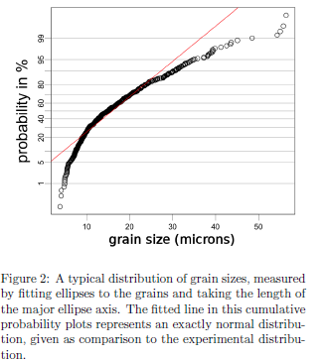
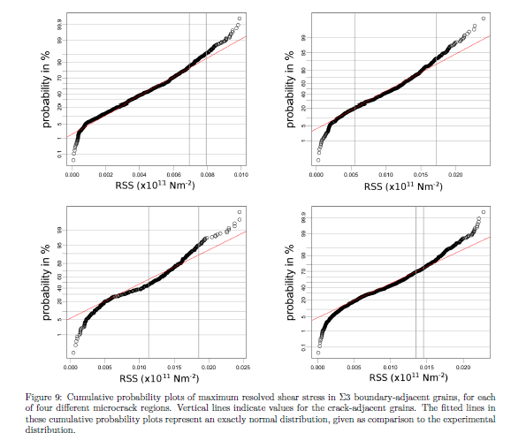
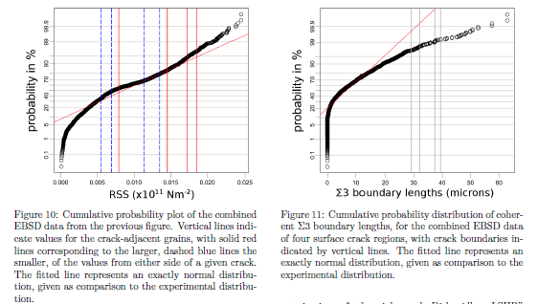

14.A NEW APPROACH TO MODELING OF CREEP IN SUPERALLOYS
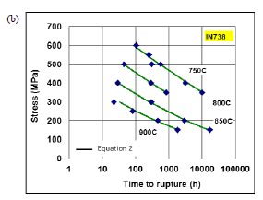
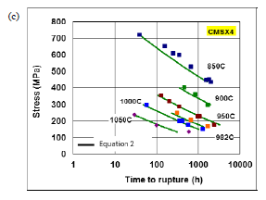
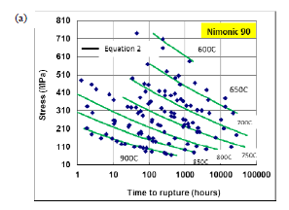

Fig. 2 shows fits to creep data of various superalloys plotted in the form of stress vs. time to rupture and Table 1 shows the values of the parameters. The value of the parameter S is close to unity and is taken to be so for all the materials
Fig. 2: Experimental and fit stress vs. time to rupture for three different superalloys, Nimonic90 [3], IN738 [5] and CMSX4 [4]. Eq. 2 is able to represent the creep behavior of all these superalloys very well.
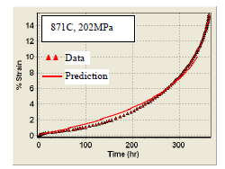
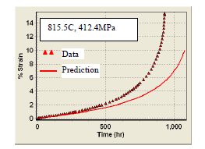
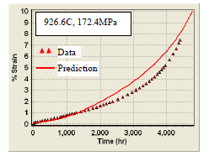
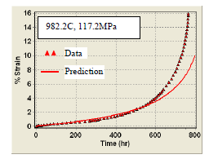

Fig. 4 Experimental and predicted strain vs. time curves for DS-GTD111TM at various time-temperature combinations

15.CYCLIC DWELL FATIGUE BEHAVIOUR OF SINGLE CRYSTAL NI-BASE SUPERALLOYS WITH/WITHOUT RHENIUM

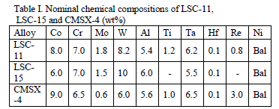

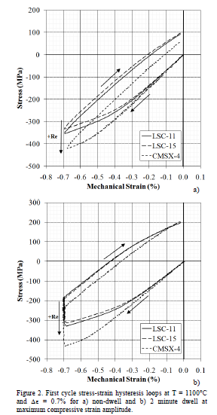
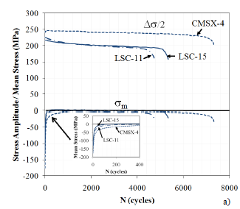
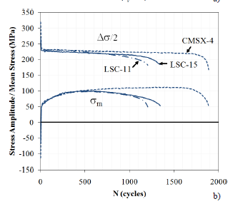

 |  | Figure 3. Cyclic stress response during a) N-D and b) C-D fatigue tests conducted T = 1100°C and  = 0.7%. Note: /2 is the stress amplitude and m represents the mean stress.
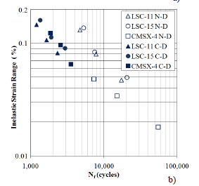
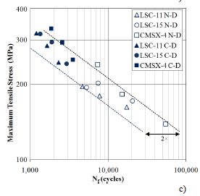
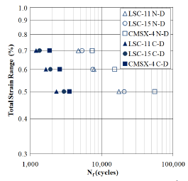

 |  | Figure 4. Low cycle fatigue lives correlated with a) total strain, b) inelastic strain and c) maximum tensile stress.
16.DIRECT LASER FABRICATION OF INCONEL-718: EFFECTS ON DISTORTION AND MICROSTRUCTURE
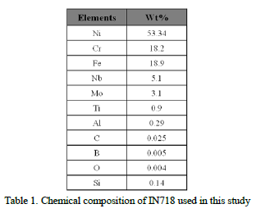

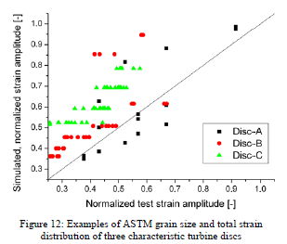
17.Dendrite bending during directional solidi cation
无
18.A CLOSED CONCEPT TO ASSOCIATE THE HOT-FORGING PROCESS CONTROLLED MICROSTRUCTURE WITH FATIGUE LIFE
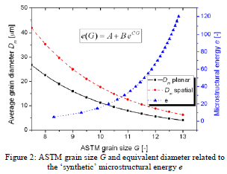
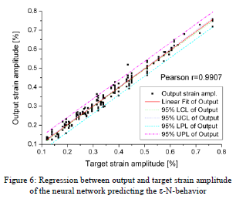

19.DEVELOPMENT AND APPLICATION OF AN OPTIMIZATION PROTOCOL FOR DIRECTIONAL SOLIDIFICATION: INTEGRATING FUNDAMENTAL THEORY, EXPERIMENTATION AND MODELING TOOLS
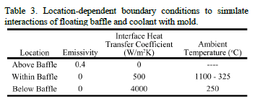
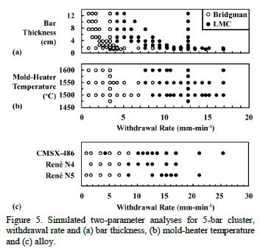

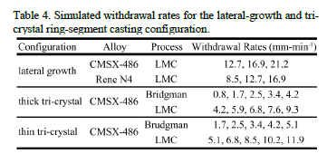

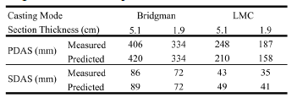

20.Computational uid dynamics modelling of heat treatment of single crystal nickel based superalloys for turbine blade application |  |  |  |  |  |  |  | 682
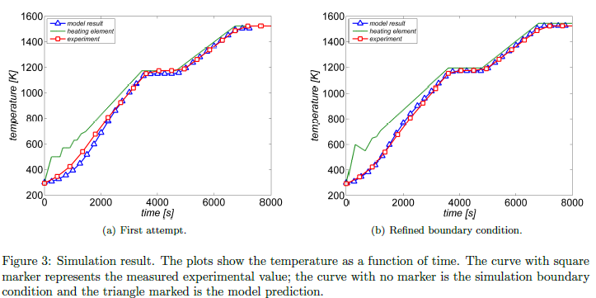
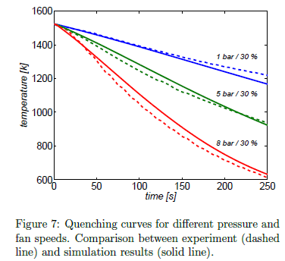

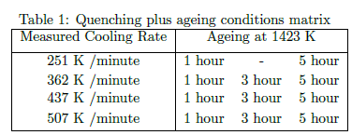




21.ALLOYING EFFECTS IN THE 0 PHASE OF CO-BASED SUPERALLOYS

