Sheet2
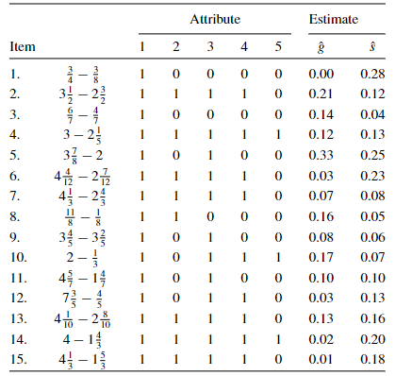
 | QT1 | QT2 | QT3 | QT4 | QT5
T01 | 1 | 0 | 0 | 0 | 0
T02 | 1 | 1 | 1 | 1 | 0
T03 | 1 | 0 | 0 | 0 | 0
T04 | 1 | 1 | 1 | 1 | 1
T05 | 0 | 0 | 1 | 0 | 0
T06 | 1 | 1 | 1 | 1 | 0
T07 | 1 | 1 | 1 | 1 | 0
T08 | 1 | 1 | 0 | 0 | 0
T09 | 1 | 0 | 1 | 0 | 0
T10 | 1 | 0 | 1 | 1 | 1
T11 | 1 | 0 | 1 | 0 | 0
T12 | 1 | 0 | 1 | 1 | 0
T13 | 1 | 1 | 1 | 1 | 0
T14 | 1 | 1 | 1 | 1 | 1
T15 | 1 | 1 | 1 | 1 | 0

