Packaging
Sector | Driver (input variable) | Result (output variable) | Method | Data sources
Plastics_Packaging | GDP (OpenGEM) | Converter demand (= production from packaging manufacturers), imports and exports of new empty packaging (EU-MFA) | Regression analysis | Eurostat Annual national accounts (GDP), Eurostat PRODCOM statistics (production, import, and export quantities)

Results of regression analysis
QNT ~ log(GDP_CLV15) |  |  |  |  |  | Plots

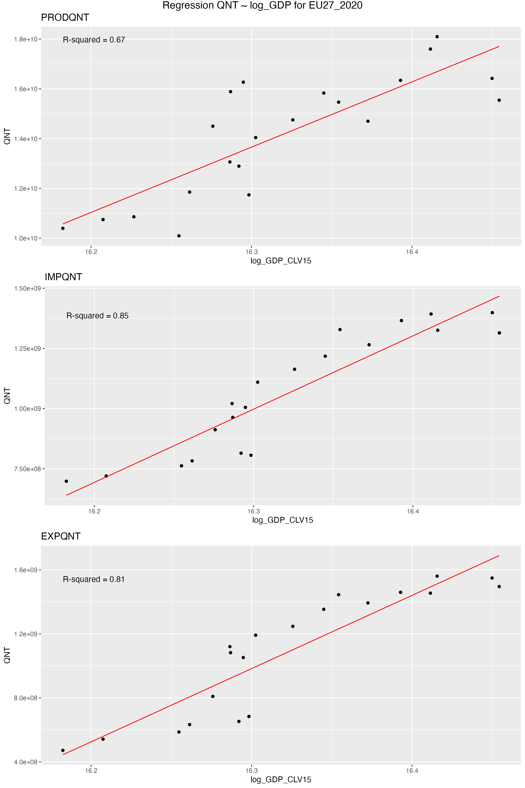
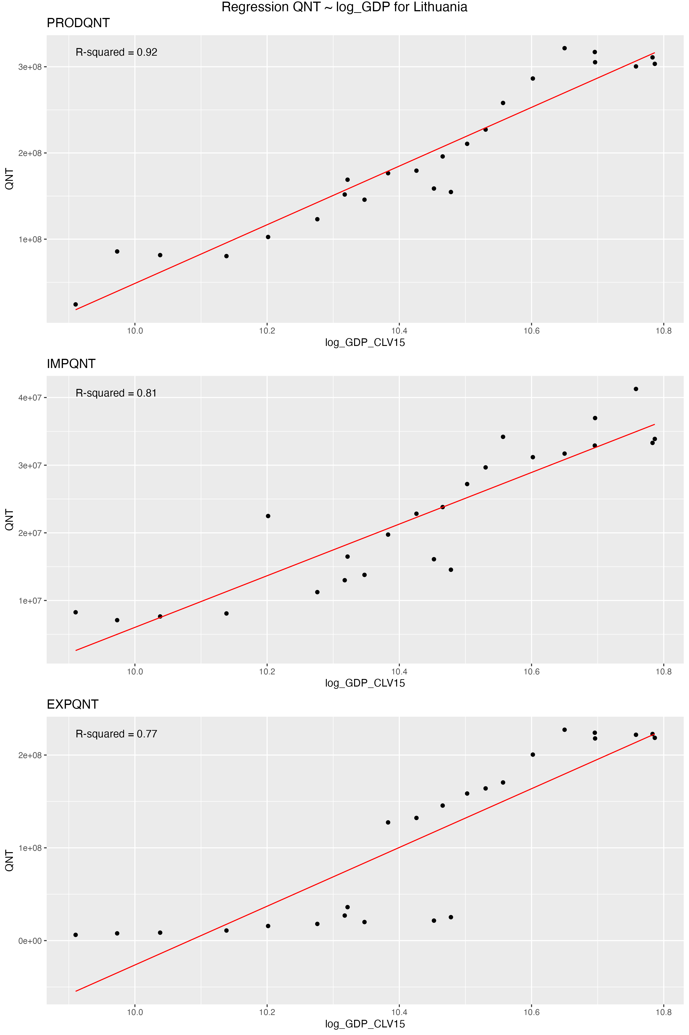
Country | Country (ISO2) | INDICATORS | Intercept (regression) | Slope (regression) | R2
Austria | AT | EXPQNT | -7073631498.00 | 568941732.60 | 0.76 | Some examplary regression plots
Austria | AT | IMPQNT | -5350028250.00 | 432393246.90 | 0.83
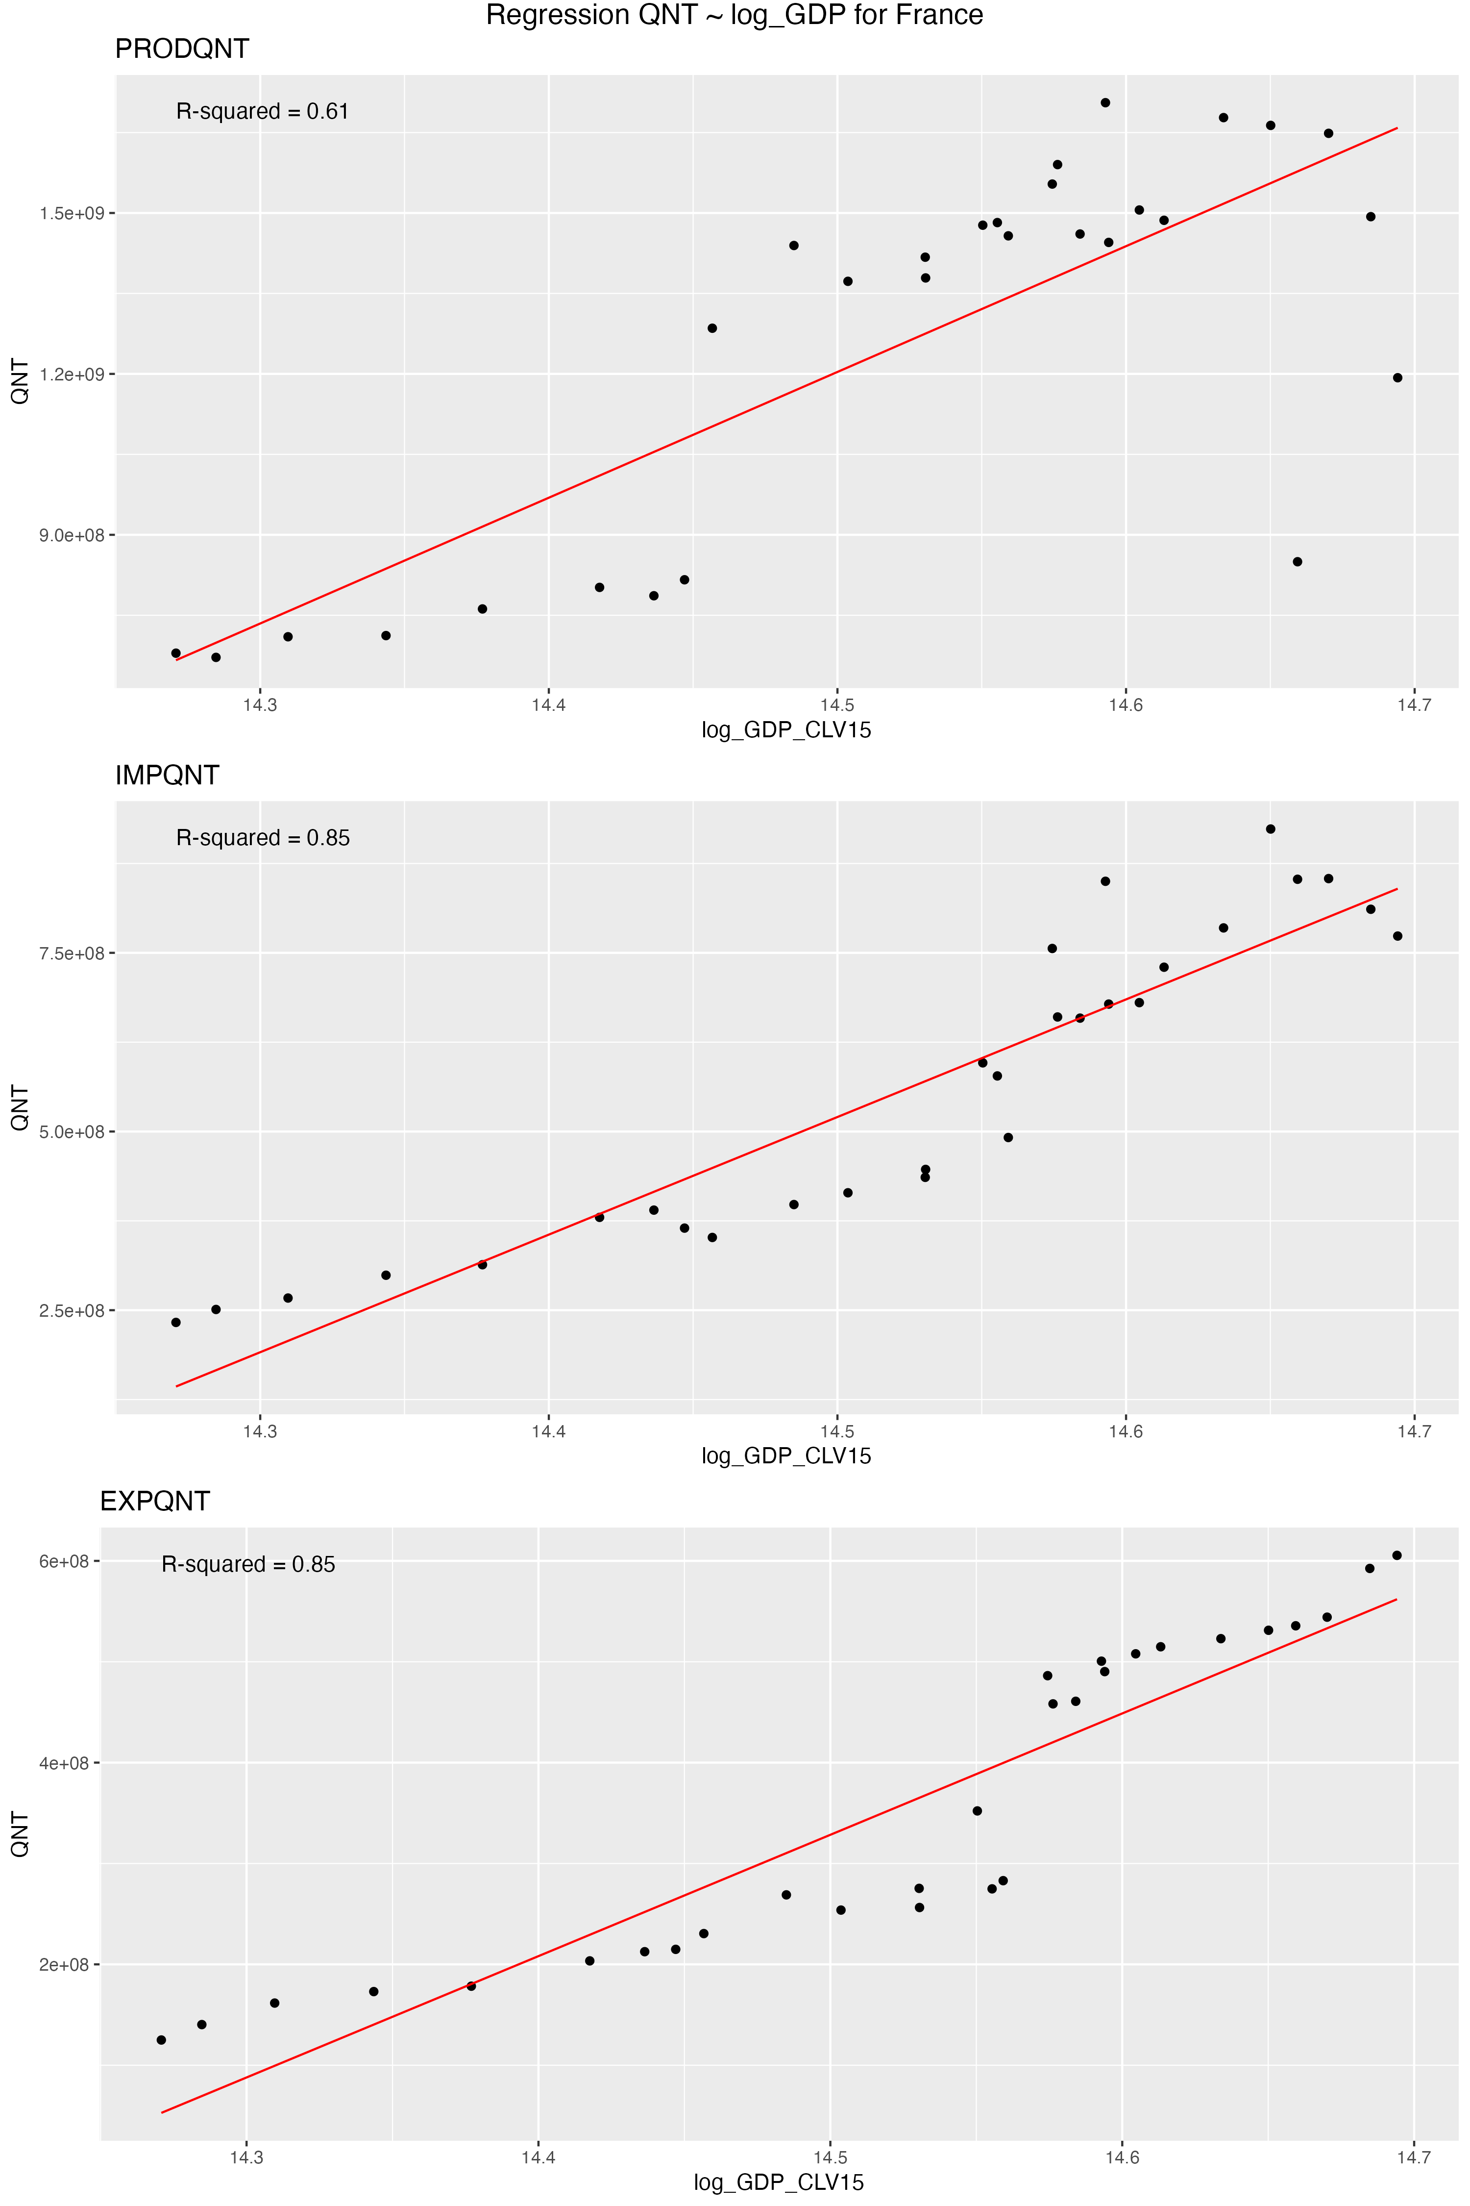
Austria | AT | PRODQNT | -5770151329.00 | 473994630.50 | 0.30
Belgium | BE | EXPQNT | -7661589085.00 | 615056222.40 | 0.84
Belgium | BE | IMPQNT | -10463351544.00 | 839956324.50 | 0.87
Belgium | BE | PRODQNT | -24813947850.00 | 1995168431.00 | 0.08
Bulgaria | BG | EXPQNT | -1931930983.00 | 186176882.80 | 0.78
Bulgaria | BG | IMPQNT | -742284819.20 | 72186749.82 | 0.72
Bulgaria | BG | PRODQNT | -3027338536.00 | 297522058.90 | 0.61
Cyprus | CY | EXPQNT | -62633790.53 | 6472206468.00 | 0.61
Cyprus | CY | IMPQNT | -115853573.30 | 12446577.20 | 0.47
Cyprus | CY | PRODQNT | 0.00 | 0.00 | NA
Czechia | CZ | EXPQNT | -5064009052.00 | 434440511.80 | 0.78
Czechia | CZ | IMPQNT | -3760418097.00 | 325888746.70 | 0.87
Czechia | CZ | PRODQNT | -6936095645.00 | 602408180.30 | 0.56
Germany | DE | EXPQNT | -41835638547.00 | 2862842551.00 | 0.94
Germany | DE | IMPQNT | -49404524210.00 | 3373387607.00 | 0.91
Germany | DE | PRODQNT | -28802277519.00 | 2051060554.00 | 0.41
Denmark | DK | EXPQNT | -2059218059.00 | 170708614.80 | 0.77
Denmark | DK | IMPQNT | -5036359090.00 | 413041837.50 | 0.77
Denmark | DK | PRODQNT | 7494393483.00 | -581224862.40 | 0.05
Estonia | EE | EXPQNT | -181582728.10 | 19892126.34 | 0.88
Estonia | EE | IMPQNT | -394013041.80 | 42029662.14 | 0.62
Estonia | EE | PRODQNT | -408876853.50 | 44070645.42 | 0.60
Greece | EL | EXPQNT | 70919601.35 | -3674913961.00 | 0.00
Greece | EL | IMPQNT | -366409732.10 | 34910856.76 | 0.03
Greece | EL | PRODQNT | 1798224761.00 | -138157602.20 | 0.05
Spain | ES | EXPQNT | -11066188351.00 | 818059598.30 | 0.72
Spain | ES | IMPQNT | -14566375699.00 | 1075666987.00 | 0.67
Spain | ES | PRODQNT | -35573617640.00 | 2660296423.00 | 0.74
EU27_2020 | EU27_2020 | EXPQNT | -73654574337.00 | 4578972159.00 | 0.81
EU27_2020 | EU27_2020 | IMPQNT | -48619962625.00 | 3044026744.00 | 0.85
EU27_2020 | EU27_2020 | PRODQNT | -41406900000000000.00 | 26240966170.00 | 0.67
Finland | FI | EXPQNT | 192964169.70 | -14488448.08 | 0.32
Finland | FI | IMPQNT | -1226691249.00 | 103452585.10 | 0.43
Finland | FI | PRODQNT | -508370340.70 | 46809044.73 | 0.20
France | FR | EXPQNT | -17114337806.00 | 1202950497.00 | 0.85
France | FR | IMPQNT | -23338888425.00 | 1645460157.00 | 0.85
France | FR | PRODQNT | -32796873703.00 | 2344863569.00 | 0.61
Croatia | HR | EXPQNT | -1033902603.00 | 98157945.67 | 0.46
Croatia | HR | IMPQNT | -1284322049.00 | 122155324.00 | 0.50
Croatia | HR | PRODQNT | -640602192.80 | 64230046.96 | 0.40
Hungary | HU | EXPQNT | -4116432158.00 | 363982403.80 | 0.79
Hungary | HU | IMPQNT | -3403896509.00 | 300415760.30 | 0.87
Hungary | HU | PRODQNT | -2968958256.00 | 281309644.80 | 0.05
Ireland | IE | EXPQNT | -272763181.20 | 24043144.41 | 0.64
Ireland | IE | IMPQNT | -1398988424.00 | 124063785.70 | 0.61
Ireland | IE | PRODQNT | -4534340858.00 | 388877990.50 | 0.32
Italy | IT | EXPQNT | -13887180154.00 | 991290130.00 | 0.19
Italy | IT | IMPQNT | -14211571383.00 | 1004906163.00 | 0.21
Italy | IT | PRODQNT | -13705200000000000.00 | 9729203320.00 | 0.34
Lithuania | LT | EXPQNT | -3192442085.00 | 316618727.90 | 0.77
Lithuania | LT | IMPQNT | -375623554.50 | 38165081.61 | 0.81
Lithuania | LT | PRODQNT | -3355235880.00 | 340389394.20 | 0.92
Luxembourg | LU | EXPQNT | -3709960883.00 | 351008750.20 | 0.80
Luxembourg | LU | IMPQNT | -245571827.70 | 24425761.01 | 0.40
Luxembourg | LU | PRODQNT | 1801125688.00 | -1586382621.00 | 0.01
Latvia | LV | EXPQNT | -120402665.60 | 13396014.37 | 0.35
Latvia | LV | IMPQNT | -486556885.80 | 50862916.90 | 0.65
Latvia | LV | PRODQNT | 188980954.30 | -17763648.88 | 0.22
Malta | MT | EXPQNT | -49039679.78 | 5782181.59 | 0.04
Malta | MT | IMPQNT | -80285799.08 | 9407755635.00 | 0.81
Malta | MT | PRODQNT | 0.00 | 0.00 | NA
Netherlands | NL | EXPQNT | -12697468184.00 | 973883779.90 | 0.77
Netherlands | NL | IMPQNT | -14847619016.00 | 1143174218.00 | 0.80
Netherlands | NL | PRODQNT | -17118712221.00 | 1313076519.00 | 0.37
Poland | PL | EXPQNT | -10716534890.00 | 860710109.30 | 0.97
Poland | PL | IMPQNT | -4840996761.00 | 392638375.90 | 0.96
Poland | PL | PRODQNT | -5661153992.00 | 500730062.50 | 0.12
Portugal | PT | EXPQNT | -2462697028.00 | 207338853.30 | 0.43
Portugal | PT | IMPQNT | -3697326584.00 | 310294568.30 | 0.64
Portugal | PT | PRODQNT | -7011899230.00 | 594740855.00 | 0.58
Romania | RO | EXPQNT | -845413562.50 | 73355455.26 | 0.79
Romania | RO | IMPQNT | -2215242968.00 | 192830546.00 | 0.90
Romania | RO | PRODQNT | -517414918.60 | 53375099.98 | 0.09
Sweden | SE | EXPQNT | -373047310.00 | 36756917.37 | 0.01
Sweden | SE | IMPQNT | -3112045878.00 | 249528704.70 | 0.93
Sweden | SE | PRODQNT | -332758800.90 | 34243383.68 | 0.02
Slovenia | SI | EXPQNT | -1587709877.00 | 153747583.50 | 0.78
Slovenia | SI | IMPQNT | -930185694.30 | 90670936.14 | 0.70
Slovenia | SI | PRODQNT | -881030183.70 | 87249095.64 | 0.44
Slovakia | SK | EXPQNT | -1621851565.00 | 154195437.00 | 0.06
Slovakia | SK | IMPQNT | -1136399425.00 | 107921921.50 | 0.81
Slovakia | SK | PRODQNT | -573234515.10 | 57500951.48 | 0.09

Steel
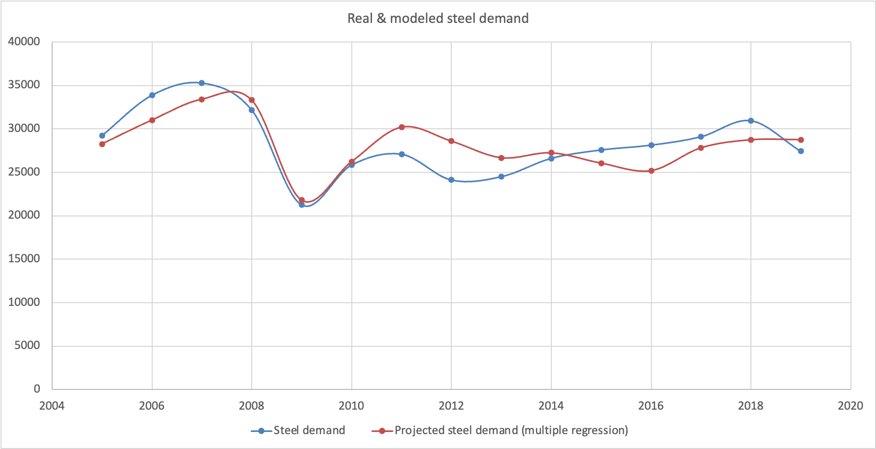
Sector | Driver (input variable) | Result (output variable) | Method | Data sources
Steel_Construction | Domestic Production of Construction (OpenGEM) | Steel demand for construction not covered bottom-up (EU-MFA) | Regression analysis | Eurostat and Eurofer (see Figure below). Eurostat. (2025). Overview - Prodcom - statistics by product - Eurostat. https://ec.europa.eu/eurostat/web/prodcom. Eurofer. (2024). European Steel in Figures - 2024. https://www.eurofer.eu/assets/publications/brochures-booklets-and-factsheets/european-steel-in-figures-2024/EUROFER-2024-Version-June14.pdf EUROFER. (2019). Steel consumption. https://european-steel.eu/statistics/steel-consumption
Steel_Automotive | Domestic Production of Transport (OpenGEM) | Steel demand for automotive not covered bottom-up (EU-MFA) | Regression analysis
Steel_Other Transport | Domestic Production of Transport (OpenGEM) | Steel demand for other transport (EU-MFA) | Regression analysis
Steel_Mechanical Engineering | Domestic Production of Equipment goods (OpenGEM) | Steel demand fr mechanical engineering (EU-MFA) | Regression analysis | EUROFER. CAEF. Eurostat. Value added, gross in Chain linked volumes (2005), million euro. Manufacture of machinery and equipment n.e.c. (C28)
Steel_Miscellaneous | GDP (OpenGEM) | Steel demand for miscellaneous (EU-MFA) | Regression analysis | Eurostat and Eurofer (see Figure below). Eurostat. (2025). Overview - Prodcom - statistics by product - Eurostat. https://ec.europa.eu/eurostat/web/prodcom. Eurofer. (2024). European Steel in Figures - 2024. https://www.eurofer.eu/assets/publications/brochures-booklets-and-factsheets/european-steel-in-figures-2024/EUROFER-2024-Version-June14.pdf EUROFER. (2019). Steel consumption. https://european-steel.eu/statistics/steel-consumption
Steel_Metalware | GDP (OpenGEM) | Steel demand for metalware (EU-MFA) | Regression analysis | Eurostat and Eurofer (see Figure below). Eurostat. (2025). Overview - Prodcom - statistics by product - Eurostat. https://ec.europa.eu/eurostat/web/prodcom. Eurofer. (2024). European Steel in Figures - 2024. https://www.eurofer.eu/assets/publications/brochures-booklets-and-factsheets/european-steel-in-figures-2024/EUROFER-2024-Version-June14.pdf EUROFER. (2019). Steel consumption. https://european-steel.eu/statistics/steel-consumption
Steel_Domestic Appliances | Household consumption for Household equipment and operation (OpenGEM) | Steel demand for domestic appliances (EU-MFA) | Regression analysis

Results of regression analysis (iron and steel sector)

Country | Country (ISO2) | INDICATORS | Intercept (regression) | Slope (regression) | R2
Europe | EU-27 |  | -382631968.80 | 53656871.70 | 0.77

Plots
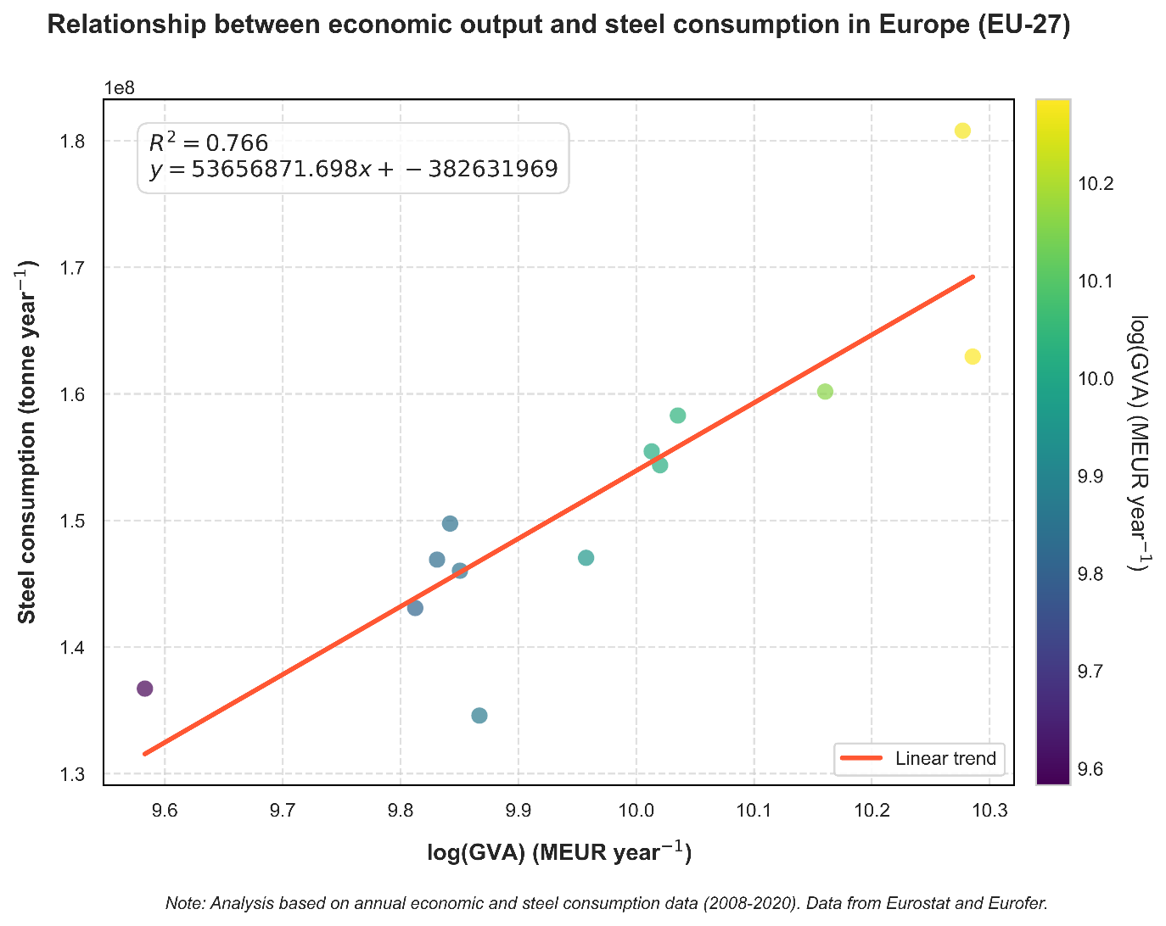
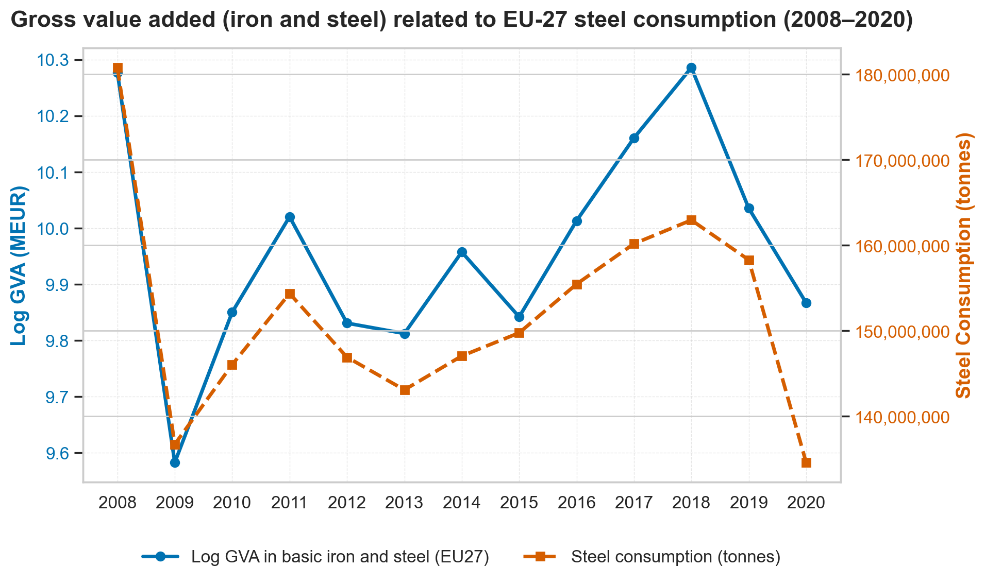

Steel_Mechanical Engineering
Results of multiple regression analysis

Regression Statistics
Multiple R | 0.807938308
R Square | 0.65276431
Adjusted R Square | 0.594891695
Standard Error | 2,382.2544
Observations | 15

ANOVA
 | df | SS | MS | F | Significance F
Regression | 2 | 128023461.2 | 64011730.6 | 11.2793298 | 0.001752856
Residual | 12 | 68101632.19 | 5,675,136.02
Total | 14 | 196125093.4

 | Coefficients | Standard Error | t Stat | P-value | Lower 95% | Upper 95% | Lower 95,0% | Upper 95,0%
Intercept | 968,962.868 | 308,313.589 | 3.14278353 | 0.008487922 | 297,205.265 | 1,640,720.47 | 297,205.265 | 1,640,720.47
Year | -488.81202 | 155.040932 | -3.1527933 | 0.0083316 | -827 | -151.00684 | -826.61719 | -151.0068449
GVA | 0.231729182 | 0.051377109 | 4.51035855 | 0.00071367 | 0.119788078 | 0.343670287 | 0.119788078 | 0.343670287

Cement
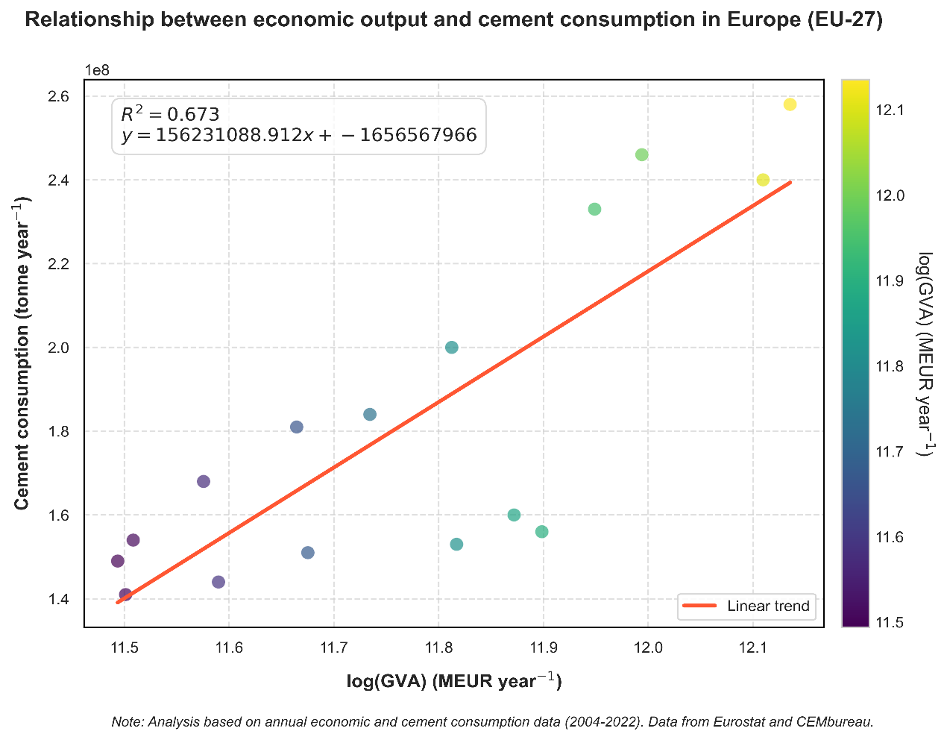
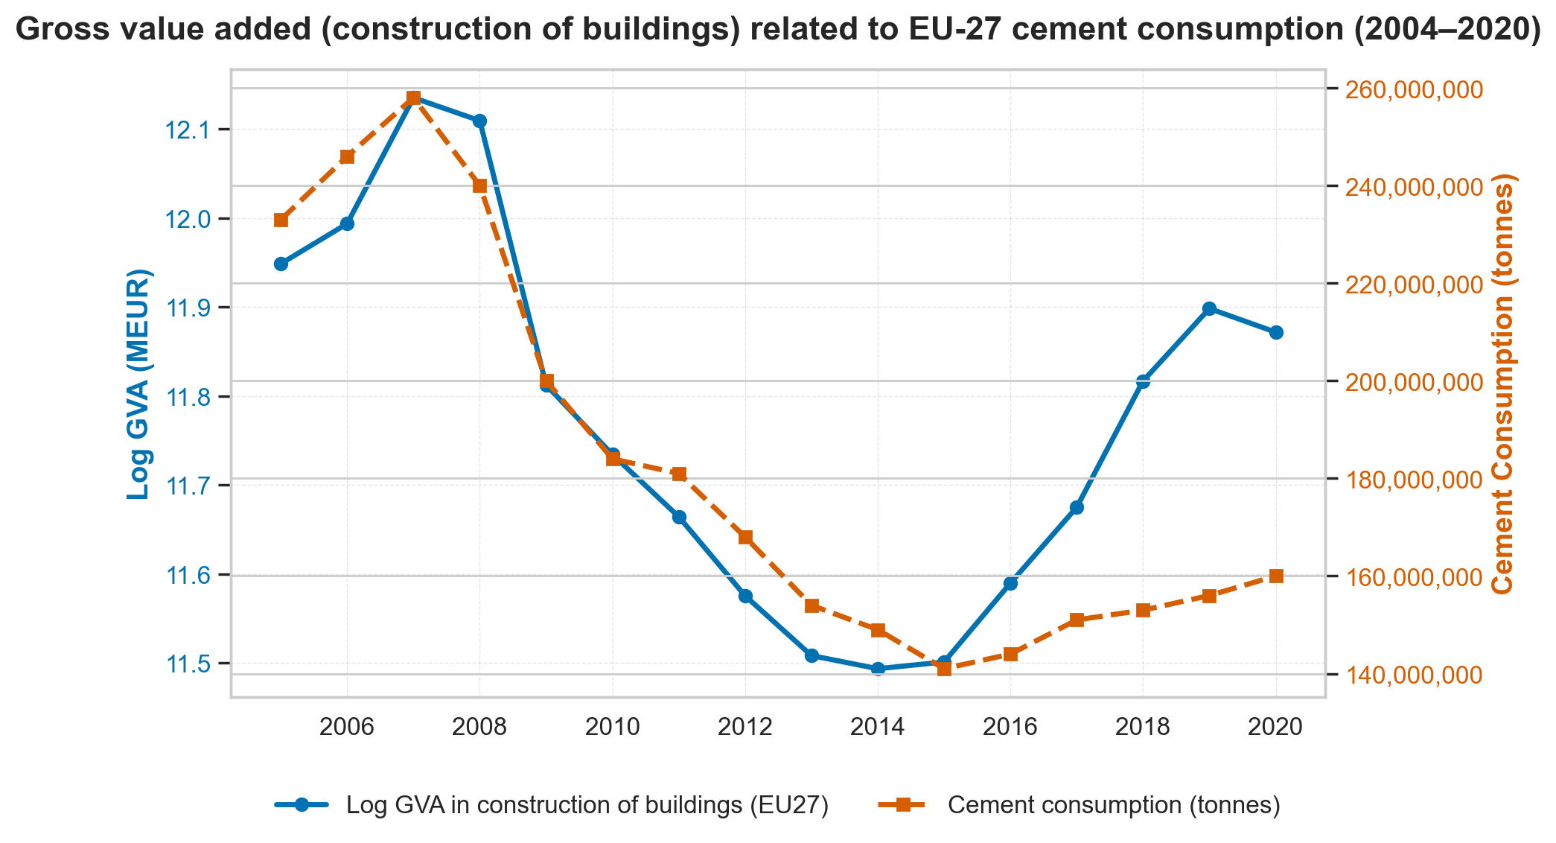
Sector | Driver (input variable) | Result (output variable) | Method | Data sources
Cement_Construction_Buildings | Domestic Production of Construction (OpenGEM) | Cement demand for buildings not covered bottom-up (EU-MFA) | Regression analysis | Eurostat and CEMBureau (see Figure below). Eurostat. (2025). Overview - Prodcom - statistics by product - Eurostat. https://ec.europa.eu/eurostat/web/prodcom. CEMBUREAU. (2024). CEMBUREAU KEY FACTS & FIGURES. https://cembureau.eu/media/00ejjcfj/key-facts-figures-publication-june-2024.pdf
Cement_Construction_Infrastructure | Domestic Production of Construction (OpenGEM) | Cement demand for infrastructure (EU-MFA) | Regression analysis | Eurostat and CEMBureau (see Figure below). Eurostat. (2025). Overview - Prodcom - statistics by product - Eurostat. https://ec.europa.eu/eurostat/web/prodcom. CEMBUREAU. (2024). CEMBUREAU KEY FACTS & FIGURES. https://cembureau.eu/media/00ejjcfj/key-facts-figures-publication-june-2024.pdf

Results of regression analysis (construction sector)

Country | Country (ISO2) | INDICATORS | Intercept (regression) | Slope (regression) | R2
Europe | EU-27 |  | -1656567966.23 | 156231088.91 | 0.67

Plots

