Chart Manual
Time taken to process subsets of Forest1 dataset
 | Process Time | MSSF Time
30 | 1195 | 117
35 | 5869 | 392
40 | 11469 | 612
45 | 18602 | 725
50 | 30098 | 906
51 | 32362 | 1349
52 | 37169 | 1011
53 | 39038 | 976
54 | 242919 | 81722
54 | 43830 | 1138
55 | 47562 | 1107
56 | 89156 | 2851
56 | 82084 | 3492
56 | 55626 | 1549
57 | 73297 | 4091
58 | 79340 | 2924
59 | 96783 | 4344
60 | 120869 | 5882
61 | 139989 | 5875
62 | 180415 | 9828
63 | 244787 | 15496
64 | 279875 | 17421
65 | 282665 | 17682
66 | 809061 | 212413
66 | 595174 | 165984
66 | 666395 | 138154
66 | 1930064 | 1341610
66 | 317918 | 18467
67 | 509197 | 35294
68 | 664614 | 55980
69 | 711559 | 59892
70 | 743164 | 64117
71 | 1162769 | 207746
71 | 1435281 | 349558
71 | 1109696 | 155955
72 | 1393977 | 249984
73 | 2505126 | 700271
73 | 1614447 | 325120
74 | 1940835 | 411064
75 | 2114103 | 491724
76 | 2364937 | 611868
77 | 2555695 | 626432
78 | 3305786 | 1002787
79 | 4112484 | 1423967

Chart Auto
50 | 4503 | 2016
51 | 4376 | 2078
52 | 4708 | 2214
53 | 4827 | 2272
54 | 128225 | 9312
54 | 5130 | 2340
55 | 5225 | 2480
56 | 12440 | 4612
57 | 25661 | 6526
57 | 18288 | 5296
58 | 32198 | 6208
58 | 23507 | 5882
59 | 30272 | 6740
60 | 37470 | 7938
61 | 44229 | 8598
62 | 57789 | 10040
63 | 79732 | 12034
64 | 96510 | 12962
65 | 99013 | 13060
66 | 461014 | 21628
66 | 323497 | 16480
66 | 600242 | 19013
66 | 2039310 | 21769
66 | 102443 | 13436
67 | 197416 | 19382
68 | 478511 | 22334
69 | 577750 | 23049
70 | 646910 | 23723
71 | 1336053 | 28787
71 | 1819359 | 31196
71 | 1099992 | 28259
72 | 1477043 | 31079
73 | 3875593 | 43977
73 | 1815057 | 33242
74 | 1815360 | 35868
75 | 3221309 | 38494
76 | 3787043 | 41120
77 | 3994613 | 42315
78 | 3971849 | 47927
79 | 5258059 | 53497

Forest1 Processing Automated
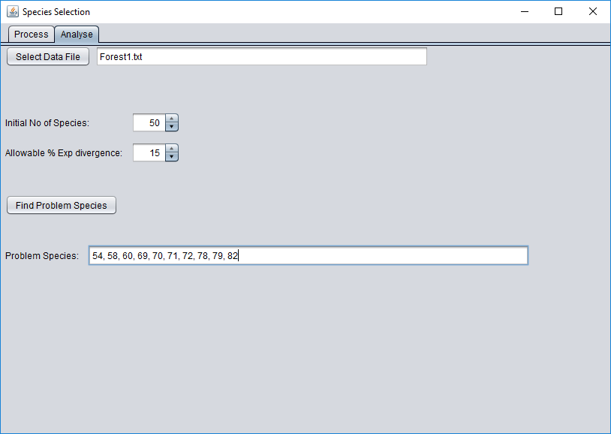
Species Range | Excluded | No Species | Processing Time ms | Processing Time | MSSF Size | MSSF Time ms
1-50 |  | 50 | 4503 | 0:00:05 | 2016 | 1331
1-51 |  | 51 | 4376 | 0:00:04 | 2078 | 1191 |  | Error Margin
1-52 |  | 52 | 4708 | 0:00:05 | 2214 | 1434 |  | excel | java
1-53 |  | 53 | 4827 | 0:00:05 | 2272 | 1372 |  | 1.00 | 1.06
1-54 |  | 54 | 128225 | 0:02:08 | 9312 | 114744 |  | 3.70 | 3.68
1-55 | 54 | 54 | 5130 | 0:00:05 | 2340 | 1391 |  | 0.31 | 0.30
1-56 | 54 | 55 | 5225 | 0:00:05 | 2480 | 1460 |  | 0.39 | 0.39
1-57 | 54 | 56 | 12440 | 0:00:12 | 4612 | 5243 |  | 0.82 | 0.82
1-58 | 54 | 57 | 25661 | 0:00:26 | 6526 | 15369 |  | 1.21 | 1.21
1-59 | 54,58 | 57 | 18288 | 0:00:18 | 5296 | 10054 |  | 0.90 | 0.90
1-60 | 54,58 | 58 | 32198 | 0:00:32 | 6208 | 22080 |  | 1.17 | 1.17
1-61 | 54,58,60 | 58 | 23507 | 0:00:24 | 5882 | 14043 |  | 0.89 | 0.89
1-62 | 54,58,60 | 59 | 30272 | 0:00:30 | 6740 | 20186 |  | 0.92 | 0.92
1-63 | 54,58,60 | 60 | 37470 | 0:00:37 | 7938 | 25513 |  | 0.93 | 0.93
1-64 | 54,58,60 | 61 | 44229 | 0:00:44 | 8598 | 30884 |  | 0.90 | 0.90
1-65 | 54,58,60 | 62 | 57789 | 0:00:58 | 10040 | 41864 |  | 0.95 | 0.95
1-66 | 54,58,60 | 63 | 79732 | 0:01:20 | 12034 | 61432 |  | 1.04 | 1.04
1-67 | 54,58,60 | 64 | 96510 | 0:01:37 | 12962 | 77098 |  | 1.00 | 1.00
1-68 | 54,58,60 | 65 | 99013 | 0:01:39 | 13060 | 77310 |  | 0.86 | 0.86
1-69 | 54,58,60 | 66 | 461014 | 0:07:41 | 21628 | 428326 |  | 2.50 | 2.51
1-70 | 54,58,60,69 | 66 | 323497 | 0:05:23 | 16480 | 296885 |  | 1.59 | 1.59
1-71 | 54,58,60,69,70 | 66 | 600242 | 0:10:00 | 19013 | 569389 |  | 2.55 | 2.52
1-72 | 54,58,60,69,70,71 | 66 | 2039310 | 0:33:59 | 21769 | 2006519 |  | 6.23 | 6.49
1-73 | 54,58,60,69,70,71,72 | 66 | 102443 | 0:01:42 | 13436 | 82194 |  | 0.37 | 0.37
1-74 | 54,58,60,69,70,71,72 | 67 | 197416 | 0:03:17 | 19382 | 165738 |  | 0.58 | 0.58
1-75 | 54,58,60,69,70,71,72 | 68 | 478511 | 0:07:59 | 22334 | 443436 |  | 1.07 | 1.06
1-76 | 54,58,60,69,70,71,72 | 69 | 577750 | 0:09:38 | 23049 | 542312 |  | 0.97 | 0.98
1-77 | 54,58,60,69,70,71,72 | 70 | 646910 | 0:10:47 | 23723 | 608292 |  | 0.84 | 0.85
1-78 | 54,58,60,69,70,71,72 | 71 | 1336053 | 0:22:16 | 28787 | 1289560 |  | 1.29 | 1.29
1-79 | 54,58,60,69,70,71,72,78 | 71 | 1819359 | 0:30:19 | 31196 | 1768305 |  | 1.61 | 1.64
1-80 | 54,58,60,69,70,71,72,78,79 | 71 | 1099992 | 0:18:20 | 28259 | 1053339 |  | 0.98 | 0.99
1-81 | 54,58,60,69,70,71,72,78,79 | 72 | 1477043 | 0:24:37 | 31079 | 1425694 |  | 0.99 | 1.01
1-82 | 54,58,60,69,70,71,72,78,79 | 73 | 3875593 | 1:04:36 | 43977 | 3802535 |  | 1.89 | 1.85
1-83 | 54,58,60,69,70,71,72,78,79,82 | 73 | 1815057 | 0:30:15 | 33242 | 1759961 |  | 0.89 | 0.88
1-84 | 54,58,60,69,70,71,72,78,79,82 | 74 | 1815360 | 0:30:15 | 35868 | 1755591 |  | 0.68 | 0.69
1-85 | 54,58,60,69,70,71,72,78,79,82 | 75 | 3221309 | 0:53:41 | 38494 | 3159256 |  | 0.94 | 0.93
1-86 | 54,58,60,69,70,71,72,78,79,82 | 76 | 3787043 | 1:03:07 | 41120 | 3720180 |  | 0.84 | 0.84
1-87 | 54,58,60,69,70,71,72,78,79,82 | 77 | 3994613 | 1:06:35 | 42315 | 3918822 |  | 0.70 | 0.70
1-88 | 54,58,60,69,70,71,72,78,79,82 | 78 | 3971849 | 1:06:12 | 47927 | 3929634 |  | 0.56 | 0.56
1-89 | 54,58,60,69,70,71,72,78,79,82 | 79 | 5258059 | 1:27:38 | 53497 | 5209173 |  | 0.61 | 0.60
 |  |  | Total | 11:00:13 |  | 38459140 | 10:40:59

