Q1_Sol_graph
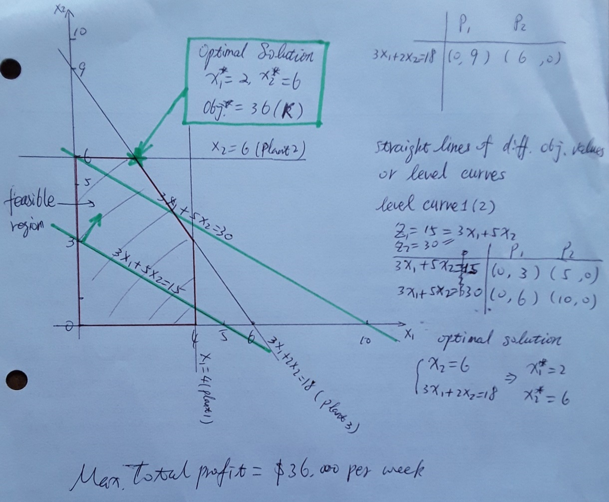
Solving Wyndor Glass problem by the graphical method |  | https://www.desmos.com/calculator/1ouev9jscd
 | Q1. plotting mannually | Q1. formulas on desmos.com | Q1. plotting by an online software: Desmos.com
 |  | x≥0{y≥ 0}{x≤4}{2y≤12}{3x+2y≤18}
 |  | x=0
 |  | y=0
 |  | x=4
 |  | 2y=12
 |  | 3x+2y=18
 |  | 3x+5y=z
 |  | z=15 (changing the value of z to find the optimal value. Click the point to show coordinates and Ctrl+P save it.)

