NO 1
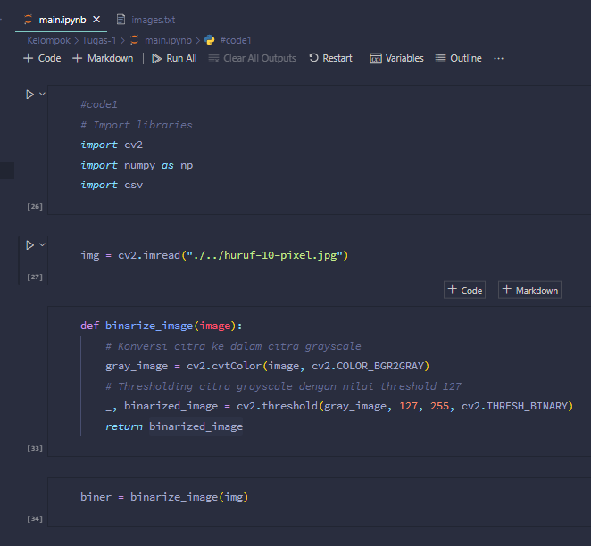
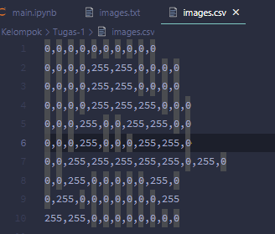
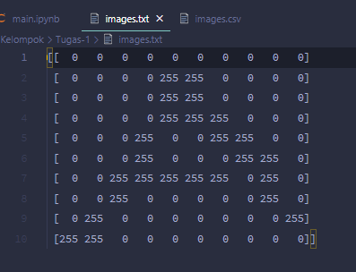
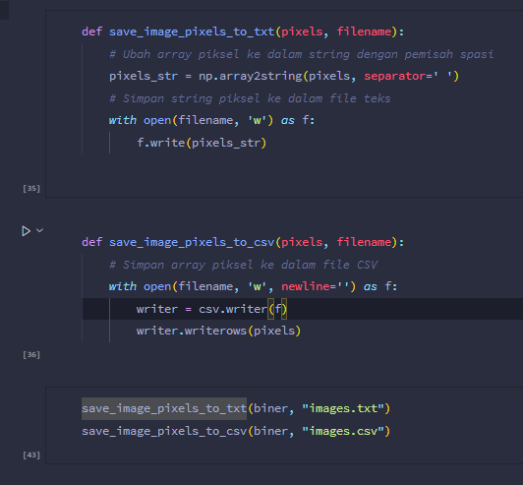
Source Code | Hasil

NO 2
 |  |  |  |  |  |  |  |  |  |  |  |  |  |  |  |  |  |  |  |  |  |  |  |  |  |  |  |  |  |  | Struktur
Citra 1 | PIXEL CITRA ASLI
 | 0 | 0 | 0 | 0 | 0 | 0 | 0 | 0 | 0 | 0 |  |  |  |  |  |  |  |  |  |  |  |  |  |  |  |  |  |  |  |  | 1 | 1 | 1 | 0 | 1 | 0
 | 0 | 0 | 0 | 0 | 255 | 255 | 0 | 0 | 0 | 0 |  |  |  |  |  |  |  |  |  |  |  |  |  |  |  |  |  |  |  |  | 1 | 1 | 1 | 0 | 1 | 0
 | 0 | 0 | 0 | 0 | 255 | 255 | 0 | 0 | 0 | 0 |  |  |  |  |  |  |  |  |  |  |  |  |  |  |  |  |  |  |  |  | 1 | 1 | 1 | 0 | 1 | 0
 | 0 | 0 | 0 | 0 | 255 | 255 | 255 | 0 | 0 | 0
 | 0 | 0 | 0 | 255 | 0 | 0 | 255 | 255 | 0 | 0 |  |  |  |  |  |  |  |  |  |  |  |  |  |  |  |  |  |  |  |  | 0 | 1 | 0 | 0 | 0 | 0
 | 0 | 0 | 0 | 255 | 0 | 0 | 0 | 255 | 255 | 0 |  |  |  |  |  |  |  |  |  |  |  |  |  |  |  |  |  |  |  |  | 1 | 1 | 1 | 1 | 1 | 1
 | 0 | 0 | 255 | 255 | 255 | 255 | 255 | 0 | 255 | 0 |  |  |  |  |  |  |  |  |  |  |  |  |  |  |  |  |  |  |  |  | 0 | 1 | 0 | 0 | 0 | 0
 | 0 | 0 | 255 | 0 | 0 | 0 | 0 | 0 | 255 | 0
 | 0 | 255 | 0 | 0 | 0 | 0 | 0 | 0 | 0 | 255 |  |  |  |  |  |  |  |  |  |  |  |  |  |  |  |  |  |  |  |  | 1 | 0 | 1 | 0 | 0 | 1
 | 255 | 255 | 0 | 0 | 0 | 0 | 0 | 0 | 0 | 0 |  |  |  |  |  |  |  |  |  |  |  |  |  |  |  |  |  |  |  |  | 0 | 1 | 0 | 0 | 1 | 0
 |  |  |  |  |  |  |  |  |  |  |  |  |  |  |  |  |  |  |  |  |  |  |  |  |  |  |  |  |  |  | 1 | 0 | 1 | 1 | 0 | 0

 | PIXEL CITRA BINER
 | 0 | 0 | 0 | 0 | 0 | 0 | 0 | 0 | 0 | 0
 | 0 | 0 | 0 | 0 | 1 | 1 | 0 | 0 | 0 | 0
 | 0 | 0 | 0 | 0 | 1 | 1 | 0 | 0 | 0 | 0
 | 0 | 0 | 0 | 0 | 1 | 1 | 1 | 0 | 0 | 0
 | 0 | 0 | 0 | 1 | 0 | 0 | 1 | 1 | 0 | 0
 | 0 | 0 | 0 | 1 | 0 | 0 | 0 | 1 | 1 | 0
 | 0 | 0 | 1 | 1 | 1 | 1 | 1 | 0 | 1 | 0
 | 0 | 0 | 1 | 0 | 0 | 0 | 0 | 0 | 1 | 0
 | 0 | 1 | 0 | 0 | 0 | 0 | 0 | 0 | 0 | 1
 | 1 | 1 | 0 | 0 | 0 | 0 | 0 | 0 | 0 | 0

 | DILASI |  |  |  |  |  |  |  |  |  | OPERASI DILASI |  |  |  |  |  |  |  |  |  | HASIL DILASI
 | 0 | 0 | 0 | 0 | 0 | 0 | 0 | 0 | 0 | 0 | 0 | 0 | 0 | 0 | * | * | 0 | 0 | 0 | 0 | 0 | 0 | 0 | 0 | 1 | 1 | 0 | 0 | 0 | 0
 | 0 | 0 | 0 | 0 | 1 | 1 | 0 | 0 | 0 | 0 | 0 | 0 | 0 | * | 1 | 1 | * | 0 | 0 | 0 | 0 | 0 | 0 | 1 | 1 | 1 | 1 | 0 | 0 | 0
 | 0 | 0 | 0 | 0 | 1 | 1 | 0 | 0 | 0 | 0 | 0 | 0 | 0 | * | 1 | 1 | * | 0 | 0 | 0 | 0 | 0 | 0 | 1 | 1 | 1 | 1 | 0 | 0 | 0
 | 0 | 0 | 0 | 0 | 1 | 1 | 1 | 0 | 0 | 0 | 0 | 0 | 0 | * | 1 | 1 | 1 | * | 0 | 0 | 0 | 0 | 0 | 1 | 1 | 1 | 1 | 1 | 0 | 0
 | 0 | 0 | 0 | 1 | 0 | 0 | 1 | 1 | 0 | 0 | 0 | 0 | * | 1 | * | * | 1 | 1 | * | 0 | 0 | 0 | 1 | 1 | 1 | 1 | 1 | 1 | 1 | 0
 | 0 | 0 | 0 | 1 | 0 | 0 | 0 | 1 | 1 | 0 | 0 | 0 | * | 1 | * | * | * | 1 | 1 | * | 0 | 0 | 1 | 1 | 1 | 1 | 1 | 1 | 1 | 1
 | 0 | 0 | 1 | 1 | 1 | 1 | 1 | 0 | 1 | 0 | 0 | * | 1 | 1 | 1 | 1 | 1 | * | 1 | * | 0 | 1 | 1 | 1 | 1 | 1 | 1 | 1 | 1 | 1
 | 0 | 0 | 1 | 0 | 0 | 0 | 0 | 0 | 1 | 0 | 0 | * | 1 | * | * | * | * | * | 1 | * | 0 | 1 | 1 | 1 | 1 | 1 | 1 | 1 | 1 | 1
 | 0 | 1 | 0 | 0 | 0 | 0 | 0 | 0 | 0 | 1 | * | 1 | * | 0 | 0 | 0 | 0 | 0 | * | 1 | 1 | 1 | 1 | 0 | 0 | 0 | 0 | 0 | 1 | 1
 | 1 | 1 | 0 | 0 | 0 | 0 | 0 | 0 | 0 | 0 | 1 | 1 | * | 0 | 0 | 0 | 0 | 0 | 0 | * | 1 | 1 | 1 | 0 | 0 | 0 | 0 | 0 | 0 | 1

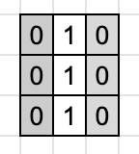
 | EROSI |  |  |  |  |  |  |  |  |  | EROSI |  |  |  |  |  |  |  |  |  | HASIL EROSI
 | 0 | 0 | 0 | 0 | 0 | 0 | 0 | 0 | 0 | 0 | 0 | 0 | 0 | 0 | 0 | 0 | 0 | 0 | 0 | 0 | 0 | 0 | 0 | 0 | 0 | 0 | 0 | 0 | 0 | 0
 | 0 | 0 | 0 | 0 | 1 | 1 | 0 | 0 | 0 | 0 | 0 | 0 | 0 | 0 | * | * | 0 | 0 | 0 | 0 | 0 | 0 | 0 | 0 | 1 | 1 | 0 | 0 | 0 | 0
 | 0 | 0 | 0 | 0 | 1 | 1 | 0 | 0 | 0 | 0 | 0 | 0 | 0 | 0 | 1 | 1 | 0 | 0 | 0 | 0 | 0 | 0 | 0 | 0 | 1 | 1 | 0 | 0 | 0 | 0
 | 0 | 0 | 0 | 0 | 1 | 1 | 1 | 0 | 0 | 0 | 0 | 0 | 0 | 0 | * | * | * | 0 | 0 | 0 | 0 | 0 | 0 | 0 | 1 | 1 | 1 | 0 | 0 | 0
 | 0 | 0 | 0 | 1 | 0 | 0 | 1 | 1 | 0 | 0 | 0 | 0 | 0 | * | 0 | 0 | * | * | 0 | 0 | 0 | 0 | 0 | 1 | 0 | 0 | 1 | 1 | 0 | 0
 | 0 | 0 | 0 | 1 | 0 | 0 | 0 | 1 | 1 | 0 | 0 | 0 | 0 | 1 | 0 | 0 | 0 | * | * | 0 | 0 | 0 | 0 | 1 | 0 | 0 | 0 | 1 | 1 | 0
 | 0 | 0 | 1 | 1 | 1 | 1 | 1 | 0 | 1 | 0 | 0 | 0 | * | * | * | * | * | 0 | 1 | 0 | 0 | 0 | 1 | 1 | 1 | 1 | 1 | 0 | 1 | 0
 | 0 | 0 | 1 | 0 | 0 | 0 | 0 | 0 | 1 | 0 | 0 | 0 | * | 0 | 0 | 0 | 0 | 0 | * | 0 | 0 | 0 | 1 | 0 | 0 | 0 | 0 | 0 | 1 | 0
 | 0 | 1 | 0 | 0 | 0 | 0 | 0 | 0 | 0 | 1 | 0 | * | 0 | 0 | 0 | 0 | 0 | 0 | 0 | * | 0 | 1 | 0 | 0 | 0 | 0 | 0 | 0 | 0 | 1
 | 1 | 1 | 0 | 0 | 0 | 0 | 0 | 0 | 0 | 0 | * | * | 0 | 0 | 0 | 0 | 0 | 0 | 0 | 0 | 1 | 1 | 0 | 0 | 0 | 0 | 0 | 0 | 0 | 0

 | OPENING
 | EROSI |  |  |  |  |  |  |  |  |  | DILASI
 | 0 | 0 | 0 | 0 | 0 | 0 | 0 | 0 | 0 | 0 | 0 | 0 | 0 | 0 | 0 | 0 | 0 | 0 | 0 | 0
 | 0 | 0 | 0 | 0 | 0 | 0 | 0 | 0 | 0 | 0 | 0 | 0 | 0 | 0 | * | * | 0 | 0 | 0 | 0
 | 0 | 0 | 0 | 0 | 1 | 1 | 0 | 0 | 0 | 0 | 0 | 0 | 0 | * | 1 | 1 | * | 0 | 0 | 0
 | 0 | 0 | 0 | 0 | 0 | 0 | 0 | 0 | 0 | 0 | 0 | 0 | 0 | 0 | * | * | 0 | 0 | 0 | 0
 | 0 | 0 | 0 | 0 | 0 | 0 | 0 | 0 | 0 | 0 | 0 | 0 | 0 | * | 0 | 0 | 0 | 0 | 0 | 0
 | 0 | 0 | 0 | 1 | 0 | 0 | 0 | 0 | 0 | 0 | 0 | 0 | * | 1 | * | 0 | 0 | 0 | * | 0
 | 0 | 0 | 0 | 0 | 0 | 0 | 0 | 0 | 1 | 0 | 0 | 0 | 0 | * | 0 | 0 | 0 | * | 1 | *
 | 0 | 0 | 0 | 0 | 0 | 0 | 0 | 0 | 0 | 0 | 0 | 0 | 0 | 0 | 0 | 0 | 0 | 0 | * | 0
 | 0 | 0 | 0 | 0 | 0 | 0 | 0 | 0 | 0 | 0 | 0 | 0 | 0 | 0 | 0 | 0 | 0 | 0 | 0 | 0
 | 0 | 0 | 0 | 0 | 0 | 0 | 0 | 0 | 0 | 0 | 0 | 0 | 0 | 0 | 0 | 0 | 0 | 0 | 0 | 0

 | CLOSING
 | DILASI |  |  |  |  |  |  |  |  |  | EROSI
 | 0 | 0 | 0 | 0 | 1 | 1 | 0 | 0 | 0 | 0 | 0 | 0 | 0 | 0 | * | * | 0 | 0 | 0 | 0
 | 0 | 0 | 0 | 1 | 1 | 1 | 1 | 0 | 0 | 0 | 0 | 0 | 0 | * | 1 | 1 | * | 0 | 0 | 0
 | 0 | 0 | 0 | 1 | 1 | 1 | 1 | 0 | 0 | 0 | 0 | 0 | 0 | * | 1 | 1 | * | 0 | 0 | 0
 | 0 | 0 | 0 | 1 | 1 | 1 | 1 | 1 | 0 | 0 | 0 | 0 | 0 | * | 1 | 1 | 1 | * | 0 | 0
 | 0 | 0 | 1 | 1 | 1 | 1 | 1 | 1 | 1 | 0 | 0 | 0 | * | 1 | 1 | 1 | 1 | 1 | * | 0
 | 0 | 0 | 1 | 1 | 1 | 1 | 1 | 1 | 1 | 1 | 0 | 0 | * | 1 | 1 | 1 | 1 | 1 | 1 | *
 | 0 | 1 | 1 | 1 | 1 | 1 | 1 | 1 | 1 | 1 | 0 | * | 1 | 1 | 1 | 1 | 1 | 1 | 1 | *
 | 0 | 1 | 1 | 1 | 1 | 1 | 1 | 1 | 1 | 1 | 0 | * | 1 | * | * | * | * | * | 1 | *
 | 1 | 1 | 1 | 0 | 0 | 0 | 0 | 0 | 1 | 1 | * | 1 | * | 0 | 0 | 0 | 0 | 0 | * | *
 | 1 | 1 | 1 | 0 | 0 | 0 | 0 | 0 | 0 | 1 | * | * | * | 0 | 0 | 0 | 0 | 0 | 0 | *

