(EquipmentStat)
id | property | min | max
唯一id | 属性 | 最小属性 | 最大属性
int | string | string | string
notEmpty | notEmpty | notEmpty | notEmpty
8001 | specialDamage.normalAttack | 50 | 100 | 普攻伤害
8002 | specialDamage.normalAttack | 100 | 150
8003 | specialDamage.normalAttack | 150 | 200
8004 | specialDamage.normalAttack | 200 | 250
8005 | specialDamage.normalAttack | 250 | 300
8006 | specialDamage.normalAttack | 350 | 400
8007 | specialDamage.normalAttack | 400 | 500
8008 | specialDamage.normalAttack | 500 | 600
8009 | specialDamage.normalAttack | 600 | 700
8101 | normalAttackSpeed | 50 | 100 | 攻速
8102 | normalAttackSpeed | 100 | 150
8103 | normalAttackSpeed | 150 | 200
8104 | normalAttackSpeed | 200 | 250
8105 | normalAttackSpeed | 250 | 300
8106 | normalAttackSpeed | 350 | 400
8107 | normalAttackSpeed | 400 | 500
8108 | normalAttackSpeed | 500 | 600
8109 | normalAttackSpeed | 600 | 700
8201 | normalAttackRange | 50 | 100 | 攻击距离
8202 | normalAttackRange | 100 | 150
8203 | normalAttackRange | 150 | 200
8204 | normalAttackRange | 200 | 250
8205 | normalAttackRange | 250 | 300
8206 | normalAttackRange | 350 | 400
8207 | normalAttackRange | 400 | 500
8208 | normalAttackRange | 500 | 600
8209 | normalAttackRange | 600 | 700
8301 | combo | 50 | 100 | 连击
8302 | combo | 100 | 150
8303 | combo | 150 | 200
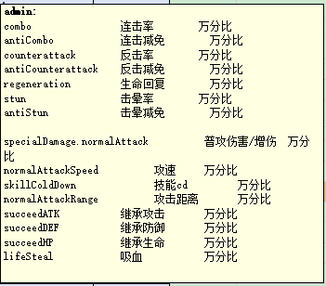
8304 | combo | 200 | 250
8305 | combo | 250 | 300
8306 | combo | 350 | 400
8307 | combo | 400 | 500
8308 | combo | 500 | 600
8309 | combo | 600 | 700
8401 | stun | 50 | 100 | 击晕
8402 | stun | 100 | 150
8403 | stun | 150 | 200
8404 | stun | 200 | 250
8405 | stun | 250 | 300
8406 | stun | 350 | 400
8407 | stun | 400 | 500
8408 | stun | 500 | 600
8409 | stun | 600 | 700
8501 | lifeSteal | 50 | 100 | 吸血
8502 | lifeSteal | 100 | 150
8503 | lifeSteal | 150 | 200
8504 | lifeSteal | 200 | 250
8505 | lifeSteal | 250 | 300
8506 | lifeSteal | 350 | 400
8507 | lifeSteal | 400 | 500
8508 | lifeSteal | 500 | 600
8509 | lifeSteal | 600 | 700

