Sheet2
 | 奖励 | 兑换码数量
引流 | 钻石*200 | 2000
评论维护 | 漂流瓶*50 | 1000
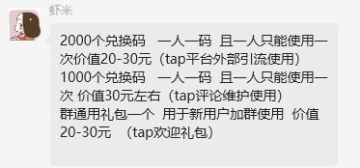
群通用 | 钻石*100，漂流瓶*20 |  | HYLDTATA

 | 30023,100
 | 10002,500
 | 10002,300|30023,50

