Sheet2
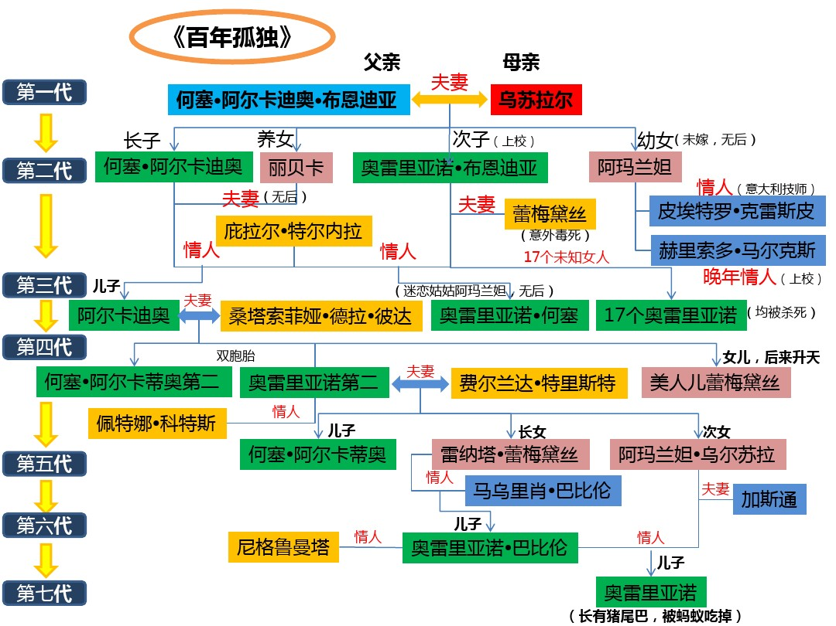

Sheet4
求婚，被拒
养女
第一代 |  |  | 霍·阿·布恩蒂亚
 |  |  | 乌苏娜

求婚，被拒
暧昧
第二代 | 霍·阿卡蒂奥 |  | 奥雷连诺上校 |  | 阿玛兰塔 | 皮埃特罗·皮里斯皮
 | 雷贝卡 |  | 雷麦黛丝·摩斯柯特
 |  | 皮拉·苔列娜 | （被阿玛兰塔意外毒死） | 17个女人 |  | 赫里内勒多·马尔克斯
 |  |  |  |  |  | 上校年少时朋友
第三代 | 阿卡蒂奥 |  | 奥雷连诺·霍塞 |  | 十七个奥雷连诺
 | 圣索菲娅·德拉佩德

第四代 | 俏姑娘雷麦黛丝 |  | 霍·阿卡蒂奥第二 | ←双胞胎→ | 奥雷连诺第二
 |  |  | 菲兰达·德卡皮奥
 |  |  |  | 佩特娜·柯特

第五代 | 霍·阿卡蒂奥 |  | 梅梅（雷纳塔） |  | 阿玛兰塔·乌苏娜
 | （神学院学生） |  | 巴比洛尼亚（恋爱） |  | 加斯东

第六代 |  |  | 奥雷连诺·布恩蒂亚
 |  |  | （破译手稿者）

相恋并订婚
第七代 |  |  |  |  | 奥雷连诺
 |  |  |  |  | 有尾巴的婴儿

