Excel reg output
Takaways:
- Excel (and most econometric software) automatically provide information for hypothesis test Ho: b = 0.
- A strong effect will manifest through small standard errors relative to the regression coefficient; that implies large t Stat values, small P-values, and confidence intervals that do not include 0
- The t stat tells us how many standard errors away from 0 is our estimated coefficient. Typically the 95% critical value is 1.96, however, because we have a small sample size the critical value has balloned to 4.303 standard erros. See the stats table for the relationship between n and critical values.
- The P-value tells us how much area is left in the tails beyond the observed t-Stat. Another way to interpret it: the P value tells us the probability that the null hypothesis (b = 0) is true. We want a value of 0.05 or smaller.
SUMMARY OUTPUT

Regression Statistics
Multiple R | 0.824
R Square | 0.679
Adjusted R Square | 0.518
Standard Error | 2.471
Observations | 4

ANOVA
 | df | SS | MS | F | Significance F
Regression | 1 | 25.786 | 25.786 | 4.222 | 0.176
Residual | 2 | 12.214 | 6.107
Total | 3 | 38.000

 | Coefficients | Standard Error | t Stat | P-value | Lower 95% | Upper 95% | Lower 95.0% | Upper 95.0%
Intercept | 1.571 | 2.917 | 0.539 | 0.644 | -10.978 | 14.120 | -10.978 | 14.120
X | 1.357 | 0.660 | 2.055 | 0.176 | -1.485 | 4.199 | -1.485 | 4.199
myIntercept | 1.571 | 2.917 | 0.539 | 0.644 | -10.978 | 14.120 | -10.978 | 14.120
myX | 1.357 | 0.660 | 2.055 | 0.176 | -1.485 | 4.199 | -1.485 | 4.199

RESIDUAL OUTPUT |  |  |  | Using Excel Function | Using Stats Table | Stats Table Link
 |  |  | Critical t Value (df = n-2) | 4.303 | 4.30 | https://wwwedu.github.io/BC4400/Admin/StatsTables.pdf#page=5
Observation | Predicted Y | Residuals
1 | 2.929 | 1.071
2 | 7.000 | -2.000
3 | 8.357 | -1.357
4 | 9.714 | 2.286

Handrolled calcs
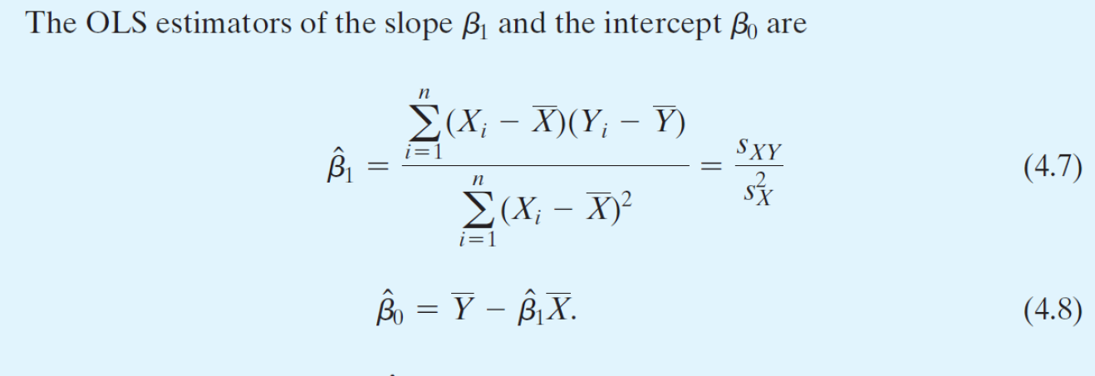
i | Y | X | y = Y - Ybar | x = X - Xbar | xy | x^2 | Y_hat = b0 + b1 * X | u_hat | y_hat = Y_hat - Y_hat_bar | X^2 | y_hat^2 | y^2 | u_hat^2
1 | 4 | 1 | -3 | -3 | 9 | 9 | 2.929 | 1.071 | -4.071 | 1 | 16.577 | 9 | 1.148
2 | 5 | 4 | -2 | 0 | 0 | 0 | 7.000 | -2.000 | 0.000 | 16 | 0.000 | 4 | 4.000
3 | 7 | 5 | 0 | 1 | 0 | 1 | 8.357 | -1.357 | 1.357 | 25 | 1.842 | 0 | 1.842
4 | 12 | 6 | 5 | 2 | 10 | 4 | 9.714 | 2.286 | 2.714 | 36 | 7.367 | 25 | 5.224

Sum | 28 | 16 | 0 | 0 | 19 | 14 | 28.000 | 0 | 0 | 78 | 25.786 | 38 | 12.214
Avg (Ybar Xbar) | 7 | 4 |  |  |  |  |  |  |  |  | ESS | TSS | RSS
 |  |  |  |  |  |  |  |  |  |  |  |  | aka SSR
 | My Calcs | Excel | Diff.
n | 4 | 4 | 0 |  |  |  |  |  |  |  |  | TSS Check (ESS+RSS) | Diff.
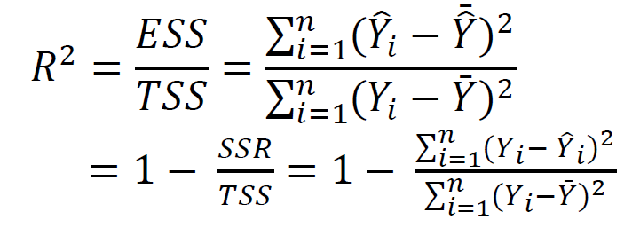
Coefficients |  |  |  |  |  |  |  |  |  |  |  | 38.000 | 0.000
b1 = xy / x^2 = 19/14 | 1.357 | 1.357 | 0
b1 = covar(X,Y) / var(X) | 1.357 | 1.357 | 0
b0 = Ybar - b1*Xbar | 1.571 | 1.571 | 0

Measures of fit
R2 = ESS / TSS | 0.679 | 0.679 | 0
R2 = 1 - RSS / TSS | 0.679 | 0.679 | 0
SER = sqrt (RSS / (n-2)) | 2.471 | 2.471 | 0
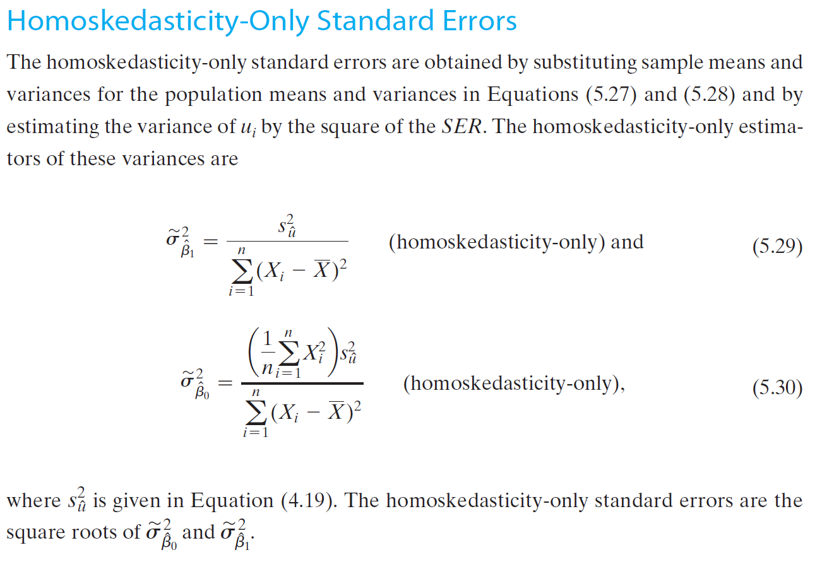
RMSE = sqrt (RSS / n) | 1.747 | -

Coefficients Standard Errors
VAR(b1) = SER^2 / x^2 | 0.436
SE(b1) = sqrt(VAR(b1)) | 0.660 | 0.660 | 0
VAR(b0) = 1/n * X^2 * SER^2 / x^2 | 8.506
SE(b0) = sqrt(VAR(b0)) | 2.917 | 2.917 | 0

Excel reg output with charts
X Residual Plot
SUMMARY OUTPUT

Regression Statistics
Multiple R | 0.824
R Square | 0.679
Adjusted R Square | 0.518
Standard Error | 2.471
Observations | 4.000

ANOVA
 | df | SS | MS | F | Significance F
Regression | 1.000 | 25.786 | 25.786 | 4.222 | 0.176
Residual | 2.000 | 12.214 | 6.107
Total | 3.000 | 38.000
X Line Fit Plot
 | Y | Predicted Y
1 | 4 | 2.929
4 | 5 | 7.000
5 | 7 | 8.357
6 | 12 | 9.714
 | Coefficients | Standard Error | t Stat | P-value | Lower 95% | Upper 95% | Lower 95.0% | Upper 95.0%
Intercept | 1.571 | 2.917 | 0.539 | 0.644 | -10.978 | 14.120 | -10.978 | 14.120
X | 1.357 | 0.660 | 2.055 | 0.176 | -1.485 | 4.199 | -1.485 | 4.199

RESIDUAL OUTPUT

Observation | Predicted Y | Residuals
1.000 | 2.929 | 1.071
2.000 | 7.000 | -2.000
3.000 | 8.357 | -1.357
4.000 | 9.714 | 2.286

Std Errors Theory SW Ch 5
