Handrolled
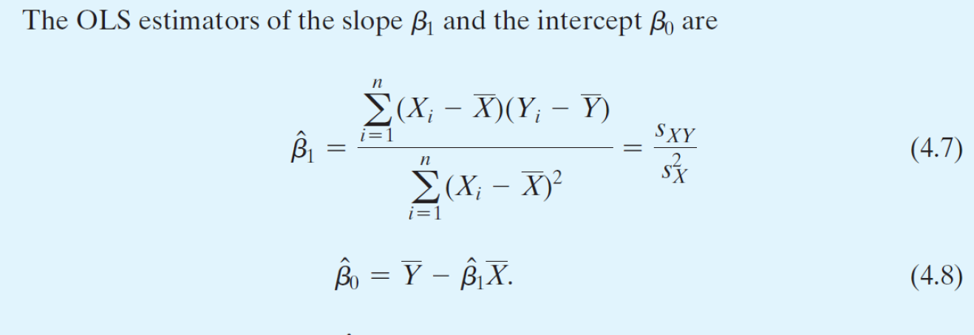
i | Y | X | y | x | xy | x^2 | Y_hat | u_hat | y_hat | y_hat^2 | y^2 | u_hat^2
1 | 4 | 1 | -3 | -3 | 9 | 9 | 2.929 | 1.071 | -4.071 | 16.577 | 9 | 1.148
2 | 5 | 4 | -2 | 0 | 0 | 0 | 7.000 | -2.000 | 0.000 | 0.000 | 4 | 4.000
3 | 7 | 5 | 0 | 1 | 0 | 1 | 8.357 | -1.357 | 1.357 | 1.842 | 0 | 1.842
4 | 12 | 6 | 5 | 2 | 10 | 4 | 9.714 | 2.286 | 2.714 | 7.367 | 25 | 5.224

Sum | 28 | 16 | 0 | 0 | 19 | 14 | 28 | 0 | 0 | 25.785714286 | 38 | 12.214
Avg (Ybar Xbar) | 7 | 4 |  |  |  |  |  |  |  | ESS | TSS | RSS
 | My Calcs | Excel Output | Diff.
n | 4 | 4 | 0
b1 = 19/14 | 1.357 | 1.357 | 0 |  |  |  |  |  |  |  | TSS Check (ESS+RSS) | Diff.
b0=Ybar - b1*Xbar | 1.571 | 1.571 | 0 |  |  |  |  |  |  |  | 38.000 | 0.000
R2 = ESS/TSS | 0.679 | 0.679 | 0
R2 = 1 - RSS/TSS | 0.679 | 0.679 | 0
SER = sqrt(RSS/(n-2)) | 2.471 | 2.471 | 0
RMSR = sqrt(RSS/n) | 1.747

