Handrolled
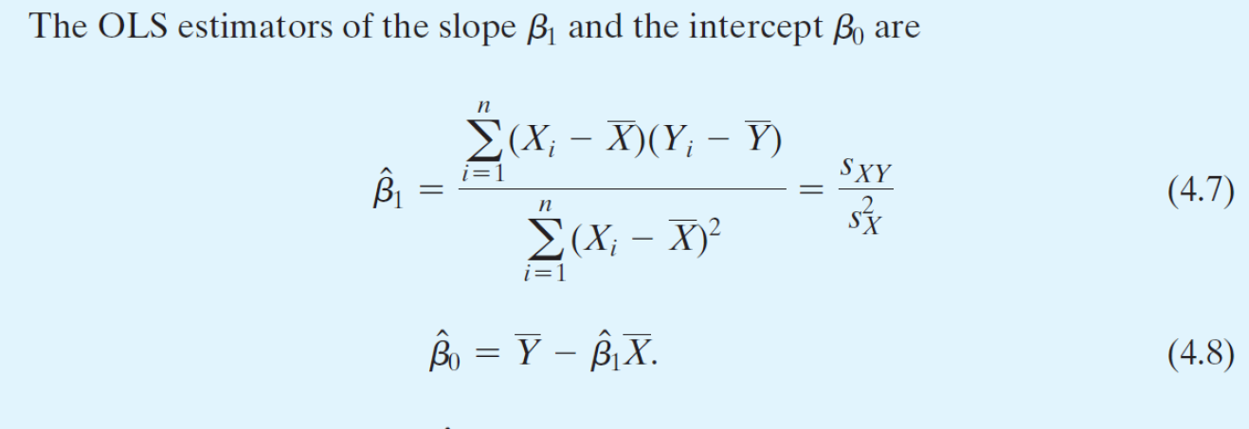
i | Y | X | y | x | xy | x^2
1 | 4 | 1 | -3 | -3 | 9 | 9
2 | 5 | 4 | -2 | 0 | 0 | 0
3 | 7 | 5 | 0 | 1 | 0 | 1
4 | 12 | 6 | 5 | 2 | 10 | 4

Sum | 28 | 16 | 0 | 0 | 19 | 14
Avg (Ybar Xbar) | 7 | 4
 | My Calcs | Excel Output | Diff.
n | 4 | 4 | 0
b1 = 19/14 | 1.357 | 1.357 | 0
b0=Ybar - b1*Xbar | 1.571 | 1.571 | 0

