Theory SW Ch. 5
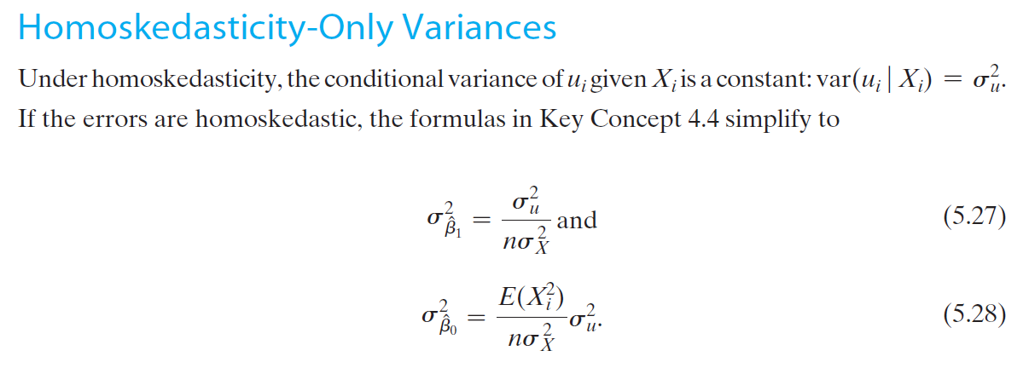
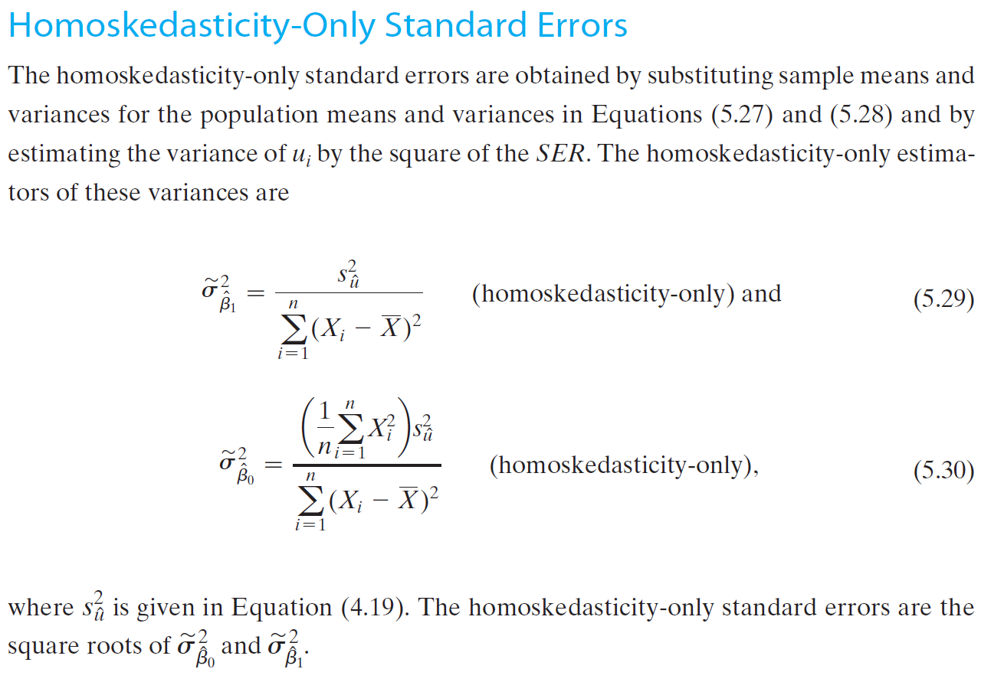

myExcel regression output
SUMMARY OUTPUT

Takaways:
- Excel (and most econometric software) automatically provide information for hypothesis test Ho: b = 0.
- A strong effect will manifest through small standard errors, large t Stat values, small P-values, confidence intervals that do not include 0
- The t Stat tells us how many standard errors away from 0 is our estimated coefficient. Typically the 95% critical value is 1.96, however, because we have a small sample size the critical value has balloned to 4.303 standard erros. See the stats table for the relationship between n and critical values.
- The P-value tells us how much area is left in the tails beyond the observed t-Stat. Another way to interpret it: the P value tells us the probability that the null hypothesis (b=0) is true. We want a value of 0.05 or smaller.
Regression Statistics
Multiple R | 0.824
R Square | 0.679
Adjusted R Square | 0.518
Standard Error | 2.471
Observations | 4

ANOVA
 | df | SS | MS | F | Significance F
Regression | 1 | 25.786 | 25.786 | 4.222 | 0.176
Residual | 2 | 12.214 | 6.107
Total | 3 | 38

 | Coefficients | Standard Error | t Stat | P-value | Lower 95% | Upper 95%
Intercept | 1.571 | 2.917 | 0.539 | 0.644 | -10.978 | 14.120
X Variable 1 | 1.357 | 0.660 | 2.055 | 0.176 | -1.485 | 4.199
 |  |  | 0.539 | 0.644 | -10.978 | 14.120
 |  |  | 2.055 | 0.176 | -1.485 | 4.199

 | 2.842 |  |  | Using Excel Function | Using Stats Table | Stats Table Link
 |  |  | Critical t Value (df = n-2) | 4.303 | 4.303 | https://wwwedu.github.io/BC4400/Admin/StatsTables.pdf#page=5

RESIDUAL OUTPUT

Observation | Predicted Y | Residuals
1.000 | 2.929 | 1.071
2.000 | 7.000 | -2.000
3.000 | 8.357 | -1.357
4.000 | 9.714 | 2.286

