Sheet1
論文 | entry | R1- | R1-img | R2 | organocatalyst | organocatalyst-img | organocatalyst(mol%) | under | temp(℃) | time(h) | Cu(OAc)2(mol%) | AcOH(mol%) | 収率(%)

ol301095j

Table1 | 1 | CC1=CC=CC=C1 | 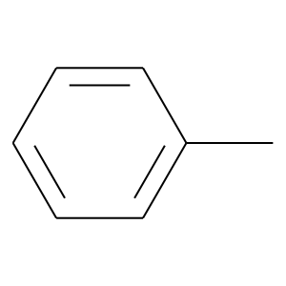 | H | O=C1C(C(C)(C)C)=CC(C(O)=C1)=O | 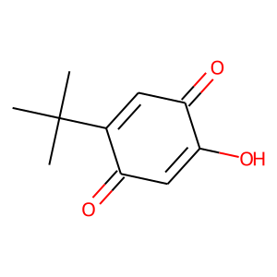 | 1.5 | O2 | rt | 20 | 0 | 0 | 87
 | 2 | CC1=CC=C(N)C=C1 | 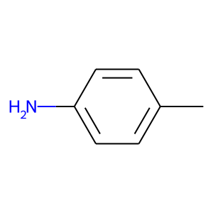 | H | O=C1C(C(C)(C)C)=CC(C(O)=C1)=O |  | 1.5 | O2 | rt | 20 | 0 | 0 | 76
 | 3 | CC1=CC=C(OC)C=C1 | 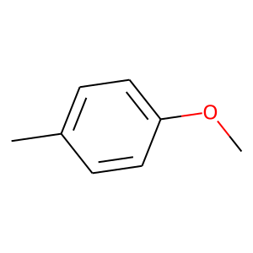 | H | O=C1C(C(C)(C)C)=CC(C(O)=C1)=O |  | 1.5 | O2 | rt | 20 | 0 | 0 | 93
 | 4 | CC1=CC=C(Cl)C=C1 | 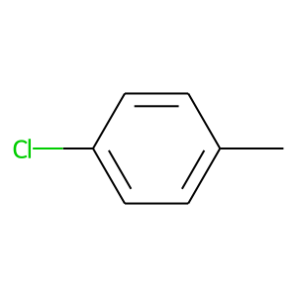 | H | O=C1C(C(C)(C)C)=CC(C(O)=C1)=O |  | 1.5 | O2 | rt | 20 | 0 | 0 | 90
 | 5 | CC1=CC=C(F)C=C1 | 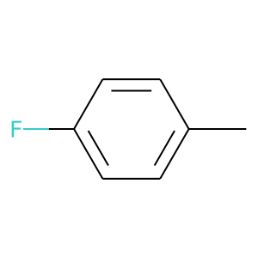 | H | O=C1C(C(C)(C)C)=CC(C(O)=C1)=O |  | 1.5 | O2 | rt | 20 | 0 | 0 | 91
 | 6 | CC1=CC=C(C(F)(F)F)C=C1 | 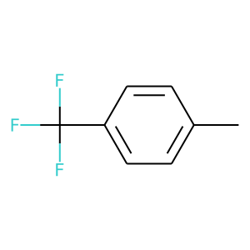 | H | O=C1C(C(C)(C)C)=CC(C(O)=C1)=O |  | 1.5 | O2 | rt | 48 | 0 | 0 | 78
 | 7 | CC1=CC=CC(Cl)=C1 | 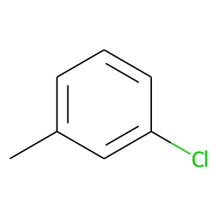 | H | O=C1C(C(C)(C)C)=CC(C(O)=C1)=O |  | 1.5 | O2 | rt | 48 | 0 | 0 | 72
 | 8 | CC1=CC=CC(I)=C1 | 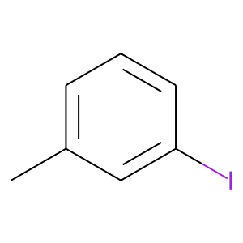 | H | O=C1C(C(C)(C)C)=CC(C(O)=C1)=O |  | 1.5 | O2 | rt | 20 | 0 | 0 | 70
 | 9 | CC1=CC=CC=C1C | 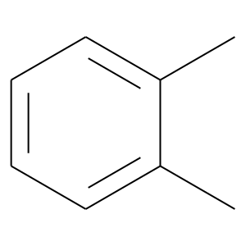 | H | O=C1C(C(C)(C)C)=CC(C(O)=C1)=O |  | 1.5 | O2 | rt | 20 | 0 | 0 | 86
 | 10 | CC1=CC=CC=C1OC | 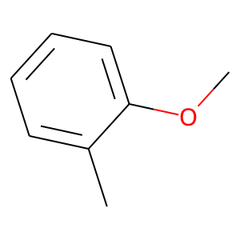 | H | O=C1C(C(C)(C)C)=CC(C(O)=C1)=O |  | 1.5 | O2 | rt | 20 | 0 | 0 | 73
 | 11 | CC1=C(C=CC=C2)C2=CC=C1 | 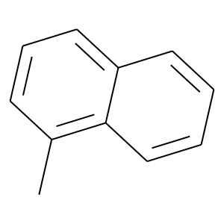 | H | O=C1C(C(C)(C)C)=CC(C(O)=C1)=O |  | 1.5 | O2 | rt | 20 | 0 | 0 | 81
 | 12 | CC1=CC(OCO2)=C2C=C1 | 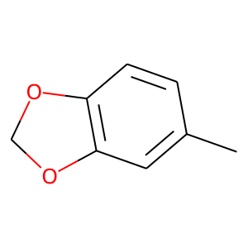 | H | O=C1C(C(C)(C)C)=CC(C(O)=C1)=O |  | 1.5 | O2 | rt | 20 | 0 | 0 | 91
 | 13 | CC1=CC=CO1 | 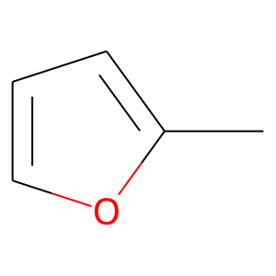 | H | O=C1C(C(C)(C)C)=CC(C(O)=C1)=O |  | 1.5 | O2 | rt | 20 | 0 | 0 | 80
 | 14 |  |  |  | O=C1C(C(C)(C)C)=CC(C(O)=C1)=O |  | 1.5 | O2 | rt | 20 | 0 | 0 | 0
 | 15 |  |  |  | O=C1C(C(C)(C)C)=CC(C(O)=C1)=O |  | 1.5 | O2 | rt | 20 | 0 | 0 | 0
 | 16 |  |  |  | O=C1C(C(C)(C)C)=CC(C(O)=C1)=O |  | 1.5 | O2 | rt | 20 | 0 | 0 | 0

Scheme1-(1) | 1 | CC1=CC=CC=C1 |  | C | O=C1C(C(C)(C)C)=CC(C(O)=C1)=O |  | 10 | O2 | rt | 48 | 0 | 0 | 69

Chemistry A European J - 2017 - Largeron - A Bioinspired Organocatalytic Cascade for the Selective Oxidation of Amines

Scheme3

 | 1 | NCC1=CC=C(C)C=C1 | 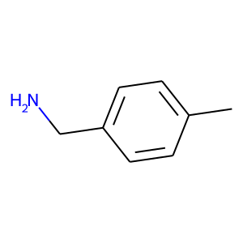 | H | OC1=CC=CC(O)=C1O | 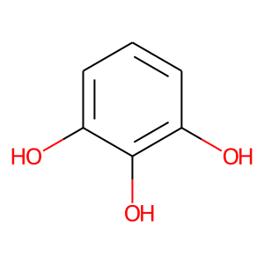 | 4 | air | rt | 24 | 0 | 0 | 90
 | 2 | NCC1=CC=C(C)C=C1 |  | H | OC1=CC=CC(O)=C1N | 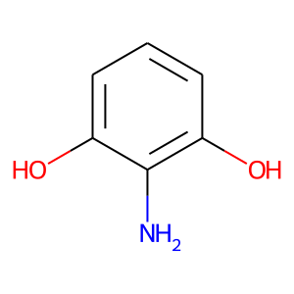 | 4 | air | rt | 24 | 0 | 0 | 5
 | 3 | NCC1=CC=C(C)C=C1 |  | H | OC1=C2C(C=CC=C(O)C2=O)=CC(O)=C1O | 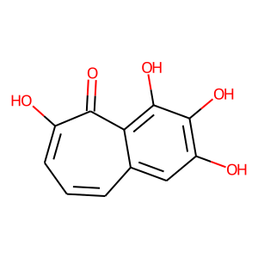 | 2 | air | rt | 24 | 0 | 0 | 75

acs.orglett.6b02697

Table1 | 1 | CC1=CC=C(OC)C=C1 |  | H | O=C1C=C(CCCCC)C2=CC=CC=C2C1=O | 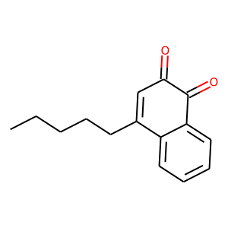 | 10 | O2 | rt | 48 | 0 | 0 | 39
 | 2 | CC1=CC=C(OC)C=C1 |  | H | O=C1C=C(OC)C2=CC=CC=C2C1=O | 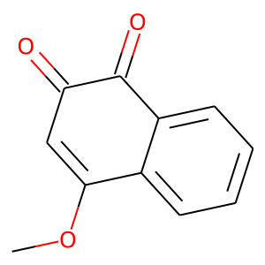 | 10 | O2 | rt | 48 | 0 | 0 | 64
 | 3 | CC1=CC=C(OC)C=C1 |  | H | O=C1C=C(C2=CC=CC=C2)C3=CC=CC=C3C1=O | 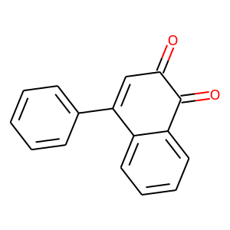 | 10 | O2 | rt | 48 | 0 | 0 | 69
 | 4 | CC1=CC=C(OC)C=C1 |  | H | O=C1C=C(C2=CC=C(F)C=C2)C3=CC=CC=C3C1=O | 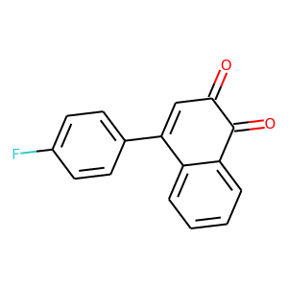 | 10 | O2 | rt | 48 | 0 | 0 | 47
 | 5 | CC1=CC=C(OC)C=C1 |  | H | O=C1C=C(C2=CC=C(OC)C=C2)C3=CC=CC=C3C1=O | 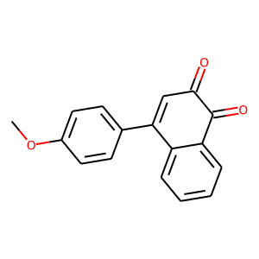 | 10 | O2 | rt | 48 | 0 | 0 | 63
 | 6 | CC1=CC=C(OC)C=C1 |  | H | O=C1C(CCCCC)=C(CCCCC)C2=CC=CC=C2C1=O | 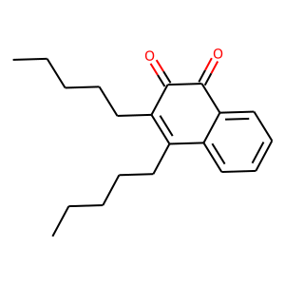 | 10 | O2 | rt | 48 | 0 | 0 | 9
 | 7 | CC1=CC=C(OC)C=C1 |  | H | O=C1C(C2=CC=CC=C2)=C(C3=CC=CC=C3)C4=CC=CC=C4C1=O | 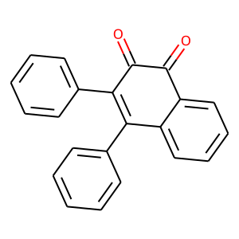 | 10 | O2 | rt | 48 | 0 | 0 | 29
 | 8 | CC1=CC=C(OC)C=C1 |  | H | O=C1C=C(C2=CC=CC=C2)C3=CC=CC=C3C1=O |  | 10 | O2 | rt | 48 | 0 | 0 | 25
 | 9 |  |  | H | O=C1C=C(C2=CC=CC=C2)C3=CC=CC=C3C1=O |  | 10 | O2 | rt | 48 | 0 | 0 | 22
 | 10 |  |  | H | O=C1C=C(C2=CC=CC=C2)C3=CC=CC=C3C1=O |  | 10 | O2 | rt | 48 | 0 | 0 | 50
 | 11 |  |  | H | O=C1C=C(C2=CC=CC=C2)C3=CC=CC=C3C1=O |  | 10 | O2 | rt | 48 | 0 | 0 | 28
 | 12 | CC1=CC=C(OC)C=C1 |  | H | O=C1C=C(C2=CC=CC=C2)C3=CC=CC=C3C1=O |  | 20 | O2 | rt | 24 | 0 | 0 | 91
 | 13 | CC1=CC=C(OC)C=C1 |  | H | O=C1C=C(C2=CC=CC=C2)C3=CC=CC=C3C1=O |  | 5 | O2 | rt | 48 | 0 | 0 | 33
 | 14 | CC1=CC=C(OC)C=C1 |  | H | O=C1C=C(C2=CC=CC=C2)C3=CC=CC=C3C1=O |  | 5 | O2 | rt | 18 | 5 | 0 | 99
 | 15 | CC1=CC=C(OC)C=C1 |  | H | O=C1C=C(C2=CC=CC=C2)C3=CC=CC=C3C1=O |  | 2 | O2 | rt | 18 | 2 | 0 | 99
 | 16 | CC1=CC=C(OC)C=C1 |  | H | O=C1C=C(C2=CC=CC=C2)C3=CC=CC=C3C1=O |  | 1 | O2 | rt | 60 | 1 | 0 | 80
 | 17 | CC1=CC=C(OC)C=C1 |  | H | O=C1C=C(C2=CC=CC=C2)C3=CC=CC=C3C1=O |  | 0.5 | O2 | rt | 60 | 0.5 | 0 | 65
 | 18 | CC1=CC=C(OC)C=C1 |  | H | O=C1C=C(C2=CC=CC=C2)C3=CC=CC=C3C1=O |  | 2 | O2 | rt | 18 | 1 | 0 | 83
 | 19 | CC1=CC=C(OC)C=C1 |  | H | O=C1C=C(C2=CC=CC=C2)C3=CC=CC=C3C1=O |  | 1 | O2 | rt | 18 | 2 | 0 | 43
 | 20 | CC1=CC=C(OC)C=C1 |  | H | O=C1C=C(C2=CC=CC=C2)C3=CC=CC=C3C1=O |  | 2 | O2 | rt | 60 | 2 | 0 | 81

Scheme2 | 2a | CC1=CC=C(OC)C=C1 |  | H | O=C1C=C(C2=CC=CC=C2)C3=CC=CC=C3C1=O |  | 2 | O2 | rt | 48 | 2 | 0 | 93
 | 2b | CC1=CC=C(Cl)C=C1 |  | H | O=C1C=C(C2=CC=CC=C2)C3=CC=CC=C3C1=O |  | 5 | O2 | rt | 48 | 5 | 0 | 96
 | 2c | CC1=CC=C(C)C=C1 | 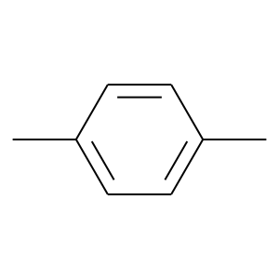 | H | O=C1C=C(C2=CC=CC=C2)C3=CC=CC=C3C1=O |  | 2 | O2 | rt | 48 | 2 | 0 | 95
 | 2d | CC1=CC=CC=C1 |  | H | O=C1C=C(C2=CC=CC=C2)C3=CC=CC=C3C1=O |  | 2 | O2 | rt | 48 | 2 | 0 | 84
 | 2e | CC1=CC=CC=C1C |  | H | O=C1C=C(C2=CC=CC=C2)C3=CC=CC=C3C1=O |  | 2 | O2 | rt | 48 | 2 | 0 | 88
 | 2f | CC1=CC=CC=C1Cl | 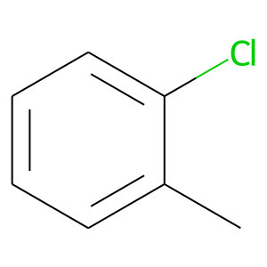 | H | O=C1C=C(C2=CC=CC=C2)C3=CC=CC=C3C1=O |  | 5 | O2 | rt | 48 | 5 | 0 | 77
 | 2g | CC1=CC=CC=C1Br | 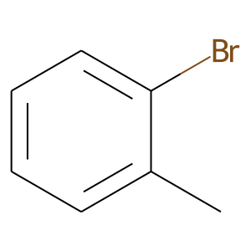 | H | O=C1C=C(C2=CC=CC=C2)C3=CC=CC=C3C1=O |  | 5 | O2 | rt | 48 | 5 | 0 | 90
 | 2h | CC1=CC=CC(C)=C1 | 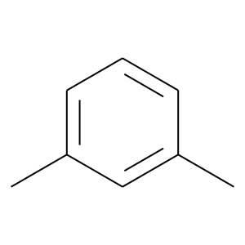 | H | O=C1C=C(C2=CC=CC=C2)C3=CC=CC=C3C1=O |  | 5 | O2 | rt | 48 | 5 | 0 | 90
 | 2i | CC1=CC=CC(Cl)=C1 |  | H | O=C1C=C(C2=CC=CC=C2)C3=CC=CC=C3C1=O |  | 5 | O2 | rt | 48 | 5 | 0 | 92
 | 2j | CC1=CC(C(F)(F)F)=CC(C(F)(F)F)=C1 | 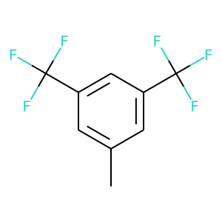 | H | O=C1C=C(C2=CC=CC=C2)C3=CC=CC=C3C1=O |  | 5 | O2 | rt | 48 | 5 | 0 | 57
 | 2k | CC1=CC(OCO2)=C2C=C1 |  | H | O=C1C=C(C2=CC=CC=C2)C3=CC=CC=C3C1=O |  | 2 | O2 | rt | 48 | 2 | 0 | 94
 | 2l | CC1=CC=CO1 |  | H | O=C1C=C(C2=CC=CC=C2)C3=CC=CC=C3C1=O |  | 2 | O2 | rt | 48 | 5 | 0 | 51
 | 2m | CC1=CC=CS1 | 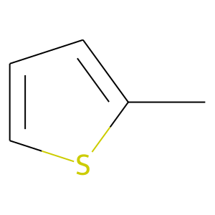 | H | O=C1C=C(C2=CC=CC=C2)C3=CC=CC=C3C1=O |  | 2 | O2 | rt | 48 | 5 | 0 | 56

acscatal.8b00992

Table1 | 1 | CC1=CC=CC=C1 |  | H | O=C1C=C(C2=CC=CC=C2)C3=CC=CC=C3C1=O |  | 15 | air | 80 | 48 | 0 | 0 | 0
 | 2 | CC1=CC=C(OC)C=C1 |  | H | O=C1C=C(C2=CC=CC=C2)C3=CC=CC=C3C1=O |  | 15 | air | 80 | 48 | 0 | 0 | 0
 | 3 | CC1=CC(OCO2)=C2C=C1 |  | H | O=C1C=C(C2=CC=CC=C2)C3=CC=CC=C3C1=O |  | 15 | air | 80 | 48 | 0 | 0 | 0
 | 4 | CC1=CC=CC=C1 |  | C | O=C1C=C(C2=CC=CC=C2)C3=CC=CC=C3C1=O |  | 5 | air | 23 | 48 | 0 | 0 | 32
 | 5 | CC1=CC=CC=C1 |  | C | O=C1C=C(C2=CC=CC=C2)C3=CC=CC=C3C1=O |  | 10 | air | 23 | 48 | 0 | 0 | 46
 | 6 | CC1=CC=CC=C1 |  | C | O=C1C=C(C2=CC=C(OC)C=C2)C3=CC=CC=C3C1=O |  | 10 | air | 23 | 48 | 0 | 0 | 36
 | 7 | CC1=CC=CC=C1 |  | C | O=C1C=C(C2=CC=C(F)C=C2)C3=CC=CC=C3C1=O |  | 10 | air | 23 | 48 | 0 | 0 | 44
 | 8 | CC1=CC=CC=C1 |  | C | O=C1C=CC2=CC=CC=C2C1=O | 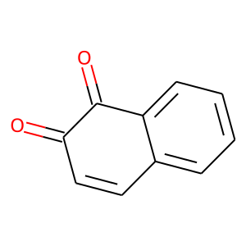 | 10 | air | 23 | 48 | 0 | 0 | 11
 | 9 | CC1=CC=CC=C1 |  | C | O=C1C=C(C2=CC=CC=C2)C3=CC=C(OC)C=C3C1=O | 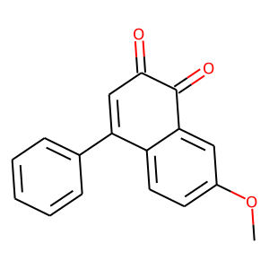 | 10 | air | 23 | 48 | 0 | 0 | 40
 | 10 | CC1=CC=CC=C1 |  | C | O=C1C(C)=C(C2=CC=CC=C2)C3=CC=CC=C3C1=O | 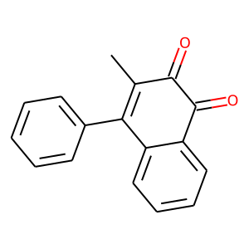 | 10 | air | 23 | 48 | 0 | 0 | 21
 | 11 | CC1=CC=CC=C1 |  | C | O=C1C(C2=CC=CC=C2)=C(C3=CC=CC=C3)C4=CC=CC=C4C1=O |  | 10 | air | 23 | 48 | 0 | 0 | 8
 | 12 | CC1=CC=CC=C1 |  | C | O=C1C(CCC)=C(CCC)C2=CC=CC=C2C1=O | 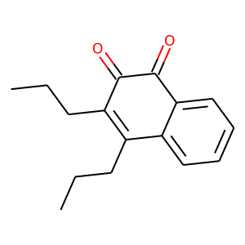 | 10 | air | 23 | 48 | 0 | 0 | 17
 | 13 | CC1=CC=CC=C1 |  | C | O=C1C=C(CCCCC)C2=CC=CC=C2C1=O |  | 10 | air | 23 | 48 | 0 | 0 | 37
 | 14 | CC1=CC=CC=C1 |  | C | O=C1C=C(OC)C2=CC=CC=C2C1=O |  | 10 | air | 23 | 48 | 0 | 0 | 21
 | 15 | CC1=CC=CC=C1 |  | C | O=C1C=C(C2=CC=CC=C2)C3=CC=CC=C3C1=O |  | 10 | air | 23 | 48 | 0 | 0 | 44
 | 16 | CC1=CC=CC=C1 |  | C | O=C1C=C(C2=CC=CC=C2)C3=CC=CC=C3C1=O |  | 10 | air | 23 | 48 | 0 | 0 | 54
 | 17 | CC1=CC=CC=C1 |  | C | O=C1C=C(C2=CC=CC=C2)C3=CC=CC=C3C1=O |  | 10 | air | 23 | 48 | 0 | 0 | 45
 | 18 | CC1=CC=CC=C1 |  | C | O=C1C=C(C2=CC=CC=C2)C3=CC=CC=C3C1=O |  | 10 | air | 23 | 48 | 0 | 0 | 36
 | 19 | CC1=CC=CC=C1 |  | C | O=C1C=C(C2=CC=CC=C2)C3=CC=CC=C3C1=O |  | 10 | air | 60 | 48 | 0 | 0 | 21
 | 20 | CC1=CC=CC=C1 |  | C | O=C1C=C(C2=CC=CC=C2)C3=CC=CC=C3C1=O |  | 10 | air | 80 | 48 | 0 | 0 | 7
 | 21 | CC1=CC=CC=C1 |  | C | O=C1C=C(C2=CC=CC=C2)C3=CC=CC=C3C1=O |  | 15 | air | 80 | 48 | 0 | 0 | 0
 | 22 | CC1=CC=CC=C1 |  | C | O=C1C=C(C2=CC=CC=C2)C3=CC=CC=C3C1=O |  | 15 | O2 | 80 | 48 | 0 | 0 | 2
 | 23 | CC1=CC=CC=C1 |  | C | O=C1C=C(C2=CC=CC=C2)C3=CC=CC=C3C1=O |  | 15 | Ar | 80 | 48 | 0 | 0 | 4
 | 24 | CC1=CC=CC=C1 |  | C | O=C1C=CC(C=C1C(C)(C)C)=O | 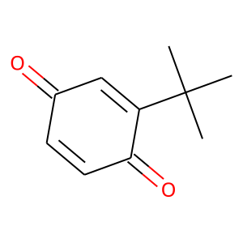 | 15 | air | 80 | 48 | 0 | 0 | 14

Sheme3 | 3d | CC1=CC=CC=C1 |  | C | O=C1C=C(C2=CC=CC=C2)C3=CC=CC=C3C1=O |  | 10 | air | rt | 24 | 0 | 0 | 86
 | 3e | CC1=CC=C(C)C=C1 |  | C | O=C1C=C(C2=CC=CC=C2)C3=CC=CC=C3C1=O |  | 10 | air | rt | 24 | 0 | 0 | 67
 | 3f | CC1=CC=C(OC)C=C1 |  | C | O=C1C=C(C2=CC=CC=C2)C3=CC=CC=C3C1=O |  | 10 | air | rt | 24 | 0 | 0 | 69
 | 3g | CC1=CC=C(F)C=C1 |  | C | O=C1C=C(C2=CC=CC=C2)C3=CC=CC=C3C1=O |  | 10 | air | rt | 24 | 0 | 0 | 88
 | 3h | CC1=CC=C(Cl)C=C1 |  | C | O=C1C=C(C2=CC=CC=C2)C3=CC=CC=C3C1=O |  | 10 | air | rt | 24 | 0 | 0 | 80
 | 3i | CC1=CC=C(Br)C=C1 | 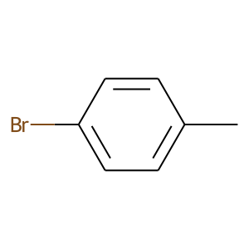 | C | O=C1C=C(C2=CC=CC=C2)C3=CC=CC=C3C1=O |  | 10 | air | rt | 24 | 0 | 0 | 84
 | 3j | CC1=CC=CC(Cl)=C1 |  | C | O=C1C=C(C2=CC=CC=C2)C3=CC=CC=C3C1=O |  | 10 | air | rt | 24 | 0 | 0 | 79
 | 3k | CC1=CC=CC(Br)=C1 | 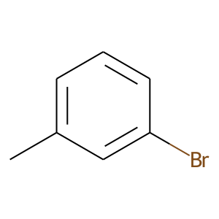 | C | O=C1C=C(C2=CC=CC=C2)C3=CC=CC=C3C1=O |  | 10 | air | rt | 24 | 0 | 0 | 82
 | 3l | CC1=CC=C(Cl)C(Cl)=C1 | 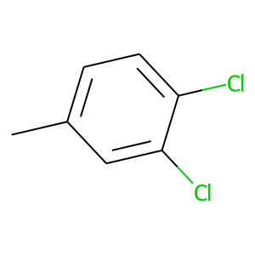 | C | O=C1C=C(C2=CC=CC=C2)C3=CC=CC=C3C1=O |  | 10 | air | rt | 24 | 0 | 0 | 90
 | 3m | CC1=CC=C([No][No])C=C1 | 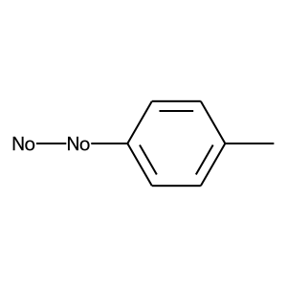 | C | O=C1C=C(C2=CC=CC=C2)C3=CC=CC=C3C1=O |  | 10 | air | rt | 24 | 0 | 0 | 65
 | 3n | CC1=CC=C(C)C=C1.O=C=O | 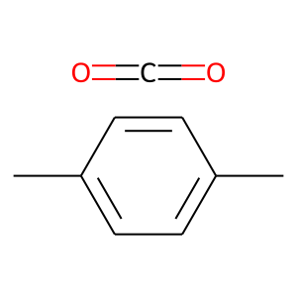 | C | O=C1C=C(C2=CC=CC=C2)C3=CC=CC=C3C1=O |  | 10 | air | rt | 24 | 0 | 0 | 80
 | 3o | CC1=CC(OCO2)=C2C=C1 |  | C | O=C1C=C(C2=CC=CC=C2)C3=CC=CC=C3C1=O |  | 10 | air | rt | 24 | 0 | 0 | 76
 | 3q | CC1=CC=CS1 |  | C | O=C1C=C(C2=CC=CC=C2)C3=CC=CC=C3C1=O |  | 10 | air | rt | 24 | 0 | 0 | 89
 | 3r | CC1=CC=CC=C1 |  | Ph | O=C1C=C(C2=CC=CC=C2)C3=CC=CC=C3C1=O |  | 10 | air | 60 | 24 | 0 | 0 | 68

supporting
https://pubs.acs.org/doi/suppl/10.1021/acscatal.8b00992/suppl_file/cs8b00992_si_001.pdf | 1 | CC1=CC=CC=C1 |  | C | O=C1C=C(C2=CC=CC=C2)C3=CC=CC=C3C1=O |  | 10 | air | rt | 48 | 0 | 0 | 68
 | 2 | CC1=CC=CC=C1 |  | C | O=C1C=C(C2=CC=CC=C2)C3=CC=CC=C3C1=O |  | 10 | air | rt | 48 | 0 | 0 | 48
 | 3 | CC1=CC=CC=C1 |  | C | O=C1C=C(C2=CC=CC=C2)C3=CC=CC=C3C1=O |  | 10 | air | rt | 48 | 0 | 0 | 45
 | 4 | CC1=CC=CC=C1 |  | C | O=C1C=C(C2=CC=CC=C2)C3=CC=CC=C3C1=O |  | 10 | air | rt | 48 | 0 | 0 | 66
 | 5 | CC1=CC=CC=C1 |  | C | O=C1C=C(C2=CC=CC=C2)C3=CC=CC=C3C1=O |  | 10 | air | 60 | 48 | 0 | 0 | 64
 | 6 | CC1=CC=CC=C1 |  | C | O=C1C=C(C2=CC=CC=C2)C3=CC=CC=C3C1=O |  | 15 | air | rt | 36 | 0 | 0 | 94
 | 7 | CC1=CC=CC=C1 |  | C | O=C1C=C(C2=CC=CC=C2)C3=CC=CC=C3C1=O |  | 10 | air | rt | 48 | 20 | 0 | 58
 | 15 | CC1=CC=CC=C1 |  | C | O=C1C=C(C2=CC=CC=C2)C3=CC=CC=C3C1=O |  | 10 | air | rt | 16 | 0 | 20 | 97
 | 16 | CC1=CC=CC=C1 |  | C | O=C1C=C(C2=CC=CC=C2)C3=CC=CC=C3C1=O |  | 10 | air | rt | 16 | 0 | 10 | 89
 | 17 | CC1=CC=CC=C1 |  | C | O=C1C=C(C2=CC=CC=C2)C3=CC=CC=C3C1=O |  | 5 | air | rt | 36 | 0 | 10 | 72
 | 18 | CC1=CC=CC=C1 |  | C | O=C1C=C(C2=CC=CC=C2)C3=CC=CC=C3C1=O |  | 0 | air | rt | 36 | 0 | 20 | 0
 | 19 | CC1=CC=CC=C1 |  | C | O=C1C=C(C2=CC=CC=C2)C3=CC=CC=C3C1=O |  | 10 | air | rt | 24 | 0 | 20 | 94
 | 20 | CC1=CC=CC=C1 |  | C | O=C1C=C(C2=CC=CC=C2)C3=CC=CC=C3C1=O |  | 10 | air | rt | 24 | 0 | 20 | 25
 | 21 | CC1=CC=CC=C1 |  | C | O=C1C=CC(C=C1C(C)(C)C)=O |  | 10 | air | rt | 24 | 0 | 20 | 19

acs.orglett.5b00351

Table1 | 2a | CC1=CC=CC=C1 |  | C | O=C1C(C=C(OC)C(C(C)(C)C)=C1)=O | 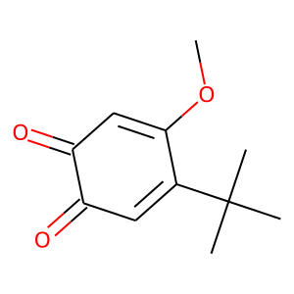 | 10 | O2 | rt | 48 | 0 | 0 | 99
 | 2b | CC1=CC=C(F)C=C1 |  | C | O=C1C(C=C(OC)C(C(C)(C)C)=C1)=O |  | 10 | O2 | rt | 48 | 0 | 0 | 80
 | 2c | CC1=CC=C(Cl)C=C1 |  | C | O=C1C(C=C(OC)C(C(C)(C)C)=C1)=O |  | 10 | O2 | rt | 48 | 0 | 0 | 97
 | 2d | CC1=CC=C(Br)C=C1 |  | C | O=C1C(C=C(OC)C(C(C)(C)C)=C1)=O |  | 10 | O2 | rt | 72 | 0 | 0 | 98
 | 2e |  |  | C | O=C1C(C=C(OC)C(C(C)(C)C)=C1)=O |  | 10 | O2 | rt | 48 | 0 | 0 | 99
 | 2f | CC1=CC=C(C)C=C1 |  | C | O=C1C(C=C(OC)C(C(C)(C)C)=C1)=O |  | 10 | O2 | rt | 48 | 0 | 0 | 75
 | 2g | CC1=CC=C(OC)C=C1 |  | C | O=C1C(C=C(OC)C(C(C)(C)C)=C1)=O |  | 10 | O2 | rt | 48 | 0 | 0 | 95
 | 2h | CC1=CC(Cl)=CC=C1 | 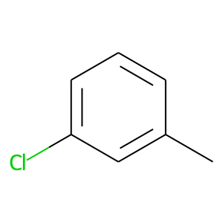 | C | O=C1C(C=C(OC)C(C(C)(C)C)=C1)=O |  | 10 | O2 | rt | 48 | 0 | 0 | 95
 | 2h-c | CC1=CC(Cl)=CC=C1 |  | C | O=C1C(C=C(OC)C(C(C)(C)C)=C1)=O |  | 10 | O2 | rt | 72 | 0 | 0 | 81
 | 2i | CC1=CC(Br)=CC=C1 | 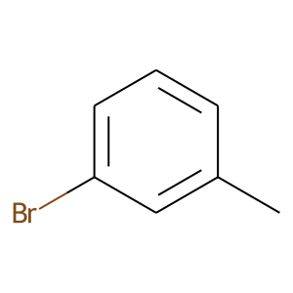 | C | O=C1C(C=C(OC)C(C(C)(C)C)=C1)=O |  | 10 | O2 | rt | 72 | 0 | 0 | 95
 | 2j | CC1=CC=CC(OC)=C1 | 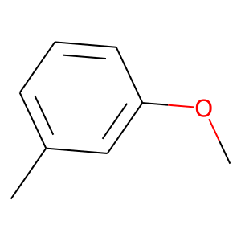 | C | O=C1C(C=C(OC)C(C(C)(C)C)=C1)=O |  | 10 | O2 | rt | 48 | 0 | 0 | 89
 | 2k | CC1=CC(C)=C(C)C=C1 | 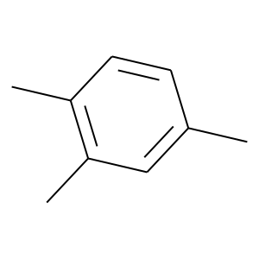 | C | O=C1C(C=C(OC)C(C(C)(C)C)=C1)=O |  | 10 | O2 | rt | 72 | 0 | 0 | 99
 | 2l | CC1=CC=CC=C1 |  | Ph | O=C1C(C=C(OC)C(C(C)(C)C)=C1)=O |  | 10 | O2 | 60 | 48 | 0 | 0 | 96
 | 2l-c | CC1=CC=CC=C1 |  | Ph | O=C1C(C=C(OC)C(C(C)(C)C)=C1)=O |  | 10 | O2 | 60 | 72 | 0 | 0 | 92
 | 2m | CC1=CSC=C1 | 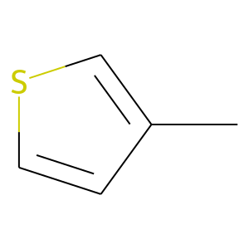 | C | O=C1C(C=C(OC)C(C(C)(C)C)=C1)=O |  | 10 | O2 | 60 | 48 | 0 | 0 | 83
 | 2n |  |  |  | O=C1C(C=C(OC)C(C(C)(C)C)=C1)=O |  | 10 | O2 | 60 | 48 | 0 | 0 | 53
 | 2o |  |  |  | O=C1C(C=C(OC)C(C(C)(C)C)=C1)=O |  | 10 | O2 | 60 | 48 | 0 | 0 | 25
 | 2p | CC1=CC=CC=C1 |  | H | O=C1C(C=C(OC)C(C(C)(C)C)=C1)=O |  | 10 | O2 | rt | 12 | 0 | 0 | 99

https://pubs.acs.org/doi/pdf/10.1021/acsomega.6b00235

 | 1 | CC1=CC=CC=C1 |  | H | ClC1=CC=C(C(O)=O)C(O)=C1 | 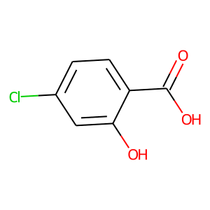 | 5 | O2 | 90 | 24 | 0 | 0 | 81
 | 2 | CC1=CC=CC=C1 |  | H | ClC1=CC=C(C(O)=O)C(O)=C1 |  | 5 | O2 | 90 | 12 | 0 | 0 | 14
 | 3 | CC1=CC=CC=C1 |  | H | OC1=CC(C)=CC=C1C(O)=O | 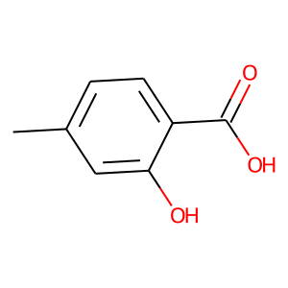 | 5 | O2 | 90 | 24 | 0 | 0 | 74
 | 4 | CC1=CC=CC=C1 |  | H | OC1=CC(C)=CC=C1C(O)=O |  | 5 | O2 | 90 | 12 | 0 | 0 | 15
 | 5 | CC1=CC=CC=C1 |  | H | OC1=CC(OC)=CC=C1C(O)=O | 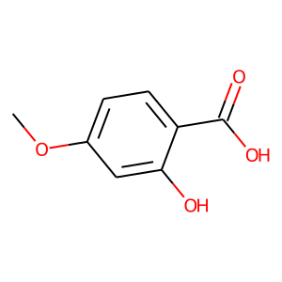 | 5 | O2 | 90 | 24 | 0 | 0 | 90
 | 6 | CC1=CC=CC=C1 |  | H | OC1=CC(OC)=CC=C1C(O)=O |  | 5 | O2 | 90 | 12 | 0 | 0 | 81
 | 7 | CC1=CC=CC=C1 |  | H | OC1=CC(OC)=CC=C1C(O)=O |  | 5 | O2 | 90 | 8 | 0 | 0 | 43
 | 8 | CC1=CC=CC=C1 |  | H | COC1=CC(OC)=C(C(O)=O)C(O)=C1 |  | 5 | O2 | 90 | 12 | 0 | 0 | 88
 | 9 | CC1=CC=CC=C1 |  | H | COC1=CC(OC)=C(C(O)=O)C(O)=C1 |  | 5 | O2 | 90 | 6 | 0 | 0 | 95
 | 10 | CC1=CC=CC=C1 |  | H | COC1=CC(OC)=C(C(O)=O)C(O)=C1 |  | 5 | O2 | 90 | 2 | 0 | 0 | 65
 | 11 | CC1=CC=CC=C1 |  | H | CC(/N=N/C(C)(C#N)C)(C#N)C |  | 5 | O2 | 90 | 6 | 0 | 0 | 33
 | 12 | CC1=CC=CC=C1 |  | H | O=C1C(C(C)(C)C)=CC(C(O)=C1)=O |  | 5 | O2 | 90 | 6 | 0 | 0 | 93
 | 13 | CC1=CC=CC=C1 |  | H | O=C1C(C=C(O)C(C(C)(C)C)=C1)=O |  | 5 | O2 | 90 | 6 | 0 | 0 | 84

Table 2 | 2a | CC1=CC=CC=C1 |  | H | OC1=CC(OC)=CC(OC)=C1C(O)=O |  | 5 | O2 | 90 | 6 | 0 | 0 | 87
 | 2b | CC1=C(C)C=CC=C1 |  | H | OC1=CC(OC)=CC(OC)=C1C(O)=O |  | 5 | O2 | 90 | 6 | 0 | 0 | 85
 | 2c | CC1=CC=C(C)C=C1 |  | H | OC1=CC(OC)=CC(OC)=C1C(O)=O |  | 5 | O2 | 90 | 6 | 0 | 0 | 85
 | 2d | CC1=C(OC)C=CC=C1 |  | H | OC1=CC(OC)=CC(OC)=C1C(O)=O |  | 5 | O2 | 90 | 6 | 0 | 0 | 86
 | 2e | CC1=CC(OC)=CC=C1 |  | H | OC1=CC(OC)=CC(OC)=C1C(O)=O |  | 5 | O2 | 90 | 6 | 0 | 0 | 84
 | 2f | CC1=CC=C(OC)C=C1 |  | H | OC1=CC(OC)=CC(OC)=C1C(O)=O |  | 5 | O2 | 90 | 6 | 0 | 0 | 68
 | 2g | CC1=CC=C(C(C)(C)C)C=C1 |  | H | OC1=CC(OC)=CC(OC)=C1C(O)=O |  | 5 | O2 | 90 | 6 | 0 | 0 | 88
 | 2h | CC1=CC=C(Cl)C=C1 |  | H | OC1=CC(OC)=CC(OC)=C1C(O)=O |  | 5 | O2 | 90 | 6 | 0 | 0 | 85
 | 2i | CC1=CC=C(C(F)(F)F)C=C1 |  | H | OC1=CC(OC)=CC(OC)=C1C(O)=O |  | 5 | O2 | 90 | 6 | 0 | 0 | 68
 | 2j | CC1=C(C=CC=C2)C2=CC=C1 |  | H | OC1=CC(OC)=CC(OC)=C1C(O)=O |  | 5 | O2 | 90 | 6 | 0 | 0 | 87
 | 2k | CC1=CC=CO1 |  | H | OC1=CC(OC)=CC(OC)=C1C(O)=O |  | 5 | O2 | 90 | 6 | 0 | 0 | 37
 | 2l | CC1=NC=CC=C1 |  | H | OC1=CC(OC)=CC(OC)=C1C(O)=O |  | 5 | O2 | 90 | 6 | 0 | 0 | 9
 | 2m | CC1=CC=CS1 |  | H | OC1=CC(OC)=CC(OC)=C1C(O)=O |  | 5 | O2 | 90 | 6 | 0 | 0 | 84

Scheme2 | 8 | CC1=CC=CC=C1 |  | H | - |  | 0 | O2 | rt | 6 | 0 | 0 | 6

Table5 | 1 | CC1=CC=CC=C1 |  | H | OC1=CC(O)=CC(O)=C1C(O)=O |  | 5 | O2 | 90 | 2 | 0 | 0 | 86
 | 2 | CC1=CC=CC=C1 |  | H |  |  | 5 | O2 | 90 | 2 | 0 | 0 | 84
 | 3 | CC1=CC=CC=C1 |  | H |  |  | 5 | O2 | 90 | 2 | 0 | 0 | 0

Table7 | 2a | CC1=CC=CC=C1 |  | H | OC1=CC(O)=CC(O)=C1C(O)=O |  | 5 | O2 | 90 | 2 | 0 | 0 | 86
 | 2b | CC1=C(C)C=CC=C1 |  | H | OC1=CC(O)=CC(O)=C1C(O)=O |  | 5 | O2 | 90 | 2 | 0 | 0 | 39
 | 2c | CC1=CC=C(C)C=C1 |  | H | OC1=CC(O)=CC(O)=C1C(O)=O |  | 5 | O2 | 90 | 2 | 0 | 0 | 88
 | 2d | CC1=C(OC)C=CC=C1 |  | H | OC1=CC(O)=CC(O)=C1C(O)=O |  | 5 | O2 | 90 | 2 | 0 | 0 | 83
 | 2e | CC1=CC(OC)=CC=C1 |  | H | OC1=CC(O)=CC(O)=C1C(O)=O |  | 5 | O2 | 90 | 2 | 0 | 0 | 83
 | 2f | CC1=CC=C(OC)C=C1 |  | H | OC1=CC(O)=CC(O)=C1C(O)=O |  | 5 | O2 | 90 | 2 | 0 | 0 | 86
 | 2g | CC1=CC=C(C(C)(C)C)C=C1 |  | H | OC1=CC(O)=CC(O)=C1C(O)=O |  | 5 | O2 | 90 | 2 | 0 | 0 | 87

サポーティング(https://pubs.acs.org/doi/suppl/10.1021/acsomega.6b00235/suppl_file/ao6b00235_si_001.pdf)
S1 | 1 | CC1=CC=CC=C1 |  | H | - |  | 5 | O2 | 90 | 24 | 0 | 0 | 0
 | 2 | CC1=CC=CC=C1 |  | H | OC1=CC=CC=C1 |  | 5 | O2 | 90 | 24 | 0 | 0 | 7
 | 3 | CC1=CC=CC=C1 |  | H | O=C(C1=CC=CC=C1)O |  | 5 | O2 | 90 | 24 | 0 | 0 | 32
 | 4 | CC1=CC=CC=C1 |  | H | OC1=C(C(O)=O)C=CC=C1 |  | 5 | O2 | 90 | 24 | 0 | 0 | 80
 | 5 | CC1=CC=CC=C1 |  | H | O=C(C1=C(OC)C=CC=C1)O |  | 5 | O2 | 90 | 24 | 0 | 0 | 6
 | 6 | CC1=CC=CC=C1 |  | H | OC1=C(C(OC)=O)C=CC=C1 |  | 5 | O2 | 90 | 24 | 0 | 0 | 11
 | 7 | CC1=CC=CC=C1 |  | H | OC1=C(CC(O)=O)C=CC=C1 |  | 5 | O2 | 90 | 24 | 0 | 0 | 32
 | 8 | CC1=CC=CC=C1 |  | H | CC(O)=O |  | 5 | O2 | 90 | 24 | 0 | 0 | 3
 | 9 | CC1=CC=CC=C1 |  | H | CC1=CC=C(S(=O)(O)=O)C=C1 |  | 5 | O2 | 90 | 24 | 0 | 0 | 0

 | 1n | CC1=CC=C(CO)C=C1 |  | H | OC1=CC(OC)=CC(OC)=C1C(O)=O |  | 5 | O2 | 90 | 6 | 0 | 0 | 50
 | 1o | CC1=CC=C(C(O)C)C=C1 |  | H | OC1=CC(OC)=CC(OC)=C1C(O)=O |  | 5 | O2 | 90 | 6 | 0 | 0 | 40
 | 1p | CC1=CC=C(O)C=C1 |  | H | OC1=CC(OC)=CC(OC)=C1C(O)=O |  | 5 | O2 | 90 | 6 | 0 | 0 | 0

S2 | 1 | CC1=CC=CC=C1 |  | H | OC1=CC(O)=CC=C1C(O)=O |  | 5 | O2 | 90 | 2 | 0 | 0 | 4
 | 2 | CC1=CC=CC=C1 |  | H | OC1=CC=CC(O)=C1C(O)=O |  | 5 | O2 | 90 | 2 | 0 | 0 | 6
 | 3 | CC1=CC=CC=C1 |  | H | OC1=CC=CC=C1C(O)=O |  | 5 | O2 | 90 | 2 | 0 | 0 | 3
 | 4 | CC1=CC=CC=C1 |  | H | OC1=CC=C(C(O)=O)C=C1 |  | 5 | O2 | 90 | 2 | 0 | 0 | 3

