接触不上电数据
 | 接触不上电ESD
 | 样品：3片GC7276_ COB
 | 击打方法：每个PIN脚击打十次放一次电，接触±1KV、±2KV、±3KV，IC地与静电枪放电地相连接，静电枪放电地与大地相连接

5.0
4.0
 | 放电模组：100pf+1500ohm |  |  |  |  |  |  |  |  |  |  |  |  |  |  |  |  |  |  |  |  |  |  |  |  |  |  |  |  |  |  |  |  |  |  |  | 4.0 1号
 | 接触打ESD顺序依次为：+1KV；-1KV;+2KV；-2KV; +3KV；-3KV； |  |  |  |  |  |  |  |  |  |  |  |  |  |  |  |  |  |  |  |  |  |  |  |  |  |  |  |  |  |  |  |  |  |  |  |  | 4.0 2号
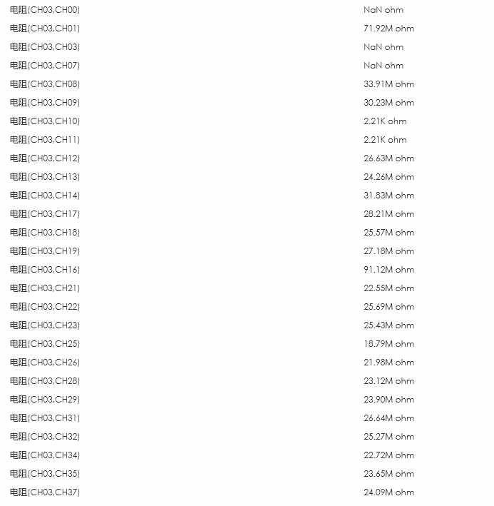
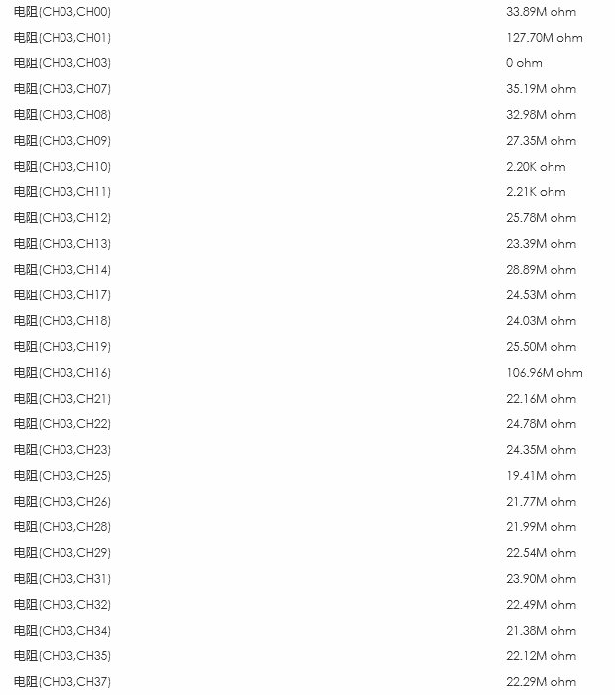
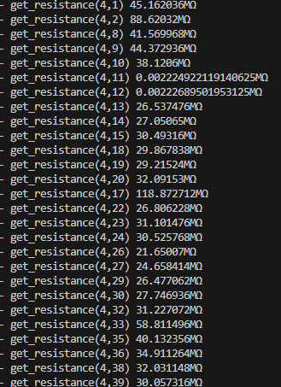

 | 表（1）COB阻抗测试 |  | 阻抗：1.红表笔接VDDI,黑表笔接测量pin； 2红表笔接测量的pin,.黑表笔接地，
 |  | 红色为万用表手测 |  |  | 7276#2 |  |  |  | 7276#3 |  |  |  | 7276#4
 |  | PIN name | PIN NO | 方式 | 打前 | ±2KV | ±3KV | ±4KV | 打前 | ±2KV | ±3KV | ±4KV | 打前 | ±2KV | ±3KV | ±4KV

 | 电源 | VSN | 1 | 1 | 2.26M | 2.88M | 3.24M | 3.27M | 2.66M | 3.52M | 2.97M | 5.25M | 2.73M | 3.44M | 2.53M | 2.16M
 |  |  |  | 2 | 8.72M | 18.06M | 7.23M | 7.07M | 7.47M | 7.97M | 7.01M | 7.77M | 6.78M | 7.49M | 7.20M | 6.36M
 |  | VSP | 2 | 1 | 1.60M | 1.55M | 1.71M | 1.73M | 1.47M | 1.74M | 1.49M | 1.27M | 1.52M | 1.74M | 1.38M | 2.17M
 |  |  |  | 2 | 6.55M | 7.60M | 996.95K | 992.01K | 910.86K | 1.08M | 857.51K | 1.14M | 1.13M | 988.11K | 750.07K | 1.11M
 |  | IOVCC | 4 | 1 | 0 | 0 | 0 | 0 | 0 | 0 | 0 | 0 | 0 | 0 | 0 | 0
 |  |  |  | 2 | 847.99K | 936.59K | 1.92M | 1.82M | 2.10M | 2.89M | 1.64M | 1.97M | 1.86M | 1.83M | 1.47M | 2.27M
 |  | TP_SPI_CSN | 8 | 1 | 4.27M | 5.68M | 5.95M | 6.22M | 4.95M | 7.49M | 5.43M | 8.03M | 5.74M | 6.02M | 5.16M | 2.15M
 |  |  |  | 2 | 1.66M | 1.69M | 8.69M | 11.34M | 14.06M | 18.86M | 10.09M | 10.70M | 11.37M | 11.39M | 8.50M | 9.65M
 |  | TP_SPI_MOSI | 9 | 1 | 4.21M | 5.60M | 5.86M | 6.01M | 4.57M | 6.60M | 5.35M | 7.89M | 5.69M | 5.89M | 5.14M | 2.32M
 |  |  |  | 2 | 7.55M | 11.15M | 9.22M | 11.43M | 13.84M | 12.23M | 9.99M | 10.84M | 10.50M | 11.18M | 8.36M | 9.02M
 |  | ATTN | 10 | 1 | 4.30M | 6.23M | 6.46M | 6.60M | 5.45M | 6.97M | 5.92M | 8.45M | 6.26M | 6.30M | 5.71M | 2.35M
 |  |  |  | 2 | 7.62M | 11.29M | 11.11M | 15.04M | 19.73M | 17.71M | 13.02M | 13.99M | 15.82M | 15.62M | 11.01M | 9.01M
 |  | TP_I2C_SDA | 11 | 1 | 4.10M | 5.19M | 5.31M | 5.26M | 4.32M | 5.25M | 4.54M | 6.62M | 6.01M | 6.10M | 5.19M | 2.26M
 |  |  |  | 2 | 9.90M | 15.82M | 11.76M | 16.90M | 24.02M | 15.22M | 14.27M | 15.54M | 18.68M | 17.80M | 11.78M | 6.86M
 |  | TP_I2C_SCL | 12 | 1 | 4.21M | 5.43M | 5.54M | 5.49M | 4.33M | 5.44M | 4.73M | 6.78M | 5.32M | 5.49M | 4.65M | 2.25M
 |  |  |  | 2 | 10.03M | 18.05M | 11.76M | 16.75M | 24.32M | 21.14M | 14.25M | 15.53M | 15.72M | 17.77M | 11.74M | 6.41M
 |  | TP_RESX | 13 | 1 | 4.31M | 5.63M | 5.88M | 6.01M | 4.83M | 5.88M | 5.24M | 7.77M | 5.82M | 6.19M | 5.32M | 2.28M
 |  |  |  | 2 | 13.17M | 18.00M | 9.01M | 11.06M | 13.46M | 12.23M | 9.87M | 10.84M | 9.58M | 11.26M | 8.45M | 8.52M
 |  | TP_SPI_MISO | 14 | 1 | 3.86M | 4.84M | 5.10M | 5.21M | 4.43M | 5.32M | 4.80M | 6.78M | 5.52M | 5.90M | 5.16M | 2.31M
 |  |  |  | 2 | 8.59M | 10.95M | 10.69M | 14.13M | 14.82M | 17.10M | 12.46M | 13.57M | 12.48M | 14.93M | 10.65M | 10.42M
 |  | TP_SPI_SCLK | 15 | 1 | 4.14M | 5.67M | 5.91M | 7.09M | 4.88M | 5.93M | 5.28M | 8.06M | 5.72M | 6.01M | 5.23M | 2.30M
 |  |  |  | 2 | 11.25M | 14.78M | 9.11M | 11.20M | 11.82M | 12.58M | 10.33M | 10.91M | 9.88M | 11.09M | 8.38M | 9.28M
 |  | TP_FLASH_MISO | 18 | 1 | 4.22M | 5.42M | 5.67M | 6.36M | 4.82M | 5.87M | 5.21M | 9.60M | 5.70M | 5.83M | 5.19M | 2.26M
 |  |  |  | 2 | 9.48M | 11.12M | 9.07M | 11.06M | 11.59M | 11.89M | 9.72M | 10.73M | 9.60M | 11.24M | 8.50M | 6.65M
 |  | TP_FLASH_SCLK | 19 | 1 | 4.09M | 5.21M | 5.46M | 5.66M | 4.26M | 5.37M | 4.76M | 8.65M | 5.27M | 5.50M | 4.89M | 2.35M
 |  |  |  | 2 | 9.50M | 11.07M | 10.53M | 13.77M | 15.34M | 17.78M | 12.06M | 13.18M | 11.81M | 14.36M | 7.08M | 8.54M
 |  | TP_FLASH_CSN | 20 | 1 | 4.70M | 7.71M | 6.82M | 7.07M | 6.50M | 7.80M | 7.01M | 8.66M | 7.05M | 7.24M | 6.57M | 2.29M
 |  |  |  | 2 | 11.13M | 14.46M | 10.96M | 14.70M | 16.95M | 20.84M | 12.68M | 13.59M | 14.45M | 15.29M | 10.88M | 10.29M
 |  | TP_FLASH_MOSI | 17 | 1 | 3.99M | 4.78M | 3.199M | 3.76M | 9.31M | 5.96M | 4.052M | 6.92M | 4.1M | 3M | 2.919M | 4.46M
 |  |  |  | 2 | 14.89M | 9.92M | 7.84M | 7.65M | 8.14M | 8.12M | 7.44M | 7.61M | 7.44M | 7.33M | 7.56M | 8.04M
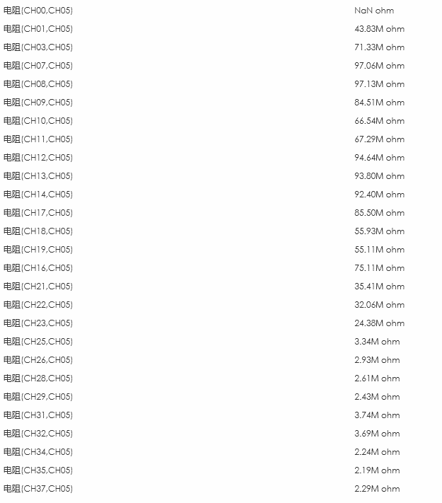
 |  | LEDPWM | 22 | 1 | 3.93M | 4.88M | 5.13M | 5.38M | 4.01M | 5.12M | 4.53M | 6.40M | 4.73M | 5.00M | 4.31M | 2.28M
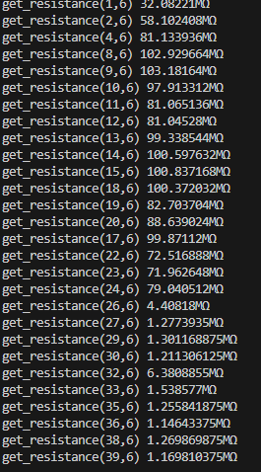
 |  |  |  | 2 | 11.39M | 15.60M | 10.70M | 14.09M | 16.53M | 19.91M | 12.26M | 13.55M | 13.00M | 14.80M | 10.68M | 10.47M
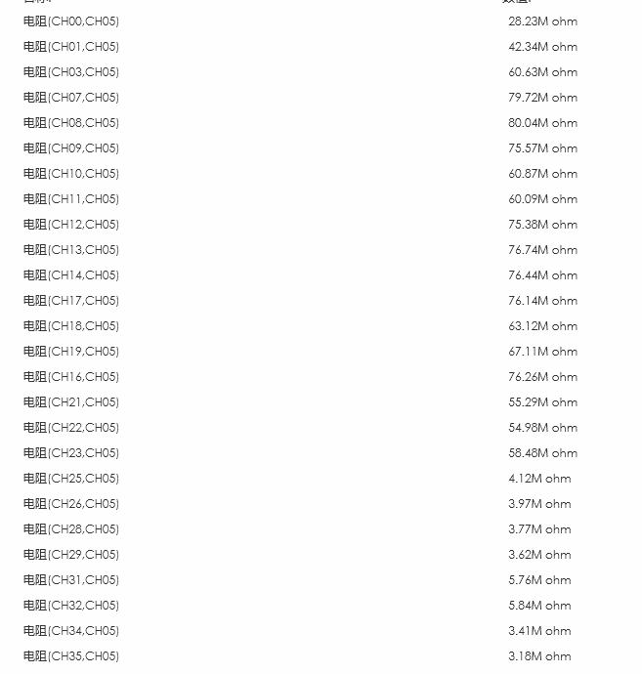
 |  | FTE | 23 | 1 | 4.54M | 6.18M | 6.42M | 6.62M | 6.04M | 7.22M | 6.50M | 7.67M | 6.59M | 7.13M | 6.40M | 2.24M
 |  |  |  | 2 | 11.19M | 14.86M | 10.89M | 14.60M | 17.53M | 20.84M | 12.47M | 13.88M | 12.81M | 15.44M | 7.46M | 10.95M
 |  | RESX | 24 | 1 | 4.32M | 5.64M | 5.93M | 6.19M | 4.98M | 6.02M | 5.45M | 6.53M | 5.78M | 6.01M | 5.29M | 2.24M
 |  |  |  | 2 | 11.67M | 15.48M | 9.07M | 11.18M | 11.83M | 14.72M | 9.67M | 10.87M | 11.04M | 11.41M | 8.59M | 9.26M
 |  | LEDPWMVSP |  | 1 | 6.73M | 4.79M | 5.62M | 6.08M | 4.15M | 4.04M | 4.28M | 5.83M | 3.69M | 4.19M | 4.02M | 7.91M
 |  |  |  | 2 | 10.91M | 9.34M | 15.37M | 9.42M | 9.18M | 10.77M | 9.12M | 9.28M | 9.13M | 8.79M | 8.81M | 9.55M
 |  | SWIRE |  | 1 | 3.79M | 3M | 3.209M | 3.68M | 3.49M | 4.135M | 3.779M | 4.107M | 3.033M | 3.8M | 2.94M | 4.54M
 |  |  |  | 2 | 6.93M | 7.8M | 8.11M | 8M | 7.55M | 8.37M | 7.89M | 8.87M | 7.72M | 7.64M | 8.11M | 8.45M
 | MIPI | D0P | 26 | 1 | 1.97M | 1.97M | 2.06M | 2.11M | 1.90M | 2.05M | 1.87M | 2.28M | 1.90M | 2.07M | 1.77M | 2.19M
 |  |  |  | 2 | 9.56M | 11.14M | 2.40M | 2.57M | 2.60M | 2.87M | 2.30M | 2.41M | 2.28M | 2.58M | 2.30M | 2.01M
 |  | D0N | 27 | 1 | 1.98M | 1.98M | 2.06M | 2.12M | 1.91M | 2.06M | 1.88M | 2.40M | 1.91M | 2.09M | 1.78M | 2.25M
 |  |  |  | 2 | 2.14M | 2.75M | 2.35M | 2.55M | 2.49M | 2.75M | 2.20M | 2.31M | 2.32M | 2.88M | 2.29M | 2.12M
 |  | D1P | 29 | 1 | 1.98M | 1.97M | 2.05M | 2.11M | 1.89M | 2.05M | 2.06M | 2.43M | 1.92M | 2.09M | 1.79M | 2.25M
 |  |  |  | 2 | 2.06M | 2.69M | 2.27M | 2.43M | 2.30M | 2.78M | 2.22M | 2.34M | 2.26M | 2.70M | 2.21M | 2.02M
 |  | D1N | 30 | 1 | 1.99M | 1.98M | 2.07M | 2.12M | 1.86M | 2.02M | 1.86M | 2.42M | 1.91M | 2.08M | 1.78M | 2.26M
 |  |  |  | 2 | 1.98M | 2.58M | 2.22M | 2.37M | 2.57M | 2.75M | 2.19M | 2.31M | 2.29M | 2.74M | 2.22M | 1.79M
 |  | CKP | 32 | 1 | 2.08M | 2.05M | 2.13M | 2.19M | 1.95M | 2.13M | 1.94M | 2.49M | 1.99M | 2.16M | 1.88M | 2.26M
 |  |  |  | 2 | 1.88M | 2.52M | 3.66M | 4.00M | 4.47M | 5.09M | 3.97M | 4.21M | 4.03M | 4.52M | 3.58M | 3.16M
 |  | CKN | 33 | 1 | 2.07M | 2.05M | 2.12M | 2.19M | 1.96M | 2.14M | 1.95M | 2.49M | 1.97M | 2.14M | 1.84M | 2.26M
 |  |  |  | 2 | 3.02M | 4.24M | 3.80M | 4.17M | 4.14M | 4.77M | 3.75M | 3.97M | 3.87M | 4.40M | 3.48M | 2.93M
 |  | D2P | 35 | 1 | 1.98M | 1.97M | 2.06M | 2.11M | 1.88M | 2.07M | 1.87M | 2.35M | 1.91M | 2.09M | 1.78M | 2.23M
 |  |  |  | 2 | 3.12M | 4.42M | 2.25M | 2.40M | 2.48M | 2.90M | 2.30M | 2.50M | 2.29M | 2.86M | 2.28M | 1.88M
 |  | D2N | 36 | 1 | 1.99M | 1.98M | 2.05M | 2.12M | 1.88M | 2.07M | 1.88M | 2.34M | 1.91M | 2.09M | 1.79M | 2.26M
 |  |  |  | 2 | 1.90M | 2.56M | 2.18M | 2.32M | 2.47M | 2.85M | 2.26M | 2.42M | 2.34M | 2.58M | 2.28M | 1.70M
 |  | D3P | 38 | 1 | 1.99M | 1.98M | 2.05M | 2.12M | 1.89M | 2.07M | 1.88M | 2.55M | 1.90M | 2.09M | 1.78M | 2.26M
 |  |  |  | 2 | 1.84M | 2.46M | 2.23M | 2.43M | 2.56M | 2.99M | 2.37M | 2.89M | 2.33M | 2.45M | 2.17M | 2.01M
 |  | D3N | 39 | 1 | 2.02M | 1.98M | 2.04M | 2.12M | 1.87M | 2.07M | 1.88M | 2.67M | 1.93M | 2.10M | 1.79M | 2.24M
 |  |  |  | 2 | 1.92M | 2.59M | 2.22M | 2.38M | 2.53M | 2.87M | 2.27M | 2.75M | 2.24M | 2.49M | 2.20M | 2.02M

 | 表（2）COB二极管测试 |  | 二极管正压：红表笔接地，黑表笔接测量的pin 负压：黑表笔接地，红表笔接测量的pin
 |  |  |  |  | 7276#2 |  |  |  | 7276#3 |  |  |  | 7276#4
 |  | PIN name | PIN NO | 方向 | 打前 | ±2KV | ±3KV | ±4KV | 打前 | ±2KV | ±3KV | ±4KV | 打前 | ±2KV | ±3KV | ±4KV

 | 电源 | VSN | 1 | 正压 | 1.033V | 1.033V | 1.032V | 1.842V | 2.057V | 2.047V | 2.052V | 2.050V | 2.056V | 2.056V | 2.067V | 2.062V | 1675.0819092
 |  |  |  | 负压 | 483.6838mV |  | 486.8962mV | 483.6778mV | 485.7043mV | 485.6405mV | 485.9182mV | 484.4836mV | 483.7941mV | 486.6102mV | 487.7145mV | 487.0739mV | 483.65518188
 |  | VSP | 2 | 正压 | 458.0349mV | 461.9781mV | 462.1581mV | 457.8633mV | 460.3295mV | 459.842mV | 460.1907mV | 458.7859mV | 457.7715mV | 460.8916mV | 462.3553mV | 461.7689mV | 458.14819336
 |  |  |  | 负压 | 2.497V | 2.497V | 2.497V | 2.497V | 2.497V | 2.497V | 2.497V | 1.874V | 2.497V | 2.497V | 2.497V | 1.891V | 1855.9172363
 |  | IOVCC | 4 | 正压 | 434.4548mV | 437.9325mV | 438.0809mV | 434.4608mV | 436.1141mV | 435.8667mV | 436.0974mV | 434.9149mV | 434.2289mV | 436.9032mV | 438.1518mV | 437.8925mV | 434.23544312
 |  |  |  | 负压 | 1.560V | 1.573V | 1.574V | 1.568V | 1.579V | 1.581V | 1.583V | 1.577V | 1.556V | 1.562V | 1.566V | 1.564V | 1546.4376221
 |  | TP_SPI_CSN | 8 | 正压 | 527.1584mV | 528.4965mV | 528.2122mV | 526.42mV | 528.6877mV | 528.3802mV | 528.379mV | 527.7705mV | 526.6047mV | 527.668mV | 528.2861mV | 528.0464mV | 524.99139404
 |  |  |  | 负压 | 1.757V | 1.766V | 1.766V | 1.762V | 1.771V | 1.773V | 1.774V | 1.672V | 1.754V | 1.759V | 1.761V | 1.761V | 1749.8643799
 |  | TP_SPI_MOSI | 9 | 正压 | 526.622mV | 527.944mV | 527.7276mV | 525.9718mV | 528.1132mV | 527.8742mV | 527.8754mV | 527.2311mV | 527.699mV | 528.7474mV | 529.2534mV | 529.1365mV | 524.44598389
 |  |  |  | 负压 | 1.758V | 1.766V | 1.766V | 1.763V | 1.770V | 1.771V | 1.773V | 1.670V | 1.754V | 1.758V | 1.760V | 1.761V | 1750.6296387
 |  | ATTN | 10 | 正压 | 541.8701mV | 543.2981mV | 542.9596mV | 541.6269mV | 542.8511mV | 542.6604mV | 543.1187mV | 542.1323mV | 546.017mV | 546.6333mV | 547.4701mV | 547.1512mV | 527.2454834
 |  |  |  | 负压 | 1.564V | 1.551V | 1.578V | 1.571V | 1.573V | 1.584V | 1.586V | 1.581V | 1.559V | 1.566V | 1.569V | 1.567V | 1550.4475098
 |  | TP_I2C_SDA | 11 | 正压 | 515.574mV | 516.7886mV | 514.4446mV | 510.9389mV | 512.3138mV | 511.5987mV | 509.3911mV | 507.5536mV | 529.2456mV | 529.118mV | 527.5536mV | 526.6172mV | 546.07305908
 |  |  |  | 负压 | 2.498V | 2.498V | 2.498V | 2.498V | 2.498V | 2.498V | 2.498V | 2.498V | 2.498V | 2.498V | 2.498V | 2.498V | 1674.2330322
 |  | TP_I2C_SCL | 12 | 正压 | 520.5941mV | 521.9833mV | 519.6631mV | 516.1122mV | 518.6041mV | 517.48mV | 515.4774mV | 513.1113mV | 517.8799mV | 517.2642mV | 516.2772mV | 515.3368mV | 550.70697021
 |  |  |  | 负压 | 2.498V | 2.498V | 2.498V | 2.498V | 2.498V | 2.498V | 2.498V | 2.498V | 2.498V | 2.498V | 2.498V | 2.498V | 1674.3218994
 |  | TP_RESX | 13 | 正压 | 528.5579mV | 529.8845mV | 529.6783mV | 528.1514mV | 528.528mV | 528.2551mV | 528.2581mV | 528.1013mV | 528.7509mV | 529.8464mV | 530.3506mV | 530.5276mV | 526.60473633
 |  |  |  | 负压 | 1.756V | 1.764V | 1.762V | 1.760V | 1.769V | 1.770V | 1.771V | 1.651V | 1.751V | 1.757V | 1.758V | 1.759V | 1750.170166
 |  | TP_SPI_MISO | 14 | 正压 | 510.3625mV | 511.6058mV | 511.4926mV | 509.8804mV | 516.6533mV | 516.3494mV | 516.6438mV | 515.2402mV | 523.4mV | 524.5807mV | 525.3978mV | 524.7351mV | 206.1194458
 |  |  |  | 负压 | 1.121V | 1.125V | 1.124V | 1.122V | 1.092V | 1.092V | 1.092V | 1.091V | 1.125V | 1.127V | 1.128V | 1.127V | 1117.7758789
 |  | TP_SPI_SCLK | 15 | 正压 | 527.8093mV | 529.1371mV | 528.9285mV | 527.2216mV | 527.7687mV | 527.5059mV | 527.4857mV | 527.0261mV | 527.0142mV | 528.1501mV | 528.6091mV | 528.6121mV | 525.69348145
 |  |  |  | 负压 | 1.756V | 1.765V | 1.765V | 1.761V | 1.770V | 1.771V | 1.772V | 1.771V | 1.752V | 1.757V | 1.759V | 1.759V | 1751.0599365
 |  | TP_FLASH_MISO | 18 | 正压 | 527.2639mV | 528.6133mV | 528.4088mV | 526.811mV | 527.8927mV | 527.6627mV | 527.6674mV | 527.3128mV | 527.2943mV | 528.2712mV | 528.8606mV | 529.2063mV | 525.28222656
 |  |  |  | 负压 | 1.756V | 1.763V | 1.765V | 1.761V | 1.770V | 1.771V | 1.772V | 1.678V | 1.752V | 1.757V | 1.759V | 1.760V | 1750.6087646
 |  | TP_FLASH_SCLK | 19 | 正压 | 515.5186mV | 516.8196mV | 516.6473mV | 514.9523mV | 514.3504mV | 513.8915mV | 514.3116mV | 513.0428mV | 517.719mV | 519.0129mV | 519.7585mV | 518.8728mV | 500.32293701
 |  |  |  | 负压 | 1.539V | 1.556V | 1.573V | 1.565V | 1.546V | 1.581V | 1.583V | 1.580V | 1.553V | 1.560V | 1.563V | 1.562V | 1546.1682129
 |  | TP_FLASH_CSN | 20 | 正压 | 548.5012mV | 549.9006mV | 549.4631mV | 548.3748mV | 563.5061mV | 563.2581mV | 563.4352mV | 562.571mV | 555.2467mV | 556.1848mV | 556.934mV | 556.9697mV | 526.91821289
 |  |  |  | 负压 | 1.174V | 1.177V | 1.177V | 1.174V | 1.581V | 1.582V | 1.584V | 1.338V | 1.555V | 1.562V | 1.565V | 1.564V | 1547.9216309
 |  | TP_FLASH_MOSI | 17 | 正压 | 0.521V | 0.523V | 0.522V | 0.518v | 0.522V | 0.524V | 0.523V | 0.521V | 0.522V | 0.522V | 0.521V | 0.522V | 2498.5471191
 |  |  |  | 负压 | 1.545V | 1.552V | 1.551V | 1.541V | 1.553V | 1.558V | 1.562V | 1.556V | 1.537V | 1.542V | 1.541V | 1.265V | 2498.5698242
 |  | LEDPWM | 22 | 正压 | 509.8929mV | 511.3912mV | 511.1219mV | 509.2606mV | 507.1143mV | 506.7615mV | 506.6071mV | 505.8961mV | 506.7836mV | 508.059mV | 508.5269mV | 508.0805mV | 500.20492554
 |  |  |  | 负压 | 1.197V | 1.198V | 1.198V | 1.195V | 1.170V | 1.170V | 1.170V | 1.168V | 1.195V | 1.198V | 1.198V | 1.198V | 1191.6567383
 |  | FTE | 23 | 正压 | 540.4534mV | 541.6019mV | 541.4421mV | 540.712mV | 554.603mV | 554.4981mV | 554.5637mV | 554.4427mV | 553.5541mV | 554.4987mV | 555.2574mV | 555.8165mV | 249.03622437
 |  |  |  | 负压 | 1.177V | 1.180V | 1.180V | 1.180V | 1.150V | 1.150V | 1.150V | 1.152V | 1.176V | 1.179V | 1.180V | 1.183V | 1175.7828369
 |  | RESX | 24 | 正压 | 529.363mV | 530.5914mV | 530.4716mV | 528.8242mV | 528.6097mV | 528.2992mV | 528.2455mV | 527.55mV | 529.9442mV | 531.0283mV | 531.5211mV | 531.4037mV | 527.21386719
 |  |  |  | 负压 | 1.452V | 1.457V | 1.457V | 1.454V | 1.482V | 1.483V | 1.484V | 1.483V | 1.469V | 1.472V | 1.474V | 1.473V | 1448.0683594
 |  | LEDPWMVSP |  | 正压 | 0.521V | 0.523V | 0.522V | 0.519v | 0.52V | 0.521V | 0.521V | 0.521V | 0.521V | 0.524V | 0.522V | 0.522V
 |  |  |  | 负压 | 1.111V | 1.091V | 1.102V | 1.103V | 1.119V | 1.085V | 1.123V | 1.213V | 1.119V | 1.123V | 1.125V | 1.225V
 |  | SWIRE |  | 正压 | 0.522V | 0.523V | 0.522V | 0.521v | 0.519V | 0.518V | 0.519V | 0.517V | 0.525V | 0.525V | 0.526V | 0.525V
 |  |  |  | 负压 | 1.133V | 1.135V | 1.135V | 1.132V | 1.101V | 1.102V | 1.105V | 1.101V | 1.135V | 1.136V | 1.136V | 1.14V
 | MIPI | D0P | 26 | 正压 | 421.6867mV | 422.0669mV | 421.5127mV | 420.1126mV | 421.409mV | 421.0227mV | 420.8273mV | 420.0751mV | 420.8719mV | 421.3434mV | 421.6134mV | 421.1402mV | 418.46890259
 |  |  |  | 负压 | 1.656V | 1.908V | 1.911V | 1.907V | 1.910V | 1.642V | 1.913V | 1.823V | 1.898V | 1.903V | 1.905V | 1.906V | 1900.0944824
 |  | D0N | 27 | 正压 | 421.6187mV | 422.0163mV | 421.4715mV | 420.1198mV | 421.1252mV | 420.7408mV | 420.5412mV | 419.736mV | 420.9774mV | 421.4698mV | 421.6897mV | 421.2152mV | 418.42956543
 |  |  |  | 负压 | 1.902V | 1.910V | 1.911V | 1.907V | 1.910V | 1.911V | 1.912V | 1.841V | 1.899V | 1.903V | 1.905V | 1.906V | 1899.9991455
 |  | D1P | 29 | 正压 | 421.0901mV | 421.4531mV | 420.8708mV | 419.5131mV | 420.9554mV | 420.5644mV | 420.422mV | 419.6126mV | 421.248mV | 421.7439mV | 421.9817mV | 421.499mV | 413.09057617
 |  |  |  | 负压 | 1.902V | 1.910V | 1.911V | 1.906V | 1.910V | 1.911V | 1.912V | 1.814V | 1.898V | 1.903V | 1.905V | 1.905V | 1899.5908203
 |  | D1N | 30 | 正压 | 422.1593mV | 422.6874mV | 421.9948mV | 420.6324mV | 421.4662mV | 421.0716mV | 420.9292mV | 420.0882mV | 421.2951mV | 421.8202mV | 422.0413mV | 421.5061mV | 7.5674123764
 |  |  |  | 负压 | 1.902V | 1.910V | 1.910V | 1.906V | 1.910V | 1.911V | 1.912V | 1.817V | 1.899V | 1.903V | 1.905V | 1.906V | 7.5697960854
 |  | CKP | 32 | 正压 | 639.6302mV | 640.6005mV | 640.0074mV | 638.1998mV | 637.0602mV | 636.677mV | 636.5125mV | 635.6865mV | 636.7402mV | 637.6497mV | 638.0377mV | 637.8207mV | 632.54016113
 |  |  |  | 负压 | 1.999V | 2.005V | 2.005V | 2.001V | 2.004V | 2.004V | 2.005V | 1.925V | 1.994V | 1.998V | 1.999V | 2.000V | 1994.7041016
 |  | CKN | 33 | 正压 | 639.415mV | 640.619mV | 640.0229mV | 638.2266mV | 636.9476mV | 636.6061mV | 636.4142mV | 635.6048mV | 636.7998mV | 637.813mV | 638.1277mV | 637.6801mV | 632.42156982
 |  |  |  | 负压 | 1.998V | 2.005V | 2.005V | 2.001V | 2.003V | 2.004V | 2.005V | 1.926V | 1.992V | 1.996V | 1.998V | 1.998V | 1994.6409912
 |  | D2P | 35 | 正压 | 422.0902mV | 422.4549mV | 421.8744mV | 420.5418mV | 422.4865mV | 422.1563mV | 421.974mV | 421.2063mV | 421.5198mV | 421.9799mV | 422.2445mV | 421.7964mV | 418.81515503
 |  |  |  | 负压 | 1.902V | 1.910V | 1.911V | 1.907V | 1.910V | 1.911V | 1.912V | 1.819V | 1.899V | 1.903V | 1.905V | 1.906V | 1899.6087646
 |  | D2N | 36 | 正压 | 422.0711mV | 422.3846mV | 421.8446mV | 420.4589mV | 422.2422mV | 421.8506mV | 421.6736mV | 420.8934mV | 421.5937mV | 422.1629mV | 422.3363mV | 421.9024mV | 418.76031494
 |  |  |  | 负压 | 1.901V | 1.909V | 1.910V | 1.906V | 1.910V | 1.911V | 1.912V | 1.821V | 1.898V | 1.903V | 1.905V | 1.906V | 1898.9603271
 |  | D3P | 38 | 正压 | 422.4305mV | 422.7845mV | 422.2148mV | 420.8577mV | 422.0508mV | 421.6313mV | 421.4543mV | 420.6729mV | 422.1641mV | 422.6474mV | 422.8936mV | 422.4221mV | 419.1864624
 |  |  |  | 负压 | 1.902V | 1.910V | 1.911V | 1.907V | 1.910V | 1.912V | 1.913V | 1.848V | 1.898V | 1.903V | 1.905V | 1.905V | 1899.7940674
 |  | D3N | 39 | 正压 | 422.6427mV | 422.9818mV | 422.4001mV | 421.1157mV | 422.5449mV | 422.1677mV | 421.9823mV | 421.2039mV | 421.9269mV | 422.5324mV | 422.6588mV | 422.1438mV | 419.33782959
 |  |  |  | 负压 | 1.903V | 1.911V | 1.911V | 1.907V | 1.910V | 1.911V | 1.912V | 1.824V | 1.899V | 1.903V | 1.905V | 1.906V | 1900.3865967

 | 表（3）COB电流测试
 | Panel | 放电等级 | 测试项 | sleep in | sleep out | display on | TP功能 | source波形 |  |  |  | GOUT(R17/GCK)
 | 7276#2 | 打前 | IOVCC/ mA | 6.087 | 12.263 | 30.123 | 正常 | 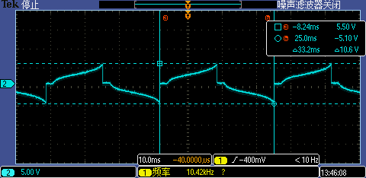 |  |  |  | 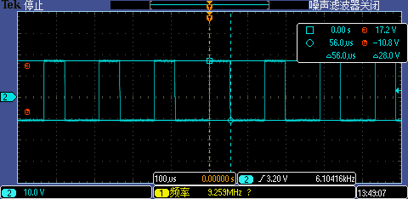
 |  |  | VSP/ mA | 0.271 | 3.855 | 4.586
 |  |  | VSN/ mA | 0.002 | 2.359 | 3.063
 |  | ±2KV | IOVCC/ mA | 6.015 | 12.257 | 30.207
 |  |  | VSP/ mA | 0.277 | 3.868 | 4.591
 |  |  | VSN/ mA | 0.002 | 2.367 | 3.071
 |  | ±3KV | IOVCC/ mA | 5.956 | 12.251 | 30.102
 |  |  | VSP/ mA | 0.276 | 3.868 | 4.602
 |  |  | VSN/ mA | 0.002 | 2.371 | 3.074
 |  | ±4KV | IOVCC/ mA | 6.010 | 12.298 | 30.068
 |  |  | VSP/ mA | 0.277 | 3.878 | 4.598
 |  |  | VSN/ mA | 0.002 | 2.367 | 3.079
 | 7276#3 | 打前 | IOVCC/ mA | 5.727 | 12.181 | 29.989 | 正常 | 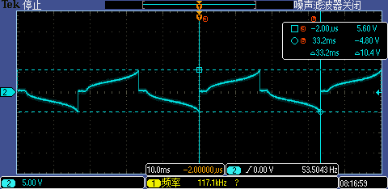 |  |  |  | 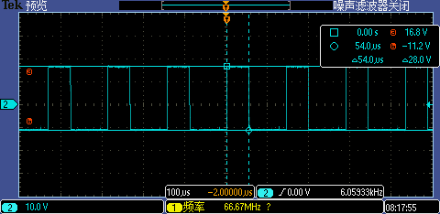
 |  |  | VSP/ mA | 0.260 | 3.839 | 4.527
 |  |  | VSN/ mA | 0.002 | 2.355 | 3.067
 |  | ±2KV | IOVCC/ mA | 5.727 | 12.190 | 29.955
 |  |  | VSP/ mA | 0.271 | 3.857 | 4.537
 |  |  | VSN/ mA | 0.002 | 2.360 | 3.065
 |  | ±3KV | IOVCC/ mA | 5.726 | 12.185 | 29.943
 |  |  | VSP/ mA | 0.269 | 3.856 | 4.541
 |  |  | VSN/ mA | 0.002 | 2.359 | 3.095
 |  | ±4KV | IOVCC/ mA | 5.570 | 12.047 | 29.688
 |  |  | VSP/ mA | 0.411 | 4.022 | 4.704
 |  |  | VSN/ mA | 0.002 | 2.365 | 3.092
 | 7276#4 | 打前 | IOVCC/ mA | 6.165 | 12.177 | 30.115 | 正常 | 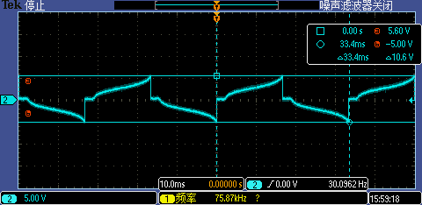 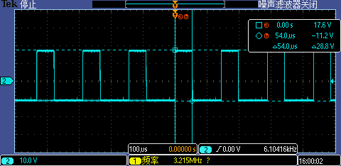
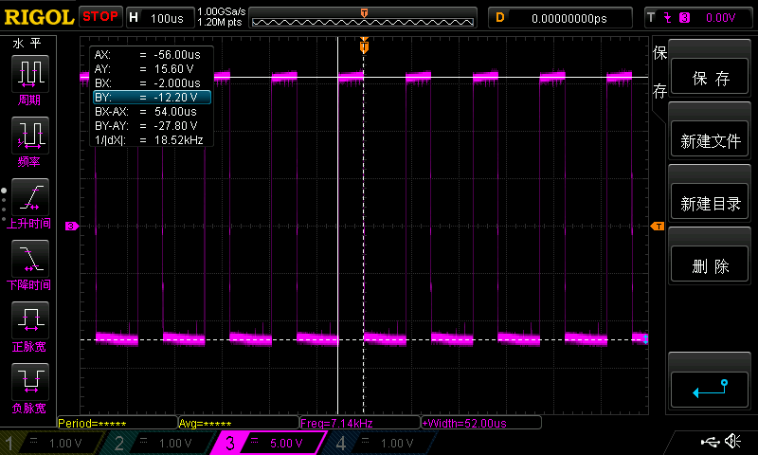
 |  |  | VSP/ mA | 0.271 | 3.862 | 4.582
 |  |  | VSN/ mA | 0.002 | 2.374 | 3.077
 |  | ±2KV | IOVCC/ mA | 6.175 | 12.177 | 30.051
 |  |  | VSP/ mA | 0.282 | 3.881 | 4.607
 |  |  | VSN/ mA | 0.002 | 2.378 | 3.067
 |  | ±3KV | IOVCC/ mA | 6.136 | 12.150 | 29.838
 |  |  | VSP/ mA | 0.278 | 3.885 | 4.611
 |  |  | VSN/ mA | 0.002 | 2.376 | 3.070
 |  | REMARK：±3KV的SLPIN下IOVCC测量15次，有一次6.8mA，一次7.4mA，其余测试结果均如表中数据所述
 |  | ±4KV | IOVCC/ mA | 5.714 | 11.808 | 29.626
 |  |  | VSP/ mA | 0.633 | 4.258 | 4.992
 |  |  | VSN/ mA | 0.002 | 2.385 | 3.075

 | 表（4）COB电压测试
 | 7276#2 |  |  |  |  |  |  |  |  |  |  |  | 7276#3 |  |  |  |  |  |  |  |  |  |  |  | 7276#4
 | 打前 |  |  | ±2KV |  |  | ±3KV |  |  | ±4KV |  |  | 打前 |  |  | ±2KV |  |  | ±3KV |  |  | ±4KV |  |  | 打前 |  |  | ±2KV |  |  | ±3KV |  |  | ±4KV

 | sleep in | sleep out | display on | sleep in | sleep out | display on | sleep in | sleep out | display on | sleep in | sleep out | display on | sleep in | sleep out | display on | sleep in | sleep out | display on | sleep in | sleep out | display on | sleep in | sleep out | display on | sleep in | sleep out | display on | sleep in | sleep out | display on | sleep in | sleep out | display on | sleep in | sleep out | display on
VGHO | 0.00 | 17.00 | 16.98 | 0.00 | 17.00 | 16.98 | 0.00 | 17.01 | 16.99 | 0.00 | 17.01 | 16.99 | 0.00 | 16.97 | 16.95 | 0.00 | 16.97 | 16.95 | 0.00 | 16.98 | 16.95 | 0.00 | 16.97 | 16.95 | 0.00 | 16.94 | 16.91 | 0.00 | 16.93 | 16.91 | 0.00 | 16.94 | 16.92 | 0.00 | 16.94 | 16.93
VGH | 6.01 | 17.01 | 16.99 | 6.01 | 17.01 | 16.99 | 6.01 | 17.02 | 17.00 | 6.01 | 17.02 | 17.00 | 6.01 | 16.98 | 16.96 | 6.01 | 16.98 | 16.96 | 6.01 | 16.98 | 16.96 | 6.01 | 16.98 | 16.96 | 6.01 | 16.95 | 16.92 | 6.01 | 16.94 | 16.93 | 6.01 | 16.95 | 16.93 | 6.01 | 16.95 | 16.94
VCOM | 0.00 | -1.00 | -1.00 | 0.00 | -1.00 | -1.00 | 0.00 | -1.00 | -1.00 | 0.00 | -1.00 | -1.00 | 0.00 | -1.00 | -1.00 | 0.00 | -1.00 | -1.00 | 0.00 | -1.00 | -1.00 | 0.00 | -1.00 | -1.00 | 0.00 | -1.00 | -1.00 | 0.00 | -1.00 | -1.00 | 0.00 | -1.00 | -1.00 | 0.00 | -1.00 | -1.00
VGLO | 0.00 | -11.59 | -11.58 | 0.00 | -11.59 | -11.59 | 0.00 | -11.59 | -11.59 | 0.00 | -11.59 | -11.59 | 0.00 | -11.57 | -11.56 | 0.00 | -11.57 | -11.57 | 0.00 | -11.57 | -11.57 | 0.00 | -11.57 | -11.57 | 0.00 | -11.58 | -11.58 | 0.00 | -11.58 | -11.58 | 0.00 | -11.58 | -11.58 | 0.00 | -11.59 | -11.59
VGL | -6.01 | -11.59 | -11.58 | -6.01 | -11.59 | -11.59 | -6.02 | -11.59 | -11.59 | -6.02 | -11.59 | -11.59 | -6.01 | -11.57 | -11.56 | -6.02 | -11.57 | -11.57 | -6.02 | -11.57 | -11.57 | -6.01 | -11.57 | -11.57 | -6.01 | -11.58 | -11.58 | -6.02 | -11.58 | -11.58 | -6.02 | -11.58 | -11.58 | -6.01 | -11.59 | -11.59
VGMP | 0.00 | 5.17 | 5.17 | 0.00 | 5.17 | 5.17 | 0.00 | 5.17 | 5.17 | 0.00 | 5.18 | 5.17 | 0.00 | 5.17 | 5.17 | 0.00 | 5.17 | 5.17 | 0.00 | 5.17 | 5.17 | 0.00 | 5.17 | 5.17 | 0.00 | 5.17 | 5.16 | 0.00 | 5.17 | 5.17 | 0.00 | 5.17 | 5.17 | 0.00 | 5.17 | 5.17
VGMN | 0.00 | -5.26 | -5.25 | 0.00 | -5.26 | -5.25 | 0.00 | -5.26 | -5.26 | 0.00 | -5.26 | -5.26 | 0.00 | -5.26 | -5.26 | 0.00 | -5.27 | -5.27 | -0.14 | -5.27 | -5.27 | 0.00 | -5.27 | -5.27 | 0.00 | -5.26 | -5.26 | 0.00 | -5.26 | -5.26 | 0.00 | -5.26 | -5.26 | 0.00 | -5.26 | -5.26
DVDD | 1.58 | 1.58 | 1.58 | 1.58 | 1.58 | 1.58 | 1.58 | 1.58 | 1.58 | 1.58 | 1.58 | 1.58 | 1.57 | 1.58 | 1.58 | 1.57 | 1.58 | 1.58 | 1.58 | 1.58 | 1.58 | 1.57 | 1.58 | 1.58 | 1.57 | 1.58 | 1.58 | 1.57 | 1.58 | 1.58 | 1.57 | 1.58 | 1.58 | 1.57 | 1.58 | 1.58
VCIP | 6.01 | 2.99 | 2.99 | 6.01 | 2.99 | 2.99 | 6.01 | 2.99 | 2.99 | 6.01 | 3.00 | 2.99 | 6.01 | 3.00 | 3.00 | 6.01 | 3.00 | 3.00 | 6.01 | 3.00 | 3.00 | 6.01 | 3.00 | 3.00 | 6.01 | 2.99 | 2.99 | 6.01 | 2.99 | 2.99 | 6.01 | 2.99 | 2.99 | 6.01 | 2.99 | 2.99
VDDMA | 1.52 | 1.50 | 1.50 | 1.52 | 1.50 | 1.50 | 1.51 | 1.50 | 1.50 | 1.51 | 1.50 | 1.50 | 1.52 | 1.49 | 1.49 | 1.51 | 1.49 | 1.49 | 1.51 | 1.49 | 1.49 | 1.51 | 1.49 | 1.49 | 1.54 | 1.49 | 1.49 | 1.54 | 1.49 | 1.49 | 1.54 | 1.49 | 1.49 | 1.54 | 1.49 | 1.49
TVDD | 6.01 | 4.96 | 4.96 | 6.01 | 4.97 | 4.96 | 6.01 | 4.97 | 4.96 | 6.01 | 4.97 | 4.97 | 6.01 | 4.96 | 4.96 | 6.01 | 4.97 | 4.96 | 6.01 | 4.97 | 4.96 | 6.01 | 4.97 | 4.96 | 6.01 | 4.97 | 4.97 | 6.01 | 4.97 | 4.97 | 6.01 | 4.97 | 4.97 | 6.01 | 4.97 | 4.97
IOVCC | 1.83 | 1.83 | 1.83 | 1.83 | 1.83 | 1.83 | 1.83 | 1.83 | 1.82 | 1.83 | 1.83 | 1.82 | 1.83 | 1.83 | 1.83 | 1.83 | 1.83 | 1.83 | 1.83 | 1.83 | 1.82 | 1.83 | 1.83 | 1.82 | 1.83 | 1.83 | 1.83 | 1.83 | 1.83 | 1.83 | 1.83 | 1.83 | 1.83 | 1.83 | 1.83 | 1.83
VSP | 6.04 | 6.04 | 6.04 | 6.04 | 6.04 | 6.04 | 6.04 | 6.04 | 6.04 | 6.04 | 6.04 | 6.04 | 6.04 | 6.04 | 6.04 | 6.04 | 6.04 | 6.04 | 6.04 | 6.04 | 6.04 | 6.04 | 6.04 | 6.04 | 6.04 | 6.04 | 6.04 | 6.04 | 6.04 | 6.04 | 6.04 | 6.04 | 6.04 | 6.04 | 6.04 | 6.04
VSN | 6.06 | 6.06 | 6.06 | 6.07 | 6.07 | 6.07 | 6.07 | 6.07 | 6.07 | 6.07 | 6.07 | 6.07 | 6.06 | 6.07 | 6.06 | 6.06 | 6.07 | 6.07 | 6.07 | 6.07 | 6.07 | 6.06 | 6.07 | 6.07 | 6.06 | 6.07 | 6.07 | 6.06 | 6.07 | 6.07 | 6.07 | 6.07 | 6.07 | 6.06 | 6.07 | 6.07

DSTB电流对比：
良品：

7276#3 | ±4KV

7276#4 | ±4KV

