Sheet1
ALU控制信号如下表：
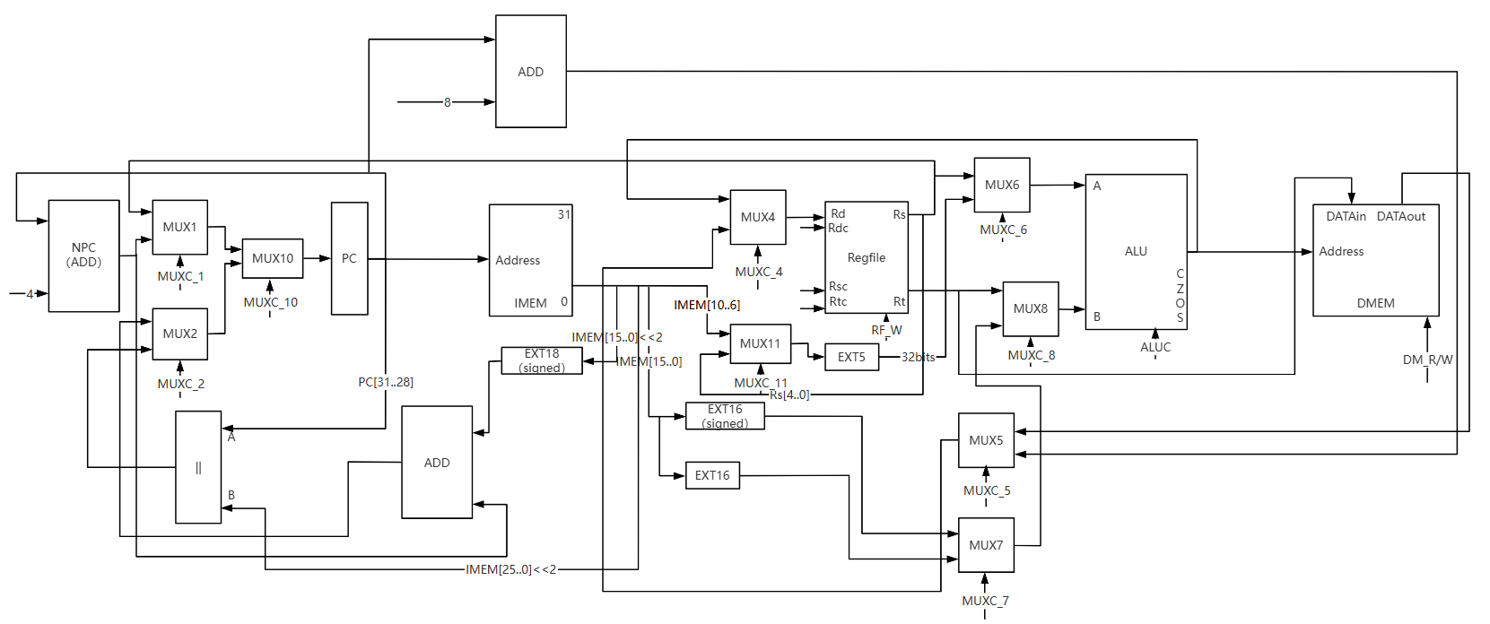
 | ALUC3 | ALUC2 | ALUC1 | ALUC0
ADDU | 0 | 0 | 0 | 0
ADD | 0 | 0 | 1 | 0
SUBU | 0 | 0 | 0 | 1
SUB | 0 | 0 | 1 | 1
AND | 0 | 1 | 0 | 0 |  |  |  |  |  |  |  |  |  |  |  |  | 统一：MUXC为1时，输出上侧的输入
OR | 0 | 1 | 0 | 1
XOR | 0 | 1 | 1 | 0
NOR | 0 | 1 | 1 | 1
LUI | 1 | 0 | 0 | X
SLT | 1 | 0 | 1 | 1
SLTU | 1 | 0 | 1 | 0
SRA | 1 | 1 | 0 | 0
SLL/SLA | 1 | 1 | 1 | X
SRL | 1 | 1 | 0 | 1

控制信号（微操作） | PC_CLK | IM_R | Rsc4-0 | Rtc4-0 | MUXC_1 | MUXC_2 | MUXC_4 | MUXC_5 | MUXC_6 | MUXC_7 | MUXC_8 | MUXC_10 | MUXC_11 | ALUC_3 | ALUC_2 | ALUC_1 | ALUC_0 | Rdc4-0 | RF_W | RF_CLK | DM_CS | DM_R | DM_W
ADD | 1 | 1 | IMEM[25..21] | IMEM[20..16] | 0 | X | 1 | X | 1 | X | 1 | 1 | X | 0 | 0 | 1 | 0 | IMEM[15..11] | 1 | 1 | 0 | 0 | 0
ADDU | 1 | 1 | IMEM[25..21] | IMEM[20..16] | 0 | X | 1 | X | 1 | X | 1 | 1 | X | 0 | 0 | 0 | 0 | IMEM[15..11] | 1 | 1 | 0 | 0 | 0
SUB | 1 | 1 | IMEM[25..21] | IMEM[20..16] | 0 | X | 1 | X | 1 | X | 1 | 1 | X | 0 | 0 | 1 | 1 | IMEM[15..11] | 1 | 1 | 0 | 0 | 0
SUBU | 1 | 1 | IMEM[25..21] | IMEM[20..16] | 0 | X | 1 | X | 1 | X | 1 | 1 | X | 0 | 0 | 0 | 1 | IMEM[15..11] | 1 | 1 | 0 | 0 | 0
AND | 1 | 1 | IMEM[25..21] | IMEM[20..16] | 0 | X | 1 | X | 1 | X | 1 | 1 | X | 0 | 1 | 0 | 0 | IMEM[15..11] | 1 | 1 | 0 | 0 | 0
OR | 1 | 1 | IMEM[25..21] | IMEM[20..16] | 0 | X | 1 | X | 1 | X | 1 | 1 | X | 0 | 1 | 0 | 1 | IMEM[15..11] | 1 | 1 | 0 | 0 | 0
XOR | 1 | 1 | IMEM[25..21] | IMEM[20..16] | 0 | X | 1 | X | 1 | X | 1 | 1 | X | 0 | 1 | 1 | 0 | IMEM[15..11] | 1 | 1 | 0 | 0 | 0
NOR | 1 | 1 | IMEM[25..21] | IMEM[20..16] | 0 | X | 1 | X | 1 | X | 1 | 1 | X | 0 | 1 | 1 | 1 | IMEM[15..11] | 1 | 1 | 0 | 0 | 0
SLT | 1 | 1 | IMEM[25..21] | IMEM[20..16] | 0 | X | 1 | X | 1 | X | 1 | 1 | X | 1 | 0 | 1 | 1 | IMEM[15..11] | 1 | 1 | 0 | 0 | 0
SLTU | 1 | 1 | IMEM[25..21] | IMEM[20..16] | 0 | X | 1 | X | 1 | X | 1 | 1 | X | 1 | 0 | 1 | 0 | IMEM[15..11] | 1 | 1 | 0 | 0 | 0
SLL | 1 | 1 | 0 | IMEM[20..16] | 0 | X | 1 | X | 0 | X | 1 | 1 | 1 | 1 | 1 | 1 | X | IMEM[15..11] | 1 | 1 | 0 | 0 | 0
SRL | 1 | 1 | 0 | IMEM[20..16] | 0 | X | 1 | X | 0 | X | 1 | 1 | 1 | 1 | 1 | 0 | 1 | IMEM[15..11] | 1 | 1 | 0 | 0 | 0
SRA | 1 | 1 | 0 | IMEM[20..16] | 0 | X | 1 | X | 0 | X | 1 | 1 | 1 | 1 | 1 | 0 | 0 | IMEM[15..11] | 1 | 1 | 0 | 0 | 0
SLLV | 1 | 1 | IMEM[25..21] | IMEM[20..16] | 0 | X | 1 | X | 0 | X | 1 | 1 | 0 | 1 | 1 | 1 | X | IMEM[15..11] | 1 | 1 | 0 | 0 | 0
SRLV | 1 | 1 | IMEM[25..21] | IMEM[20..16] | 0 | X | 1 | X | 0 | X | 1 | 1 | 0 | 1 | 1 | 0 | 1 | IMEM[15..11] | 1 | 1 | 0 | 0 | 0
SRAV | 1 | 1 | IMEM[25..21] | IMEM[20..16] | 0 | X | 1 | X | 0 | X | 1 | 1 | 0 | 1 | 1 | 0 | 0 | IMEM[15..11] | 1 | 1 | 0 | 0 | 0
JR | 1 | 1 | IMEM[25..21] | IMEM[20..16] | 1 | X | X | X | X | X | X | 1 | X | X | X | X | X | X | 0 | 0 | 0 | 0 | 0
ADDI | 1 | 1 | IMEM[25..21] | X | 0 | X | 1 | X | 1 | 1 | 0 | 1 | X | 0 | 0 | 1 | 0 | IMEM[20..16] | 1 | 1 | 0 | 0 | 0
ADDIU | 1 | 1 | IMEM[25..21] | X | 0 | X | 1 | X | 1 | 1 | 0 | 1 | X | 0 | 0 | 0 | 0 | IMEM[20..16] | 1 | 1 | 0 | 0 | 0
ANDI | 1 | 1 | IMEM[25..21] | X | 0 | X | 1 | X | 1 | 0 | 0 | 1 | X | 0 | 1 | 0 | 0 | IMEM[20..16] | 1 | 1 | 0 | 0 | 0
ORI | 1 | 1 | IMEM[25..21] | X | 0 | X | 1 | X | 1 | 0 | 0 | 1 | X | 0 | 1 | 0 | 1 | IMEM[20..16] | 1 | 1 | 0 | 0 | 0
XORI | 1 | 1 | IMEM[25..21] | X | 0 | X | 1 | X | 1 | 0 | 0 | 1 | X | 0 | 1 | 1 | 0 | IMEM[20..16] | 1 | 1 | 0 | 0 | 0
LW | 1 | 1 | IMEM[25..21] | X | 0 | X | 0 | 1 | 1 | 1 | 0 | 1 | X | 0 | 0 | 0 | 0 | IMEM[20..16] | 1 | 1 | 1 | 1 | 0
SW | 1 | 1 | IMEM[25..21] | IMEM[20..16] | 0 | X | X | X | 1 | 1 | 0 | 1 | X | 0 | 0 | 0 | 0 | X | 0 | 0 | 1 | 0 | 1
BEQ | 1 | 1 | IMEM[25..21] | IMEM[20..16] | 0 | 1 | X | X | 1 | X | 1 | ALU.ZF(取反) | X | 0 | 0 | 0 | 1 | X | 0 | 0 | 0 | 0 | 0
BNE | 1 | 1 | IMEM[25..21] | IMEM[20..16] | 0 | 1 | X | X | 1 | X | 1 | ALU.ZF | X | 0 | 0 | 0 | 1 | X | 0 | 0 | 0 | 0 | 0
SLTI | 1 | 1 | IMEM[25..21] | X | 0 | X | 1 | X | 1 | 1 | 0 | 1 | X | 1 | 0 | 1 | 1 | IMEM[20..16] | 1 | 1 | 0 | 0 | 0
SLTIU | 1 | 1 | IMEM[25..21] | X | 0 | X | 1 | X | 1 | 1 | 0 | 1 | X | 1 | 0 | 1 | 0 | IMEM[20..16] | 1 | 1 | 0 | 0 | 0
LUI | 1 | 1 | X | X | 0 | X | 1 | X | X | 0 | 0 | 1 | X | 1 | 0 | 0 | X | IMEM[20..16] | 1 | 1 | 0 | 0 | 0
J | 1 | 1 | X | X | X | 0 | X | X | X | X | X | 0 | X | X | X | X | X | X | 0 | 0 | 0 | 0 | 0
JAL | 1 | 1 | X | X | X | 0 | 0 | 0 | X | X | X | 0 | X | X | X | X | X | $31 | 1 | 1 | 0 | 0 | 0

