NEDL_Tukey_q
Pumpkin id | Weight, kg | Variety
1 | 10.16 | Giant | Variety | Average weight | Observations
2 | 7.88 | Gold | Squash | 7.67 | 44
3 | 5.96 | Casper | Gold | 8.71 | 46
4 | 6.43 | Casper | Casper | 8.24 | 61
5 | 2.84 | Squash | Giant | 14.51 | 49
6 | 9.61 | Casper | Total | 9.76 | 200
$$s_{between}^{2}=\sum_{j=1}^{k}{{\left({\overline{x}}_{j}−\overline{x}\right)}^{2}n_{j}}$$
7 | 19.70 | Giant
8 | 7.99 | Gold |  | Squared sum
9 | 10.85 | Casper | Total | 8620.65
10 | 10.78 | Squash | Between | 1490.92
$$s_{total}^{2}=\sum_{i=1}^{n}{{\left(x_{i}−\overline{x}\right)}^{2}}$$
11 | 3.72 | Casper | Within | 7129.72
12 | 20.35 | Casper
13 | 23.92 | Giant | Groups | 4
$$s_{within}^{2}=\sum_{j=1}^{k}{\sum_{iεj}{{\left(x_{i}−{\overline{x}}_{j}\right)}^{2}}}=s_{total}^{2}−s_{between}^{2}$$
14 | 11.99 | Gold | Observations | 200
15 | 10.89 | Giant | df (model) | 3
16 | 6.29 | Casper | df (residual) | 196
17 | 6.32 | Gold | F-statistic | 13.6621
$$F=\frac{s_{between}^{2}/(k−1)}{s_{within}^{2}/(n−k)} \sim F(k−1,n−k)$$
18 | 5.78 | Casper | p-value | 0.00%
19 | 6.40 | Gold
20 | 8.94 | Squash | Standard error | 6.0313 |  |  |  |  | Studentised range critical value table:
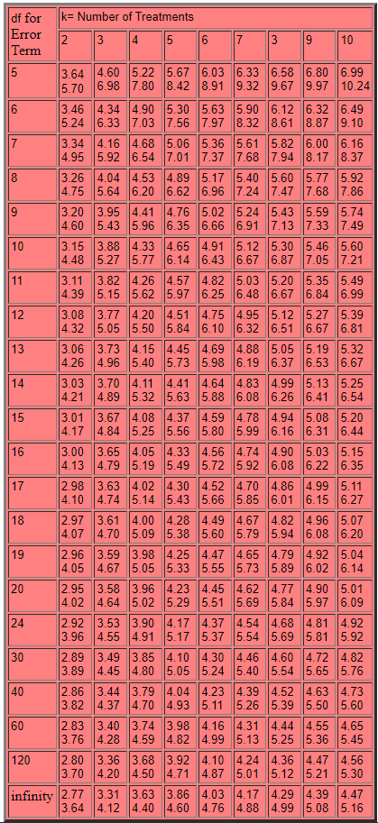
21 | 14.36 | Squash |  |  |  |  |  | Tukey's range test (Q-test)
$$q_{ij}=\frac{\left|{{\overline{x}}_{i}−\overline{x}}_{j}\right|}{\sqrt{s_{within}^{2}/(n−k)}} \sim studentised range(k, n−k)$$
22 | 8.74 | Casper | Group 1 | Group 2 | Difference | q-statistic | significance
23 | 35.46 | Gold | 1 | 2 | 1.0449 | 0.1733 | 0
24 | 12.19 | Giant | 1 | 3 | 0.5782 | 0.0959 | 0
25 | 7.31 | Casper | 1 | 4 | 6.8475 | 1.1353 | 0
26 | 4.61 | Gold | 2 | 3 | 0.4667 | 0.0774 | 0
27 | 13.54 | Giant | 2 | 4 | 5.8026 | 0.9621 | 0
28 | 6.85 | Giant | 3 | 4 | 6.2693 | 1.0395 | 0
29 | 34.26 | Gold
30 | 5.27 | Gold
31 | 8.46 | Gold
32 | 12.31 | Gold
33 | 3.28 | Casper
34 | 7.41 | Gold
35 | 5.74 | Gold
36 | 8.41 | Giant
37 | 5.71 | Casper
38 | 15.41 | Gold
39 | 8.04 | Gold
40 | 6.72 | Squash
41 | 13.21 | Casper
42 | 10.13 | Squash
43 | 5.47 | Casper
44 | 15.30 | Casper
45 | 4.28 | Squash
46 | 10.35 | Casper
47 | 5.87 | Giant
48 | 10.23 | Giant
49 | 9.33 | Giant
50 | 6.55 | Giant
51 | 13.68 | Giant
52 | 3.32 | Gold
53 | 7.72 | Gold
54 | 5.82 | Casper
55 | 4.49 | Gold
56 | 9.01 | Gold
57 | 4.90 | Casper
58 | 18.33 | Casper
59 | 5.36 | Giant
60 | 15.05 | Squash
61 | 4.30 | Gold
62 | 14.41 | Squash
63 | 4.50 | Casper
64 | 3.68 | Squash
65 | 24.30 | Giant
66 | 16.71 | Giant
67 | 6.62 | Casper
68 | 9.90 | Casper
69 | 6.62 | Gold
70 | 10.24 | Casper
71 | 28.70 | Giant
72 | 7.59 | Casper
73 | 2.89 | Gold
74 | 8.29 | Giant
75 | 9.15 | Casper
76 | 7.40 | Gold
77 | 8.91 | Giant
78 | 6.27 | Casper
79 | 11.83 | Gold
80 | 16.81 | Giant
81 | 14.49 | Giant
82 | 6.12 | Squash
83 | 6.33 | Casper
84 | 7.37 | Gold
85 | 3.48 | Casper
86 | 4.18 | Casper
87 | 11.51 | Giant
88 | 8.36 | Squash
89 | 11.01 | Giant
90 | 6.92 | Casper
91 | 4.30 | Squash
92 | 6.57 | Giant
93 | 5.25 | Casper
94 | 18.39 | Giant
95 | 14.43 | Casper
96 | 12.60 | Casper
97 | 15.55 | Squash
98 | 16.17 | Giant
99 | 3.25 | Squash
100 | 10.18 | Squash
101 | 8.70 | Squash
102 | 7.44 | Gold
103 | 31.95 | Giant
104 | 9.60 | Squash
105 | 6.10 | Gold
106 | 3.83 | Squash
107 | 8.87 | Casper
108 | 3.76 | Casper
109 | 6.19 | Gold
110 | 6.93 | Gold
111 | 9.05 | Gold
112 | 6.83 | Squash
113 | 9.13 | Squash
114 | 12.66 | Casper
115 | 18.76 | Giant
116 | 7.88 | Gold
117 | 10.68 | Giant
118 | 3.62 | Squash
119 | 24.57 | Giant
120 | 1.66 | Squash
121 | 5.68 | Squash
122 | 5.52 | Gold
123 | 6.97 | Gold
124 | 4.71 | Squash
125 | 9.16 | Squash
126 | 6.04 | Squash
127 | 5.50 | Squash
128 | 6.97 | Gold
129 | 8.29 | Casper
130 | 10.72 | Giant
131 | 22.20 | Giant
132 | 12.20 | Giant
133 | 7.32 | Squash
134 | 2.04 | Casper
135 | 12.54 | Casper
136 | 22.98 | Giant
137 | 6.64 | Casper
138 | 13.66 | Casper
139 | 6.30 | Gold
140 | 9.19 | Squash
141 | 39.15 | Giant
142 | 8.01 | Giant
143 | 9.14 | Giant
144 | 4.73 | Casper
145 | 5.61 | Gold
146 | 6.67 | Gold
147 | 9.54 | Casper
148 | 7.10 | Squash
149 | 3.75 | Casper
150 | 6.56 | Squash
151 | 18.95 | Giant
152 | 12.55 | Gold
153 | 19.02 | Squash
154 | 2.72 | Casper
155 | 30.98 | Giant
156 | 16.36 | Casper
157 | 3.51 | Casper
158 | 3.46 | Casper
159 | 6.92 | Giant
160 | 8.61 | Giant
161 | 5.11 | Casper
162 | 6.91 | Gold
163 | 9.19 | Squash
164 | 5.25 | Casper
165 | 20.98 | Giant
166 | 3.54 | Squash
167 | 2.02 | Squash
168 | 8.75 | Casper
169 | 5.83 | Squash
170 | 20.39 | Giant
171 | 11.12 | Squash
172 | 2.81 | Squash
173 | 6.73 | Gold
174 | 6.72 | Casper
175 | 4.44 | Casper
176 | 5.01 | Casper
177 | 2.62 | Squash
178 | 6.04 | Squash
179 | 5.09 | Gold
180 | 3.79 | Gold
181 | 7.02 | Giant
182 | 8.30 | Casper
183 | 24.86 | Squash
184 | 13.53 | Gold
185 | 5.89 | Giant
186 | 18.47 | Gold
187 | 3.27 | Gold
188 | 3.45 | Squash
189 | 3.21 | Squash
190 | 5.80 | Casper
191 | 10.07 | Giant
192 | 6.20 | Gold
193 | 3.26 | Casper
194 | 14.46 | Casper
195 | 25.37 | Casper
196 | 8.71 | Giant
197 | 9.28 | Giant
198 | 14.47 | Giant
199 | 14.33 | Casper
200 | 8.67 | Casper

