Sheet1
工程模板引脚使用情况——基于STM32RCT6

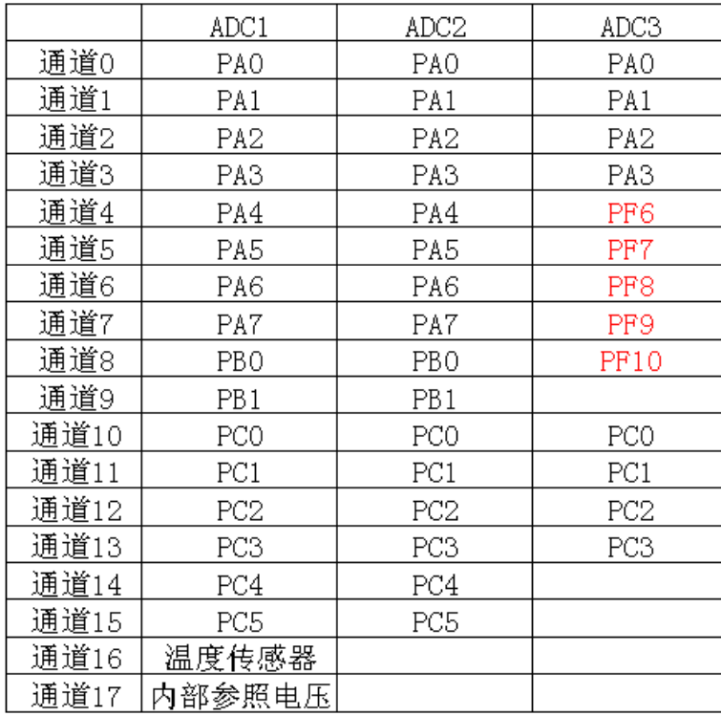
PA0 | TIM2_PWM1 | R_motor | PB0 |  |  | PC0 | ADC预留
PA1 | TIM2_PWM2 | L_motor | PB1 |  |  | PC1 | ADC预留
PA2 | UART2_TX |  | PB2 |  |  | PC2 | ADC预留
PA3 | UART2_RX |  | PB3 | IIC | OLED_SCL | PC3
PA4 |  |  | PB4 | IIC | OLED_SDA | PC4
PA5 |  |  | PB5 |  |  | PC5
PA6 | TIM3_编码器 | L_motor | PB6 | TIM4_编码器 | R_motor | PC6
PA7 | TIM3_编码器 | L_motor | PB7 | TIM4_编码器 | R_motor | PC7
PA8 |  |  | PB8 |  |  | PC8
PA9 | UART1_TX |  | PB9 |  |  | PC9
PA10 | UART1_RX |  | PB10 | IIC | MPU_SCL | PC10
PA11 | TIM1_PWM4 | Servo | PB11 | IIC | MPU_SDA | PC11 | INPUT | 倍数
PA12 |  |  | PB12 | OUTPUT | R_motor | PC12 | INPUT | KEY+
PA13 | SWDIO |  | PB13 | OUTPUT | R_motor | PC13 | INPUT | KEY-
PA14 | SWCLK |  | PB14 | OUTPUT | L_motor | PC14 | INPUT | MOD
PA15 | JTAG占用 |  | PB15 | OUTPUT | L_motor | PC15 | INPUT | OK

TIM1 | TIM2 | TIM3 | TIM4 | TIM5 | PB3/4PA15 需关JTAG
PWM | PWM | 编码器 | 编码器 | 定时

