Demands
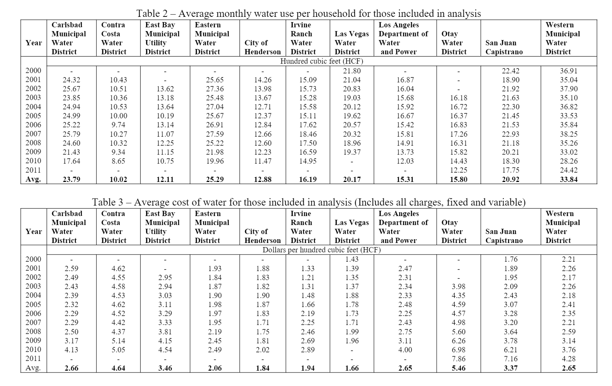
 | Monthly (HCF) | Annual (HCF) | Annual (AF) | Annual (AF)
CMWD | 23.79 | 285.48 | 0.6553735812 | 655373.5812
CCWD | 10.02 | 120.24 | 0.2760337656 | 276033.7656
EBMUD | 12.11 | 145.32 | 0.3336096708 | 333609.6708
EMWD | 25.29 | 303.48 | 0.6966960012 | 696696.0012
CH | 12.88 | 154.56 | 0.3548218464 | 354821.8464
IRWD | 16.19 | 194.28 | 0.4460066532 | 446006.6532
LVWD | 20.17 | 242.04 | 0.5556488076 | 555648.8076
LADWP | 15.31 | 183.72 | 0.4217641668 | 421764.1668
OWD | 15.8 | 189.6 | 0.435262824 | 435262.824
SJC | 20.92 | 251.04 | 0.5763100176 | 576310.0176
WMWD | 33.94 | 407.28 | 0.9349886232 | 934988.6232

Charts
2040 | D-D | D-S | A-SD | A-SH | A-SE | D-D | D-S | D-SD | D-SH | D-SE
1.00E+06 | 3386790 | 3982502 | -799796 | -530890 | 0 | 4603796 | 3542280.313 | -2111254 | -2172096 | 0
2.00E+05 | 3382264 | 4597531 | -621238 | -349768 | 0 | 4569804 | 3376487.375 | -2091511.656 | -2131397.578 | 0
 | 3438200 | 4502519 | -583668 | -135218 | 0 | 4446548 | 3119713.438 | -2010462.906 | -2042600.312 | 0
 | 3462099 | 4492047 | -578262 | -75343 | 0 | 4558560 | 3041532.063 | -1991739.375 | -2020974.187 | 0
 | 3266360 | 3562047 | -534339 | 0 | 0 | 4587160 | 2908667.625 | -1916133.531 | -1916456.625 | 0
 | 3429546 | 4203330 | -496063 | 0 | 0 | 4704236 | 3102450.5 | -1910436 | -1845090.062 | 0
 | 3441738 | 4142574 | -405802 | 0 | 0 | 4631356 | 3273310.313 | -1892620.484 | -1817398.406 | 0
 | 3353724 | 3677872 | -379438 | 0 | 0 | 4604000 | 3778840.563 | -1858100.594 | -1811722.375 | 0
 | 3433612 | 3373771 | -352179 | 0 | 0 | 4588704 | 3263351.75 | -1831490.594 | -1788670.781 | 0
 | 3453888 | 3186794 | -317915 | 0 | 0 | 4592828 | 3187703.375 | -1728553.781 | -1764577.5 | 0
 | 3501133 | 3446657 | -287595 | 0 | 0 | 4426766 | 2926994.125 | -1722601.281 | -1758752.562 | 0
 | 3448890 | 3798041 | -285569 | 0 | 0 | 4670155 | 3484091.25 | -1676714.062 | -1751328.617 | 0
 | D-SD | D-SH
 | -2111254.453 | -2172095.937
 | -2091511.656 | -2131397.578
 | -2010462.906 | -2042600.312
 | -1991739.375 | -2020974.187
 | -1916133.531 | -1916456.625
 | -1910436 | -1845090.062
 | -1892620.484 | -1817398.406
 | -1858100.594 | -1811722.375
 | -1831490.594 | -1788670.781
 | -1728553.781 | -1764577.5
 | -1722601.281 | -1758752.562
 | -1676714.062 | -1751328.617
 | -1674531.875 | -1716738.562
 | -1671202.656 | -1700602.187
 | -1666871.812 | -1696279.156
 | -1663318.344 | -1695407.375
 | -1645583.609 | -1672103.703
 | -1621964.187 | -1659459.5
 | -1616721.75 | -1654354.187
 | -1604520.125 | -1640732.656
 | -1593990.531 | -1637138.875
 | -1578521.062 | -1618735.656
 | -1559817.875 | -1618607
 | -1553125.5 | -1597599.5
 | -1538201.562 | -1589899.937
 | -1531499.937 | -1580527.562
 | -1506653.062 | -1578593.875
 | -1498350.5 | -1559080.781
 | -1494019.344 | -1546949.062
 | -1493976.062 | -1536328.5
 | -1457122.187 | -1534597.562
 | -1455899.281 | -1521823.75
 | -1441165.844 | -1476581.906
 | -1434656.531 | -1465986.875
 | -1428919.906 | -1453818
 | -1415884.812 | -1442759.125
 | -1394772.187 | -1438245.875
 | -1378159.156 | -1432687
 | -1360390.437 | -1411369.875
 | -1356983.812 | -1406877.25
 | -1349772.062 | -1400476.625
 | -1332549.406 | -1366152.187
 | -1321621.687 | -1363999.375
 | -1319759.562 | -1363784.25
 | -1315792.375 | -1355643.437
 | -1299306.5 | -1342060.625
 | -1296432.625 | -1319592.687
 | -1274830.937 | -1301680.812
 | -1252837.187 | -1293484.062
 | -1226828.562 | -1269950.125
...
 | 3429615 | 4288826 | -237933 | 0 | 0 | 4588106 | 3258955.375 | -1674531.875 | -1716738.562 | 0
 | 3418665 | 4182409 | -230692 | 0 | 0 | 4564059 | 3700722.563 | -1671202.656 | -1700602.187 | 0
 | 3457789 | 4039171 | -211854 | 0 | 0 | 4607007 | 3063008.438 | -1666871.812 | -1696279.156 | 0
 | 3339844 | 3561141 | -160073 | 0 | 0 | 4600942 | 2925480.5 | -1663318.344 | -1695407.375 | 0
 | 3476748 | 4384683 | -134642 | 0 | 0 | 4537296 | 2694716.688 | -1645583.609 | -1672103.703 | 0
 | 3454472 | 4081412 | -101473 | 0 | 0 | 4779672 | 3108402 | -1621964.187 | -1659459.5 | 0
 | 3437239 | 4632779 | -78512 | 0 | 0 | 4689983 | 3308554.875 | -1616721.75 | -1654354.187 | 0
 | 3467990 | 3905078 | -56309 | 0 | 0 | 4737242 | 3003745 | -1604520.125 | -1640732.656 | 0
 | 3463577 | 3380102 | -29214 | 0 | 0 | 4541014 | 3232453.375 | -1593990.531 | -1637138.875 | 0
 | 3418468 | 2983628 | -19900 | 0 | 0 | 4578431 | 3255680.813 | -1578521.062 | -1618735.656 | 0
 | 3554756 | 3592934 | -13381 | 0 | 0 | 4622277 | 3689220.688 | -1559817.875 | -1618607 | 0
 | 3490770 | 3826509 | -7588 | 0 | 0 | 4471044 | 3320605.75 | -1553125.5 | -1597599.5 | 0
 | 3524382 | 3450097 | 12729 | 0 | 0 | 4621759 | 3797023.125 | -1538201.562 | -1589899.937 | 0
 | 3420954 | 3626879 | 19936 | 0 | 0 | 4523606 | 3375068.188 | -1531499.937 | -1580527.562 | 0
 | 3447507 | 3785014 | 33197 | 0 | 0 | 4684315 | 3047059.5 | -1506653.062 | -1578593.875 | 0
 | 3442593 | 4217621 | 64273 | 0 | 0 | 4487498 | 3131019.438 | -1498350.5 | -1559080.781 | 0
 | 3371074 | 3967582 | 76943 | 0 | 0 | 4676674 | 3340969.375 | -1494019.344 | -1546949.062 | 0
 | 3478923 | 4437117 | 79001 | 0 | 0 | 4644584 | 3616794.625 | -1493976.062 | -1536328.5 | 0
 | 3408762 | 4031636 | 85709 | 0 | 0 | 4711471 | 3440673.75 | -1457122.187 | -1534597.562 | 0
 | 3486844 | 3439945 | 99654 | 0 | 0 | 4548298 | 3083701.938 | -1455899.281 | -1521823.75 | 0
 | 3383124 | 3627708 | 105743 | 0 | 0 | 4628050 | 2457316.422 | -1441165.844 | -1476581.906 | 0
 | 3517598 | 3816118 | 128800 | 0 | 15877 | 4526204 | 3606157.313 | -1434656.531 | -1465986.875 | 0
 | 3458583 | 4357829 | 138140 | 0 | 22343 | 4630576 | 3461929.313 | -1428919.906 | -1453818 | 0
 | 3506070 | 4080469 | 144620 | 0 | 32220 | 4588639 | 3635616.688 | -1415884.812 | -1442759.125 | 0
 | 3426231 | 3582649 | 165158 | 0 | 82155 | 4414442 | 3288787.875 | -1394772.187 | -1438245.875 | 0
 | 3482986 | 2649961 | 176421 | 0 | 85519 | 4579653 | 3813103.125 | -1378159.156 | -1432687 | 0
 | 3374038 | 4056218 | 182044 | 0 | 88865 | 4526994 | 4011433.5 | -1360390.437 | -1411369.875 | 0
 | 3488239 | 4333701 | 243321 | 0 | 102805 | 4731472 | 3892698.25 | -1356983.812 | -1406877.25 | 0
 | 3454975 | 4250253 | 260214 | 0 | 119877 | 4541006 | 3770262.313 | -1349772.062 | -1400476.625 | 0
 | 3331164 | 4089013 | 311381 | 0 | 131204 | 4368164 | 3873013.813 | -1332549.406 | -1366152.187 | 0
 | 3448802 | 4670844 | 318220 | 0 | 133775 | 4777655 | 3222788.125 | -1321621.687 | -1363999.375 | 0
 | 3411295 | 4673622 | 345476 | 0 | 147781 | 4665412 | 2902926.383 | -1319759.562 | -1363784.25 | 0
 | 3560161 | 4447987 | 358864 | 0 | 185206 | 4575099 | 3262935 | -1315792.375 | -1355643.437 | 0
 | 3420994 | 4268339 | 360906 | 0 | 262622 | 4634083 | 2812660.375 | -1299306.5 | -1342060.625 | 0
 | 3298186 | 4283033 | 395070 | 0 | 282607 | 4654181 | 3010670.219 | -1296432.625 | -1319592.687 | 0
 | 3553600 | 3524798 | 412723 | 0 | 314544 | 4716678 | 2990214.344 | -1274830.937 | -1301680.812 | 0
 | 3473411 | 3000233 | 434206 | 0 | 321370 | 4729042 | 3684364.875 | -1252837.187 | -1293484.062 | 0
 | 3445325 | 3669691 | 486020 | 0 | 341897 | 4569676 | 3187886.125 | -1226828.562 | -1269950.125 | 0
 | 3451054 | 2934957 | 500120 | 0 | 348094 | 4608876 | 4151299.125 | -1198961.75 | -1263427.562 | 0
 | 3501574 | 3198342 | 519339 | 0 | 362253 | 4493650 | 4012909.188 | -1176320.75 | -1238836.625 | 0
 | 3509828 | 3112799 | 524920 | 0 | 363320 | 4653798 | 3877110.813 | -1173457.25 | -1235459.25 | 0
 | 3518622 | 4113522 | 534374 | 0 | 373710 | 4478651 | 4139856.125 | -1170651.25 | -1219376.25 | 0
 | 3441336 | 3452175 | 540990 | 0 | 384590 | 4673650 | 3748750.25 | -1167897.437 | -1214343 | 0
 | 3469492 | 4671177 | 547665 | 0 | 413078 | 4718784 | 3646721.813 | -1164649.375 | -1209974.75 | 0
 | 3387605 | 4476370 | 589918 | 0 | 415132 | 4396910 | 3214843.625 | -1141782.062 | -1207403.625 | 0
 | 3465011 | 4313163 | 610069 | 0 | 489178 | 4653663 | 3219766.094 | -1101288.187 | -1180274.187 | 0
 | 3376814 | 4664607 | 623070 | 0 | 497087 | 4678462 | 3376109 | -1087001 | -1160746.625 | 0
 | 3515490 | 4368552 | 693928 | 0 | 502533 | 4578768 | 3444702.813 | -1074728.5 | -1153954.562 | 0
 | 3511681 | 4229779 | 710927 | 0 | 522507 | 4696274 | 3920072.313 | -1071401.562 | -1146499.25 | 0
 | 3318586 | 3463321 | 711578 | 0 | 527333 | 4590377 | 4151318.75 | -1037453.625 | -1122989.75 | 0
 | 3464952 | 3575593 | 716369 | 0 | 537541 | 4624902 | 3227744.594 | -1012935.125 | -1117798.687 | 0
 | 3518690 | 3769099 | 722664 | 0 | 543660 | 4431028 | 2962172.813 | -1003982.312 | -1085605.25 | 0
 | 3447860 | 3837065 | 729476 | 0 | 550662 | 4678658 | 2941592.438 | -984782.25 | -1031815.187 | 0
 | 3495159 | 3949402 | 730381 | 0 | 578559 | 4745068 | 3290289.25 | -972799.875 | -1016354.687 | 0
 | 3456090 | 4543849 | 758914 | 0 | 593070 | 4712700 | 3660746.063 | -959395.562 | -1011329.375 | 0
 | 3480688 | 3242382 | 775397 | 0 | 613215 | 4700269 | 3033451.5 | -901909.125 | -1000726.687 | 0
 | 3343099 | 3263110 | 792055 | 0 | 714083 | 4500176 | 2887986.938 | -855583.25 | -944457.125 | 0
 | 3518982 | 3645161 | 800859 | 0 | 714720 | 4532980 | 2683318.063 | -849855 | -904987.75 | 0
 | 3529944 | 3767152 | 804515 | 0 | 719530 | 4692837 | 2703522.813 | -846115.312 | -895224.687 | 0
 | 3543444 | 4202381 | 807479 | 0 | 725814 | 4733002 | 3095849.813 | -845805.437 | -891492.75 | 0
 | 3498250 | 3431312 | 813922 | 0 | 778424 | 4855339 | 3989516 | -843019.187 | -891451.312 | 0
 | 3392033 | 3229925 | 842811 | 0 | 804664 | 4724422 | 3485593.875 | -836335.312 | -885031.75 | 0
 | 3415393 | 2978797 | 844034 | 0 | 807526 | 4750128 | 3478227.75 | -822040.062 | -882653.625 | 0
 | 3492904 | 2926462 | 870039 | 0 | 811299 | 4677739 | 2929993.297 | -795322.25 | -872308.937 | 0
 | 3521402 | 3485926 | 880735 | 0 | 816942 | 4429808 | 3052409.25 | -788610.437 | -841748.187 | 0
 | 3608688 | 4645755 | 890146 | 0 | 845842 | 4574652 | 3018847.125 | -784024 | -836647.437 | 0
 | 3515440 | 3884737 | 901990 | 0 | 847053 | 4602022 | 3574469.375 | -783462.187 | -834460.312 | 0
 | 3570070 | 4013474 | 908840 | 0 | 884525 | 4574158 | 3343774.75 | -773870.625 | -815223.687 | 0
 | 3518726 | 3104876 | 910728 | 0 | 906387 | 4506945 | 2729498.219 | -770397.5 | -809399.125 | 0
 | 3342045 | 3242912 | 922550 | 0 | 911993 | 4456878 | 2581124.344 | -767675.625 | -777414.25 | 0
 | 3408600 | 3530376 | 953397 | 0 | 913144 | 4613076 | 2813147.625 | -656449.937 | -702160.187 | 0
 | 3428000 | 4226236 | 966191 | 0 | 926335 | 4618094 | 2992077.75 | -639854.25 | -690656.875 | 0
 | 3408177 | 4153531 | 1004302 | 0 | 955813 | 4571782 | 3222193.125 | -636978.937 | -688297 | 0
 | 3396663 | 3332947 | 1055424 | 0 | 969361 | 4624795 | 2672471.844 | -629926.5 | -677978.875 | 0
 | 3361210 | 3058197 | 1058436 | 0 | 1006709 | 4527462 | 3613755.25 | -625862.75 | -660815.812 | 0
 | 3436098 | 3446941 | 1078826 | 0 | 1029562 | 4550712 | 3227912.938 | -611951.375 | -649836.312 | 0
 | 3439640 | 3475769 | 1080792 | 0 | 1058082 | 4618677 | 3492056.313 | -607213.125 | -648169.437 | 0
 | 3442843 | 3487709 | 1082349 | 0 | 1060849 | 4505124 | 3824107.563 | -600678.312 | -546251.312 | 0
 | 3480684 | 3065284 | 1219371 | 0 | 1221456 | 4621322 | 3174059.438 | -595474.5 | -516963.687 | 0
 | 3375218 | 4150038 | 1285646 | 0 | 1222394 | 4492622 | 3285065.438 | -499486.75 | -327597.875 | 0
 | 3427895 | 3973897 | 1335483 | 0 | 1337857 | 4486394 | 3787925.688 | -275583.625 | -317480.5 | 0
 | 3476360 | 4186264 | 1338951 | 0 | 1341361 | 4564793 | 3708670.688 | -265420.875 | -312514.437 | 0
 | 3395554 | 4716783 | 1350402 | 0 | 1352814 | 4598418 | 3720042.688 | -258259.5 | -257294.875 | 0
 | 3478298 | 3973960 | 1579817 | 0 | 1382191 | 4323604 | 3141148.563 | -203776.812

