Shortage Distributions
 |  |  | Low |  | Mid |  | High
Shortage Level | Bound (<=) | Mid-Point | F(p) | f(p) | F(p) | f(p) | F(p) | f(p)
7 | 2.625 | 2.438 | 0.00 | 0.00 | 0.00 | 0.000 | 0.03 | 0.03
6 | 2.25 | 2.06 | 0.00 | 0.00 | 0.00 | 0.000 | 0.15 | 0.15
5 | 1.875 | 1.69 | 0.00 | 0.00 | 0.00 | 0.000 | 0.37 | 0.23
4 | 1.5 | 1.31 | 0.00 | 0.00 | 0.08 | 0.078 | 0.69 | 0.31
3 | 1.125 | 0.94 | 0.03 | 0.03 | 0.24 | 0.157 | 0.87 | 0.19
2 | 0.75 | 0.56 | 0.09 | 0.06 | 0.48 | 0.245 | 0.96 | 0.09
1 | 0.375 | 0.19 | 0.15 | 0.06 | 0.56 | 0.078 | 0.99 | 0.03
No Shortage | <=0 | <=0 | 1.00 | 0.85 | 1.00 | 0.441 | 1.00 | 0.01
Shortage Discretization | 0.375

 | High |  | Mid |  | Low
2.465 | 0.020 | 1.512 | 0.020 | 1.000 | 0.020
2.432 | 0.029 | 1.478 | 0.029 | 0.933 | 0.029
2.399 | 0.039 | 1.445 | 0.039 | 0.867 | 0.039
2.365 | 0.049 | 1.412 | 0.049 | 0.800 | 0.049
2.332 | 0.059 | 1.378 | 0.059 | 0.733 | 0.059
2.299 | 0.069 | 1.345 | 0.069 | 0.667 | 0.069
2.265 | 0.078 | 1.312 | 0.078 | 0.600 | 0.078
2.232 | 0.088 | 1.278 | 0.088 | 0.533 | 0.088
2.199 | 0.098 | 1.245 | 0.098 | 0.467 | 0.098
2.165 | 0.108 | 1.212 | 0.108 | 0.400 | 0.108
2.132 | 0.118 | 1.178 | 0.118 | 0.333 | 0.118
2.099 | 0.127 | 1.145 | 0.127 | 0.267 | 0.127
2.065 | 0.137 | 1.112 | 0.137 | 0.200 | 0.137
2.032 | 0.147 | 1.078 | 0.147 | 0.133 | 0.147
1.999 | 0.157 | 1.045 | 0.157 | 0.067 | 0.157
1.965 | 0.167 | 1.030 | 0.167 | 0.000 | 0.167
1.932 | 0.176 | 1.015 | 0.176 | 0.000 | 0.167
1.899 | 0.186 | 1.000 | 0.186 | 0.000 | 0.167
1.887 | 0.196 | 0.985 | 0.196 | 0.000 | 0.167
1.875 | 0.206 | 0.970 | 0.206 | 0.000 | 0.167
1.864 | 0.216 | 0.955 | 0.216 | 0.000 | 0.167
1.852 | 0.225 | 0.940 | 0.225 | 0.000 | 0.167
1.840 | 0.235 | 0.925 | 0.235 | 0.000 | 0.167
1.829 | 0.245 | 0.910 | 0.245 | 0.000 | 0.167
1.817 | 0.255 | 0.895 | 0.255 | 0.000 | 0.167
1.805 | 0.265 | 0.880 | 0.265 | 0.000 | 0.167
1.794 | 0.275 | 0.865 | 0.275 | 0.000 | 0.167
1.782 | 0.284 | 0.850 | 0.284 | 0.000 | 0.167
1.770 | 0.294 | 0.835 | 0.294 | 0.000 | 0.167
1.759 | 0.304 | 0.820 | 0.304 | 0.000 | 0.167
1.747 | 0.314 | 0.805 | 0.314 | 0.000 | 0.167
1.735 | 0.324 | 0.790 | 0.324 | 0.000 | 0.167
1.724 | 0.333 | 0.775 | 0.333 | 0.000 | 0.167
1.712 | 0.343 | 0.760 | 0.343 | 0.000 | 0.167
1.700 | 0.353 | 0.745 | 0.353 | 0.000 | 0.167
1.689 | 0.363 | 0.730 | 0.363 | 0.000 | 0.167
1.677 | 0.373 | 0.715 | 0.373 | 0.000 | 0.167
1.665 | 0.382 | 0.700 | 0.382 | 0.000 | 0.167
1.654 | 0.392 | 0.685 | 0.392 | 0.000 | 0.167
1.642 | 0.402 | 0.670 | 0.402 | 0.000 | 0.167
1.630 | 0.412 | 0.655 | 0.412 | 0.000 | 0.167
1.619 | 0.422 | 0.640 | 0.422 | 0.000 | 0.167
1.607 | 0.431 | 0.625 | 0.431 | 0.000 | 0.167
1.595 | 0.441 | 0.610 | 0.441 | 0.000 | 0.167
1.584 | 0.451 | 0.595 | 0.451 | 0.000 | 0.167
1.572 | 0.461 | 0.580 | 0.461 | 0.000 | 0.167
1.560 | 0.471 | 0.565 | 0.471 | 0.000 | 0.167
1.549 | 0.480 | 0.550 | 0.480 | 0.000 | 0.167
1.537 | 0.490 | 0.535 | 0.490 | 0.000 | 0.167
1.525 | 0.500 | 0.520 | 0.500 | 0.000 | 0.167
...

Sheet5
capacity | cost
89 | 931,138
109 | 122,422
119 | 47,518
129 | 15,272
134 | 6,307
139 | 0

Low
 | Low
Rank | Sh | P (r+1/n+2) | 0.067
1 | 1.000 | 0.020
2 | 0.933 | 0.029
3 | 0.867 | 0.039
4 | 0.800 | 0.049
5 | 0.733 | 0.059
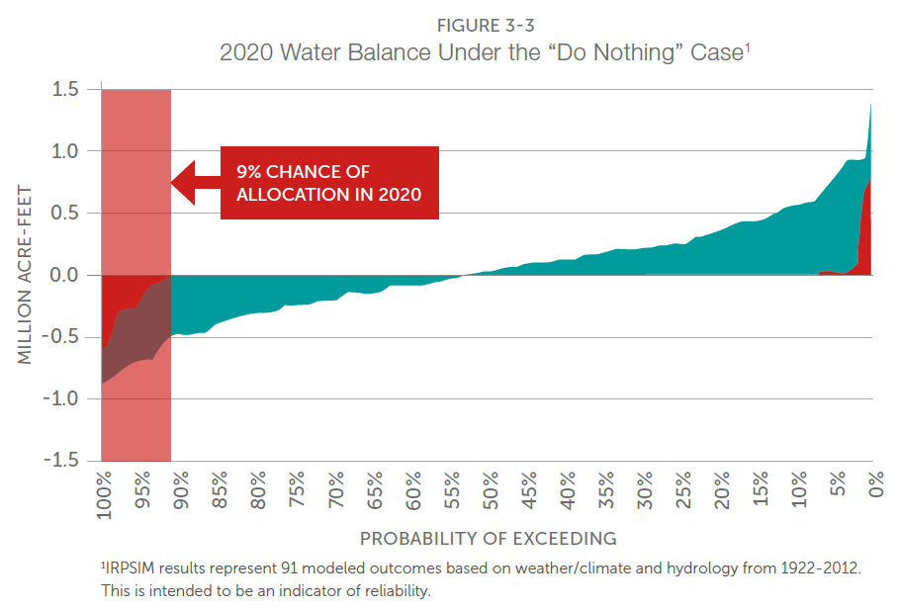
New Shortages
New Storage Balance
Low Demand / High Supply
6 | 0.667 | 0.069
7 | 0.600 | 0.078
8 | 0.533 | 0.088
9 | 0.467 | 0.098
10 | 0.400 | 0.108
11 | 0.333 | 0.118
12 | 0.267 | 0.127
13 | 0.200 | 0.137
14 | 0.133 | 0.147
15 | 0.067 | 0.157
16 | 0.000 | 0.167
16 | 0.000 | 0.167
16 | 0.000 | 0.167
16 | 0.000 | 0.167
16 | 0.000 | 0.167
16 | 0.000 | 0.167
16 | 0.000 | 0.167
16 | 0.000 | 0.167
16 | 0.000 | 0.167
16 | 0.000 | 0.167
16 | 0.000 | 0.167
16 | 0.000 | 0.167
16 | 0.000 | 0.167
16 | 0.000 | 0.167
16 | 0.000 | 0.167
16 | 0.000 | 0.167
16 | 0.000 | 0.167
16 | 0.000 | 0.167
16 | 0.000 | 0.167
16 | 0.000 | 0.167
16 | 0.000 | 0.167
16 | 0.000 | 0.167
16 | 0.000 | 0.167
16 | 0.000 | 0.167
16 | 0.000 | 0.167
16 | 0.000 | 0.167
16 | 0.000 | 0.167
16 | 0.000 | 0.167
16 | 0.000 | 0.167
16 | 0.000 | 0.167
16 | 0.000 | 0.167
16 | 0.000 | 0.167
16 | 0.000 | 0.167
16 | 0.000 | 0.167
16 | 0.000 | 0.167
16 | 0.000 | 0.167
16 | 0.000 | 0.167
16 | 0.000 | 0.167
16 | 0.000 | 0.167
16 | 0.000 | 0.167
16 | 0.000 | 0.167
16 | 0.000 | 0.167
16 | 0.000 | 0.167
16 | 0.000 | 0.167
16 | 0.000 | 0.167
16 | 0.000 | 0.167
16 | 0.000 | 0.167
16 | 0.000 | 0.167
16 | 0.000 | 0.167
16 | 0.000 | 0.167
16 | 0.000 | 0.167
16 | 0.000 | 0.167
16 | 0.000 | 0.167
16 | 0.000 | 0.167
16 | 0.000 | 0.167
16 | 0.000 | 0.167
16 | 0.000 | 0.167
16 | 0.000 | 0.167
16 | 0.000 | 0.167
16 | 0.000 | 0.167
16 | 0.000 | 0.167
16 | 0.000 | 0.167
16 | 0.000 | 0.167
16 | 0.000 | 0.167
16 | 0.000 | 0.167
16 | 0.000 | 0.167
16 | 0.000 | 0.167
16 | 0.000 | 0.167
16 | 0.000 | 0.167
16 | 0.000 | 0.167
16 | 0.000 | 0.167
16 | 0.000 | 0.167
16 | 0.000 | 0.167
16 | 0.000 | 0.167
16 | 0.000 | 0.167
16 | 0.000 | 0.167
16 | 0.000 | 0.167
16 | 0.000 | 0.167
16 | 0.000 | 0.167
16 | 0.000 | 0.167
16 | 0.000 | 0.167
16 | 0.000 | 0.167
16 | 0.000 | 0.167
16 | 0.000 | 0.167
16 | 0.000 | 0.167

Mid
 | Mid
Rank | Sh | P (r+1/n+2) | 0.033
1 | 1.512 | 0.020 | 0.014
2 | 1.478 | 0.029 | 0.065
3 | 1.445 | 0.039
4 | 1.412 | 0.049
5 | 1.378 | 0.059
New Storage Balance
New Shortages
Mid Demand / ~Same Supply
6 | 1.345 | 0.069
7 | 1.312 | 0.078
8 | 1.278 | 0.088
9 | 1.245 | 0.098
10 | 1.212 | 0.108
11 | 1.178 | 0.118
12 | 1.145 | 0.127
13 | 1.112 | 0.137
14 | 1.078 | 0.147
15 | 1.045 | 0.157
16 | 1.030 | 0.167
17 | 1.015 | 0.176
18 | 1.000 | 0.186
19 | 0.985 | 0.196
20 | 0.970 | 0.206
21 | 0.955 | 0.216
22 | 0.940 | 0.225
23 | 0.925 | 0.235
24 | 0.910 | 0.245
25 | 0.895 | 0.255
26 | 0.880 | 0.265
27 | 0.865 | 0.275
28 | 0.850 | 0.284
29 | 0.835 | 0.294
30 | 0.820 | 0.304
31 | 0.805 | 0.314
32 | 0.790 | 0.324
33 | 0.775 | 0.333
34 | 0.760 | 0.343
35 | 0.745 | 0.353
36 | 0.730 | 0.363
37 | 0.715 | 0.373
38 | 0.700 | 0.382
39 | 0.685 | 0.392
40 | 0.670 | 0.402
41 | 0.655 | 0.412
42 | 0.640 | 0.422
43 | 0.625 | 0.431
44 | 0.610 | 0.441
45 | 0.595 | 0.451
46 | 0.580 | 0.461
47 | 0.565 | 0.471
48 | 0.550 | 0.480
49 | 0.535 | 0.490
50 | 0.520 | 0.500
51 | 0.455 | 0.510
52 | 0.390 | 0.520
53 | 0.325 | 0.529
54 | 0.260 | 0.539
55 | 0.195 | 0.549
56 | 0.130 | 0.559
57 | 0.065 | 0.569
58 | 0.000 | 0.578
58 | 0.000 | 0.578
58 | 0.000 | 0.578
58 | 0.000 | 0.578
58 | 0.000 | 0.578
58 | 0.000 | 0.578
58 | 0.000 | 0.578
58 | 0.000 | 0.578
58 | 0.000 | 0.578
58 | 0.000 | 0.578
58 | 0.000 | 0.578
58 | 0.000 | 0.578
58 | 0.000 | 0.578
58 | 0.000 | 0.578
58 | 0.000 | 0.578
58 | 0.000 | 0.578
58 | 0.000 | 0.578
58 | 0.000 | 0.578
58 | 0.000 | 0.578
58 | 0.000 | 0.578
58 | 0.000 | 0.578
58 | 0.000 | 0.578
58 | 0.000 | 0.578
58 | 0.000 | 0.578
58 | 0.000 | 0.578
58 | 0.000 | 0.578
58 | 0.000 | 0.578
58 | 0.000 | 0.578
58 | 0.000 | 0.578
58 | 0.000 | 0.578
58 | 0.000 | 0.578
58 | 0.000 | 0.578
58 | 0.000 | 0.578
58 | 0.000 | 0.578
58 | 0.000 | 0.578
58 | 0.000 | 0.578
58 | 0.000 | 0.578
58 | 0.000 | 0.578
58 | 0.000 | 0.578
58 | 0.000 | 0.578
58 | 0.000 | 0.578
58 | 0.000 | 0.578
58 | 0.000 | 0.578

High
 | High
Rank | Sh | P (r+1/n+2) | 0.033 | 0.057
1 | 2.465 | 0.020 | 0.014 | 0.023529411765
2 | 2.432 | 0.029 | 0.065 | 0.011666666667
3 | 2.399 | 0.039 |  | 0.033333333333
4 | 2.365 | 0.049
5 | 2.332 | 0.059
New Shortages
High Demand / Low Supply
6 | 2.299 | 0.069
7 | 2.265 | 0.078
8 | 2.232 | 0.088
9 | 2.199 | 0.098
10 | 2.165 | 0.108
11 | 2.132 | 0.118
12 | 2.099 | 0.127
13 | 2.065 | 0.137
14 | 2.032 | 0.147
15 | 1.999 | 0.157
16 | 1.965 | 0.167
17 | 1.932 | 0.176
18 | 1.899 | 0.186
19 | 1.887 | 0.196
20 | 1.875 | 0.206
21 | 1.864 | 0.216
22 | 1.852 | 0.225
23 | 1.840 | 0.235
24 | 1.829 | 0.245
25 | 1.817 | 0.255
26 | 1.805 | 0.265
27 | 1.794 | 0.275
28 | 1.782 | 0.284
29 | 1.770 | 0.294
30 | 1.759 | 0.304
31 | 1.747 | 0.314
32 | 1.735 | 0.324
33 | 1.724 | 0.333
34 | 1.712 | 0.343
35 | 1.700 | 0.353
36 | 1.689 | 0.363
37 | 1.677 | 0.373
38 | 1.665 | 0.382
39 | 1.654 | 0.392
40 | 1.642 | 0.402
41 | 1.630 | 0.412
42 | 1.619 | 0.422
43 | 1.607 | 0.431
44 | 1.595 | 0.441
45 | 1.584 | 0.451
46 | 1.572 | 0.461
47 | 1.560 | 0.471
48 | 1.549 | 0.480
49 | 1.537 | 0.490
50 | 1.525 | 0.500
51 | 1.514 | 0.510
52 | 1.502 | 0.520
53 | 1.490 | 0.529
54 | 1.479 | 0.539
55 | 1.467 | 0.549
56 | 1.455 | 0.559
57 | 1.444 | 0.569
58 | 1.432 | 0.578
59 | 1.420 | 0.588
60 | 1.409 | 0.598
61 | 1.397 | 0.608
62 | 1.385 | 0.618
63 | 1.374 | 0.627
64 | 1.362 | 0.637
65 | 1.350 | 0.647
66 | 1.339 | 0.657
67 | 1.327 | 0.667
68 | 1.315 | 0.676
69 | 1.304 | 0.686
70 | 1.292 | 0.696
71 | 1.280 | 0.706
72 | 1.269 | 0.716
73 | 1.257 | 0.725
74 | 1.245 | 0.735
75 | 1.234 | 0.745
76 | 1.210 | 0.755
77 | 1.187 | 0.765
78 | 1.163 | 0.775
79 | 1.139 | 0.784
80 | 1.116 | 0.794
81 | 1.092 | 0.804
82 | 1.069 | 0.814
83 | 1.045 | 0.824
84 | 1.022 | 0.833
85 | 0.998 | 0.843
86 | 0.975 | 0.853
87 | 0.951 | 0.863
88 | 0.928 | 0.873
89 | 0.904 | 0.882
90 | 0.881 | 0.892
91 | 0.857 | 0.902
92 | 0.800 | 0.912
93 | 0.743 | 0.922
94 | 0.686 | 0.931
95 | 0.629 | 0.941
96 | 0.571 | 0.951
97 | 0.514 | 0.961
98 | 0.457 | 0.971
99 | 0.400 | 0.980
100 | 0.000 | 0.990

