Test Set Up
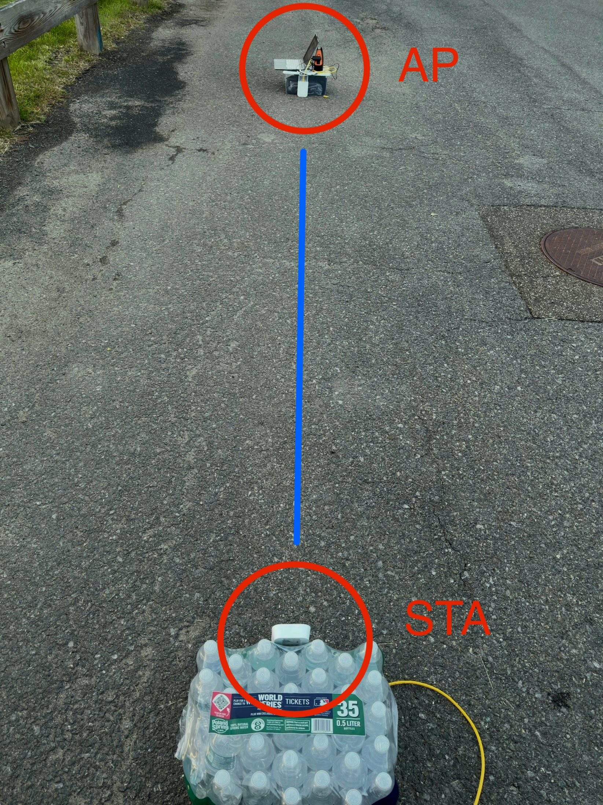
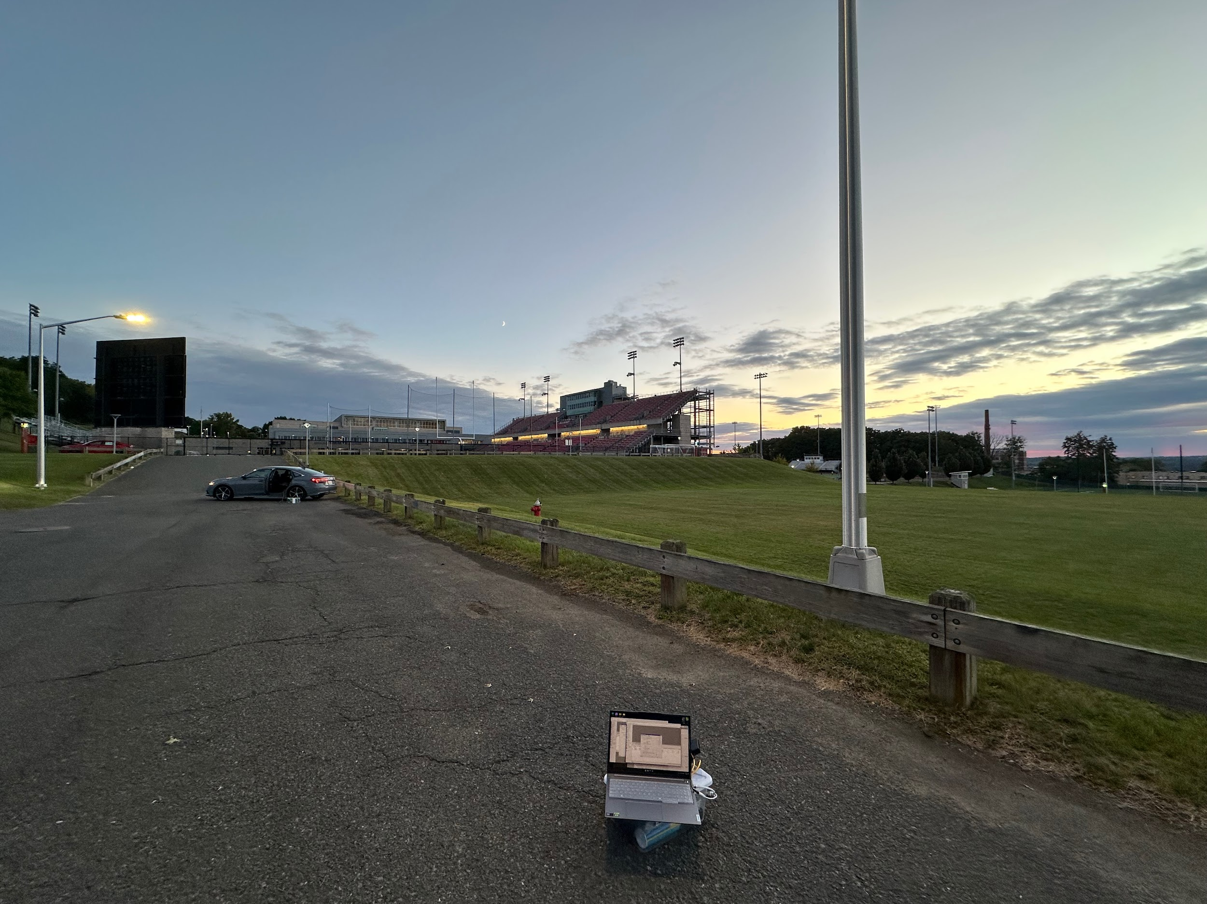

Overall Trend
Distance apart (m) | tx-mcs | signal (100 is Strongest) | rssi | tx-sector | station estimated distance (m) | tx-packet-error-rate
5 | 8.00 | 95.00 | -51.00 | 36.00 | 5.31 | 3.44
10 | 7.49 | 89.88 | -52.05 | 23.02 | 10.34 | 4.77
20 | 7.02 | 90.12 | -52.67 | 35.77 | 20.55 | 5.91
30 | 6.51 | 88.14 | -51.95 | 26.00 | 30.68 | 4.02
40 | 7.67 | 90.70 | -54.93 | 26.93 | 40.75 | 2.14
50 | 5.98 | 67.44 | -61.00 | 30.65 | 51.43 | 4.51

tx-mcs vs. Distance apart(m)
Distance apart (m) and signal strength

rssi vs. Distance apart (m)
tx-packet-error-rate vs. Distance apart (m)

