Overall Trend
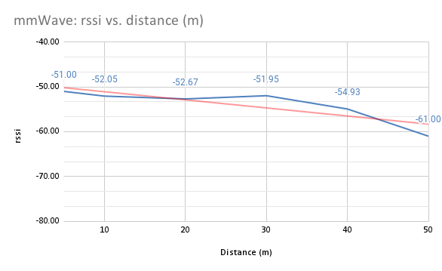
connected | distance (m) | frequency | rssi | tx-packet-error-rate | Sheet
TRUE | 5.32 | 58320 | -52.5077 | 9.523077 | mikrotik_data_5_3
TRUE | 10.51 | 58320 | -53.0484 | 5.112903 | mikrotik_data_10_2
TRUE | 20.89 | 58320 | -53.9787 | 3 | mikrotik_data_20_2
TRUE | 35.91 | 58320 | -53.5455 | 3.924242 | mikrotik_data_35_2
TRUE | 50.42 | 58320 | -54.4179 | 8.014925 | mikrotik_data_50_1
TRUE | 65.04 | 58320 | -54.597 | 3.179104 | mikrotik_data_65_2
TRUE | 80.01 | 58320 | -58.936 | 4.323077 | mikrotik_data_80_2
TRUE | 95.06 | 58320 | -55.3814 | 4.072165 | mikrotik_data_95_2
rssi and distance (m)

