Processing Chain
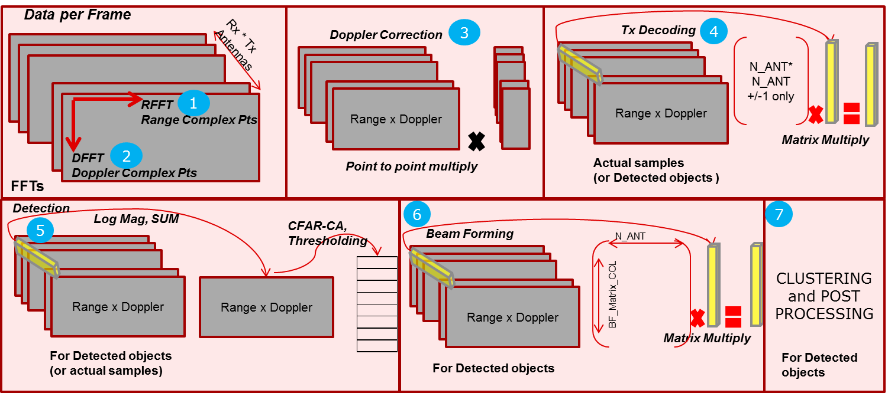
Code | Description
Inference Zero out | Thresholding and making zero - separate for real and imaginary
DC Offset | Computes the avergae value of a chirp (seperately for real and imigninaery) and subtract from each sample. The avegrae value can be computed once per anteena for MIPS simplification
Windowing | Multiply both real and imaginary samples with a real value
Windowing + Range FFT | Computes the FFT of complex samples with 16 bit arithmetic. Results are scaled back to 16 bit after each stage with user configurable shift amount
Windowing + Doppler FFT + Doppler Correction | Computes the FFT of complex samples with 16 bit arithmetic. Results are scaled back to 16 bit after each stage with user configurable shift amount
Doppler Correction | Complex multiply of each sample
Tx Decoding | This is to demultiplex at each receiver if the data is send in multiplexed form like Tx1+Tx2, Tx1-Tx2 etc….One output is obtained from complex multiply of Number of Tx samples.
Sum across anteennas | Compute the magnitude across antennas by summing up the energy
Log Magnitude | Computes the magnitude across anteenas by summing up the energy and apply log2 to shrink the range. Energy of each sample is real^2 + Img^2
CFAR-CA Cell sum | Create a sum plane for having cell sum
CFAR-CA Detection Th
CFAR-CA Detection List
Azimuth Estimation-Matrix Mul | For each detected (Range,Doppler) point we have to find the Azimuth. So the Beam forming matrix col indicates the resolution of Azimuth. So effectively it is a matrix multiply for each detected object
Azimuth Estimation-Energy | We need to compute energy with real^2 + img^2
Azimuth Estimation-Max | We need to find max among the possible BF_COL
Post Processing

For more details refer Appendix D: Radar Processing Data Flow of EVE_Applets_UserGuide.pdf

Main-Summary
 | Configurations
 | Range Dimension | 1024 |  | DDR BW = 95 | OCMC BW = 0 | DDR BW = 0 | OCMC BW = 0 | DDR BW = 0 | OCMC BW = 0 |  | DDR BW = 95 | OCMC BW = 0 | DDR BW = 95 | OCMC BW = 0
 | Doppler Dimension (per Tx) | 128 |  | Interference Zero out |  | DC Offset |  | Range_Window |  |  | Range_FFT |  | Doppler_Window
 | Rx | 4
 | Tx | 3
 | Frames/sec | 15 |  | EVE | 0.62% | EVE | 1.24% | EVE | 0.00% |  | EVE | 11.69% | EVE | 0.00%
 | Multiplexing across Tx | Yes
 | Detection Method | CFAR-CA
 | Detection/dwells | 20 |  | DDR BW = 0 | OCMC BW = 0 | DDR BW = 95 | OCMC BW = 0 | DDR BW = 0 | OCMC BW = 0 |  | DDR BW = 8 | OCMC BW = 0 | DDR BW = 9 | OCMC BW = 0
 | Number of Angles (Angle resolution) | 120 |  | Doppler_FFT |  | Doppler Correction |  | EnergySum |  |  | Log Magnitude |  | CFAR-CA Detection
 | System Overhead | 5%
 | Virtual Anteenas | 12
 | #Raw samples/dwell (cube size) | 1572864
 | Plane size (range * doppler) | 131072 |  | EVE | 11.30% | EVE | 0.00% | EVE | 4% |  | EVE | 0% | EVE | 0%
 | #Object samples/dwell | 240
 | BeamForming Matrix Column | 120
 | Sample size (in bytes) | 4 |  | DDR BW = 1 | OCMC BW = 0 | DDR BW = 1 | OCMC BW = 0
 |  |  |  | Azimuth Estimation |  | Post Processing |  | Color Legends | EVE | C66x | M4

 |  |  |  | EVE | 0% | C66x | 0%

SOC Utilization Summary
 | SOC Utilization Summary
Cores | Processing/Memory subsystem | Freq(MHz) | #cores | %Loading
1 * EVE | EVE | 500 | 1 | 29%
2 * C66x | C66x | 500 | 2 | 0%
1 * M4 | M4 | 212 | 1 | 30%
1 * DDR3 BW | DDR3 BW | 532 | 1 | 24%
1 * OCMC BW | OCMC BW | 266 | 1 | 0%

 | OCMC Memeory Size (KB) | 0

 | Cells to control - user input
 | Derived (computed) information

Analysis
active core | (All)
 | Total
Azimuth Estimation | 0.01043712
CFAR-CA Detection | 0.0334848
DC Offset | 0.02359296
Doppler Correction | 0.02359296
Doppler_FFT | 0.18874368
Doppler_Window | 0.01179648
Post Processing | 0.06144
Range_FFT | 0.18874368
Range_Window | 0.01179648
Tx Decoding | 0.04718592
(blank)
Log Magnitude & SUM | 0.37748736
Interference Zero out | 0.01179648
Row Labels | Sum of %loading
Azimuth Estimation | 0.01043712
CFAR-CA Detection | 0.0334848
DC Offset | 0.02359296
Doppler Correction | 0.02359296
Doppler_FFT | 0.18874368
Doppler_Window | 0.01179648
Post Processing | 0.06144
Range_FFT | 0.18874368
Range_Window | 0.01179648
Tx Decoding | 0.04718592
(blank)
Log Magnitude & SUM | 0.37748736
Interference Zero out | 0.01179648
Grand Total | 0.99009792

