Sheet1
Blood pressure report

We use data from the Second National Health and
Nutrition Examination Survey to study the
incidence of high blood pressure.

Data summary

Percentage by sex and race
 | Black | Other | White | Total
Female | 4312 | 500 | 103
Male | 4753 | 586 | 97
Total

Logistic regression results |  |  |  |  | Interaction plot

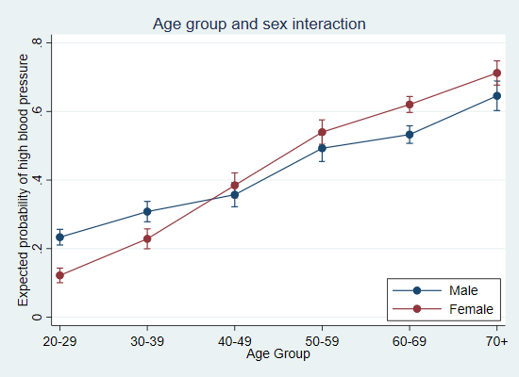
We fit a logistic regression model of high blood
pressure on weight, age group, and the
interaction between age group and sex.

highbp | Odds Ratio | Std. Err. | [95% Conf. Interval]
weight | 1.04 | 0.00 | 1.04 | 1.05
agegrp
30-39 | 1.51 | 0.16 | 1.23 | 1.86
40-49 | 1.93 | 0.21 | 1.56 | 2.40
50-59 | 3.57 | 0.40 | 2.87 | 4.43
60-69 | 4.25 | 0.39 | 3.56 | 5.08
70+ | 7.08 | 0.89 | 5.53 | 9.06
sex
Female | 0.43 | 0.06 | 0.33 | 0.55
agegrp#sex
30-39#Female | 1.49 | 0.26 | 1.06 | 2.11
40-49#Female | 2.65 | 0.47 | 1.88 | 3.74
50-59#Female | 2.86 | 0.50 | 2.04 | 4.02
60-69#Female | 3.45 | 0.52 | 2.57 | 4.63
70+#Female | 3.24 | 0.61 | 2.23 | 4.70
_cons | 0.01 | 0.00 | 0.01 | 0.02

