Sheet3
Part Report bom for main_pads.pcb on 2/26/2019 10:16:17 (For IC)
Name | Part Type | PCB Decal | 描述 | Value | Layer Name | Layer Number | Logic | count | price | pics
1 | HEADER_10X2 | HDR2X10 (DIP20_100mils) |  | DIP20_100mils | Top | 1 | UND | 20 | 1.2
USB1 | USB3.0_CONNECTOR | USB3.0 (Type A female) |  | USB3.0 (Type A female) | Top | 1 | UND | 10 | 8
UART1 | CON5HN1X5 | HN1X5 (SIP5_100mils) | 需要插座，可以和右边这个连在一起 | SIP5_100mils | Top | 1 | UND | 10 | 0.8 | 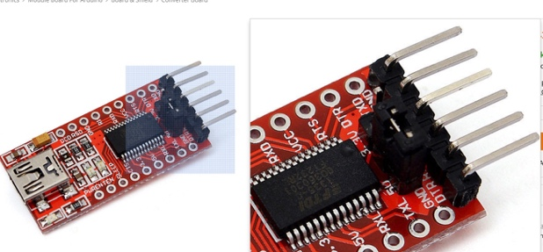
J1 | FPGA_JTAG | JTAG |  | DIP14_JTAG | Top | 1 | CON | 20 | 1.4
J3 | UUSB_B-TYPE_HARNESS | MIRCOUSB |  | MicroUSB_Female | Top | 1 | CON | 20 | 1.2
J4 | CONNECTOR_40X2_P05_SOCKET | 529910808_M |  | molex_slimstack_529910808 (https://www.molex.com/molex/products/datasheet.jsp;jsessionid=1u7AW9-XGzTg0CMOxuFyd3geTE4BDmS1F4RDyRYc.molex0?part=active/0529910808_PCB_RECEPTACLES.xml) | Top | 1 | CON | 10 | 14 | 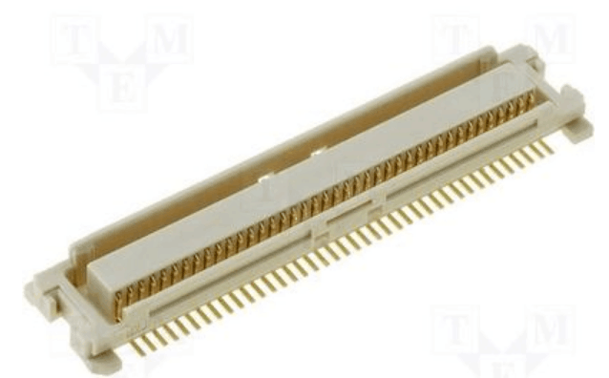
J5 | CAVIAR_40_IDC | HDR2X20_WITH_SHELL | 双排40pin，间距2.54mm | DIP40_100mil | Top | 1 | CON | 20 | 2
J6 | HEADER_3R_6X2.54 | PIN_HEADER_3R_6X2.54 | 三排针18pin，针间距2.54mm | TIP18_100mil | Top | 1 | CON | 20 | 0.6
LIPO_BAT1（锂电池的2pin插针） | CON2DW02R | DW02R |  | LIPO_2PIN_80MIL | Top | 1 | UND | 20 | 0.5 | 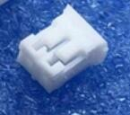
MICRO_SD1 | MICRO_SD/MMC_CP_NEWTFC-WPAPR-08 | TFC-WPAPR-08 | SD卡的卡槽 类似右图 | TFC-WPAPR-08/MicroSD | Top | 1 | UND | 20 | 1.8 | 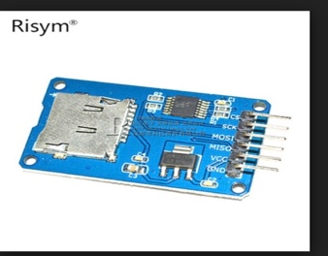
P1 | HEADER_3R_3X5X2.54 | PIN_HEADER_3R_5X2.54 | 三排针15pin，针间距2.54mm | TIP15_100mil (三排针，每排5个) | Top | 1 | CON | 20 | 0.5
P2 | HEADER8_200MIL | MB31508-8 | 双排针8pin，间距5.08mm | SIP8_200mil | Top | 1 | POT | 20 | 0.8
PWR_BUT1 | SW-TAKTSIDE_WTCM-TR(3X4) | SW_TAKT3X4 | 贴片开关，大概类似右图，不过需要注意尺寸。尺寸大概是3mmX4mm的大小。然后可以保持的和可以弹起的两种类型都要。 | 中心距离：200milx60mil. 焊盘大小：100milx40mil (4pads) 贴片开关 | Top | 1 | SWI | 80 | 0.2 | 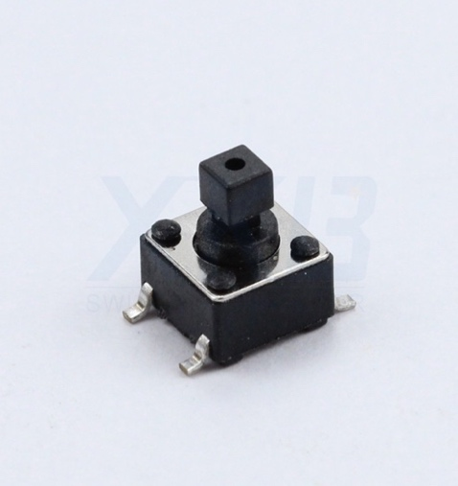
PWR_JACK1 | PWR-JAKPWR_JACK_UNI_MILING_SMALLER_DRIL | PWR_JACK_UNI_MILLING_SMALLER_DRILLS | 电源插孔，2.5和3.0的都要，见右图 | POWER_JACK 电源插孔 （正负极焊盘间距260mil左右，离侧面间距180mils左右） | Top | 1 | CON | 20 | 0.5 | 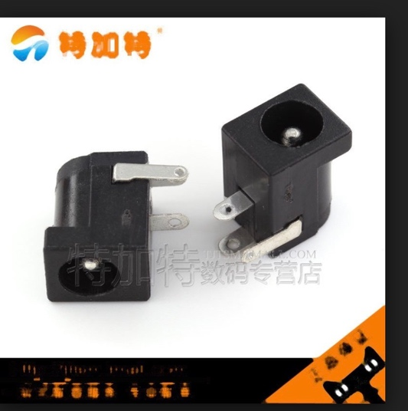
S1 | MICROSWITCH_ON-ON-ON | MINIATURESLIDESWITCH | 贴片单刀三掷开关，见右图 | 中心距离：60mil，焊盘大小30x60mil 贴片单刀三掷开关 | Top | 1 | SWI | 20 | 没有 | 