Sheet1
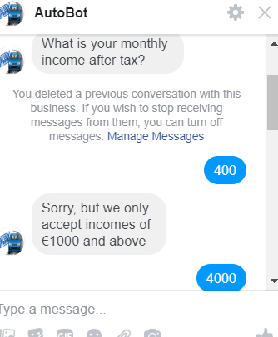
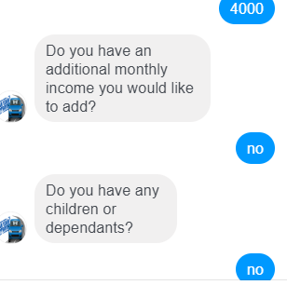
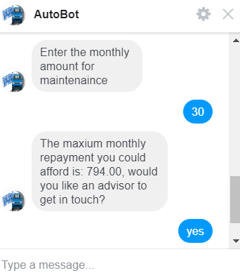
Test Plan Summary
%pass | 100%
%fail | 0%
# of tests performed | 20

Test Plan Detail
Test Type | Test Objective | Steps | Test data | Expected result | Pass/Fail?
Unit Test | Shows welcome card on member added and starts main dialog | Create Mock Root Dialog and mock welcome card and mock welcome card | Mock card, mock dialog | Pass | Pass
Unit Test | Check if the user can input name correctly | Create Mock dialog and unit test | mock dialog | Pass | Pass
Unit Test | Check bot asks the user how much they would like to borrow | Create Mock dialog and unit test | mock dialog | Pass | Pass
Unit Test | Ensure the bot prompts for email and user can susccesfully enter email | Create Mock dialog and unit test | mock dialog | Pass | Pass
Unit Test | User accepts rate and dialog flow starts | Create Mock dialog and unit test | mock dialog | Pass | Pass
Unit Test | Date input as none to see if bot responds with error message | Create Mock dialog and unit test | none | Pass | Pass
Unit Test | Date input as null to see if bot responds with error message | Create Mock dialog and unit test | null | Pass | Pass
Unit Test | Date input as bananas to see if bot trys to reprompt | Create Mock dialog and unit test | Bananas | Pass | Pass
Unit Test | Input tomorrow to see if bot interprets text to date | Create Mock dialog and unit test | tomorrow | Pass | Pass
Unit Test | Test to see if inputting help shows help response | Create Mock dialog and unit test | help | Pass | Pass
Unit Test | Input a valid date to see if bot interprets text to date | Create Mock dialog and unit test | 2001-01-20 | Pass | Pass
Unit Test | Test if inputting cancel ends dialog | Create Mock dialog and unit test | cancel | Pass | Pass

User Acceptance tests | Check to see if a specifed input will result in the correct output | User interacts with bot for loan quote (calc quote function) | 3000, honors, 3 | 162.34 | Pass
User Acceptance tests | Check to see if a specifed input will result in the correct output | User interacts with bot for loan quote (calc quote function) | 200 | rejected | Pass
User Acceptance tests | Check to see if a specifed input will result in the correct output | User interacts with bot for loan quote (calc quote function) | 8000, not a member 2 | 387.89 | Pass
User Acceptance tests | Check to see if a specifed input will result in the correct output | User interacts with bot to check maximum loan (eligibility function) | 2000 | 400 | Pass
User Acceptance tests | Check to see if a specifed input will result in the correct output | User interacts with bot to check maximum loan (eligibility function) | 4000 | 794 | Pass
User Acceptance tests | Check to see if a specifed input will result in the correct output | User interacts with bot to check maximum loan (eligibility function) | 200 |  | Pass
User Acceptance tests | Check to see if a specifed input will result in the correct output | User interacts with bot to see if they can enter wrong birth date | 2020-01-20 | return false | Pass

Sonar cloud test in pipeline

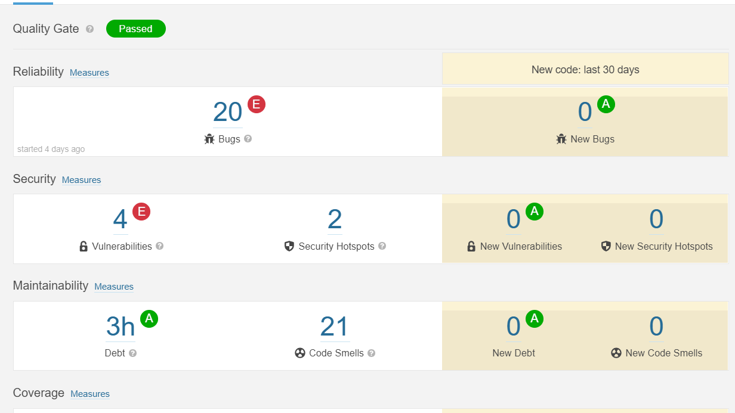

User Acceptance test example

