Leaderboard
Notes | Total Staked | Result | Returns
John | $145.00 | $23.85 | $170.10
Richard | $145.00 | $(4.80) | $140.20
Xander | $145.00 | $(36.40) | $108.60
Grand Total | $435.00 | $(17.35) | $418.90

Leaderboard

Leaderboard

Copy of Pivot table
Market | SUM of Stake | SUM of Winnings | ROI
EPL 24/25 | $480.00 | $(63.48) | -13.23%
EPL 25/26 | $449.00 | $(29.65) | -6.60%
Grand Total | $929.00 | $(93.13) | -10.02%
Season

Leaderboard

Charts
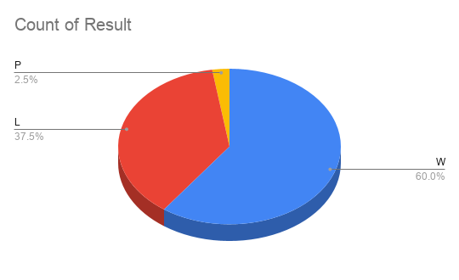
Balance by Index
Balance by date
Return on Investment

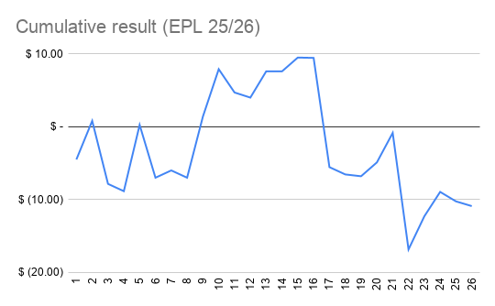
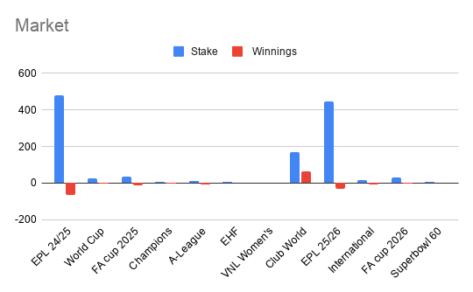
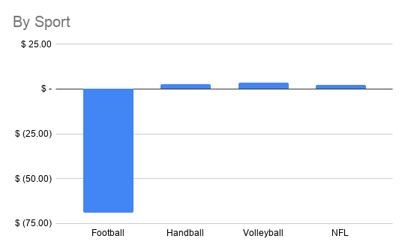

Winnings

Betting Habits
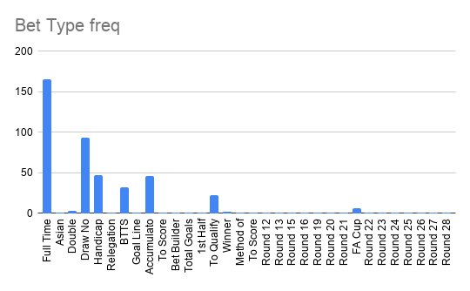
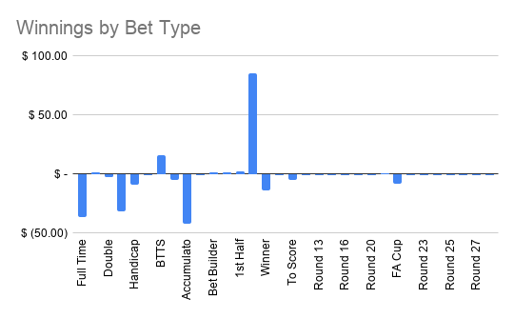

Stake vs Winnings
Odds vs Winnings
Stake vs Odds

