AFOR
DATA_VERSION=2

Republic of the Philippines
Department of the Interior and Local Government
Bureau of Fire Protection
(INSERT REGION)
(INSERT ADDRESS)
(INSERT CONTACT NUMBER / EMAIL ADDRESS)
📋 FOR IMPORT: Fill all yellow-highlighted cells. For Section H (Sketch), paste your fire scene sketch image directly into the cell range H120:N135. Save as .xlsx before uploading to WIMS. Do NOT change the sheet name or column structure. — Paste fire scene sketch image in the cells below before uploading

AFTER FIRE OPERATIONS REPORT

Please fill out all required fields carefully and double-check your answers before submitting. If a question doesn’t apply, type “N/A.”

A. RESPONSE DETAILS
 | Type of Responder (select only one)
 |  | First Responder | (Name of Fire Station)
 |  | Augmenting Team | (Name of Fire Station)
2 | Date Fire Notification Received (mm-dd-yyyy)
3 | Time Fire Notification Received (24 hour format)
 | Region
 | Province/District
 | City/Municipality
 | Complete Address of Fire Incident |  | (House/Building No., Street Name, Barangay, City/Municipality, Province
5 | Nearest Landmark (if applicable)
6 | Name and Contact Number of Caller/Reporter
7 | Name of Personnel Who Received the Call/Report

11 | Total Response Time in Minutes (=10-3)
12 | Approximate Distance of Responding Unit to Fire Scene (in kilometer)
13 | Highest Alarm Level Tapped
14 | Time Returned to Base (24 hour format)
15 | Total Gas Consumed (in Liter)

B. NATURE AND CLASSIFICATION OF INVOLVED
 | Classification of Involved
 |  | Structural (pick from dropdown list)
 |  | Non-Structural (pick from dropdown list)

17 | Name of Owner / Name of Establishment
18 | General Description of Involved (basic construction type, make, built, brand, model of the involved)
19 | Area of Origin (example: living room, dinning room, kitchen, basement, garage, bedroom and/or vehicle)
20 | Stage of Fire Upon Arrival (pick from dropdown list)
 | Extent of Damage (select only one)
 |  | None/Minor Damage | (describe object or damage)
 |  | Confined to Object/Vehicle | (describe object or damage)
 |  | Confined to Room | (total floor area in sqmts)
 |  | Confined to Structure or Property | (total floor area in sqmts / total land area in hectares)
 |  | Total Loss | (total floor area in sqmts / total land area in hectares)
 |  | Extended Beyond Structure or Property | (how many structures affected / objects / vehicles or properties are involved)
22 | Number of Structures Affected |  | (specify the number of residential structures affected only)
23 | Number of Household Affected |  | (specify the number of residential structures affected only)
24 | Number of Families Affected |  | (specify number)
25 | Number of Individuals Affected |  | (specify number)
26 | Number of Vehicles Affected |  | (specify number)

C. ASSETS AND RESOURCES
 | Response Vehicles (Check all applicable)
 |  | BFP Fire Trucks | (specify number)
 |  | BFP Manned Fire Trucks (LGU Owned) | (specify number)
 |  | Non-BFP Fire Trucks | (specify number)
 |  | BFP Ambulance | (specify number)
 |  | Non-BFP Ambulance | (specify number)
 |  | BFP Rescue Trucks | (specify number)
 |  | Non-BFP Rescue Trucks | (specify number)
 |  | Others, specify | (ex.helibucket, fire&rescue boat, mobile kitchen and the like)
 | Tools and Equipment (Check all applicable)
 |  | Self-Contained Breathing Apparatus (SCBA) | (specify number)
 |  | Rope | (specify length)
 |  | Ladder | (specify number)
 |  | Hoseline | (specify size & number)
 |  | Hydrolic Tools & Equipment | (specify number)
 |  | Others, specify
29 | Location and Distance of Nearest serviceable Fire Hydrant

D. FIRE ALARM LEVEL |  |  | (24 hour format) | (mm-dd-yyyy) | (Incident Commander/Ground Commander)
 | 1ST ALARM-FOUA
 | 1ST ALARM
 | 2ND ALARM
 | 3RD ALARM
 | 4TH ALARM
 | 5TH ALARM
 | TASK FORCE ALPHA
 | TASK FORCE BRAVO
 | TASK FORCE CHARLIE
 | TASK FORCE DELTA
 | GENERAL ALARM
 | FIRE UNDER CONTROL (FUC)
 | FIRE OUT (FO)
 | Incident Command Post (ICP) (select only one)
 |  | With | (specify location of ICP)
 |  | Without

E. PROFILE OF CASUALTIES |  |  | Male | Female
 |  | Injured Civilian
 |  | Injured BFP Firefighter
 |  | Injured Fire Auxiliary
 |  | Civilian Fatality/ies
 |  | BFP Firefighter Fatality/ies
 |  | Fire Auxiliary Fatality/ies

F. PERSONNEL-ON-DUTY |  |  | Rank / Name of personnel
 | Engine Commander
 | Shift-in-Charge
 | Nozzleman
 | Lineman
 | Engine Crew
 | Driver / Pump Operator (DPO)
 | Safety Officer in charge / contact number
 | Fire and Arson Investigator/s in charge / contact number

G. OTHER BFP PERSONNEL AND SIGNIFICANT PERSONALITIES PRESENT AT THE FIRE SCENE |  |  |  | Remarks (Designation, Agency affiliated)
 | Name of the person
 | Name of the person
 | Name of the person

H. SKETCH OF THE FIRE SCENE (use sketch type and satellite view image) — Paste fire scene sketch image in the cells below before uploading | 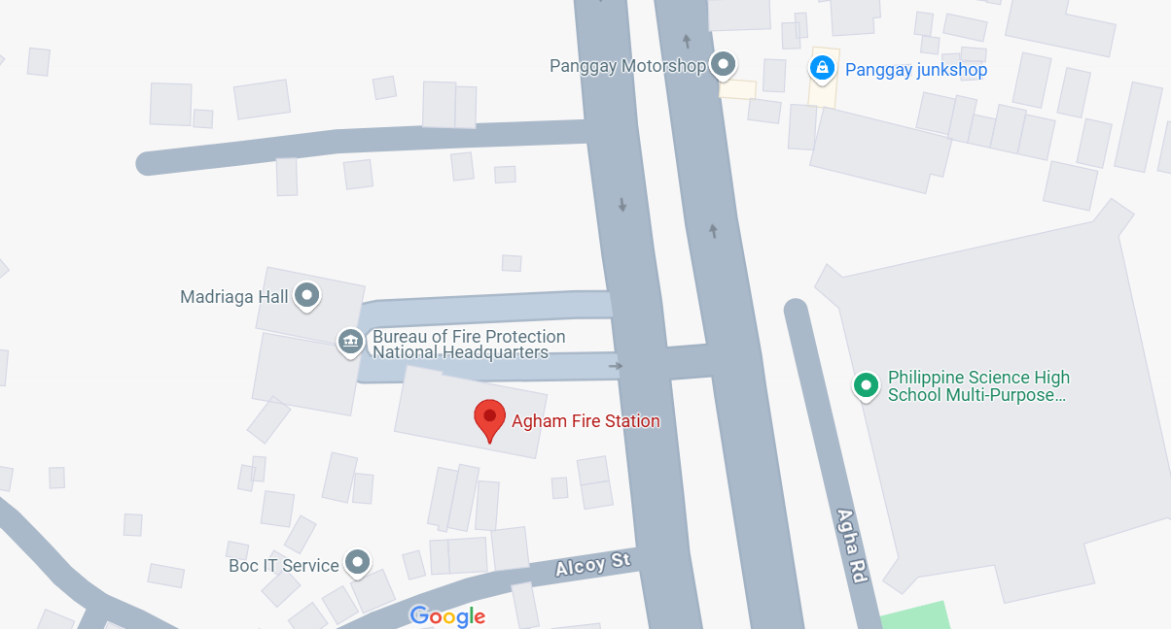 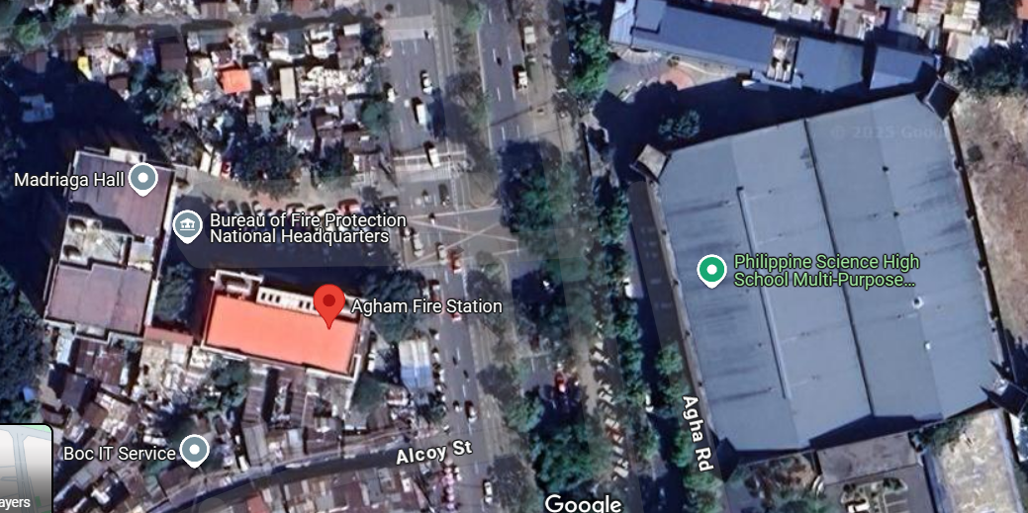

I. NARRATIVE CONTENT (Write in chronological order)

 | The (name fire engine or other resources) was immediately dispatched on or about (time) while the crew is conducting OLP at (address).
 | On route to (place of occurrence of fire), the crew was hampered by several road humps, Santacruzan, church activities and car being towed.
 | Emphasize CONDUCT OF PHASES OF FIRE SUPPRESSION OPERATION RESPONSE

 | The (name of fire engine or other resources) arrived at the scene on or about (time). Total response time is (time in minutes).
 | Upon arrival at the scene, the fire is already in fully developed stage, it already engulped the whole structure and neigbors are already exposed to smoke.
 | Upon scene size-up, (Name of SO), Safety Officer, declared that entering the building is no longer safe and sound.
 | The team was informed that there are no trapped individual/ pet inside.

 | On or about (time), (Name) Shift-in-Charge, declared 1st Alarm. On or about (time), (Name) Chief, Operations, declared 2nd Alarm.
 | On or about (time), (Name) City Fire Marshal, declared 3rd Alarm. On or about (time), (Name) City Fire Marshal, declared under control.
 | Finally, on or about (time), (Name) City Fire Marshal, declared fire out. The crew finished overhauling on or about (time).
 | The (name fire engine or other resources) is in quarter on or about (time).

 | There were no reported casualty during the operation.

 | Other significant facts/events:

J. PROBLEMS ENCOUNTERED (before, during and after fire operations) / (chek all applicable)
 |  | Inaccurate address / no landmarks especially in provinces resulting to difficulty in finding the involved
 |  | Geographically challenged (distance of fire station to community: mountainous, inter-island and the like)
 |  | Road conditions (double parking, narrow obstructed streets, rough roads, traffic lights malfunction, congested U-turn slots, merging roads, influx of pedestrians from places of assembly especially during rush hours , multiple humps, steep roads, open man holes/sewer, ambulant vendors obstruction, overhanging trees/branches, overhanging canopy of houses, dangling wires and the like)
 |  | Road under construction / under repair
 |  | Traffic congestion
 |  | Road accidents
 |  | Vehicles failure to yield
 |  | Natural Disasters / Natural Phenomenon (Floodings / landslides, earthquakes others)
 |  | Civil Disturbance (Riots/Rallies)
 |  | Uncooperative / panicked residents
 |  | Safety and security threats (insurgents/terrorist/violent residents)
 |  | Response delays due to lack of cooperation from property security and/or owner (ex. PEZA)
 |  | Engine failure / mechanical problems while enroute
 |  | Uncooperative Fire Auxiliary
 |  | Poor water supply access
 |  | Intense heat and smoke during firefighting operation
 |  | Structural hazards (building collapse, electrical hazard, falling debris)
 |  | Equipment mulfunction (faulty hoses, overheating or any mechanical issues of fire trucks or pumps)
 |  | Lack of coordination with other emergency response teams (police, medics etc)
 |  | Breakdown in radio communication due to distance, building structures, or system failure
 |  | HazMat (contamination, chemical leaks etc)
 |  | Physical exhaustion and injuries
 |  | Emotional and psychological effects
 |  | Community complaints against responders
 |  | Others, specify

K. RECOMMENDATION/S

L. DISPOSITION

 | Prepared by: |  |  | Noted by:

 | Shift-in-Charge |  |  | Engine Company Commander

