Layout Design
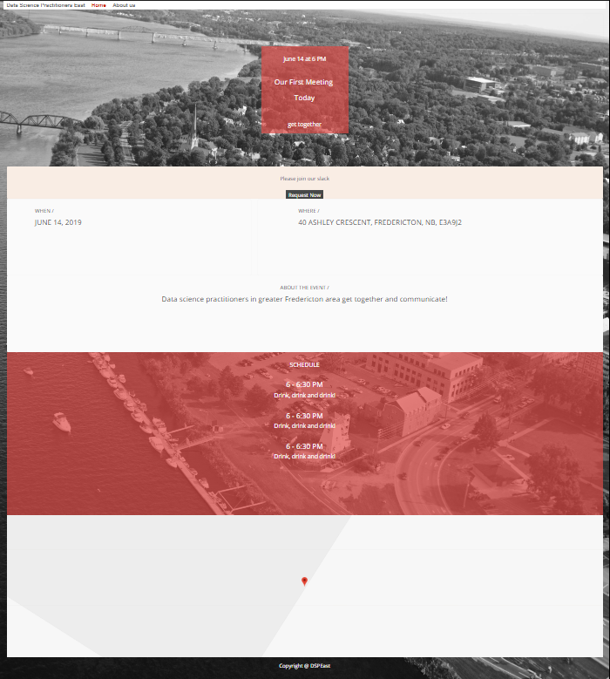
Panel 1

Panel 2

Panel 3

Panel 4

Panel 5

Panel 6

