RNN_JPM_Run1
 |  | JMP_RNN_Finial.ipynb

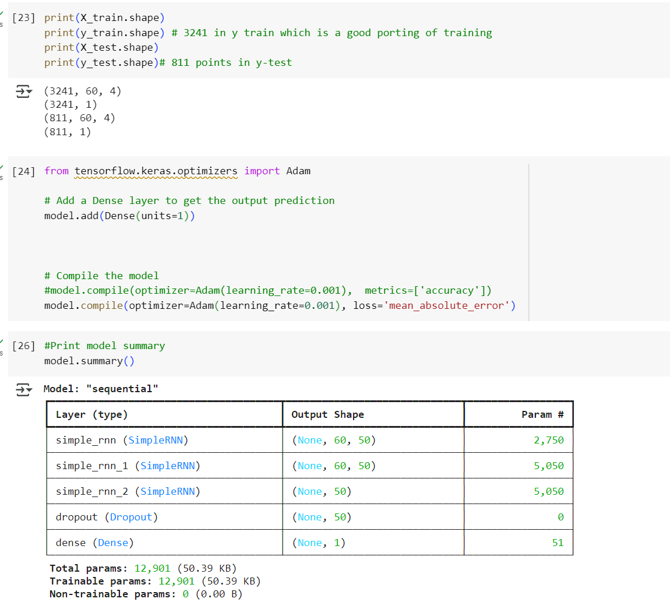

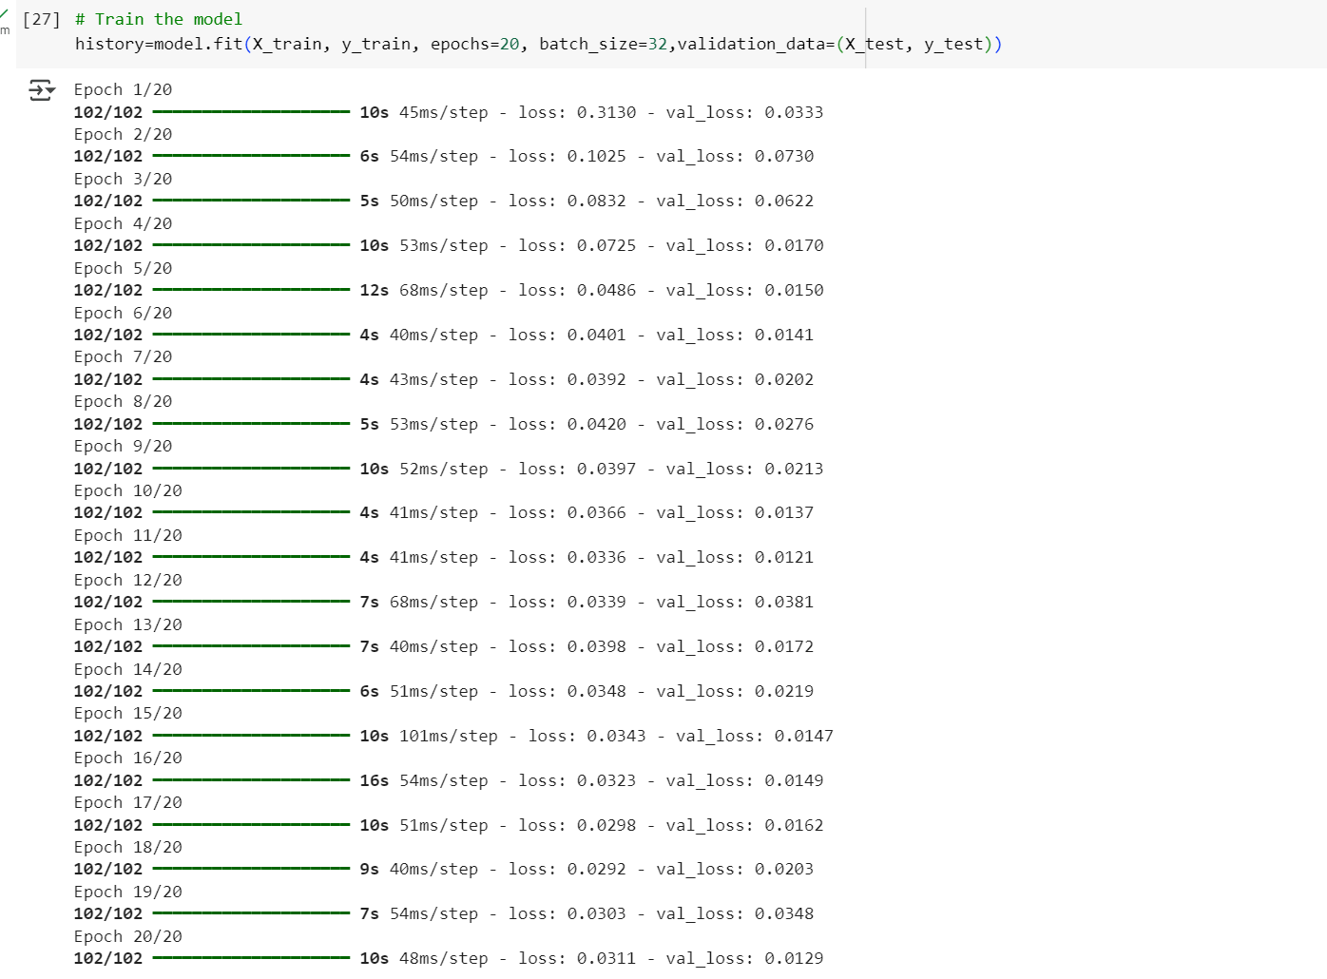

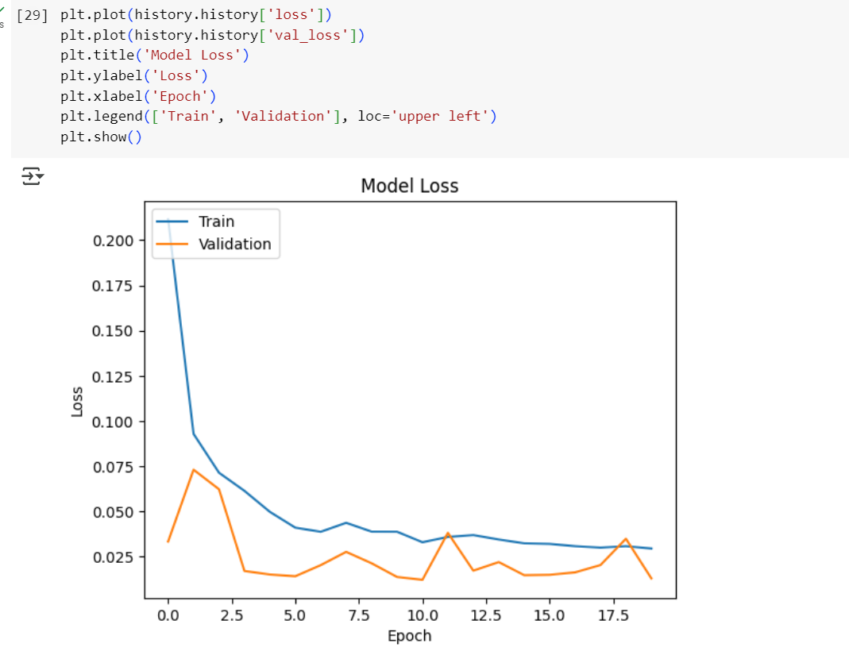

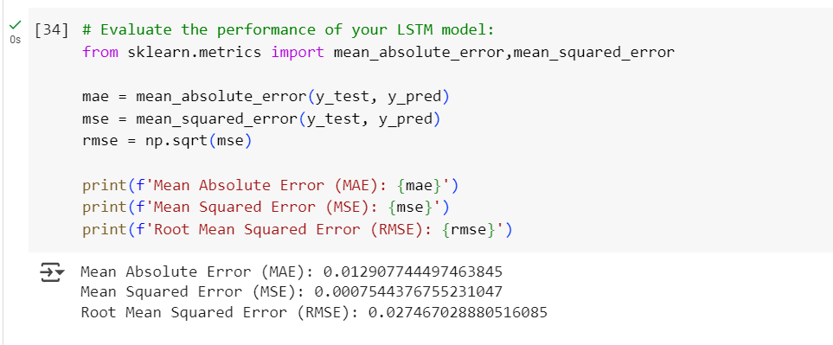

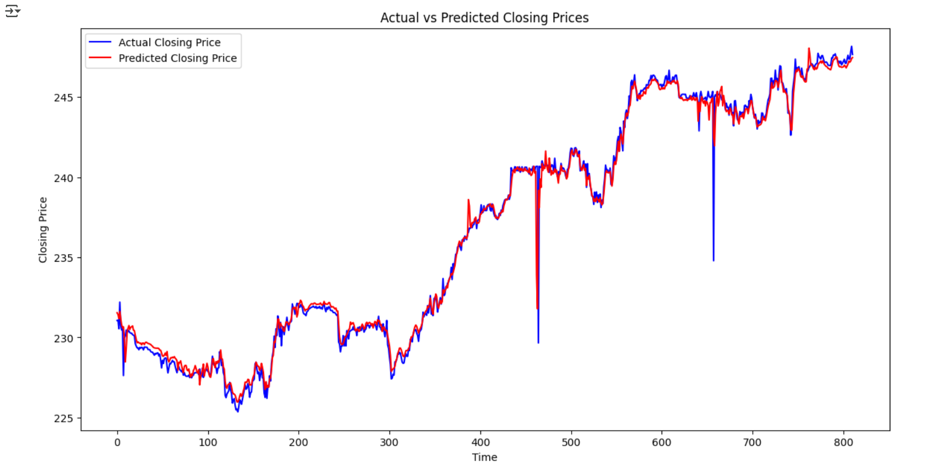

RNN - Bidirectional

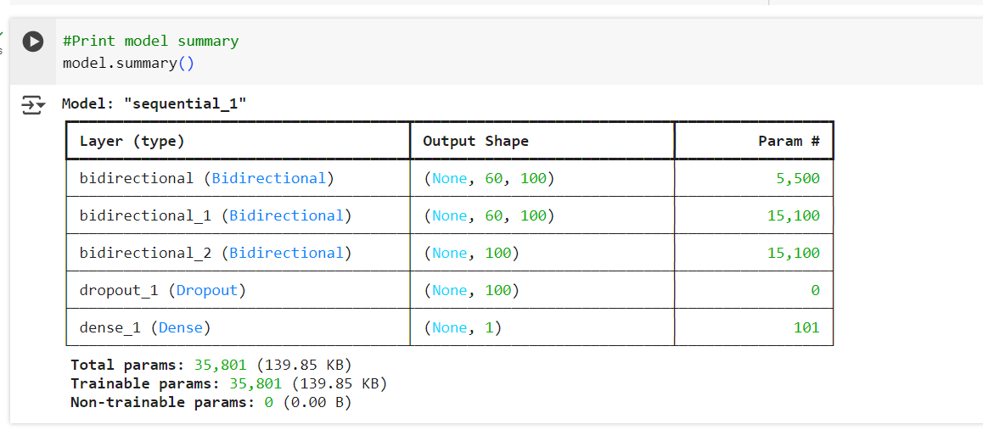

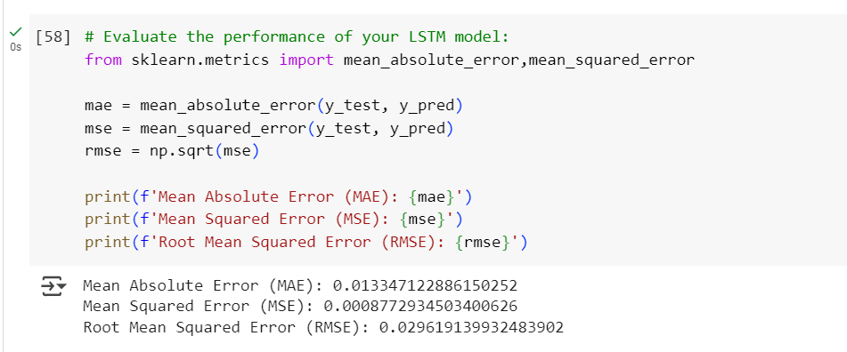

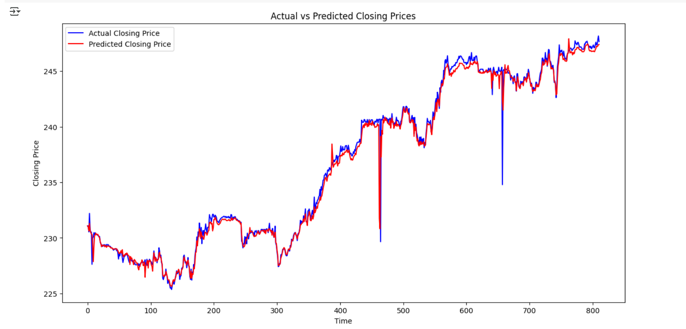

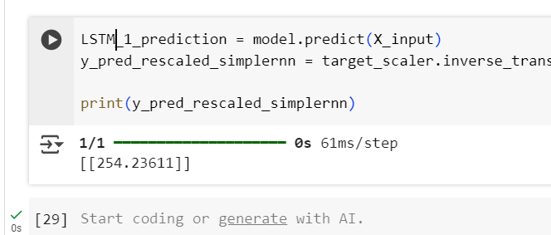
 | GRU
 | Less loss while training

LSTM_GRU_JPM
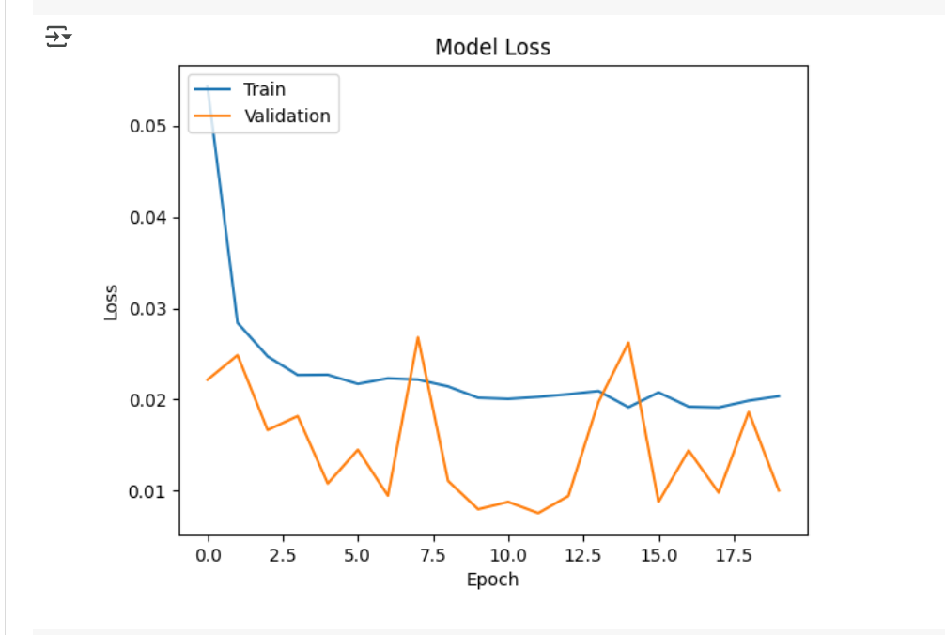
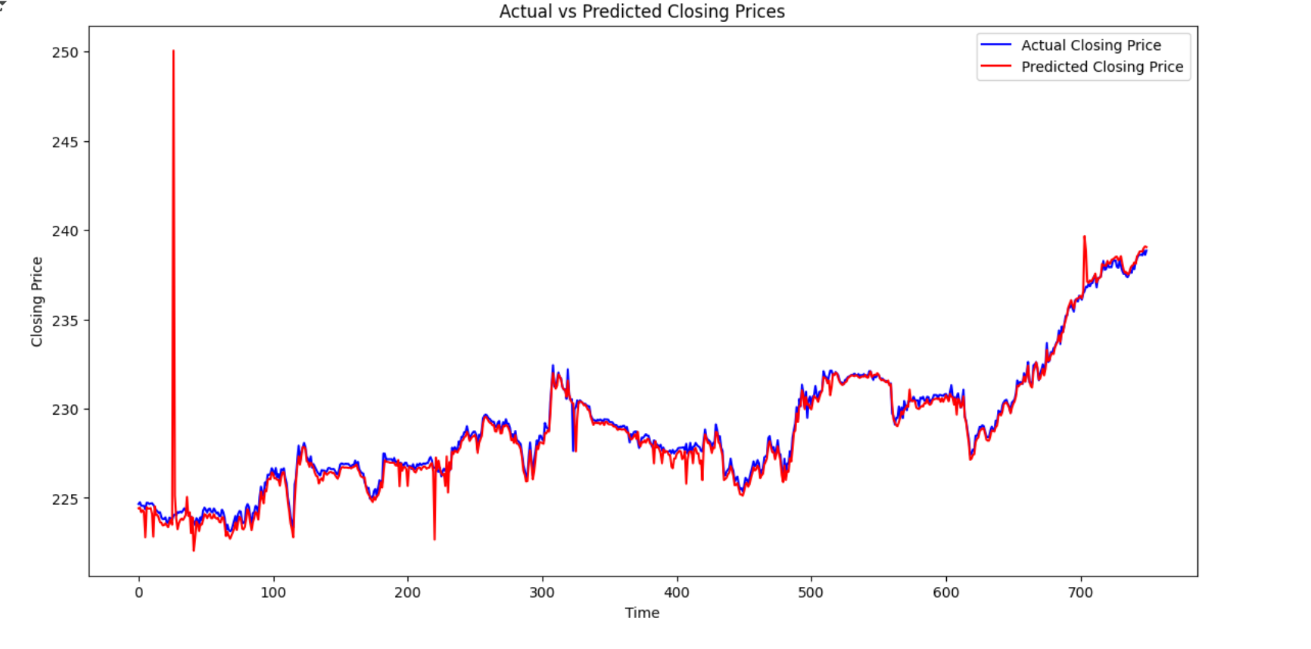
LSTM(50) - two layer | train/test | 80/20 |  | epochs=20

 |  |  |  |  |  |  | JPM_UniLSTM_Finial.ipynb

 |  |  |  |  |  |  |  | scale the features and traget - minmax scalar
 |  |  |  |  |  |  |  | perform data pre-processing
 |  |  |  |  |  |  |  | split data train and test 80/20
 |  |  |  |  |  |  |  | Perform LSTM- 2 layers
 |  |  |  |  |  |  |  | Perform LSTM-1 layer
 |  |  |  |  |  |  |  | Perform GRU-1 layer
 |  |  |  |  |  |  |  | Record test and vlidation loss
 |  |  |  |  |  |  |  | Record model accuracy metrics

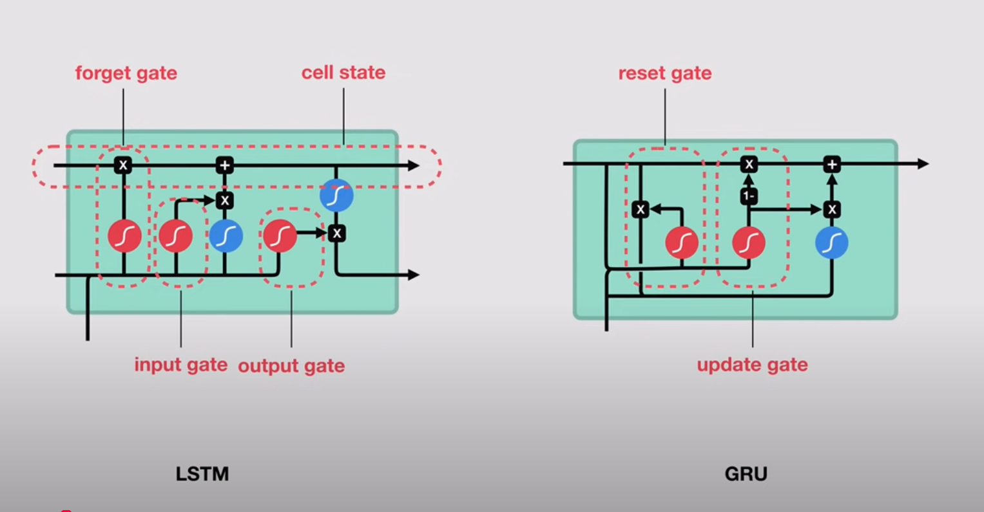

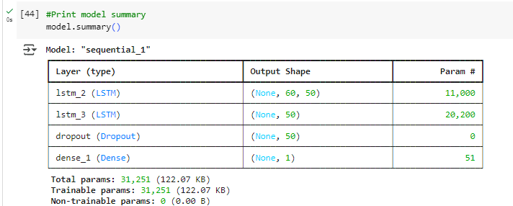

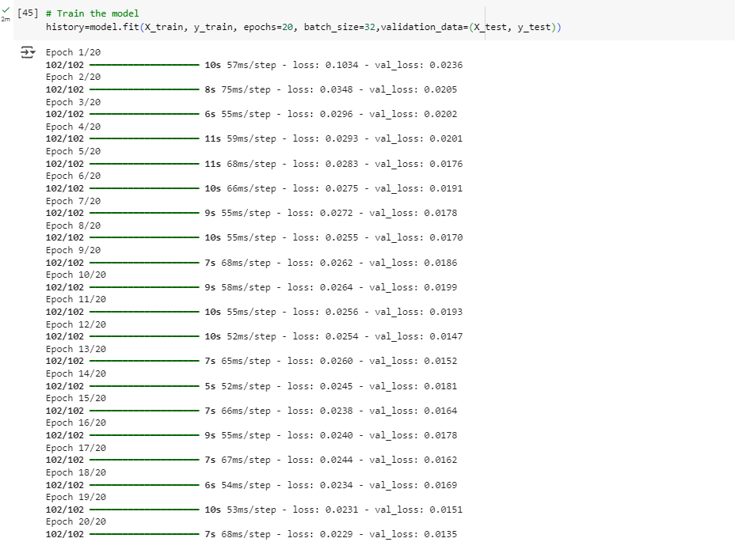

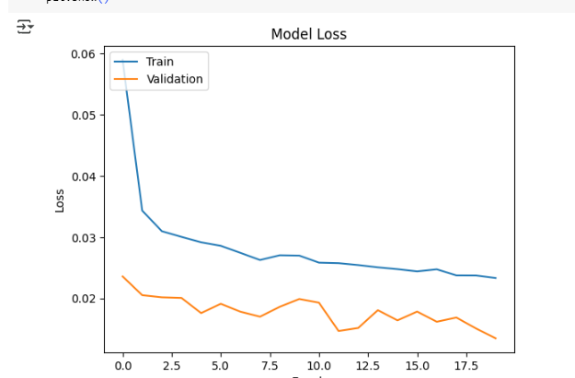

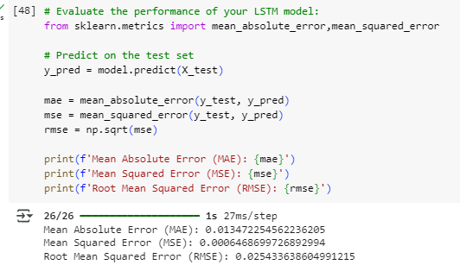

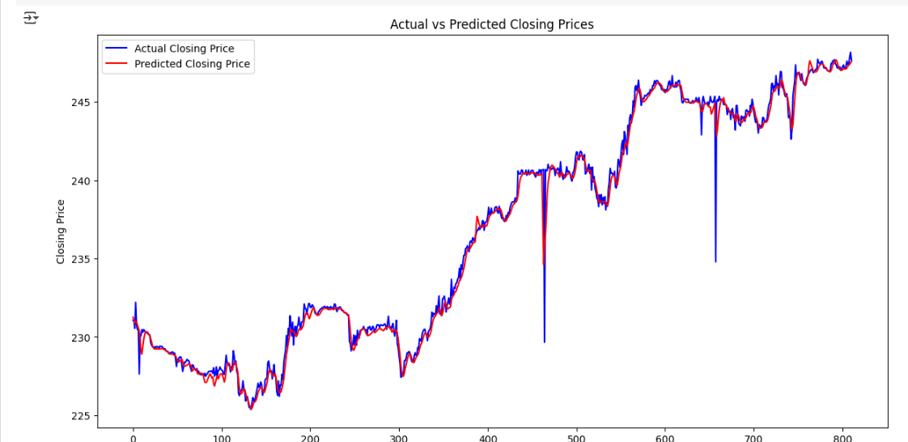

LSTM - One layer | train/test | 80/20 |  | epochs=20

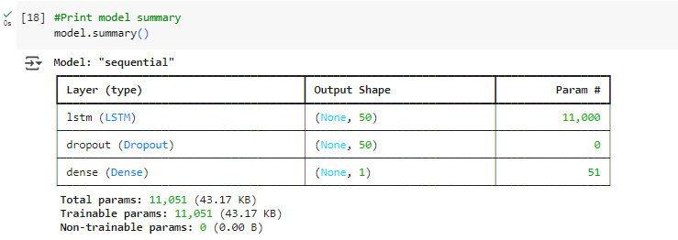

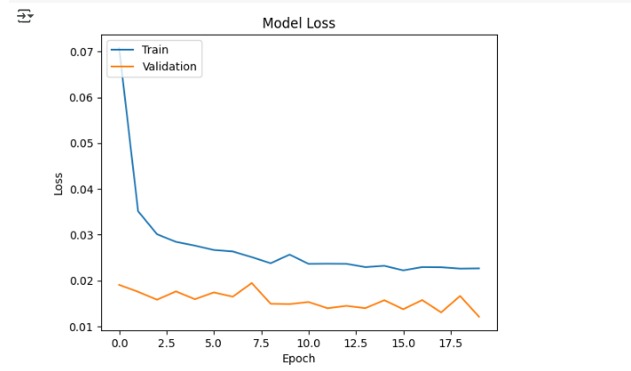

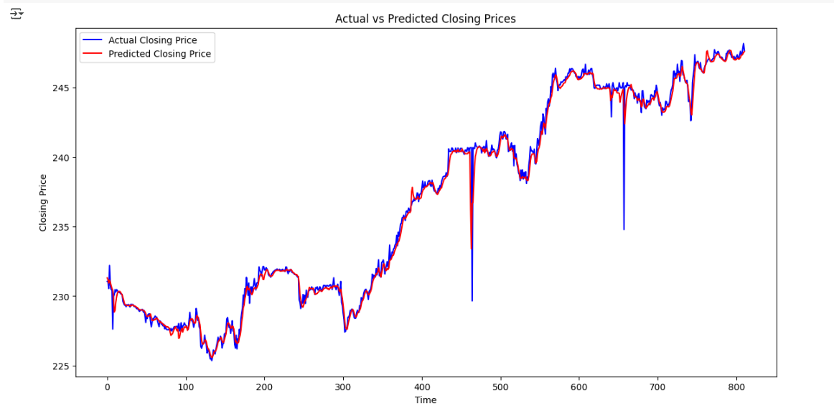

LSTM - One layer | train/test | 60/40 | epochs=20

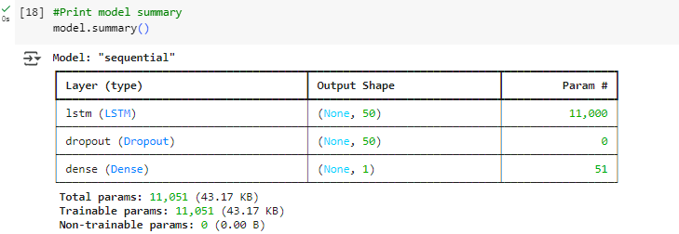

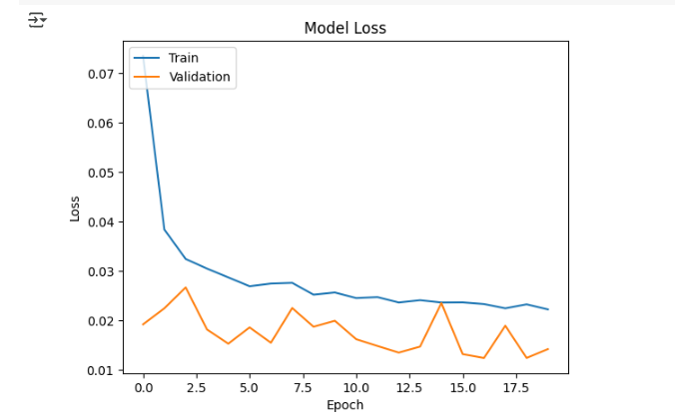

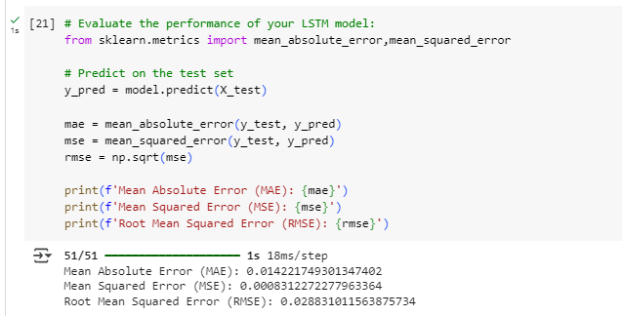

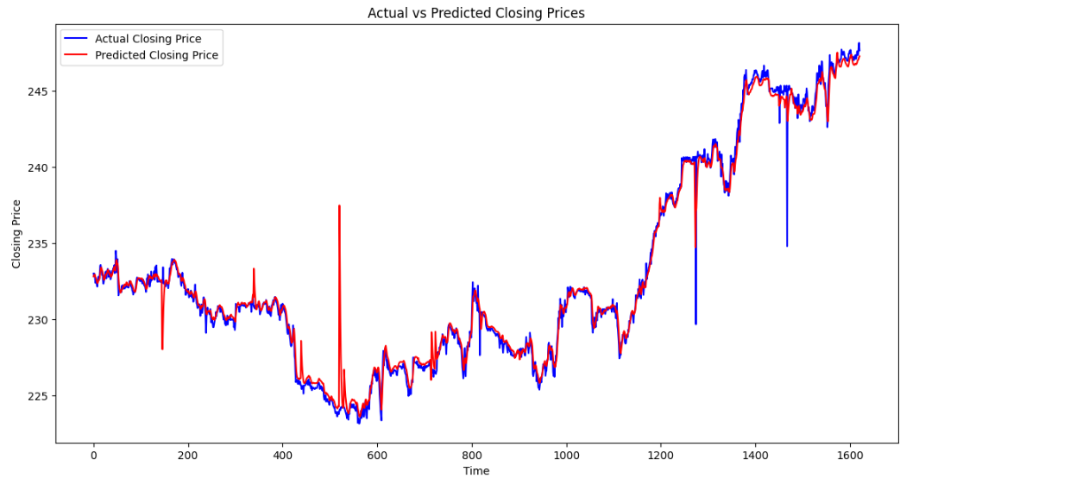

LSTM/GRU - One layer | train/test | 80/20 | epochs=20

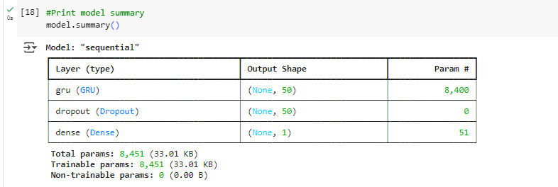

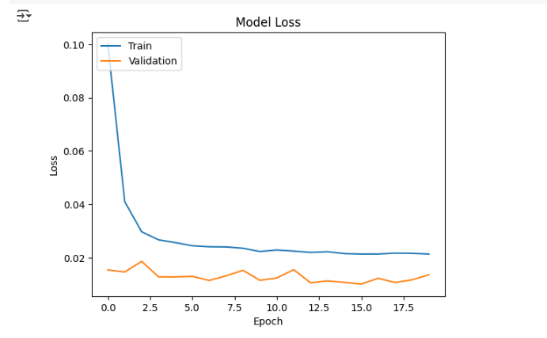

LSTM - One layer (10) | train/test | 60/40 | epochs=20 |  | batch size=32 | activation=relu

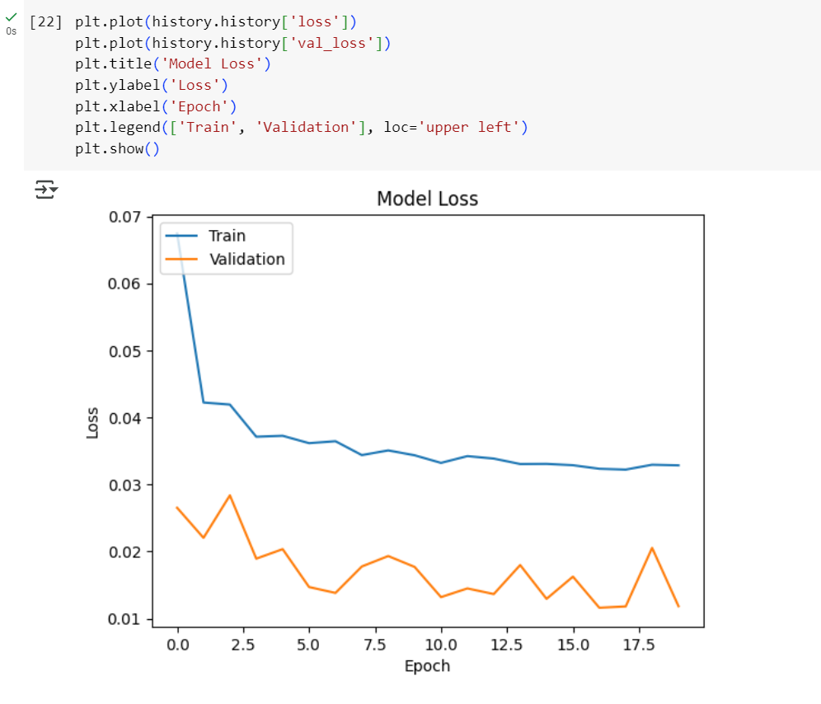

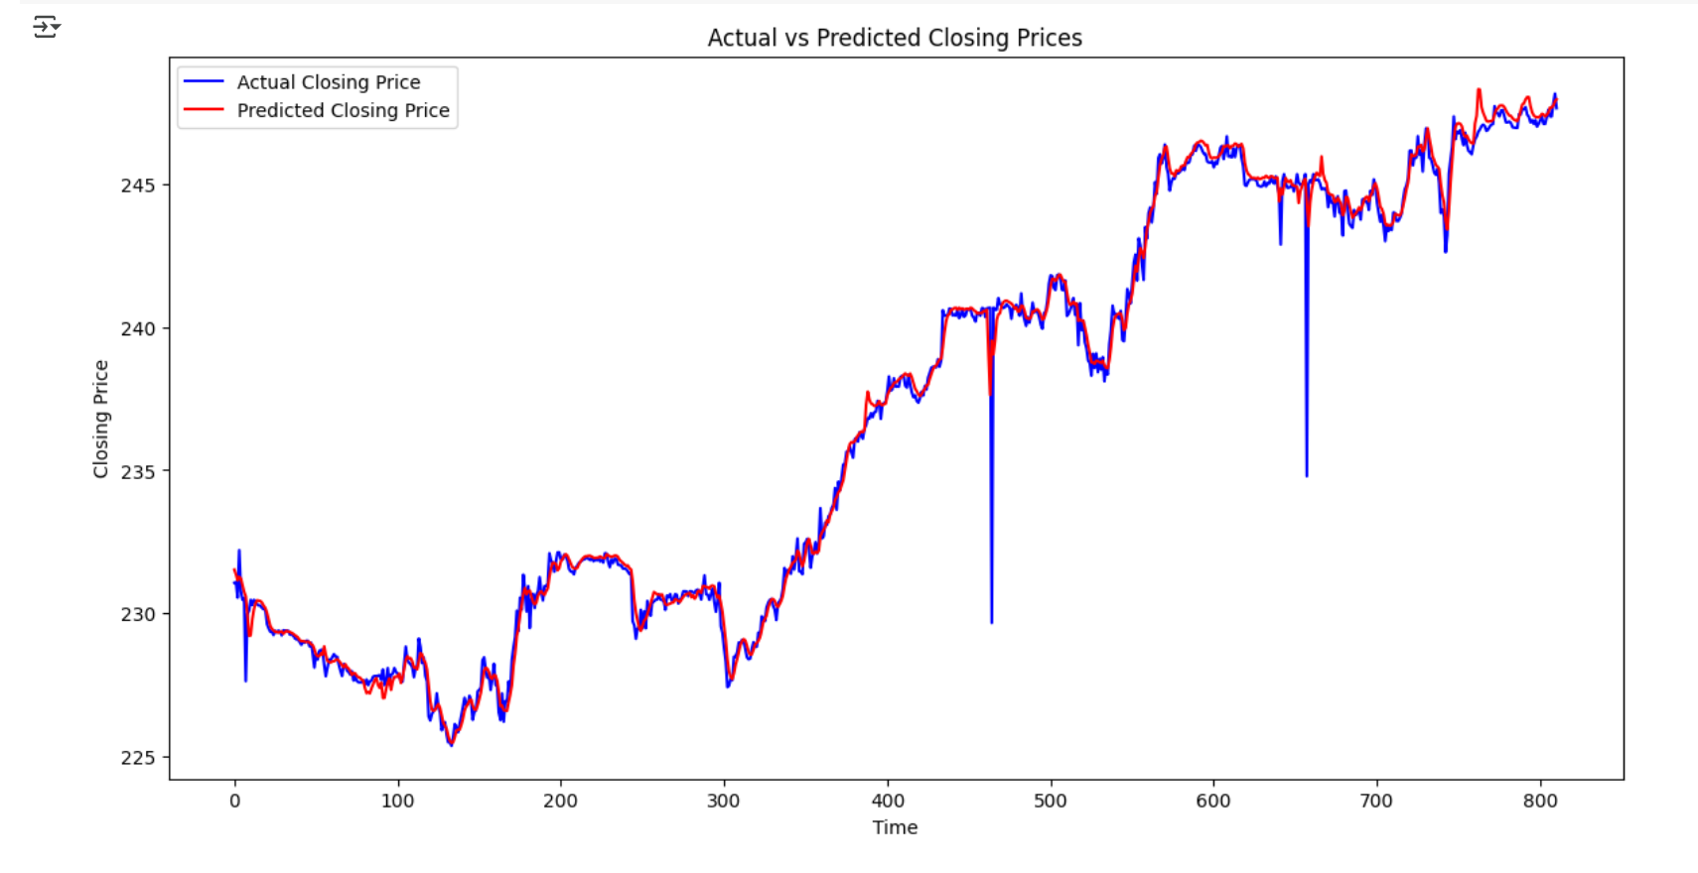

LSTM (50 ) sequence=180, learning rate =0.01, batch size=32

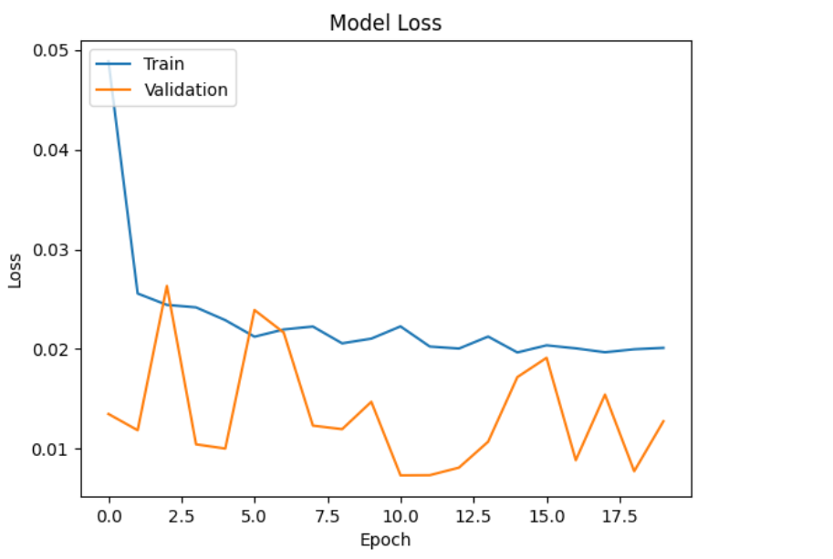

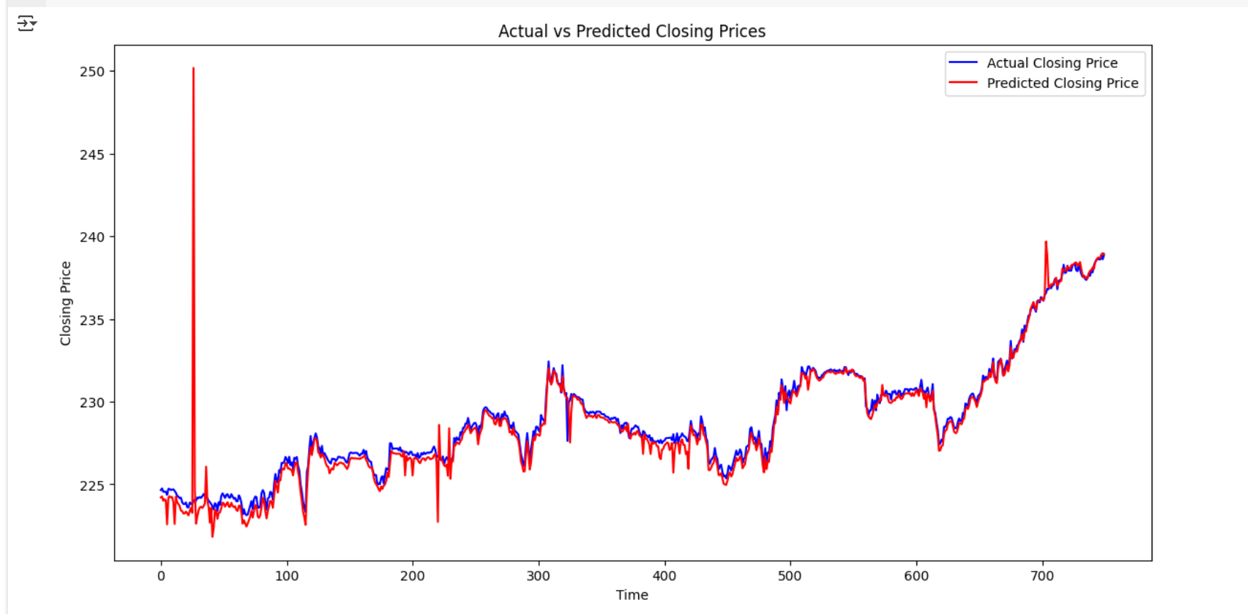

LSTM(50) Early stopping

LSTM_AIG
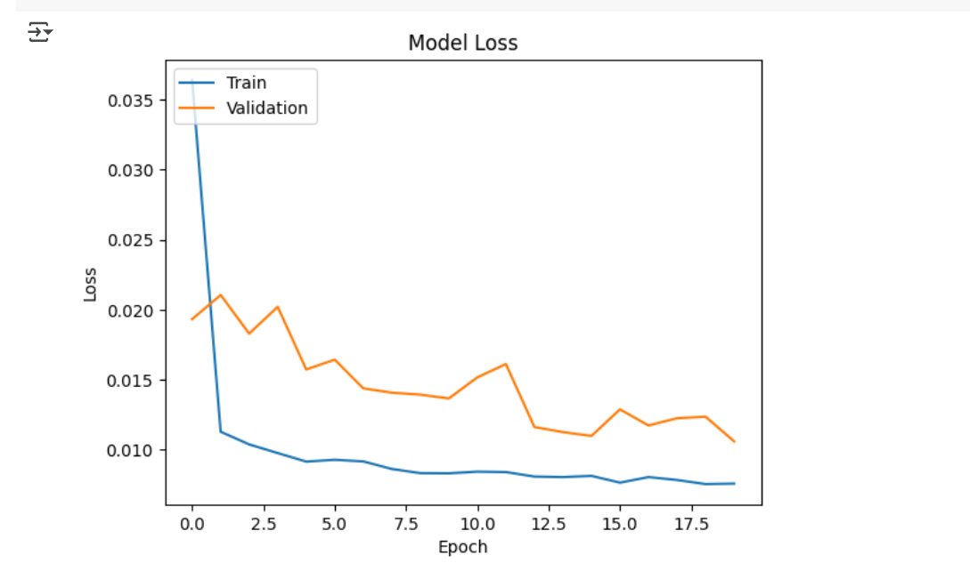
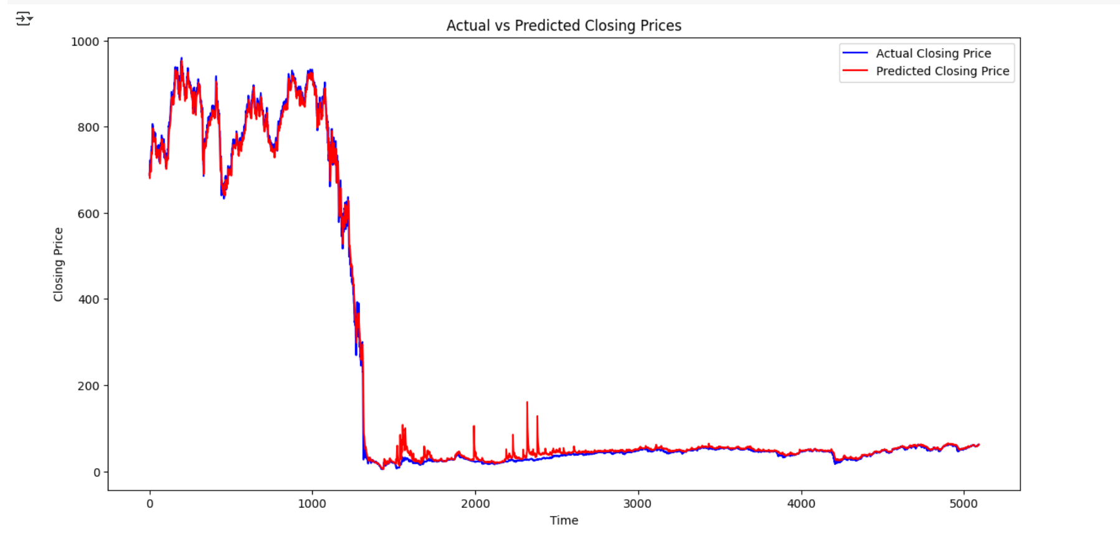
LSTM - One layer (50) | train/test | 60/40 | epochs=20 | AIG | drop out =20% | batch size=8
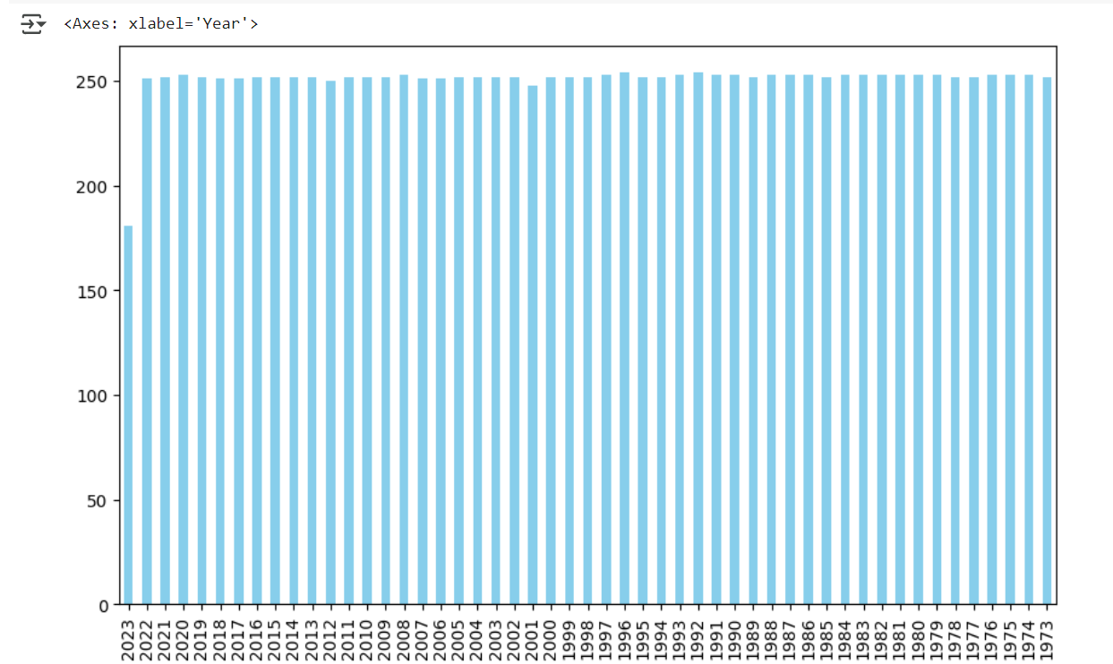
 |  |  |  |  |  | AIG_UniLSTM_Finial.ipynb

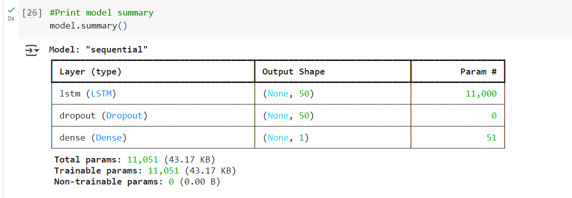

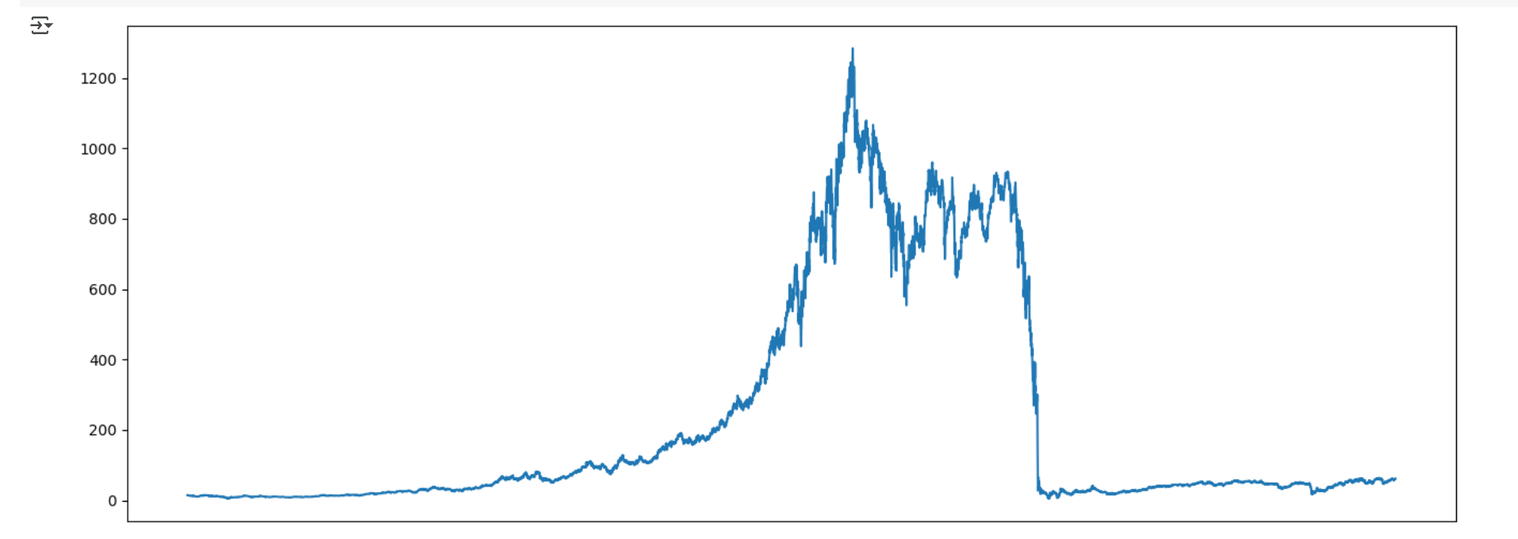
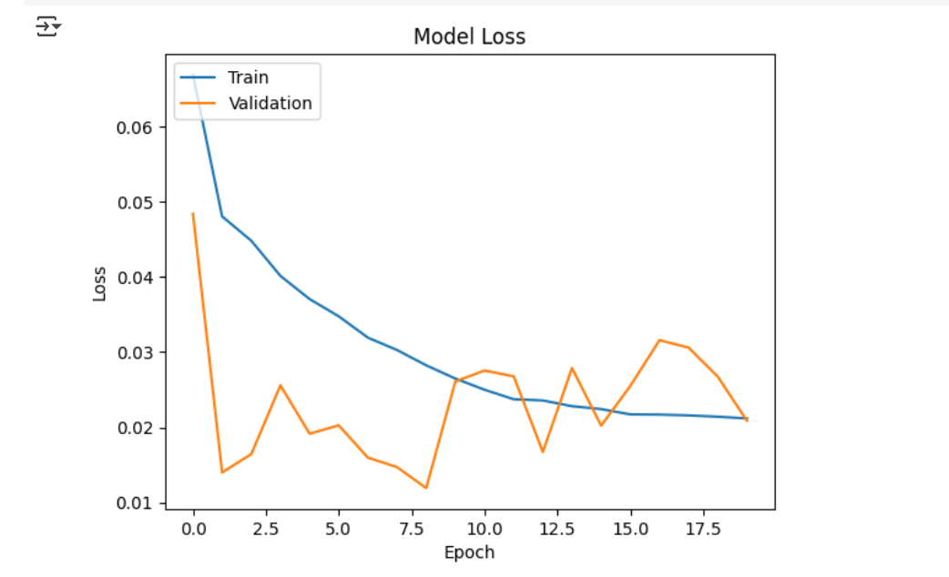

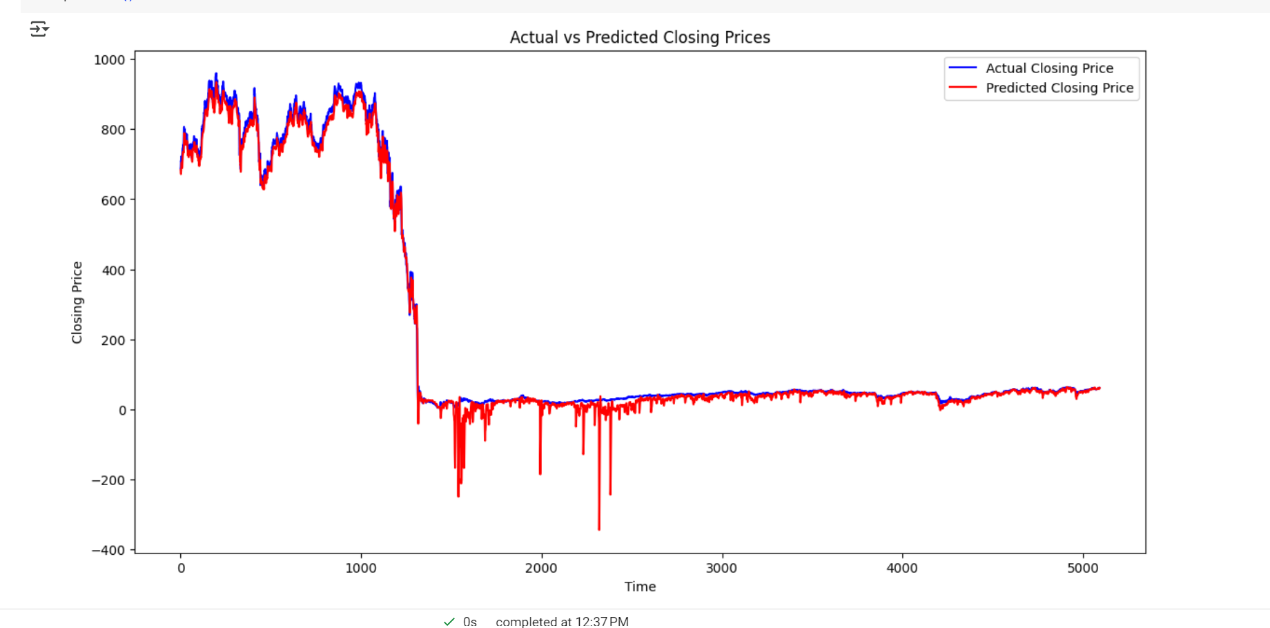

LSTM - One layer (10) | train/test | 60/40 | epochs=20 | AIG | drop out =20% | batch size=8

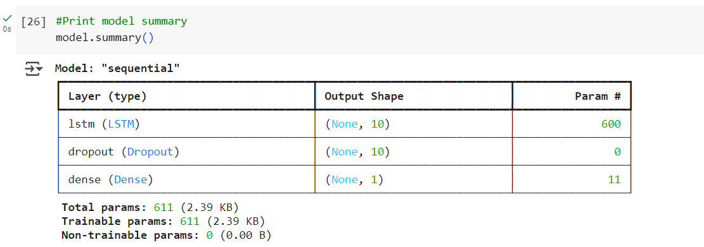

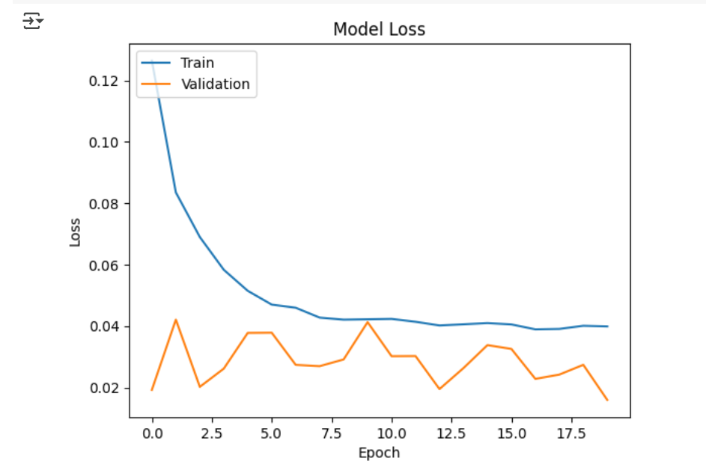

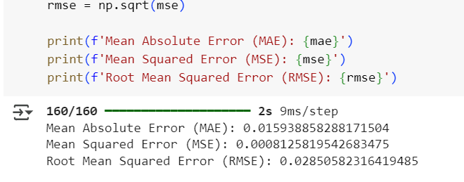

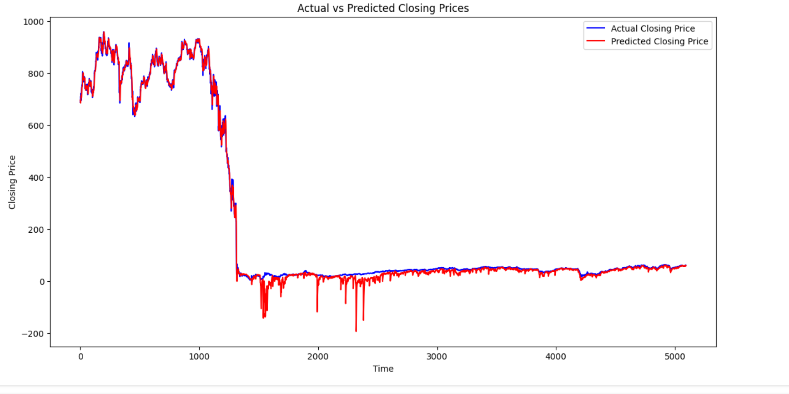

LSTM - One layer (10) | train/test | 60/40 | epochs=20 | AIG | drop out =20% | batch size=8 | activation relu

EDA
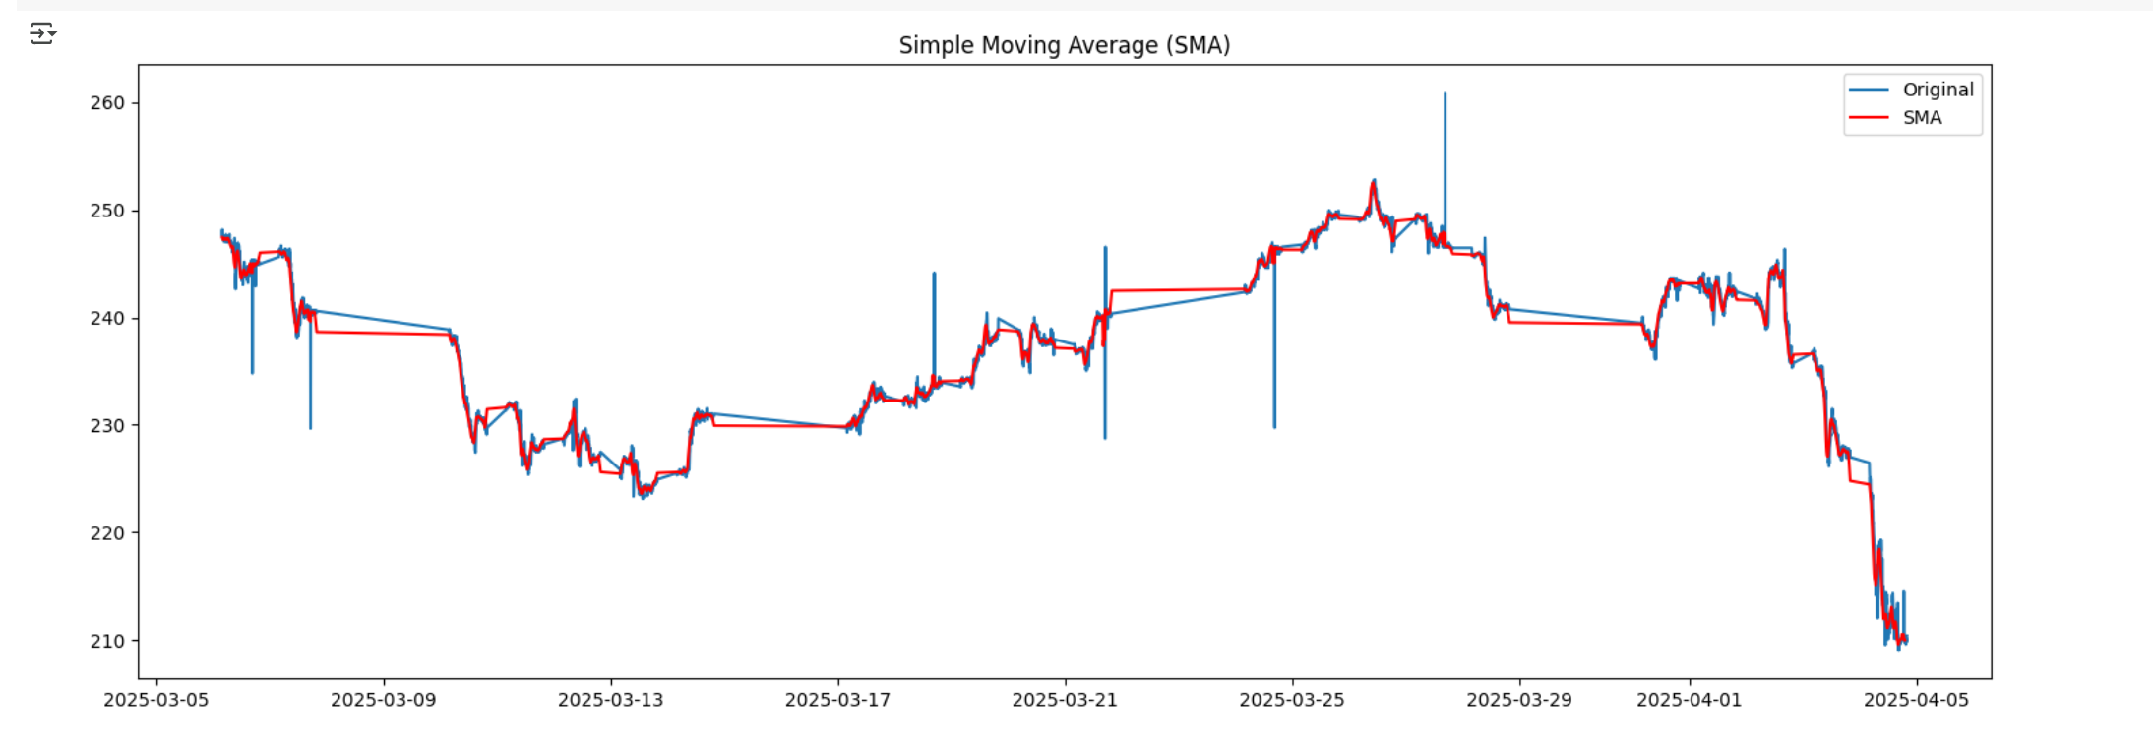

Live
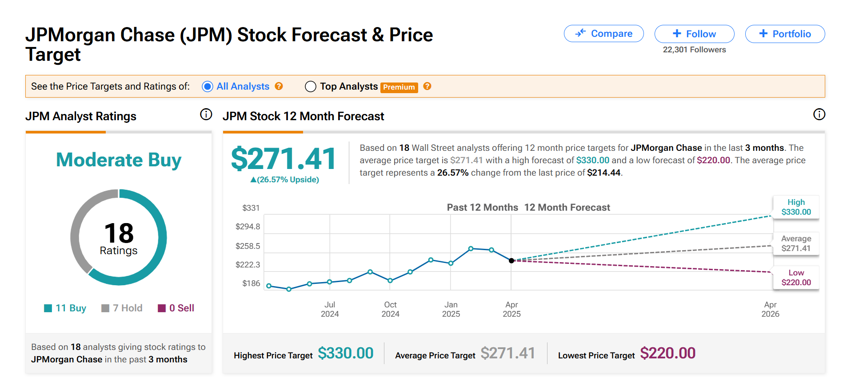
JPMorgan Chase (JPM) Stock Forecast, Price Targets and Analysts Predictions | JPM - stock prices for april

