default_1
Substructure | hit_rate (%) | 95% CI
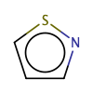 | 5.882 | 1.38%-27.29%
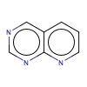 | 1.95 | 0.96%-3.97%
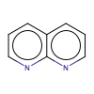 | 1.562 | 0.37%-8.28%
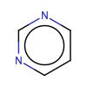 | 0.88 | 0.72%-1.08%
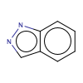 | 0.578 | 0.14%-3.16%
 | 0.503 | 0.36%-0.7%
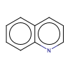 | 0.473 | 0.3%-0.76%
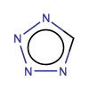 | 0.455 | 0.2%-1.06%
 | 0.454 | 0.26%-0.81%
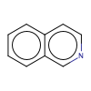 | 0.444 | 0.14%-1.59%
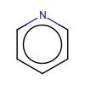 | 0.421 | 0.32%-0.56%
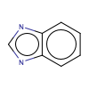 | 0.404 | 0.21%-0.79%
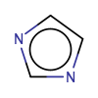 | 0.399 | 0.25%-0.63%
General | 0.387 | 0.35%-0.43%
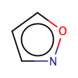 | 0.385 | 0.17%-0.9%
 | 0.385 | 0.34%-0.43%
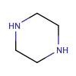 | 0.367 | 0.25%-0.54%
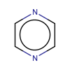 | 0.365 | 0.13%-1.06%
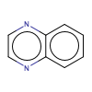 | 0.358 | 0.11%-1.29%
 | 0.292 | 0.11%-0.85%
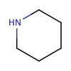 | 0.273 | 0.17%-0.44%
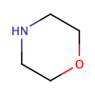 | 0.272 | 0.16%-0.46%
 | 0.232 | 0.08%-0.68%
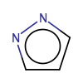 | 0.23 | 0.13%-0.42%
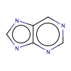 | 0.219 | 0.07%-0.79%
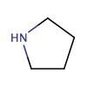 | 0.184 | 0.09%-0.4%
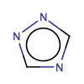 | 0.176 | 0.09%-0.36%
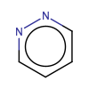 | 0.139 | 0.05%-0.4%
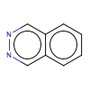 | 0.135 | 0.04%-0.49%
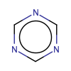 | 0 | 0.02%-2.62%
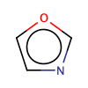 | 0 | 0.0%-0.42%
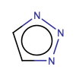 | 0 | 0.0%-0.65%
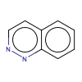 | 0 | 2.5%-97.5%
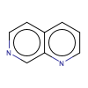 | 0 | 2.5%-97.5%
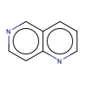 | 0 | 2.5%-97.5%
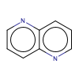 | 0 | 2.5%-97.5%
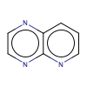 | 0 | 2.5%-97.5%
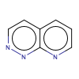 | 0 | 2.5%-97.5%
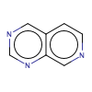 | 0 | 2.5%-97.5%
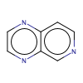 | 0 | 2.5%-97.5%
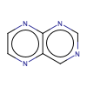 | 0 | 0.21%-26.46%
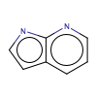 | 0 | 2.5%-97.5%
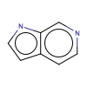 | 0 | 0.23%-28.49%
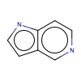 | 0 | 0.09%-12.34%
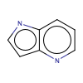 | 0 | 2.5%-97.5%
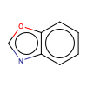 | 0 | 0.0%-0.65%
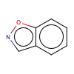 | 0 | 0.84%-70.76%
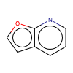 | 0 | 0.03%-3.77%
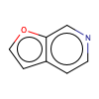 | 0 | 2.5%-97.5%
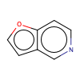 | 0 | 0.51%-52.18%
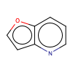 | 0 | 2.5%-97.5%
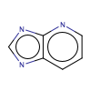 | 0 | 0.18%-23.16%
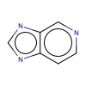 | 0 | 2.5%-97.5%
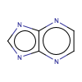 | 0 | 1.26%-84.19%
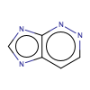 | 0 | 2.5%-97.5%
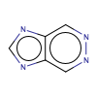 | 0 | 2.5%-97.5%
 | 0 | 0.04%-5.6%
 | 0 | 2.5%-97.5%
 | 0 | 2.5%-97.5%
 | 0 | 2.5%-97.5%
 | 0 | 0.01%-1.03%
 | 0 | 2.5%-97.5%
 | 0 | 2.5%-97.5%
 | 0 | 2.5%-97.5%

