Connection
Raspberry PI B+
 |  |  | 15 | 16 | 1 |  | 4 | 5 |  | 6 | 10 | 11 | 31 |  | 26 |  | 27 | 28 | 29
5v | 5v | 0v | TxD | RxD | GPIO.1 | 0v | GPIO.4 | GPIO.5 | 0v | GPIO.6 | CE0 | CE1 | SCL.0 | 0v | GPIO.26 | 0v | GPIO.27 | GPIO.28 | GPIO.29
2 | 4 | 6 | 8 | 10 | 12 | 14 | 16 | 18 | 20 | 22 | 24 | 26 | 28 | 30 | 32 | 34 | 36 | 38 | 40
1 | 3 | 5 | 7 | 9 | 11 | 13 | 15 | 17 | 19 | 21 | 23 | 25 | 27 | 29 | 31 | 33 | 35 | 37 | 39
3.3v | SDA.1 | SLC.1 | GPIO.7 | 0v | GPIO.0 | GPIO.2 | GPIO.3 | 3.3v | MOSI | MISO | SCLK | 0v | SDA.0 | GPIO.21 | GPIO.22 | GPIO.23 | GPIO.24 | GPIO.25 | 0V
 | 8 | 9 | 7 |  | 0 | 2 | 3 |  | 12 | 13 | 14 |  | 30 | 21 | 22 | 23 | 24 | 25

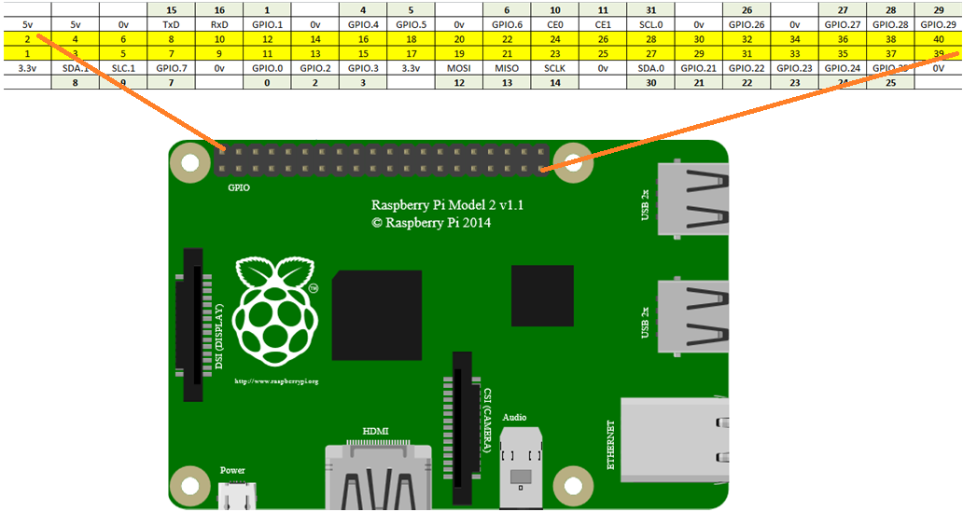
Front Sonar |  |  |  | x
 | 25 | 24 |  | x
5v | Trig | Echo | Gnd | x

Left Sonar |  |  |  | x
 | 22 | 23 |  | x
5v | Trig | Echo | Gnd | x

Right Sonar |  |  |  | x
 | 4 | 5 |  | x
5v | Trig | Echo | Gnd | x

Left Encoded Wheel |  |  | x
0 |  |  | x
Sig | 5v | gnd | x

Right Encoded Wheel |  |  | x
21 |  |  | x
Sig | 5v | gnd | x

Power Shield |  |  |  |  | x
Digital |  |  |  |  | x
10 | 12 | 13 | 14 |  | x
10 | 11 | 12 | 13 | Gnd | x
SS | MOSI | MISO | SCLK |  | x

Compass
 |  |  | 9 | 8
Gnd | 5v | DRDY | SCL | SDA

Left Sound sensor |  |  | x
1 |  |  | x
Sig | 5v | gnd | x

Right Sound sensor
26
Sig | 5v | gnd

Left Light sensor
27
Sig | 5v | gnd

Right Light sensor
28
Sig | 5v | gnd

