Function Transformation
Function Transformations | START

"Function transformation" is just a concise way to describe a specific type of higher-order function. It's when a function takes a function (or functions) as input and returns a new function. Let's look at an example:

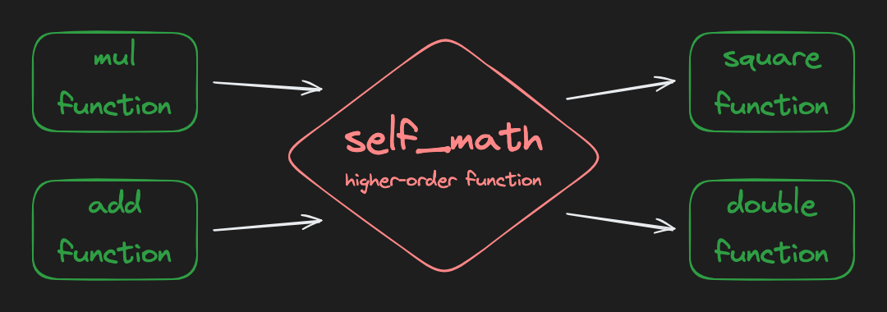

from collections.abc import Callable

def multiply(x: int, y: int) -> int:
return x * y

def add(x: int, y: int) -> int:
return x + y

# self_math is a higher-order function
# input: a function that takes two arguments and returns a value
# output: a new function that takes one argument and returns a value
def self_math(math_func: Callable[[int, int], int]) -> Callable[[int], int]:
def inner_func(x: int) -> int:
return math_func(x, x)

return inner_func

square_func: Callable[[int], int] = self_math(multiply)
double_func: Callable[[int], int] = self_math(add)

print(square_func(5))
# prints 25

print(double_func(5))
# prints 10

The self_math function takes a function that operates on two different parameters (e.g. multiply or add) and returns a new function that operates on one parameter twice (e.g. square or double).

Assignment

Doc2Doc needs a good logging system so that users and developers alike can see what's going on under the hood. Complete the get_logger function.

It takes a formatter function as a parameter and returns a new function. Steps:

1. Define a new function, logger, inside get_logger (see self_math above as an example). It accepts two strings. You can just name them first and second if you like.
2. The logger function should not return anything. It should simply print the result of calling the given formatter function with the first and second strings as arguments.
3. Return the new logger function.

Tip

The colon_delimit and dash_delimit functions are "formatters" that will be passed into our get_logger function by the tests. You don't need to touch them, but it's important to understand that when you call formatter() in the get_logger function, you're calling one of these functions.

CODE

from collections.abc import Callable

def get_logger(formatter: Callable[[str, str], str]) -> Callable[[str, str], None]:
def logger(first, second):
formatted_msg = formatter(first, second)
print(formatted_msg)
return logger

# Don't edit below this line

def test(first: str, errors: list[str], formatter: Callable[[str, str], str]) -> None:
print("Logs:")
logger = get_logger(formatter)
for err in errors:
logger(first, err)
print("====================================")

def colon_delimit(first: str, second: str) -> str:
return f"{first}: {second}"

def dash_delimit(first: str, second: str) -> str:
return f"{first} - {second}"

def main() -> None:
db_errors: list[str] = [
"out of memory",
"cpu is pegged",
"networking issue",
"invalid syntax",
]
test("Doc2Doc FATAL", db_errors, colon_delimit)

mail_errors: list[str] = [
"email too large",
"non alphanumeric symbols found",
]
test("Doc2Doc WARNING", mail_errors, dash_delimit)

main()

Function Transformations INFO

Summary

Function transformations involve using higher-order functions to create new functions based on existing ones. A function transformation takes one or more functions as arguments and returns a new function. This allows for flexible composition and abstraction of behavior. By dynamically creating new functions, function transformations help in code reusability and simplify complex logic, often encapsulating specific behaviors within closures.

Docs

Higher-order function – Wikipedia
Python Functions

Examples

Creating a function transformation that squares or doubles a value:

from collections.abc import Callable

def multiply(x: int, y: int) -> int:
return x * y

def add(x: int, y: int) -> int:
return x + y

def self_math(math_func: Callable[[int, int], int]) -> Callable[[int], int]:
def inner_func(x: int) -> int:
return math_func(x, x)

return inner_func

square_func: Callable[[int], int] = self_math(multiply)
double_func: Callable[[int], int] = self_math(add)

print(square_func(5)) # 25
print(double_func(5)) # 10

Using a formatter function to dynamically create text formatting functions:

def formatter(pattern: str) -> Callable[[str], str]:
def inner_func(text: str) -> str:
result: str = ""
i: int = 0
while i < len(pattern):
if pattern[i : i + 2] == "{}":
result += text
i += 2
else:
result += pattern[i]
i += 1
return result

return inner_func

bold_formatter: Callable[[str], str] = formatter("**{}**")
italic_formatter: Callable[[str], str] = formatter("*{}*")

print(bold_formatter("Hello")) # **Hello**
print(italic_formatter("Hello")) # *Hello*

