Outcomes based on Launch Date
Theater Outcomes based on Launch Date
 | successful | failed | canceled
Jan | 56 | 33 | 7
Feb | 71 | 39 | 3
Mar | 56 | 33 | 3
Apr | 71 | 40 | 2
May | 111 | 52 | 3
Jun | 100 | 49 | 4
Jul | 87 | 50 | 1
Aug | 72 | 47 | 4
Sep | 59 | 34 | 4
Oct | 65 | 50
Nov | 54 | 31 | 3
Dec | 37 | 35 | 3
Category | theater
Years | (All)

Count of outcomes | Column Labels
Month | successful | failed | canceled | Grand Total
Jan | 56 | 33 | 7 | 96
Feb | 71 | 39 | 3 | 113
Mar | 56 | 33 | 3 | 92
Apr | 71 | 40 | 2 | 113
May | 111 | 52 | 3 | 166
Jun | 100 | 49 | 4 | 153
Jul | 87 | 50 | 1 | 138
Aug | 72 | 47 | 4 | 123
Sep | 59 | 34 | 4 | 97
Oct | 65 | 50 |  | 115
Nov | 54 | 31 | 3 | 88
Dec | 37 | 35 | 3 | 75
Grand Total | 839 | 493 | 37 | 1369

Outcomes based on Goals
Goal | Number Successful | Number Failed | Number Canceled | Total Projects | Percentage Successful | Percentage Failed | Percentage Canceled
Less than 1000 | 141 | 45 | 0 | 186 | 75.8% | 24.2% | 0.0%
1000-4999 | 388 | 146 | 0 | 534 | 72.7% | 27.3% | 0.0%
5000-9999 | 93 | 76 | 0 | 169 | 55.0% | 45.0% | 0.0%
10000-14999 | 39 | 33 | 0 | 72 | 54.2% | 45.8% | 0.0%
15000-19999 | 12 | 12 | 0 | 24 | 50.0% | 50.0% | 0.0%
20000-24999 | 9 | 11 | 0 | 20 | 45.0% | 55.0% | 0.0%
25000-29999 | 1 | 4 | 0 | 5 | 20.0% | 80.0% | 0.0%
30000-34999 | 3 | 8 | 0 | 11 | 27.3% | 72.7% | 0.0%
35000-39999 | 4 | 2 | 0 | 6 | 66.7% | 33.3% | 0.0%
40000-44999 | 2 | 1 | 0 | 3 | 66.7% | 33.3% | 0.0%
45000-49999 | 0 | 1 | 0 | 1 | 0.0% | 100.0% | 0.0%
Greater than 50000 | 2 | 14 | 0 | 16 | 12.5% | 87.5% | 0.0%

Total | 694 | 353 | 0 | 1047 | 66.3% | 33.7% | 0.0%

Outcomes based on Goals

CategoryStatistics
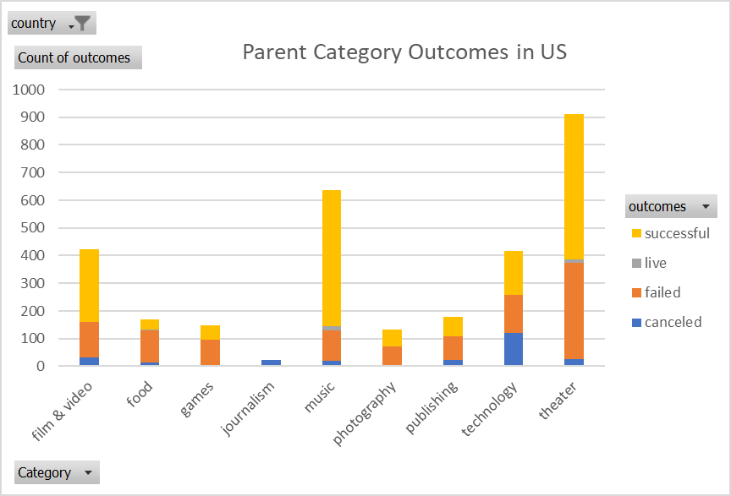
country | US

Count of outcomes | Column Labels
Row Labels | canceled | failed | live | successful | Grand Total
theater | 26 | 349 | 12 | 525 | 912
Grand Total | 26 | 349 | 12 | 525 | 912

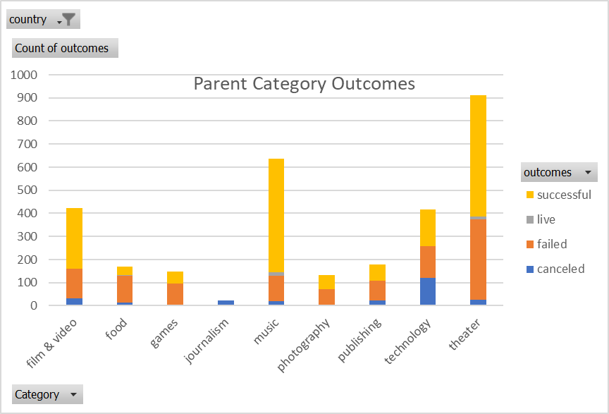

Parent Category Outcomes in US

Subcategory Statistics
country | US
Category | theater

Count of outcomes | Column Labels
Row Labels | failed | live | successful | Grand Total
plays | 250 | 9 | 412 | 671
Grand Total | 250 | 9 | 412 | 671

Outcomes based on launched date
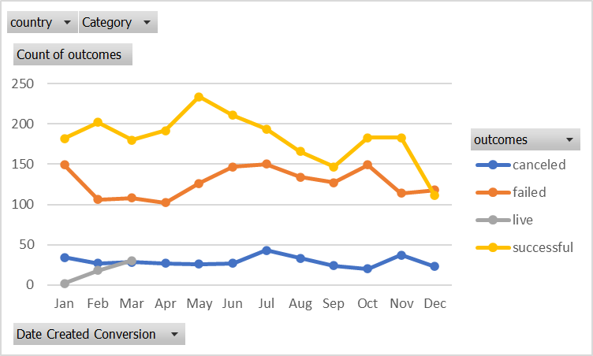
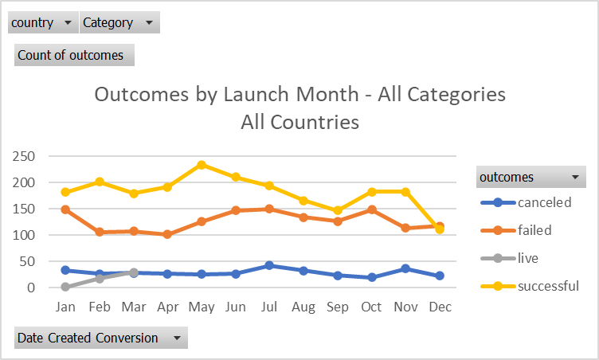
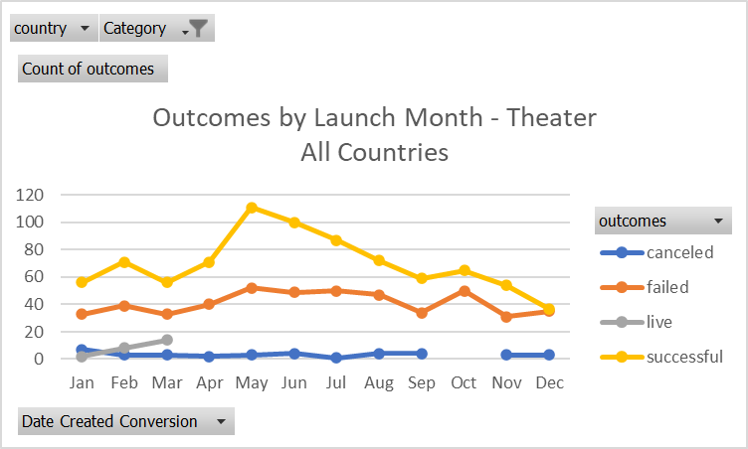
country | (All)
Category | theater
 |  |  |  |  |  | The month was automatically created by Excel when using Launched Year in Pivot table. Had to remove Year and Qtr to reveal month
Count of outcomes | Column Labels
Row Labels | canceled | failed | live | successful | Grand Total
Jan | 7 | 33 | 2 | 56 | 98
Feb | 3 | 39 | 8 | 71 | 121
Mar | 3 | 33 | 14 | 56 | 106
Apr | 2 | 40 |  | 71 | 113
May | 3 | 52 |  | 111 | 166
Jun | 4 | 49 |  | 100 | 153
Jul | 1 | 50 |  | 87 | 138
Aug | 4 | 47 |  | 72 | 123
Sep | 4 | 34 |  | 59 | 97
Oct |  | 50 |  | 65 | 115
Nov | 3 | 31 |  | 54 | 88
Dec | 3 | 35 |  | 37 | 75
Grand Total | 37 | 493 | 24 | 839 | 1393
Outcomes by Launch Month - Theater All Countries
 | canceled | failed | live | successful
Jan | 7 | 33 | 2 | 56
Feb | 3 | 39 | 8 | 71
Mar | 3 | 33 | 14 | 56
Apr | 2 | 40 |  | 71
May | 3 | 52 |  | 111
Jun | 4 | 49 |  | 100
Jul | 1 | 50 |  | 87
Aug | 4 | 47 |  | 72
Sep | 4 | 34 |  | 59
Oct |  | 50 |  | 65
Nov | 3 | 31 |  | 54
Dec | 3 | 35 |  | 37

