Last 30 days
6/23/21 | 0.8368146431
6/24/21 | 0.8383807428
6/25/21 | 0.8376682815
6/26/21 | 0.8378746022
6/27/21 | 0.8378522803
6/28/21 | 0.8379408203
6/29/21 | 0.8399295664
6/30/21 | 0.8437797637
7/1/21 | 0.8434003072
7/2/21 | 0.8439241521
7/3/21 | 0.8428306025
7/4/21 | 0.8427688403
7/5/21 | 0.8427184745
7/6/21 | 0.8461828874
7/7/21 | 0.847289543
7/8/21 | 0.8445532229
7/9/21 | 0.8432297895
7/10/21 | 0.842020974
7/11/21 | 0.8420368706
7/12/21 | 0.8432852756
7/13/21 | 0.8466304869
7/14/21 | 0.8456964797
7/15/21 | 0.8469426528
7/16/21 | 0.8467410807
7/17/21 | 0.8470100869
7/18/21 | 0.8471584443
7/19/21 | 0.8471161298
7/20/21 | 0.8493102876
7/21/21 | 0.8477119974
7/22/21 | 0.8494849556

Screenshot
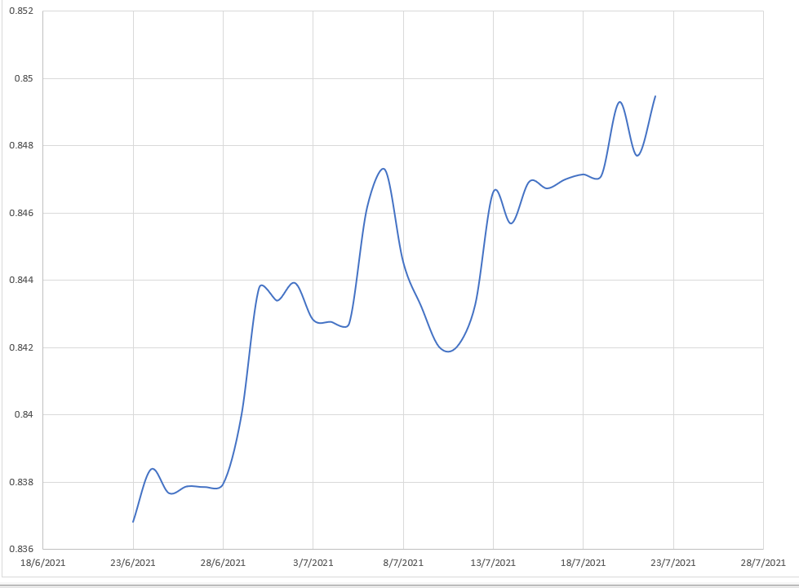
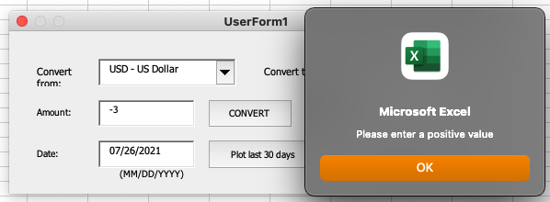
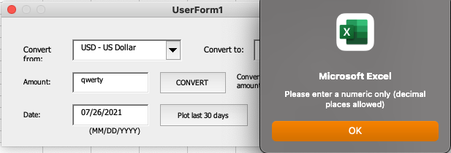
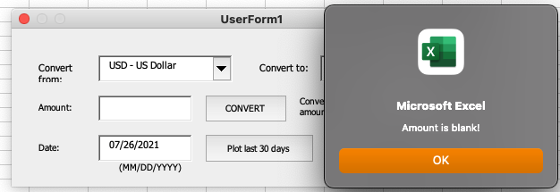
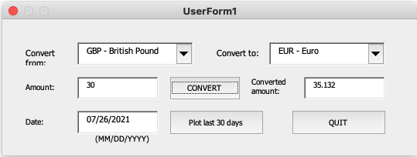
Screenshot of Last 30 days plot (from USD to EUR, 22/7/2021)

