Measurements
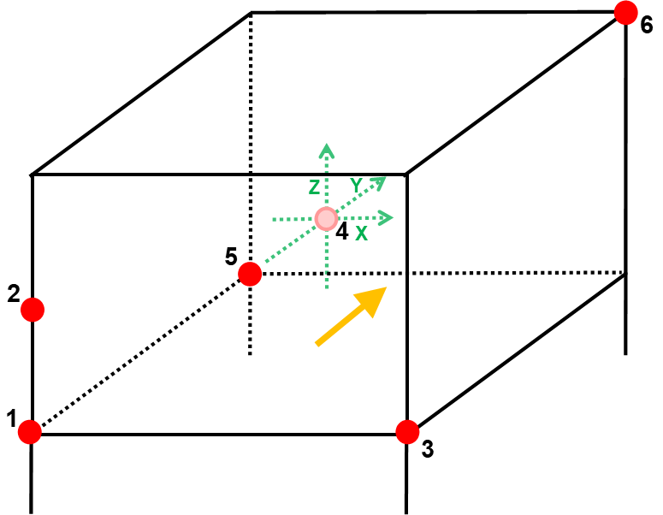
Distance between hydrophones - AMAR

 | Date (UTC, yyyy-mm-dd) | Measurements |  | Calculation
 |  | Hydrophone pair | Distance (cm) | Distance (cm) | Delta (cm)
 | Deployment ID / location | 1-2 | 80.0 | 80 | 0.0
 |  | 1-3 | 172.0 | 172 | 0.0
 |  | 2-3 | 188.3 | 189.69449122 | 1.4
 | Deployment goals | 1-5 | 172.5 | 172.5 | 0.0
 |  | 1-4 | 123.0 | 123.94633561 | 0.9
 |  | 1-6 | 279.4 | 278.58442623 | -0.8
 |  | 2-4 | 108.5 | 109.57163917 | 1.1
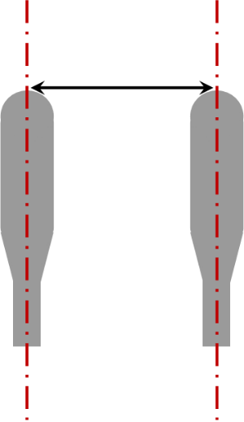
 |  | 2-5 | 189.6 | 190.1479687 | 0.5
 |  | 2-6 | 249.9 | 249.76630062 | -0.1
 |  | 3-4 | 141.0 | 141.82628145 | 0.8
 |  | 3-5 | 244.0 | 243.59854269 | -0.4
 |  | 3-6 | 219.2 | 219.14671464 | -0.1
 |  | 4-5 | 131.2 | 132.08760014 | 0.9
 |  | 4-6 | 157.0 | 154.86695408 | -2.1
 |  | 5-6 | 218.7 | 218.75336006 | 0.1

Blank
Distance between hydrophones - AMAR

 | Date (UTC, yyyy-mm-dd) | Measurements
 |  | Hydrophone pair | Distance (cm)
 | Deployment ID / location | 1-2
 |  | 1-3
 |  | 2-3
 | Deployment goals | 1-5
 |  | 1-4
 |  | 1-6
 |  | 2-4
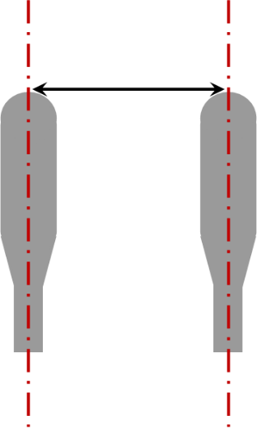
 |  | 2-5
 |  | 2-6
 |  | 3-4
 |  | 3-5
 |  | 3-6
 |  | 4-5
 |  | 4-6
 |  | 5-6
 |  | FS01-4
 |  | FS02-4

