Blank
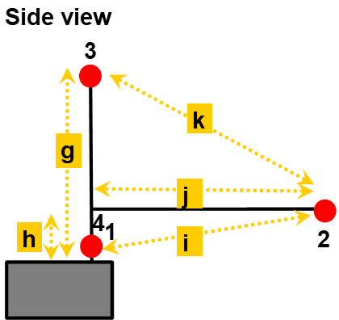
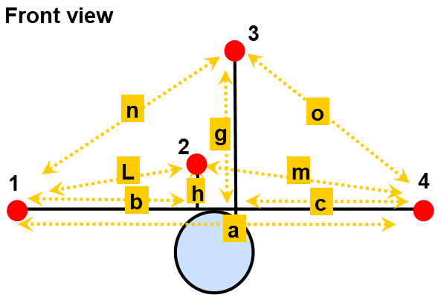
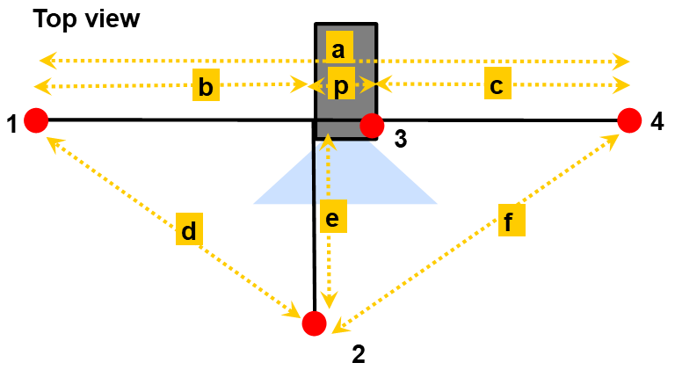
Distance between hydrophones - SoundTrap

 | Date (UTC, yyyy-mm-dd) | Measurements
 |  | Hydrophone pair | Distance (cm)
 | Deployment ID / location | a
 |  | b
 |  | c
 | Deployment goals | d
 |  | e
 |  | f
 |  | g
 |  | h
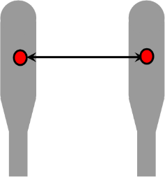
 |  | i
 |  | j
 |  | k
 |  | L
 |  | m
 |  | n
 |  | o
 |  | p

