Sheet1
217.7 | 0.11223308169
217.73333333 | 0.11233700476
217.76666667 | 0.11176542788
217.8 | 0.11176542788
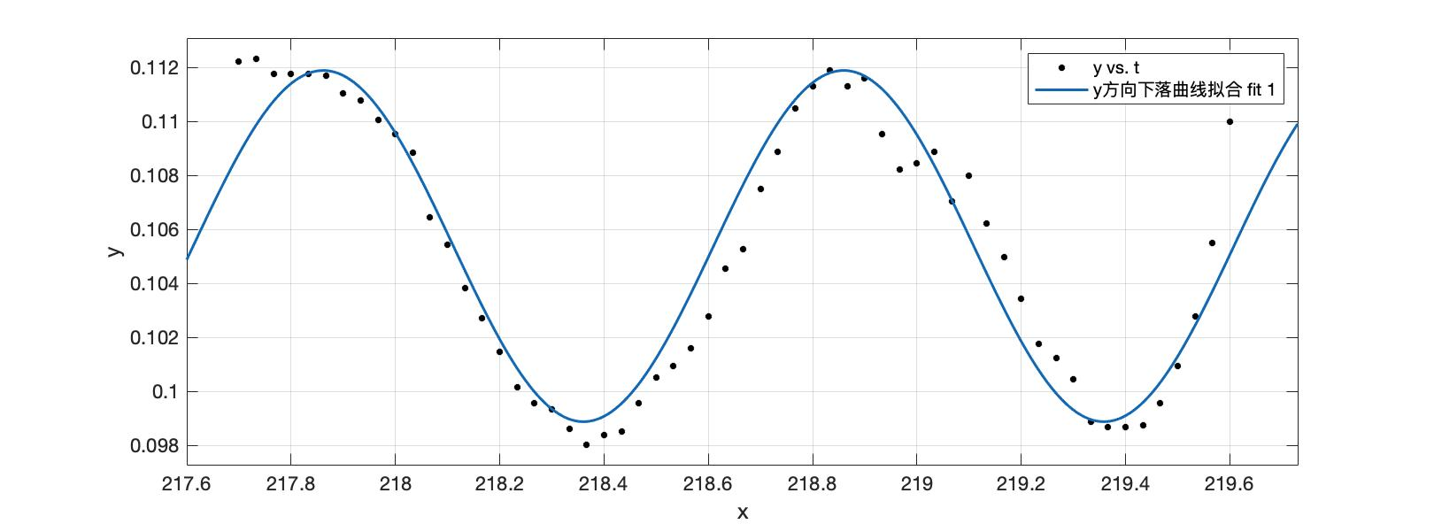
217.83333333 | 0.11176542788
217.86666667 | 0.11171346634 | General model Fourier1:
217.9 | 0.11103796639 | f(x) = a0 + a1*cos(x*w) + b1*sin(x*w)
217.93333333 | 0.11077815872 | Coefficients (with 95% confidence bounds):
217.96666667 | 0.11005069723 | a0 = 0.1054 (0.105, 0.1058)
218 | 0.10953108188 | a1 = -0.003933 (-0.182, 0.1741)
218.03333333 | 0.10885558193 | b1 = 0.005186 (-0.1297, 0.1401)
218.06666667 | 0.10646535134 | w = 6.297 (6.14, 6.454)
218.1 | 0.10542719095
218.13333333 | 0.10381056701 | Goodness of fit:
218.16666667 | 0.10270832341 | SSE: 0.0001299
218.2 | 0.101459114 | R-square: 0.9068
218.23333333 | 0.10013642168 | Adjusted R-square: 0.9017
218.26666667 | 0.099548558425 | RMSE: 0.001537
218.3 | 0.099328109705
218.33333333 | 0.09859328064
218.36666667 | 0.098005417387
218.4 | 0.09837283192
218.43333333 | 0.098519797733
218.46666667 | 0.099548558425
218.5 | 0.10050383621
218.53333333 | 0.10094473365
218.56666667 | 0.10160607981
218.6 | 0.10278180632
218.63333333 | 0.10454539607
218.66666667 | 0.10528022514
218.7 | 0.10748471234
218.73333333 | 0.10888088756
218.76666667 | 0.11049751151
218.8 | 0.11130582348
218.83333333 | 0.11189368673
218.86666667 | 0.11130582348
218.9 | 0.11159975511
218.93333333 | 0.10954223372
218.96666667 | 0.1082195414
219 | 0.10843999012
219.03333333 | 0.10888088756
219.06666667 | 0.1070438149
219.1 | 0.10799909268
219.13333333 | 0.10623550292
219.16666667 | 0.10498629351
219.2 | 0.10344315247
219.23333333 | 0.10175304562
219.26666667 | 0.10123866528
219.3 | 0.1004303533
219.33333333 | 0.098887212266
219.36666667 | 0.098666763546
219.4 | 0.098666763546
219.43333333 | 0.098740246453
219.46666667 | 0.099548558425
219.5 | 0.10094473365
219.53333333 | 0.10278180632
219.56666667 | 0.10550067386
219.6 | 0.10998313116
219.63333333 | 0.11130582348

