Registration Form
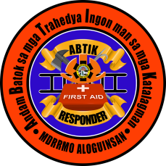
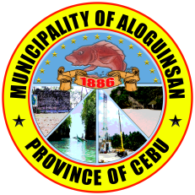
Republic of the Philippines
Province of Cebu
Municipality of Aloguinsan

DRRMO PERSONAL DATA FORM

Please complete the data needed in this form. |  |  |  |  |  | For DRRMO Processor ONLY
 |  |  |  |  |  | PERSON ID #
PERSONAL CIRCUMSTANCES
NAME
 | First Name |  | Middle Name | Last Name |  | e.g. Jr./Sr. | Nickname
GENDER |  |  | BIRTHDATE |  | CONTACT
 |  |  |  |  | Phone Number
 | Male | Female | month/day/year |  | Email Address
RELIGION |  |  | BIRTHPLACE
HEIGHT |  | (Meters) | WEIGHT | (Kilos) | IDENTIFYING MARKS
CIVIL STATUS
Single |  | Widow/Widower |  | Annulled
Married |  | Separated
ADDRESS
HOME ADDRESS
TOWN |  |  |  | PROVINCE
BARANGAY |  |  |  | COUNTRY
PUROK/SITIO |  |  |  | ZIP CODE
OCCUPATION
ORGANIZATION |  |  |  | DESIGNATION |  | Job Order Regular |  | Volunteer Others
WORK POSITION |  |  |  | OFFICE NAME
WORK ADDRESS |  |  |  | WORK PHONE #
HIGHEST EDUCATIONAL QUALIFICATION
ELEMENTARY |  | Name of School |  | COLLEGE |  | Name of School
HIGH SCHOOL |  |  |  | POST-GRADUATE
VOCATIONAL |  |  |  | OTHERS |  | Please specify:
IF MARRIED
NAME OF SPOUSE
NAME OF CHILDREN |  | 1 |  |  | 4
 |  | 2 |  |  | 5
 |  | 3 |  |  | 6

