SleepPanda-BOM
SleepPanda (https://github.com/xddcore/SleepPanda)
（Sensor/Actuator Name) | Model Number | Physical Picture | Letter of Agreement | Quantity | Price | Purchase Link
Speaker & Microphone | WM8960 | 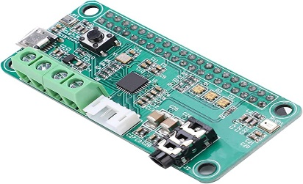 | Control:IIC, Audio:IIS | 1 | £20.00 | https://www.amazon.co.uk/Eujgoov-Decoding-Microphone-Decoder-Interface/dp/B0968F35NS/ref=sr_1_2_sspa?crid=2DHF6XS03KJB9&keywords=WM8960&qid=1674918455&sprefix=wm8960%2Caps%2C71&sr=8-2-spons&sp_csd=d2lkZ2V0TmFtZT1zcF9hdGY&psc=1
Sound Sensor | DR-YM-283 | 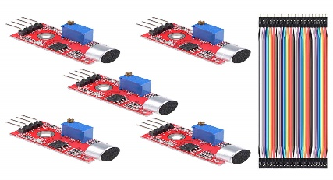 | voltage comparator Dout | 1 | £7.00 | https://www.amazon.co.uk/Youmile-Microphone-Sensitivity-Detection-Arduino/dp/B087R83YGB/ref=sr_1_1?crid=1QMM0MAGT9QS8&keywords=5PCS+Microphone+Sound+Sensor+Module+AVR+PIC+High+Sensitivity+Voice+Detection+For+Arduino+with+Dupont+Cable&qid=1674919358&s=instant-video&sprefix=5pcs+microphone+sound+sensor+module+avr+pic+high+sensitivity+voice+detection+for+arduino+with+dupont+cable+%2Cinstant-video%2C82&sr=1-1
Body Temperature (thermal imaging) & Gesture Control | MLX90640 |  | IIC | 1 | £60.00 | https://www.amazon.co.uk/MLX90640-Thermal-Camera-Breakout-Standard/dp/B07FF45134/ref=sr_1_3?crid=EFGPUBKNB08U&keywords=MLX90640&qid=1674920054&s=instant-video&sprefix=mlx90640%2Cinstant-video%2C73&sr=1-3#customerReviews
Heart Rate & Blood Oxygen | MAX30101 | 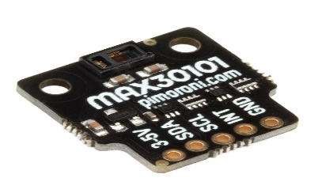 | IIC | 1 | £16.50 | https://amzn.eu/d/0l3fIqx
Sleeping position monitoring | 4K 30FPS Camera(/2.5’’ SONY IMX317 CMOS Sensor) | 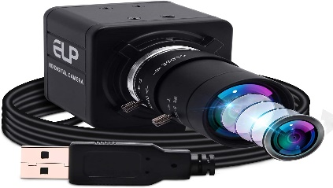 | USB | 1 | £103.00 | https://amzn.eu/d/iv5uK3t
Ink Screen (Virtual Zoo) | PIM367 |  | SPI | 1 | £26.40 | https://shop.pimoroni.com/products/inky-phat?variant=12549254905939
Buzzer｜5 Volts, driven by S8550 transistor | 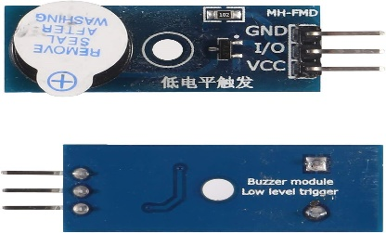 | High/Low Pin Level | 1 | £5.99 | https://amzn.eu/d/8Bq02LZ
Touchscreen (QT-based GUI) | to be determined… | Video:HDMI,Touch:USB | 1 | — | —

