Visualizations
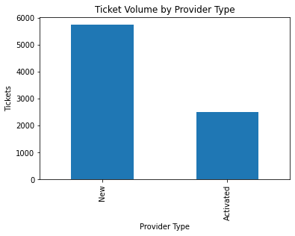
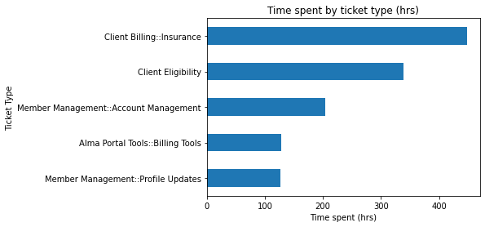

 |  | Ticket Type | Total Time Spent This Qtr. (Hours)
 |  | Client Billing::Insurance | 447.65
Provider Type | Ticket Count | Client Eligibility | 338.08
New | 5740 | Member Management::Account Management | 203.64
Activated | 2493 | Alma Portal Tools::Billing Tools | 128.71
 |  | Member Management::Profile Updates | 126.63

