number
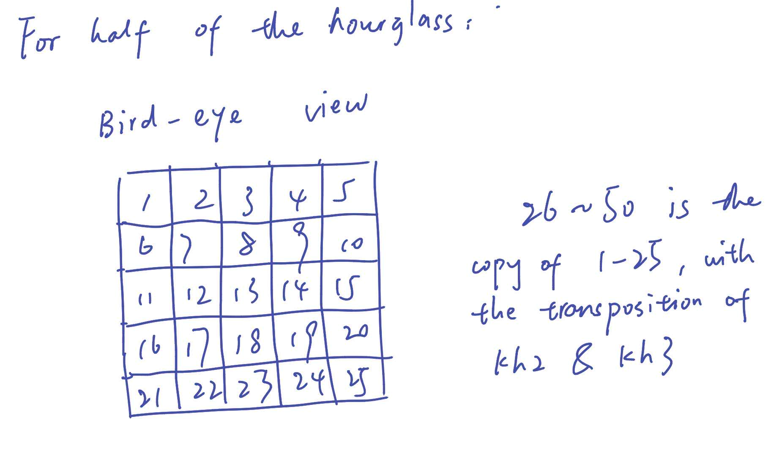

the row number in sheet1 starts from 2, but row 2 actually means the first box

