Datenbeschreibung
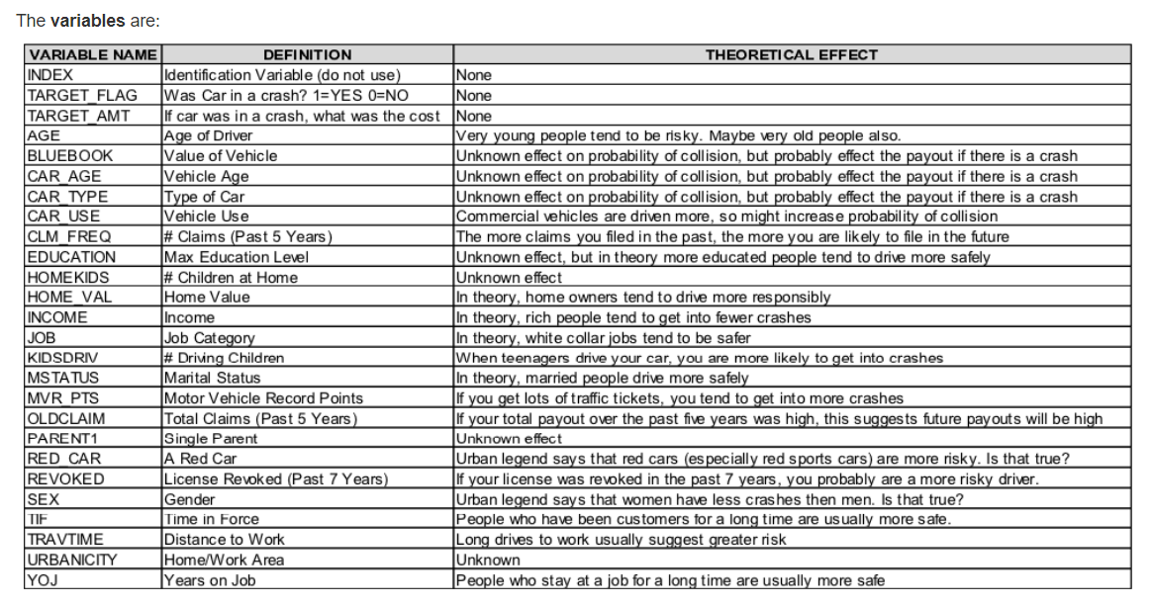
Variable in the data set | Definition (German) | Variable in the model
KIDSDRIV | Anzahl Teenager im Haushalt, die das Fahrzeug verwenden | explanatory variable | Original description
AGE | Alter des Fahrers | explanatory variable
HOMEKIDS | Anzahl Kinder im Haushalt | explanatory variable
YOJ | Anzahl Jahre im Job | explanatory variable
INCOME_orig | Einkommen original | explanatory variable
INCOME_USD | Einkommen in USD | explanatory variable
PARENT1 | Single Elternteil | explanatory variable
HOME_VAL_orig | Home Value original | explanatory variable
HOME_VAL_USD | Home Value USD | explanatory variable
MSTATUS | Status (verheiratet oder nicht) | explanatory variable
GENDER | Geschlecht | explanatory variable
EDUCATION | Ausbildung | explanatory variable
OCCUPATION | Beruf | explanatory variable
TRAVTIME | Zeit für Arbeitsweg | explanatory variable
CAR_USE | Nutzung des Fahrzeugs | explanatory variable
BLUEBOOK_orig | Wert des Fahrzeugs original | explanatory variable
BLUEBOOK_USD | Wert des Fahrzeugs USD | explanatory variable
TIF | Wie lange schon versichert | explanatory variable
CAR_TYPE | Typ des Fahrzeugs | explanatory variable
RED_CAR | Farbe des Fahrzeugs rot (ja/nein) | explanatory variable
OLDCLAIM_orig | Auszahlungen letzte 5 Jahre original | explanatory variable
OLDCLAIM_USD | Auszahlungen letzte 5 Jahre USD | explanatory variable
CLM_FREQ | Anzahl Schadensfälle letzte 5 Jahre | explanatory variable
REVOKED | Entzug der Fahrerlaubnis letzte 7 Jahre | explanatory variable
MVR_PTS | Strafpunkte, Tickets | explanatory variable
CLM_AMT_orig | Kosten für Crash falls Fahrzeug verwicklelt original | explanatory variable
CLM_AMT_USD | Kosten für Crash falls Fahrzeug verwicklelt USD | explanatory variable
CAR_AGE | Alter des Fahrzeugs | explanatory variable
CLAIM_FLAG | War das Fahrzeug in einen Crash verwickelt? (Ja/Nein) | target variable
URBANICITY | Urbanität zu Hause / Arbeitsumfeld | explanatory variable

