GUI CGI SPEC
Xmind
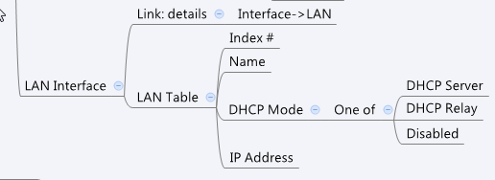

Behavior
# Limitations: Max LAN Table Size = 32

[UI Display Name] | [CGI Name] | [JSON Name] | [Description] | Range / Default Value / Units

Index | dashboard_lan.cgi | N/A | Sequence number
Name | dashboard_lan.cgi | guiLanIfT.name | unique numeric ID
Mode | dashboard_lan.cgi | guiLanIfT.type | Disable (0), DHCP server (1) or DHCP Relay (2)
IP Address | dashboard_lan.cgi | guiLanIfT.address | IPv4 address

JSON String
dashboard_lan.cgi
## GET/POST for get previous settings ##
{"guiLanIfTNum":2,
"guiLanIfT":[
{"name":"DEFAULT","type":1,"address":"192.168.150.11","netmask":"255.255.255.0"},
{"name":"GUEST","type":1,"address":"192.168.2.1","netmask":"255.255.255.0"}]}

